Shantanu-post balancing
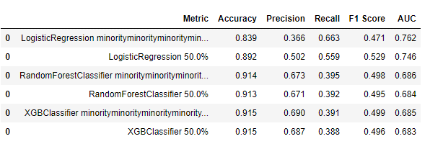
UNDERSAMPLING - RandomUnderSampling | UNDERSAMPLING - RandomUnderSampling post Scaling

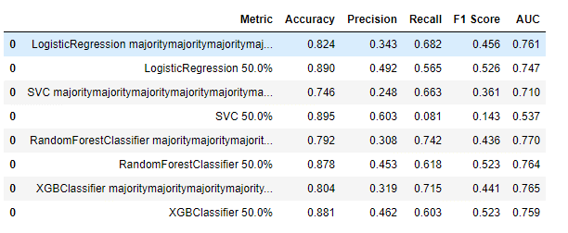
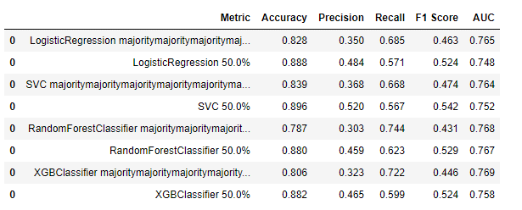

OVERSAMPLING - Randomoversampling

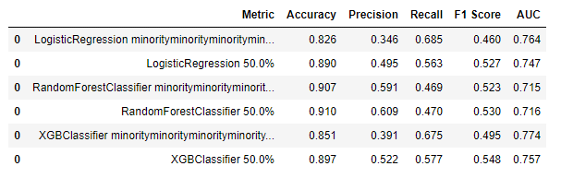

OVERSAMPLING-SMOTE

