Sheet1
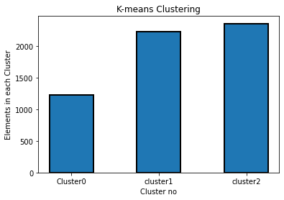
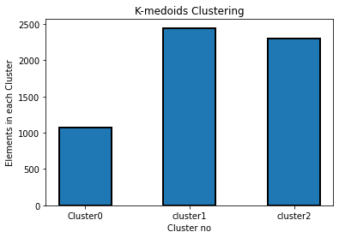
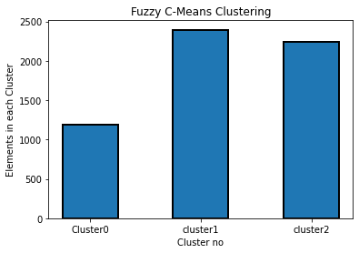
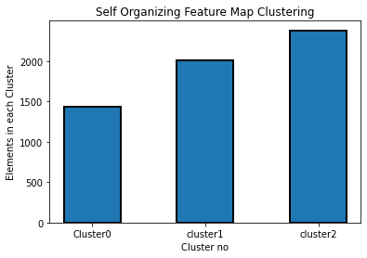
Clustering Algorithm | Silhoutte_Score | Sum Squared Error(SSE)

K-Means | 0.57408037809 | 23705.245385

K-Medoid(PAM) | 0.56367855853 | 9395.5004764

Fuzzy-C-Means(FCM) | 0.57344177632 | 1.00E-05

Self Organizing Map(SOM) | 0.54976548742 | 33919.651371

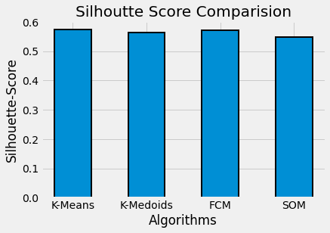
Elbow Plot
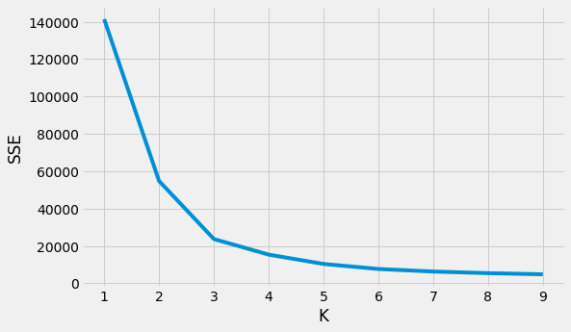
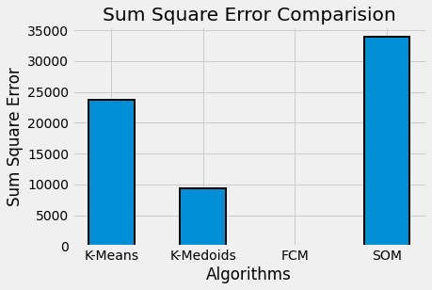

Clustering Analysis:

