Graph_Bank_IRF
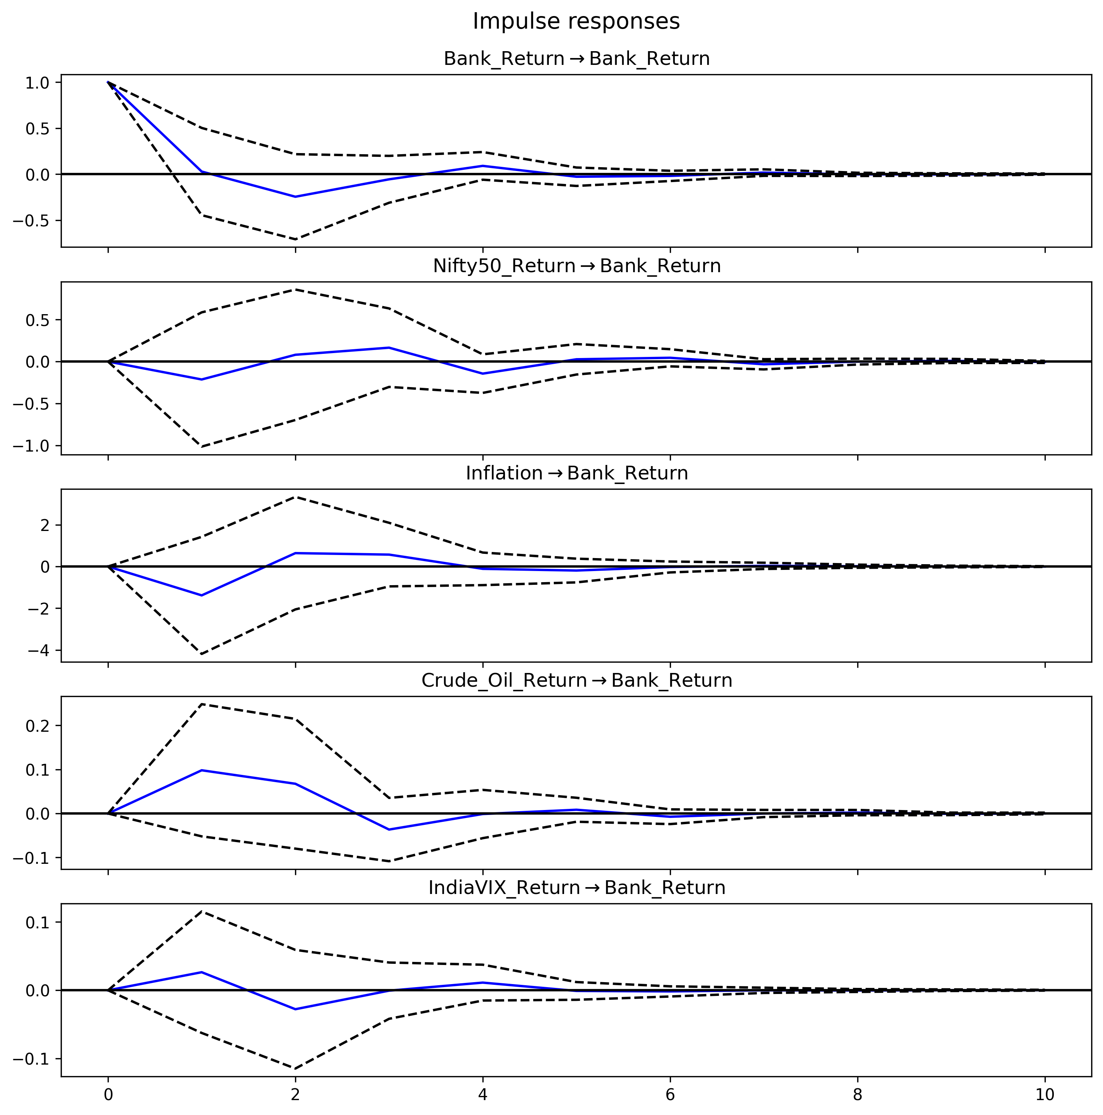
Graph Bank IRF

Graph_IT_IRF
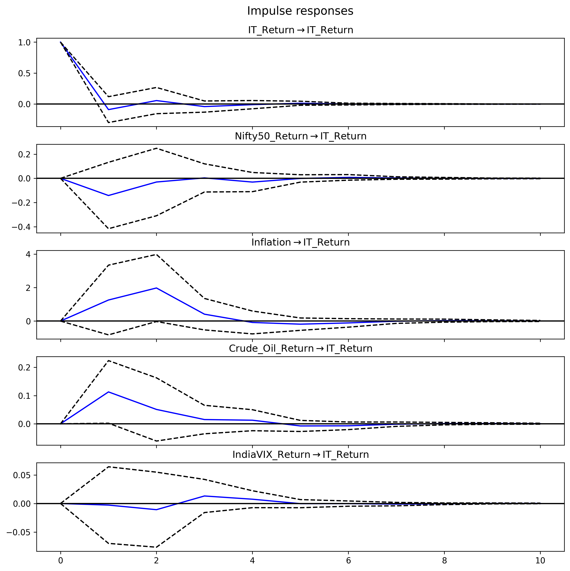
Graph IT IRF

Graph_FMCG_IRF
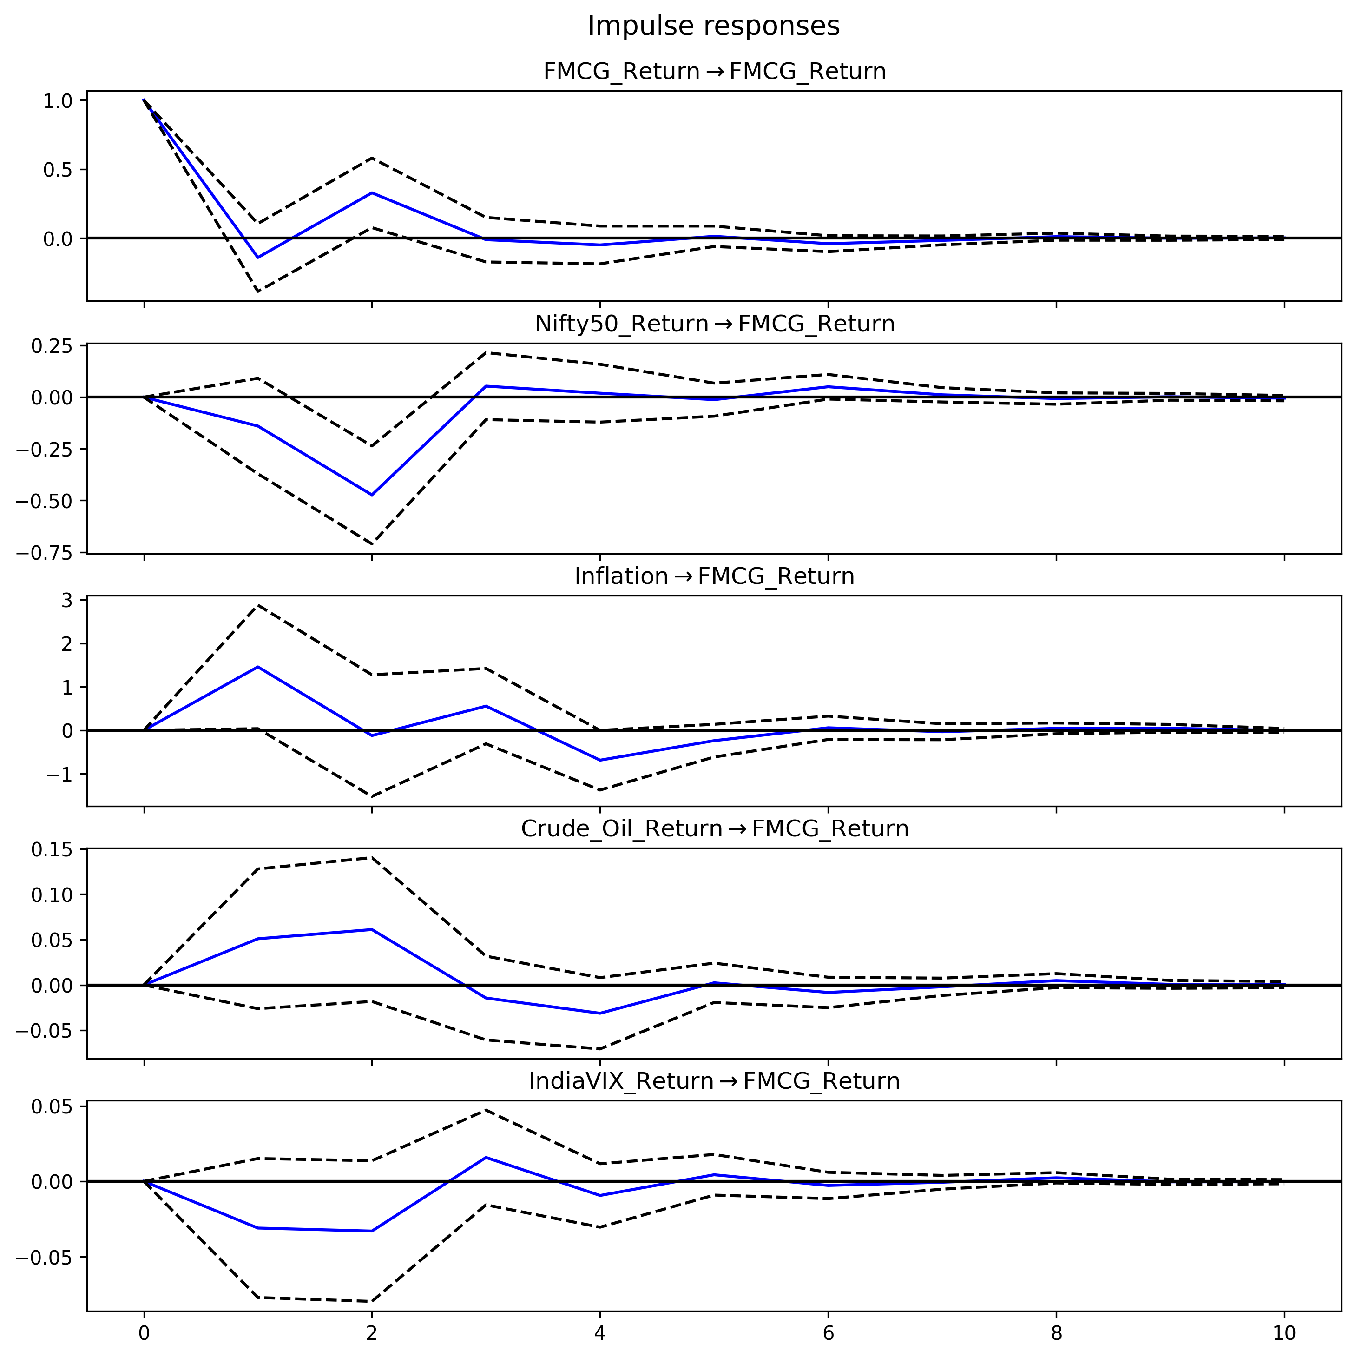
Graph FMCG IRF

Graph_Auto_IRF
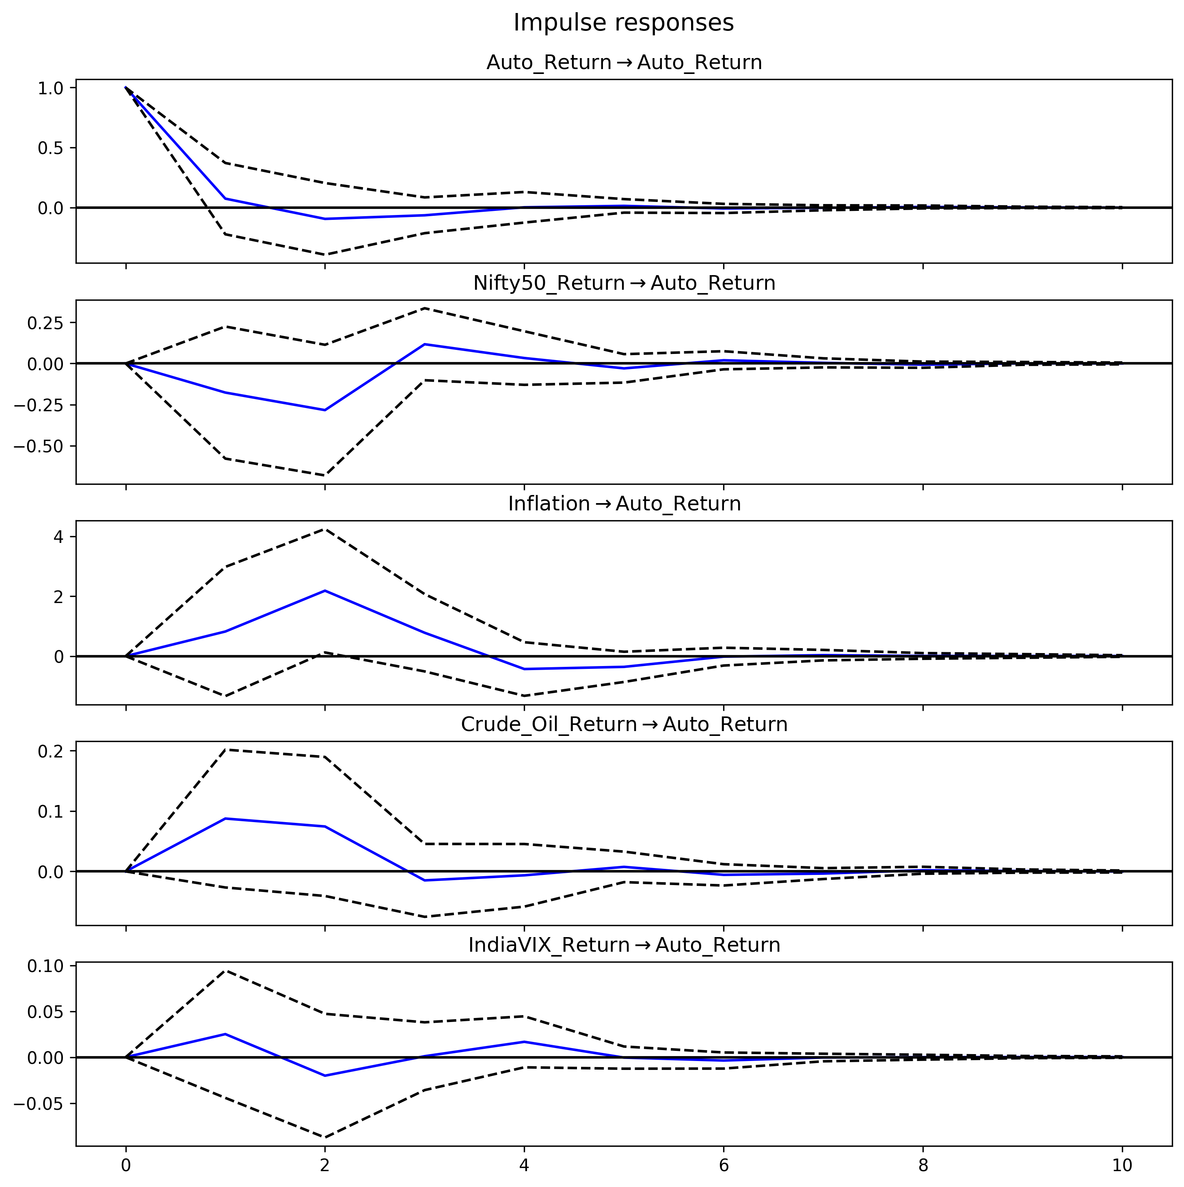
Graph Auto IRF

