P_SDD
 |  | Value (MT/yr) | Note
 | P_SDD_influent | 676.8 |  |  | Total P in | Total P out |  |  | WWT
 | P_biosolid | 94.4 |  | Mass balance (SDD plant) | 677 | 677 |  |  |  | Domestic | Industrial | Unit | Source
 |  |  |  | Mass balance (watershed) | 876 | 879 |  |  | TP | 407 | 3542 | lb/day | SDD interim report, Table 3-3
 | P_nonpoint | 293.9 | 66.5% |  |  |  |  |  | TP | 67.5 | 587.6 | MT/yr | SDD interim report, Table 3-3 | 655
 | P_point | 582 | 2003-2018 average from SWAT point source input |  |  |  |  |  | TP | 4 | 28.3 | mg/L or g/m3 | SDD interim report, Table 3-3
 | P_reservoir | 27.3 |  |  |  |  |  |  | Flow_total |  | 6300918 | m3
 | P_instream_loss | 77.4 |  |  |  |  |  |  | TP load |  | 178.3 | MT/yr
 | P_total_outlet | 774.1 |  |  |  |  |  |  | Average effluent |  | 27.4 | MGD
 | P_struvite | 0 |  |  |  |  |  |  | Effluent TP |  | 14.6 | mg/L or g/m3
 |  |  |  |  |  |  |  |  | Effluent TP |  | 553 | MT of P/yr
 | SDD_effluent_GPS-X simulated | 959.3 |  |  |  |  |  |  | Effluent NO3-N |  | 16.2 | mg/L or g/m3
 | SDD_effluent_report | 800.0 | EPA illinois report |  |  |  |  |  | Effluent NO3-N |  | 613 | MT of NO3-N/yr
 |  | 680.0 | Kevin |  |  |  |  |  | Flow_Tate |  | 1668546 | m3/yr from model
 |  |  |  |  |  |  |  |  | Flow_Tate |  | 5 | MGD from report
 |  |  |  |  |  |  |  |  | Flow_Tate |  | 6245250 | m3/yr from report | 3.7
 |  |  |  |  |  |  |  |  | Flow_ADM |  | 3038492 | m3/yr from model
 |  |  |  |  |  |  |  |  | Flow_ADM |  | 10 | MGD from report
 | P removal rate |  | 97.4% | 85.4% | 91.3% | 97.0% |  |  | Flow_ADM |  | 12490500 | m3/yr from model | 4.1
 |  | AS | ASCP | EBPR-basic | EBPR-A | EBPR-S |  |  | TP_Tate+ADM |  | 530.2
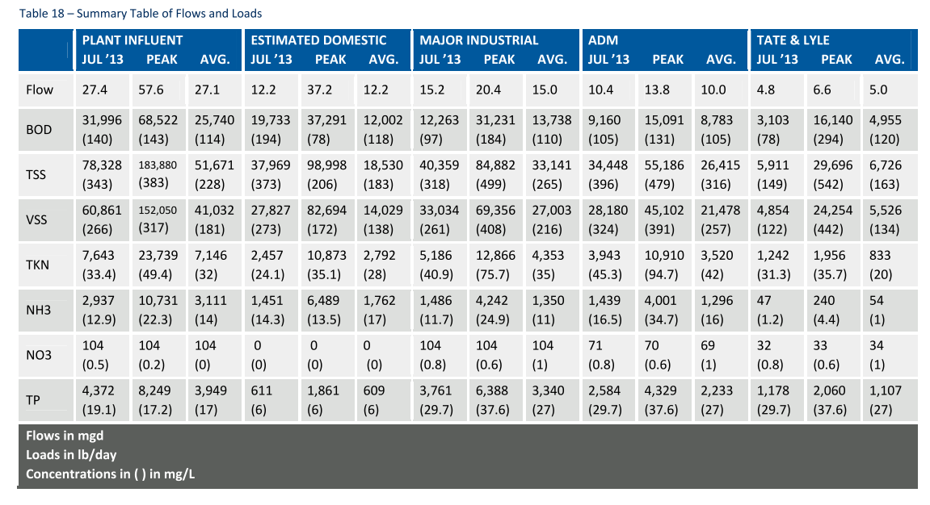
 | P_biosolid (Sundar) | 94.4 | 992.8 | 847.8 | 872.9 | 478.9
 | P_biosolid (Corrected) | 94.4 | 661.5 | 592.0 | 626.4 | 209.1
 | P by crop uptake | 53 | 53 | 54 | 54 | 53
 | P_point | 582 | 15 | 85 | 50 | 18
 | Sum (Sundar) | 676.8 | 1008 | 933 | 923 | 947
 | Sum (Shaobin) | 676.8 | 676.8 | 676.8 | 676.8 | 676.8
 | P_SDD_influent | 676.8 | 676.8 | 676.8 | 676.8 | 676.8
 | P_struvite | 0 | 0.0 | 0.0 | 0.0 | 450.0

 | P_nonpoint | 293.9 | 293.9 | 293.9 | 293.9 | 293.9
 | P_point | 582.4 | 15.3 | 84.8 | 50.4 | 17.7
 | P_reservoir | 27.3 | 27.3 | 27.3 | 27.3 | 27.3
 | P_instream_store | 77.4 | 24.4 | 30.9 | 27.7 | 25.3
 | P_total_outlet | 774.1 | 244.1 | 308.7 | 277.1 | 252.6
 | P_instream_store (corrected) | 75.0 | 37.9 | 42.8 | 40.0 | 31.8

 | Total P in | 876.3 | 309.2 | 378.7 | 344.4 | 311.6
 | Total P out | 878.8 | 295.7 | 366.8 | 332.1 | 305.1
 | Total P out (corrected) | 876.3 | 309.2 | 378.7 | 344.4 | 311.6

Domestic | ADM (5.0 Million MT/yr) | Tale&Lyle (2.1 Millioin MT/yr) | Soy contribution to P | Note | Unit |  | Wastewater flow at corn wet-milling: |  |  |  | 2.1 | Million MT/yr, plant capacity | 5
100.8 | 369.7 | 183.3 | 548.5 | 2013 Average, Interim report, Table 18 | MT/yr |  | 0.18 | MGD |  |  | 82308.0 | gallons/day
Sum | 653.8 |  |  |  |  |  | 10 | TP, kg/d |  |  | 11.6 | g/m3
 | Industrial | Domestic | Soy contribution to P | Note | Unit |  | 3.3 | TP, MT/yr |  |  | 113722.9 | m3/yr
 | 586.4 | 67.4 | 582.0 | Average | MT/yr |  | 928560 | plant capacity, MT corn /yr |  |  | 1.3 | MT/yr | 3.1 | MT/yr
Sum | 653.8
 | Soybean biorefinery (ADM wet milling) |  |  |  |  |  | Plant capacity 2.1 Million corn MT/yr |  | Plant capacity 5.0 Million MT corn/yr
 | 251,473 | MT/yr, soybean |  |  |  |  | 7.47 | TP, MT/yr | 17.78 | TP, MT/yr
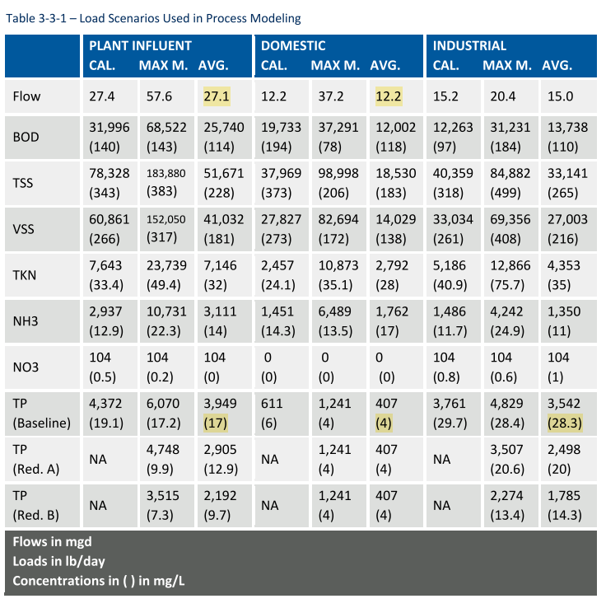
 | 1,040.6 | MT/yr P
 | 510,333 | kg/yr, soybean |  |  |  |  | *Assumption TP load linearly increases with plant capacity.
 | 1,779 | MT/yr local soybean P
 | 738 | MT/yr, exported soybean P
 | 458.6 | MT/yr, P in soybean product
 | Baseline Nitrate (1980-1996) | 7,240,000 | kg/yr
 | Baseline TP (1980-1996) | 324,000 | kg/yr

 | Baseline of point source Nitrate | 599,914 | kg/yr

 | Baseline of point source TP | 524,683 | kg/yr | Kevin: | 680 | point source
 | % of total nitrate | #REF! |  |  | 940 | total
 | % of total TP at outlet | #REF! |  |  | 72.3%

 | % of total TP to the river | 65.9%
 | Baseline of nonpoint soure TP to the river | 301,000 | kg/yr
 | Baseline of nonpoint soure TP at the outlet | 110,000 | kg/yr

 | Illinois report
 | % of total TP to the river | 61.5%
 | Non-point | 500 | Mg/yr
 | Point | 800 | Mg/yr
 | Riverine Export | 930 | Mg/yr
 | Estimated storage | 370 | Mg/yr

