Schedules & Values
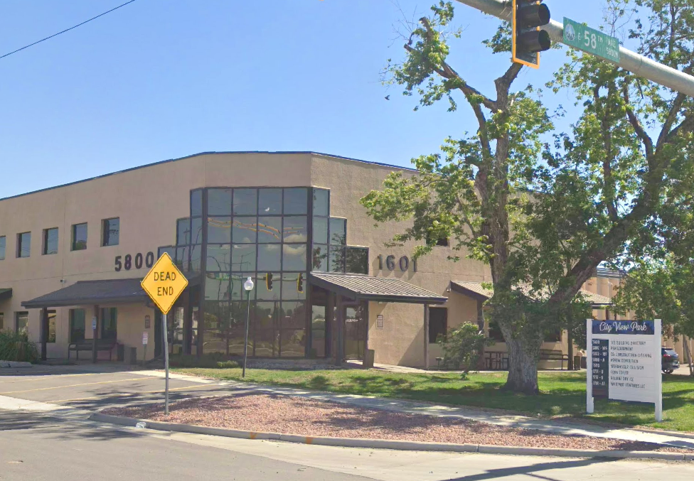
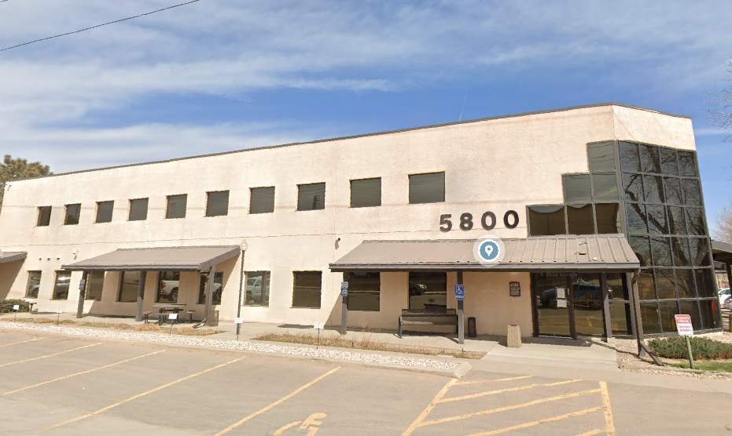
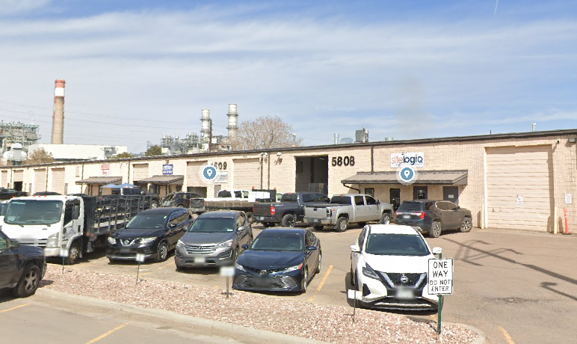
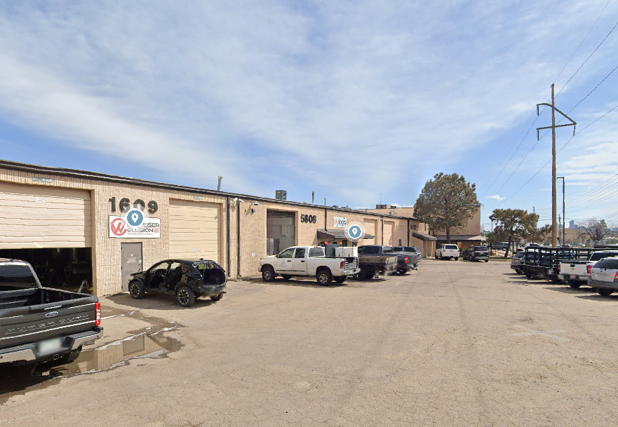
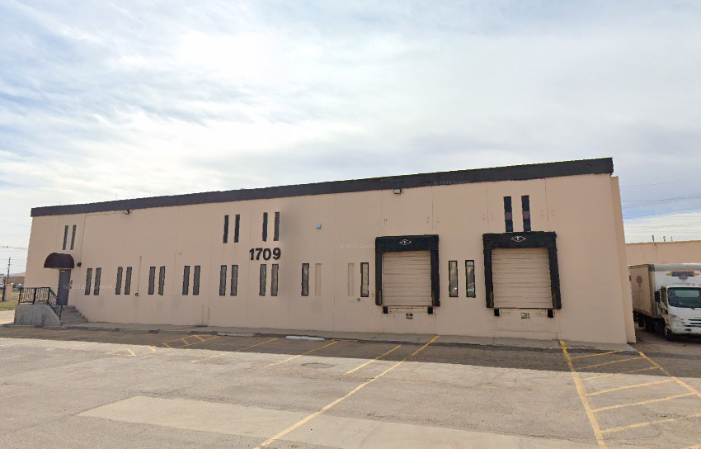
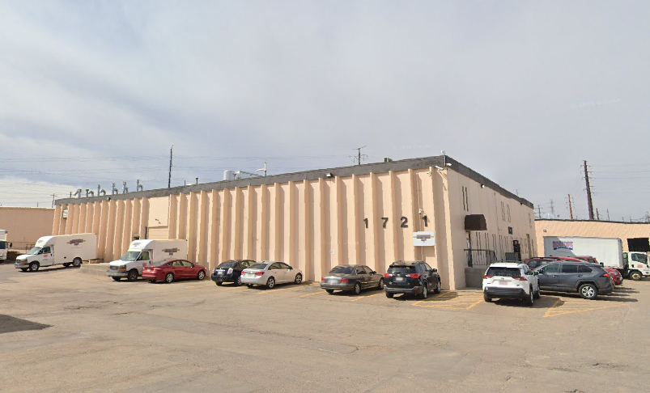
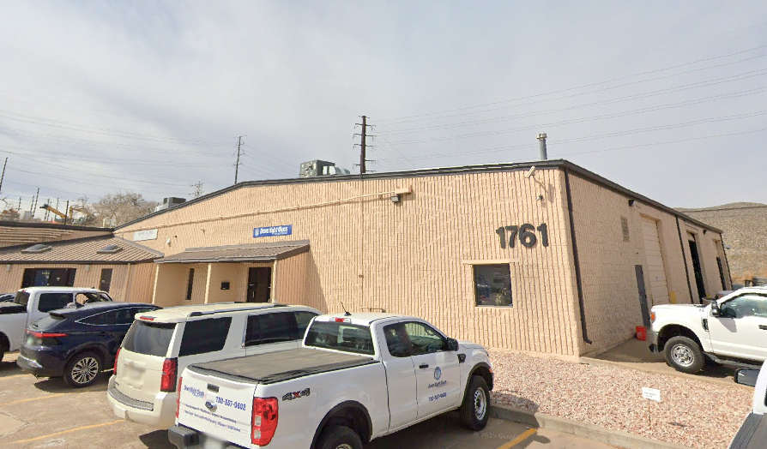
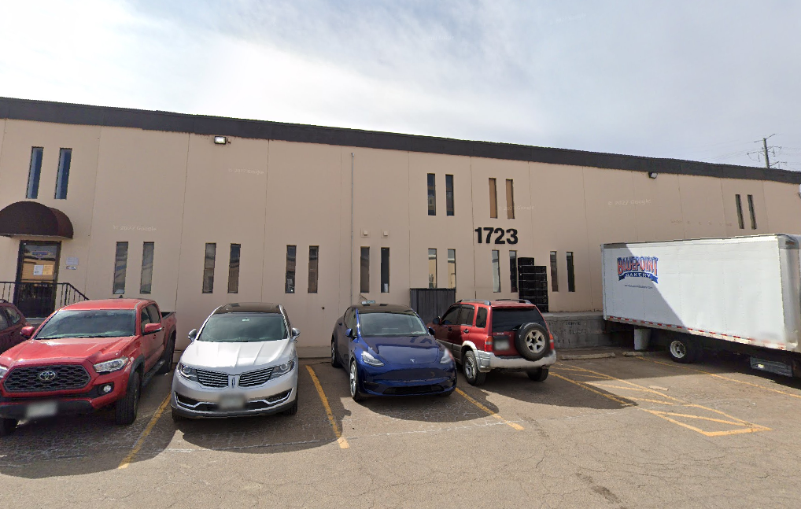
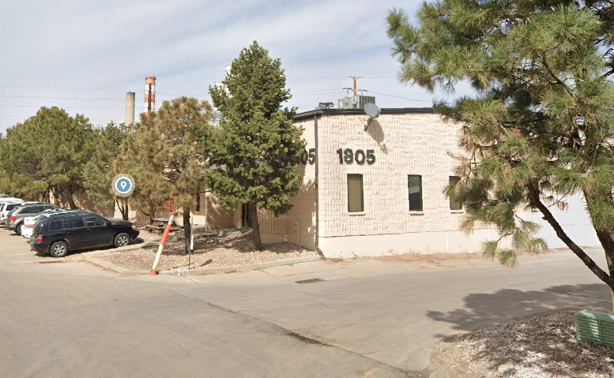
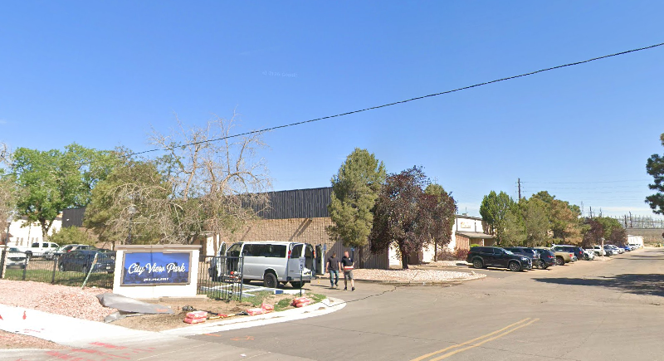
 | CityView Industrial Park - Schedule Numbers, Square Footage & Petitioner's Requested 2026 Values
 | Source: Petitioner's Exhibit A (SF) and Exhibit H (requested value allocation)

OCCC | Address | Schedule # | Description | YOC | Land SF | Imp SF | Land Value | $/SF | IMP Value | $/SF | Total Value | $/SF | Requested Land Value | Requested Imp Value | Requested Total Value | $/SF | Tax Liability | Notes
 | 5800 Franklin St | R0103784 | Vacant land |  | 123,710 | 0 | $989,680 |  | $0 |  |  |  | $989,680 | $0 | $989,680 |  | $27,733
 | 1761 E 58th Ave | R0103785 | Distribution Warehouse | 1986 | 87,120 | 32,500 | $1,393,920 |  | $3,496,391 |  |  |  | $871,200 | $1,930,597 | $2,801,797 |  | $137,040
 | 1805 E 58th Ave | R0103786 | Distribution Warehouse | 1986 | 87,120 | 41,060 | $1,393,920 |  | $4,269,562 |  |  |  | $871,200 | $2,668,547 | $3,539,747 |  | $158,706
 | 1771 E 58th Ave | R0103787 | Distribution Warehouse | 1985 | 89,734 | 40,000 | $1,435,728 |  | $4,583,116 |  |  |  | $897,336 | $2,551,029 | $3,448,365 |  | $168,665
 | 5800 Franklin St | R0103788 | Distribution Warehouse / Office | 1975 | 86,806 | 43,010 | $1,388,912 |  | $4,543,537 |  |  |  | $868,064 | $2,839,791 | $3,707,855 |  | $166,244
 | 1707 E 58th Ave | R0103789 | Distribution Warehouse | 1973 | 111,113 | 30,319 | $1,777,792 |  | $2,886,210 |  |  |  | $1,111,128 | $1,502,646 | $2,613,775 |  | $65,598 | 49.81% exempt (Certified Mapping & Technical Testing Inc., CO State entity); exemption not disputed
 | 1791 E 58th Ave | R0103790 | Distribution Warehouse | 1984 | 102,802 | 33,625 | $1,233,612 |  | $3,825,979 |  |  |  | $1,028,016 | $1,870,766 | $2,898,782 |  | $141,784 | 50.13% exempt per Exhibit H caption
 | TOTALS/AVG |  |  |  | 688,405 | 220,514 |  |  |  |  |  |  | $6,636,624 | $13,363,376 | $20,000,000

