Model Comparison
Calibration | Model | Brier Loss Score (lower is better) | Log Loss | ROC AUC | Precision | Recall | F1 | Accuracy
Uncalibrated | Neural Network | 0.197207 | 0.59143 | 0.765605 | 0.328747 | 0.688474 | 0.445004 | 0.724513
 | Logistic Regression | 0.181258 | 0.551269 | 0.785077 | 0.361522 | 0.665888 | 0.468622 | 0.757746
 | XG Boost | 0.11137 | 0.370062 | 0.769478 | 0.623902 | 0.27648 | 0.383162 | 0.857196
Calibrated | Neural Network | 0.110826 | 0.368863 | 0.765692 | 0.626374 | 0.221963 | 0.327775 | 0.853948
 | XG Boost | 0.109711 | 0.365755 | 0.769479 | 0.67706 | 0.23676 | 0.350837 | 0.859445
 | Logistic Regression | 0.107579 | 0.357277 | 0.784566 | 0.652525 | 0.251558 | 0.363125 | 0.858446

Model Comparison

Uncalibrated
Calibrated

Waterfall
Waterfall

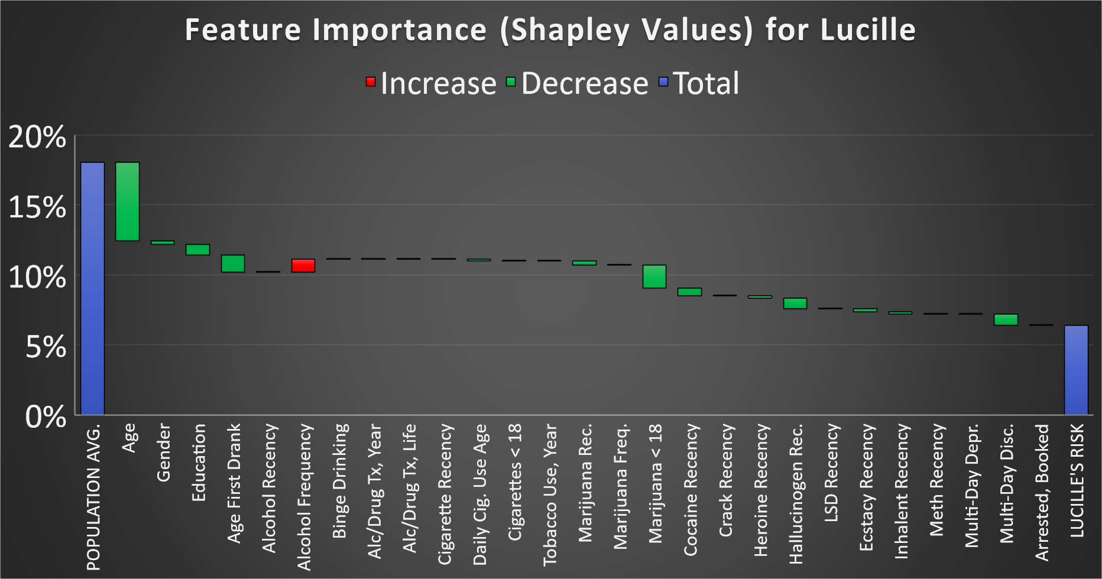
 | Baseline | Baseline |  | POPULATION AVG. | 18.04%
 | Age | AGE2 | 68 | Age | -5.59%
 | Gender | IRSEX | Female | Gender | -0.27%
 | Education | EDUHIGHCAT | College Graduate | Education | -0.75%
 | Age First Used Alcohol | IRALCAGE | Over 21 | Age First Drank | -1.22%
 | Alcohol Recency | IRALCRC | Within the past 30 days | Alcohol Recency | 0.00%
 | Alcohol Frequency | IRAlCFY | 300-365 days | Alcohol Frequency | 0.92%
 | Binge Drinking | CABINGEVR | Yes | Binge Drinking | 0.00%
 | Alc/Drug Tx, Past Yr | TXYRRCVD2 | No | Alc/Drug Tx, Year | 0.00%
 | Alc/Drug Tx, Lifetime | TXEVRRCVD2 | No | Alc/Drug Tx, Life | 0.00%
 | Cigarette Recency | IRCIGRC | Never | Cigarette Recency | 0.00%
 | Daily Cigarette Use Age | CIGAGE | Never | Daily Cig. Use Age | -0.10%
 | Cigarettes Under 18 | FUCIG18 | No | Cigarettes < 18 | 0.00%
 | Tobacco Use, Past Year | TOBYR | No | Tobacco Use, Year | 0.00%
 | Marijuana Recnecy | IRMJRC | Never | Marijuana Rec. | -0.31%
 | Marijuana Frequency | IRMJFY | Never | Marijuana Freq. | 0.00%
 | Marijuana Under 18 | FUMJ18 | No | Marijuana < 18 | -1.67%
 | Cocaine Recency | IRCOCRC | Never | Cocaine Recency | -0.54%
 | Crack Recency | IRCRKRC | Never | Crack Recency | 0.00%
 | Heroine Recency | IRHERRC | Never | Heroine Recency | -0.17%
 | Hallucinogen Recency | IRHALLUCREC | Never | Hallucinogen Rec. | -0.73%
 | LSD Recency | IRLSDRC | Never | LSD Recency | 0.00%
 | Ecstacy Recency | IRECSTMOREC | Never | Ecstacy Recency | -0.22%
 | Inhalent Recency | IRINHALREC | Never | Inhalent Recency | -0.18%
 | Meth Recency | IRMETHAMREC | Never | Meth Recency | 0.00%
 | Multi-Day Depression | ADDPREV | No | Multi-Day Depr. | 0.00%
 | Multi-Day Discouraged | ADDSCEV | No | Multi-Day Disc. | -0.81%
 | Arrested and Booked | BOOKED | No | Arrested, Booked | 0.00%
 | FINAL | FINAL |  | LUCILLE'S RISK | 6.40%

 |  |  |  | -11.64%

 |  |  |  | 18.04%

Brier vs Log Loss
 | Model | Brier Loss | Log Loss | ROC AUC | Precision | Recall | F1 | Accuracy
0 | Log. Reg. Calibrated | 0.112547 | 0.375824 | 0.769777 | 0.652968 | 0.218154 | 0.327044 | 0.852949
0 | XGB Calibrated | 0.114786 | 0.379967 | 0.752182 | 0.641393 | 0.238749 | 0.347971 | 0.853448
0 | NN Calibrated | 0.115136 | 0.384512 | 0.747056 | 0.607843 | 0.236461 | 0.340472 | 0.84995
0 | XGB Uncalibrated | 0.116141 | 0.383189 | 0.752182 | 0.615658 | 0.263921 | 0.369461 | 0.852449
0 | NN Uncalibrated | 0.175088 | 0.534603 | 0.748583 | 0.357852 | 0.604882 | 0.449674 | 0.757496
0 | Log. Reg. Uncalibrated | 0.184656 | 0.558538 | 0.770166 | 0.355677 | 0.647597 | 0.459167 | 0.750125

Brier Loss vs. Log Loss

