Sheet2
24-Hour Time Management
* "Broad classification of Time Usage" = {
Working_Days: { 'SLEEP ': [8] , 'COMPANY' : [12] , 'OTHERS: [6] } ,
Non_Working_Days: { 'SLEEP ': [9] , 'LEARN' : [12] , 'OTHERS: [3]}
}
* Total Learning Time : 8;
* Company Work Time : 6;

Dreams--Plans--Ideas--Passion--Desire--Will--Determination

Detailed Time Split
* Sleep: | 0-6| 6 hours
* Fresh up/BF/etc | 8-10 | 2 hours
* Comp Learning time | 11-13 | 2 Hours
* Official Work | 13:30-17:30 | 4 Hours
* Quick Tasks | 18-20 | 2 Hours
* Day Sprint | 20:30-22:30 | 2 Hours
Total Learnong :::: 10 hrs

Techn
Skills SL. No. | Domain Wise Technlogies | Sub Technlogies/ Skills | 2106-01-30 | 2106-01-31 | 2106-02-01 | 2106-02-02 | 2106-02-03 | 2106-02-04 | 2106-02-05

SAP UI
1 |  | SAP UI | KICK
2 |  | HTML
3 |  | CSS
4 |  | JAVA SCRIPT
5 |  | JQUERY
6 |  | Angular JS
7 |  | AJAX
8 |  | Bootstrap
9 |  | XML
10 |  | JSON
11 |  | WordPress
12 |  | Joomla
 |  | Others

JAVA
13 |  | OOPS | 1

14 |  | CORE JAVA | 1

15 |  | JDBC | 1

16 |  | SERVLETS | 1

17 |  | JSP | 1

18 |  | HIBERNATE | 1

19 |  | SPRINGS

ANDROID
20 |  |  | 1
21

TESTING
22 |  | Manual
23 |  | MYSQL
24 |  | SELENIUM Automation
25 |  | JMETER Performance

Jan 11
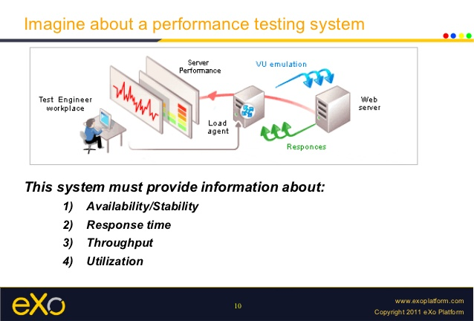
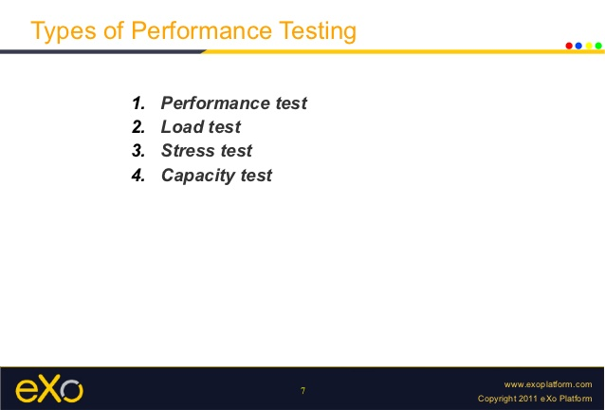
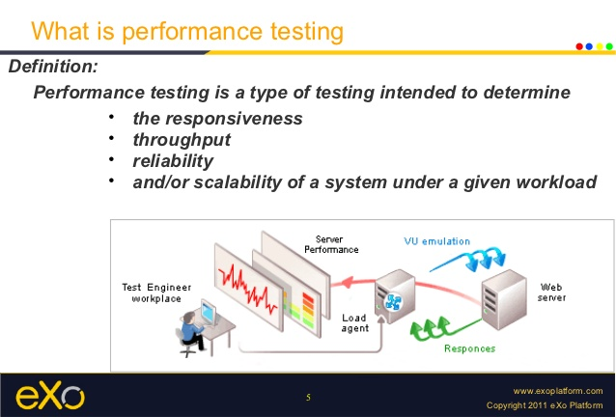
 | Time

JAVASCRIPT | 1 | Debugging
SAPUI5 | 3 | Semantic Box
JMETER | 2 | Plug ins for Graph comparison

OOPS | 2 | Object,Class,Constructors,Methods,
 |  | overloading

ANDROID | 0

OOPS
Object-Oriented Programming is a methodology or paradigm to design a program using classes and objects.
Object
Class
Inheritance
Polymorphism
Abstraction
Encapsulation
Object
Any entity that has state and behavior is known as an object. For example: chair, pen, table, keyboard, bike etc. It can be physical and logical.
An object has three characteristics:
state: represents data (value) of an object.
behavior: represents the behavior (functionality) of an object such as deposit, withdraw etc.
identity: Object identity is typically implemented via a unique ID. The value of the ID is not visible to the external user. But,it is used internally by the JVM to identify each object uniquely.
For Example: Pen is an object. Its name is Reynolds, color is white etc. known as its state. It is used to write, so writing is its behavior.Object is an instance of a class. Class is a template or blueprint from which objects are created. So object is the instance(result) of a class.
Class
Collection of objects is called class. It is a logical entity. BluepRINT. NO PHYSICAL
A class is a group of objects that has common properties. It is a template or blueprint from which objects are created.
A class in java can contain:
data member
method
constructor
block
class and interface
http://www.javatpoint.com/object-and-class-in-java
Variables--Stack || Value/Obj--Heap
A class in java can contain:
data member
method
constructor
block
class and interface
Inheritance
When one object acquires all the properties and behaviours of parent object i.e. known as inheritance. It provides code reusability. It is used to achieve runtime polymorphism.
Polymorphism
When one task is performed by different ways i.e. known as polymorphism. For example: to convense the customer differently, to draw something e.g. shape or rectangle etc.
In java, we use method overloading and method overriding to achieve polymorphism.
Another example can be to speak something e.g. cat speaks meaw, dog barks woof etc.
Abstraction
Hiding internal details and showing functionality is known as abstraction. For example: phone call, we don't know the internal processing.
In java, we use abstract class and interface to achieve abstraction.
Encapsulation
Binding (or wrapping) code and data together into a single unit is known as encapsulation. For example: capsule, it is wrapped with different medicines.
A java class is the example of encapsulation. Java bean is the fully encapsulated class because all the data members are private here.
Method Overloading in Java
If a class have multiple methods by same name but different parameters, it is known as Method Overloading.
Object creation
TypePromotion
class OverloadingCalculation3{
void sum(int a,long b){System.out.println("a method invoked");}
void sum(long a,int b){System.out.println("b method invoked");}
public static void main(String args[]){
OverloadingCalculation3 obj=new OverloadingCalculation3();
obj.sum(20,20);//now ambiguity
}
}
Constructor in Java
Constructor in java is a special type of method that is used to initialize the object.
Java constructor is invoked at the time of object creation. It constructs the values i.e. provides data for the object that is why it is known as constructor.
Rules for creating java constructor
There are basically two rules defined for the constructor.
Constructor name must be same as its class name
Constructor must have no explicit return type
Types of java constructors
There are two types of constructors:
Default constructor (no-arg constructor)
Parameterized constructor
Java Default Constructor
A constructor that have no parameter is known as default constructor.
Default
class Bike1{
Bike1(){System.out.println("Bike is created");}
public static void main(String args[]){
Bike1 b=new Bike1();
}
}
Test it NowOutput:
Bike is created
Rule: If there is no constructor in a class, compiler automatically creates a default constructor.
Q) What is the purpose of default constructor?
Default constructor provides the default values to the object like 0, null etc. depending on the type.
Example of default constructor that displays the default values
class Student3{
int id;
String name;
void display(){System.out.println(id+" "+name);}
public static void main(String args[]){
Student3 s1=new Student3();
Student3 s2=new Student3();
s1.display();
s2.display();
}
}

Jan 12
JAVASCRIPT | 1 | Debugging
SAPUI5 | 3 | Semantic Box, Layouts
JQUERY | 1

Hiberanate | 1 | Successful installation and Simple proj

OOPS | 2 | Static,this,super,finalinheritance,overriding

ANDROID | 0

JMETER | 2 | Plug ins for Graph comparison

variables
* Static-Class
* Instance- get mem whn obj z instantiatd
Main method
THis Keyword

JS|Others
 | DATE | TOPICS | TOTAl TIME | ATTACHMENTS | WORK OUT | MYSQL

1 | 2016-01-16 | Objects, Arrays,push,pop,slice,splice,shift,unshift | 2 | W3Schools | Practice | Column1 | Column2 | Column3
2 | 2016-01-17 | Node.js Kick off |  | Nodejs Tutorial tut. | hello.js
3 | 2016-01-18 | JAVA SCRIPT: DOM,
4 | 2016-01-19 | oops,
5 | 2016-01-20
6 | 2016-01-21
7 | 2016-01-22
8 | 2016-01-23
9 | 2016-01-24
10 | 2016-01-25
11 | 2016-01-26
12 | 2016-01-27
13 | 2016-01-28
14 | 2016-01-29 | Firebase
15 | 2016-01-30 | DOM
16 | 2016-01-31

require("http").createServer(function(request,response){
response.writeHead(200, {'Content-Type': 'text/plain'});
response.end('Hello World\n');
}).listen(80);

Q's
1. why we disable web security? what exactly is SSO??
2. All about manifest.json -- u shd decare init files in that jus lik in android
3. All about cordova , hosts.js
4. Project age
5. CSS over riding-- shrikant
6. i18n... how exactly lang can be changed?
7. All models--defi-- diff--adv--peculiears
8. index.html vs main.html vs manifrst.json
9. Document frequently used git commands
10. Themes intigration || library-parameters.json
11. What's SAP NetWeaver Application Server
12. Bingo!.. can I create my own property in any control??!!..[Editing Library files].
13. Install Stash, note pad++,
13. What is Web Dynpro (Java)?

Quick
Required Software Components for SAPUI5 Tools
For the installation of SAPUI5 tools on SAP HANA XS, download the SAPUI5 TOOLS IDE PLUGIN 1.00 component from the SAP Software Download Center on SAP Service Marketplace at http://service.sap.com/swdc
SAP THEMES-HCB,GREFL,BC
An alternative way to create and initialize the control in a more jQuery-style manner is also available:
$(function(){
$("#uiArea").sapui("Button", "btn", {
text:"Hello World!",
pr
wefeess:function(){$("#btn").fadeOut();}
}); });

