Pivot Tables & Charts
Average Resale Price by Brand
1. Average Resale Price by Brand
Brand | Average of Resale Price (INR)
Bajaj | 136662.35979
Hero | 134885.0631
Honda | 131097.48219
Kawasaki | 134372.91124
KTM | 132002.70838
Royal Enfield | 132591.36409
TVS | 133496.55848
Yamaha | 135534.72091

Count of Bikes by Owner Type
Resale Price by Fuel Type

2. Average Resale Price by Fuel Type
Fuel Type | Average of Resale Price (INR)
Electric | 133162.11798
Hybrid | 135764.85858
Petrol | 132543.51558

3. Count of Bikes by Owner Type
Count of Brand | Brand
Owner Type | Bajaj | Hero | Honda | Kawasaki | KTM | Royal Enfield | TVS | Yamaha
First | 415 | 411 | 405 | 457 | 428 | 419 | 414 | 458
Second | 388 | 436 | 413 | 428 | 425 | 425 | 413 | 408
Third | 404 | 392 | 403 | 406 | 419 | 409 | 407 | 417

Average Mileage by Brand
4.Average Mileage by Brand
Brand | Average of Mileage (km/l)
Bajaj | 67.206636288
Hero | 67.54834544
Honda | 66.732588043
Kawasaki | 66.89626646
KTM | 67.449779874
Royal Enfield | 66.711723863
TVS | 67.919189627
Yamaha | 67.058994544

Resale Price by Year of Manufacture
5. Resale price by Year of Manufacture
Year of Manufacture | Average of Resale Price (INR)
2015 | 134240.93065
2016 | 132882.74733
2017 | 135774.07591
2018 | 135447.45713
2019 | 134743.02815
2020 | 131873.34364
2021 | 134324.94967
2022 | 132011.20981
2023 | 132547.33985
2024 | 134439.7329
Insurance Status Distribution

6.Insurance State Distribution
Insurance Status | Count of Insurance Status
Active | 3321
Expired | 3429
Not Available | 3250

Average Engine Capacity by City Tier
7. Average Engine Capacity by City Tier
City Tier | Average of Engine Capacity (cc)
Metro | 563.06709782
Tier 1 | 555.8492981
Tier 2 | 538.91676719
Tier 3 | 553.06534199

Resale Price By Seller Type
8. Resale Price By Seller Type
Seller Type | Average of Resale Price (INR)
Dealer | 134770.06462
Individual | 132874.61523

9. Count of Bikes By Registration Year
Count of Registration Year | Registration Year
Brand | 2015 | 2016 | 2017 | 2018 | 2019 | 2020 | 2021 | 2022 | 2023 | 2024
Bajaj | 54 | 59 | 78 | 93 | 94 | 101 | 117 | 145 | 211 | 255
Hero | 53 | 64 | 65 | 59 | 97 | 105 | 112 | 169 | 216 | 299
Honda | 50 | 62 | 75 | 72 | 94 | 120 | 125 | 161 | 196 | 266
Kawasaki | 67 | 47 | 75 | 72 | 99 | 112 | 139 | 161 | 196 | 323
KTM | 47 | 60 | 70 | 93 | 116 | 111 | 123 | 153 | 192 | 307
Royal Enfield | 59 | 63 | 78 | 77 | 78 | 101 | 150 | 152 | 216 | 279
TVS | 52 | 73 | 79 | 72 | 109 | 92 | 120 | 160 | 192 | 285
Yamaha | 56 | 61 | 76 | 81 | 107 | 114 | 133 | 164 | 209 | 282
No.of Bikes By Registration Year

Average Dialy Distance by State

10. Average Dialy Distance by State
State | Average Daily Distance (km)
Delhi | 41.336192426
Gujarat | 41.627814371
Karnataka | 42.746924644
Madhya Pradesh | 42.866032888
Maharashtra | 42.134281553
Punjab | 42.831931494
Rajasthan | 43.149882006
Tamil Nadu | 42.998189135
Uttar Pradesh | 42.92109671
West Bengal | 42.698722966

Resale Value by Mileage Range

11. Resale Price by Mileage Range
Mileage Groups | Average of Resale Price (INR)
20-40 km/l | 132467.94485
40-60 km/l | 132552.70112
60+ km/l | 134493.28447

No.of Bikes by Engine Capacity Range
12. Count of Bikes by Engine Capacity Range
Count of Brand | Brand
Engine Capacity Groups | Bajaj | Hero | Honda | Kawasaki | KTM | Royal Enfield | TVS | Yamaha
0-150 cc | 61 | 85 | 73 | 59 | 74 | 72 | 71 | 75
150-300 cc | 217 | 193 | 203 | 233 | 207 | 191 | 202 | 195
300-500 cc | 259 | 265 | 282 | 276 | 294 | 288 | 266 | 276
500+ cc | 670 | 696 | 663 | 723 | 697 | 702 | 695 | 737

Resale Price by Brand and Fuel Type

13. Average Resale Price by Brand and Fuel Type
Average of Resale Price (INR) | Fuel Type
Brand | Electric | Hybrid | Petrol
Bajaj | 135555.16958 | 139020.6994 | 135423.33534
Hero | 136071.28776 | 139589.42843 | 128840.19672
Honda | 133326.84162 | 129865.6881 | 130191.557
Kawasaki | 134365.93593 | 133734.65409 | 134967.9996
KTM | 129906.96076 | 137115.14607 | 128881.59738
Royal Enfield | 128859.23227 | 134092.67636 | 134420.40043
TVS | 133274.18824 | 135749.60932 | 131142.1542
Yamaha | 133669.0464 | 136806.69737 | 136035.24079

Resale Price by City Tier and Seller Type

14. Resale Price by City Tier and Seller Type
Average of Resale Price (INR) | Seller Type
City Tier | Dealer | Individual
Metro | 134856.60566 | 132059.6657
Tier 1 | 133666.27928 | 133504.77204
Tier 2 | 134243.28304 | 132661.80314
Tier 3 | 136211.19045 | 133257.39074

No.of Bikes by Year of Manf and Fuel Type
15. Count of Bikes by Year of Manufacture and Fuel Type
Count of Brand | Year of Manufacture
Fuel Type | 2015 | 2016 | 2017 | 2018 | 2019 | 2020 | 2021 | 2022 | 2023 | 2024
Electric | 341 | 321 | 323 | 301 | 336 | 285 | 336 | 334 | 342 | 364
Hybrid | 350 | 349 | 331 | 306 | 344 | 335 | 306 | 334 | 345 | 360
Petrol | 369 | 317 | 323 | 354 | 339 | 349 | 318 | 319 | 342 | 327

Resale Price by Insurance Status

16. Average Resale Price by Insurance Status
Insurance Status | Average of Resale Price (INR)
Active | 133794.96817
Expired | 135132.70499
Not Available | 132488.18624

Resale Price by Owner Type and Seller Type
17. Resale Price by Owner Type and Seller Type
Average of Resale Price (INR) | Seller Type
Owner Type | Dealer | Individual
First | 135051.01657 | 133579.39521
Second | 135755.23766 | 131382.20209
Third | 133487.89482 | 133684.25637

Average Mileage by Year of Manfacture
18. Average Mileage by Year of Manufacture
Year of Manufacture | Average of Mileage (km/l)
2015 | 66.5705
2016 | 67.719625127
2017 | 67.887041965
2018 | 66.016659729
2019 | 67.805947007
2020 | 65.724427245
2021 | 66.879427083
2022 | 67.500932118
2023 | 67.644567541
2024 | 68.032778306

Count of Bikes by State and City Tier

19. Count of Bikes by State and City Tier
Count of Brand | City Tier
State | Metro | Tier 1 | Tier 2 | Tier 3
Delhi | 236 | 261 | 240 | 240
Gujarat | 236 | 251 | 235 | 280
Karnataka | 251 | 217 | 247 | 267
Madhya Pradesh | 224 | 255 | 243 | 251
Maharashtra | 254 | 233 | 263 | 280
Punjab | 266 | 258 | 262 | 265
Rajasthan | 281 | 241 | 247 | 248
Tamil Nadu | 256 | 230 | 244 | 264
Uttar Pradesh | 236 | 264 | 245 | 258
West Bengal | 234 | 212 | 261 | 264

Resale Price by Engine Capacity and Fuel Type

20. Resale Price by Engine Capacity and Fuel Type
Average of Resale Price (INR) | Fuel Type
Engine Capacity Groups | Electric | Hybrid | Petrol
0-150 cc | 131247.12411 | 145511.1972 | 124405.87354
150-300 cc | 135792.14621 | 133837.36273 | 131250.13893
300-500 cc | 134655.16202 | 136412.73784 | 132604.49435
500+ cc | 131982.6876 | 135019.0837 | 133718.34415

Average Daily Distance by Fuel Type
21. Average Daily Distance by Fuel Type
Fuel Type | Average Daily Distance (km)
Electric | 42.962275358
Hybrid | 42.230755952
Petrol | 42.416082812

Resale Price by Registration Year
22. Resale Price by Registration Year
Year of Manufacture | Average of Resale Price (INR)
2015 | 134240.93065
2016 | 132882.74733
2017 | 135774.07591
2018 | 135447.45713
2019 | 134743.02815
2020 | 131873.34364
2021 | 134324.94967
2022 | 132011.20981
2023 | 132547.33985
2024 | 134439.7329

No.of Bikes by Brand and Owner Type

23. Count of Bikes by Brand and Owner Type
Count of Brand | Owner Type
Brand | First | Second | Third
Bajaj | 415 | 388 | 404
Hero | 411 | 436 | 392
Honda | 405 | 413 | 403
Kawasaki | 457 | 428 | 406
KTM | 428 | 425 | 419
Royal Enfield | 419 | 425 | 409
TVS | 414 | 413 | 407
Yamaha | 458 | 408 | 417

Average Resale Value by State
24. Average Price by State
State | Average of Resale Price (INR)
Delhi | 135509.97157
Gujarat | 137316.15767
Karnataka | 134381.20753
Madhya Pradesh | 131771.13935
Maharashtra | 130839.16723
Punjab | 134903.59931
Rajasthan | 131219.32957
Tamil Nadu | 133388.84076
Uttar Pradesh | 136084.87395
West Bengal | 132904.55593

Resale Price by Mileage and Owner Type

25. Resale Price by Mileage and Owner Type
Average of Resale Price (INR) | Owner Type
Mileage Groups | First | Second | Third
20-40 km/l | 134737.10151 | 130318.00663 | 132091.44783
40-60 km/l | 132410.5054 | 133528.8546 | 131743.80373
60+ km/l | 134756.32382 | 134257.96226 | 134465.0612

Dashboard
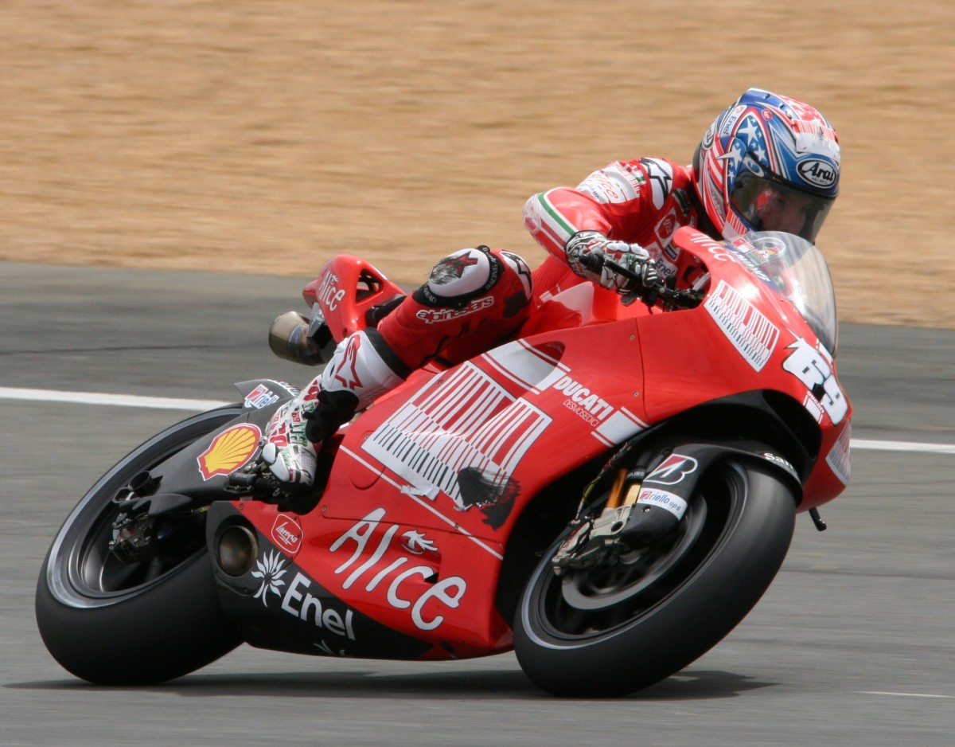
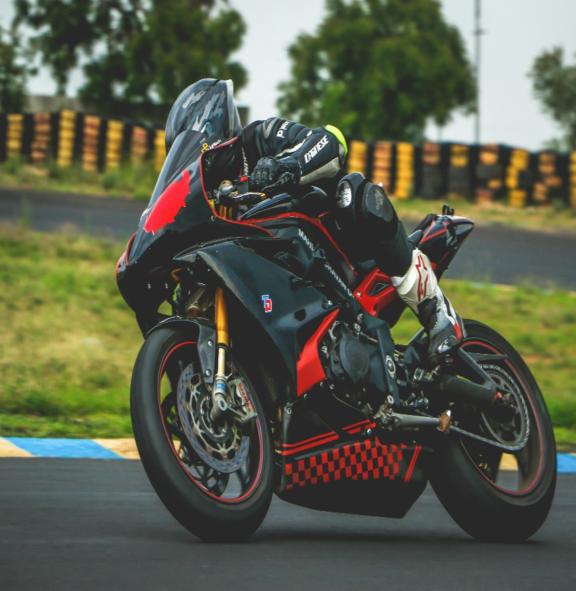

Bike Sales: A Data-Driven Journey

Strap on your helmet, because this dashboard is about to take you on a data ride!

Select Your Preferences

BIKE SALES DASHBOARD

Average Resale Price by Brand
 | Total
Bajaj | 136662.35979
Hero | 134885.0631
Honda | 131097.48219
Kawasaki | 134372.91124
KTM | 132002.70838
Royal Enfield | 132591.36409
TVS | 133496.55848
Yamaha | 135534.72091
Resale Price By Seller Type
 | Total
Dealer | 134770.06462
Individual | 132874.61523
Resale Value by Mileage Range
 | Total
20-40 km/l | 132467.94485
40-60 km/l | 132552.70112
60+ km/l | 134493.28447
Resale Price by City Tier and Seller Type
 | Dealer | Individual
Metro | 134856.60566 | 132059.6657
Tier 1 | 133666.27928 | 133504.77204
Tier 2 | 134243.28304 | 132661.80314
Tier 3 | 136211.19045 | 133257.39074

Resale Price by Brand and Fuel Type
 | Electric | Hybrid | Petrol
Bajaj | 135555.16958 | 139020.6994 | 135423.33534
Hero | 136071.28776 | 139589.42843 | 128840.19672
Honda | 133326.84162 | 129865.6881 | 130191.557
Kawasaki | 134365.93593 | 133734.65409 | 134967.9996
KTM | 129906.96076 | 137115.14607 | 128881.59738
Royal Enfield | 128859.23227 | 134092.67636 | 134420.40043
TVS | 133274.18824 | 135749.60932 | 131142.1542
Yamaha | 133669.0464 | 136806.69737 | 136035.24079
Average Resale Value by State
 | Total
Delhi | 135509.97157
Gujarat | 137316.15767
Karnataka | 134381.20753
Madhya Pradesh | 131771.13935
Maharashtra | 130839.16723
Punjab | 134903.59931
Rajasthan | 131219.32957
Tamil Nadu | 133388.84076
Uttar Pradesh | 136084.87395
West Bengal | 132904.55593
Resale Price by Fuel Type
 | Total
Electric | 133162.11798
Hybrid | 135764.85858
Petrol | 132543.51558
Resale Price by Insurance Status
 | Total
Active | 133794.96817
Expired | 135132.70499
Not Available | 132488.18624

Resale Price by Year of Manufacture
 | Total
2015 | 134240.93065
2016 | 132882.74733
2017 | 135774.07591
2018 | 135447.45713
2019 | 134743.02815
2020 | 131873.34364
2021 | 134324.94967
2022 | 132011.20981
2023 | 132547.33985
2024 | 134439.7329
Resale Price by Engine Capacity and Fuel Type
 | Electric | Hybrid | Petrol
0-150 cc | 131247.12411 | 145511.1972 | 124405.87354
150-300 cc | 135792.14621 | 133837.36273 | 131250.13893
300-500 cc | 134655.16202 | 136412.73784 | 132604.49435
500+ cc | 131982.6876 | 135019.0837 | 133718.34415
No.of Bikes By Registration Year
 | 2015 | 2016 | 2017 | 2018 | 2019 | 2020 | 2021 | 2022 | 2023 | 2024
Bajaj | 54 | 59 | 78 | 93 | 94 | 101 | 117 | 145 | 211 | 255
Hero | 53 | 64 | 65 | 59 | 97 | 105 | 112 | 169 | 216 | 299
Honda | 50 | 62 | 75 | 72 | 94 | 120 | 125 | 161 | 196 | 266
Kawasaki | 67 | 47 | 75 | 72 | 99 | 112 | 139 | 161 | 196 | 323
KTM | 47 | 60 | 70 | 93 | 116 | 111 | 123 | 153 | 192 | 307
Royal Enfield | 59 | 63 | 78 | 77 | 78 | 101 | 150 | 152 | 216 | 279
TVS | 52 | 73 | 79 | 72 | 109 | 92 | 120 | 160 | 192 | 285
Yamaha | 56 | 61 | 76 | 81 | 107 | 114 | 133 | 164 | 209 | 282

Resale Price by Mileage and Owner Type
 | First | Second | Third
20-40 km/l | 134737.10151 | 130318.00663 | 132091.44783
40-60 km/l | 132410.5054 | 133528.8546 | 131743.80373
60+ km/l | 134756.32382 | 134257.96226 | 134465.0612
Resale Price by Registration Year
 | Total
2015 | 134240.93065
2016 | 132882.74733
2017 | 135774.07591
2018 | 135447.45713
2019 | 134743.02815
2020 | 131873.34364
2021 | 134324.94967
2022 | 132011.20981
2023 | 132547.33985
2024 | 134439.7329
No.of Bikes by Engine Capacity Range
 | Bajaj | Hero | Honda | Kawasaki | KTM | Royal Enfield | TVS | Yamaha
0-150 cc | 61 | 85 | 73 | 59 | 74 | 72 | 71 | 75
150-300 cc | 217 | 193 | 203 | 233 | 207 | 191 | 202 | 195
300-500 cc | 259 | 265 | 282 | 276 | 294 | 288 | 266 | 276
500+ cc | 670 | 696 | 663 | 723 | 697 | 702 | 695 | 737

Count of Bikes by State and City Tier
 | Metro | Tier 1 | Tier 2 | Tier 3
Delhi | 236 | 261 | 240 | 240
Gujarat | 236 | 251 | 235 | 280
Karnataka | 251 | 217 | 247 | 267
Madhya Pradesh | 224 | 255 | 243 | 251
Maharashtra | 254 | 233 | 263 | 280
Punjab | 266 | 258 | 262 | 265
Rajasthan | 281 | 241 | 247 | 248
Tamil Nadu | 256 | 230 | 244 | 264
Uttar Pradesh | 236 | 264 | 245 | 258
West Bengal | 234 | 212 | 261 | 264

Average Dialy Distance by State
 | Total
Delhi | 41.336192426
Gujarat | 41.627814371
Karnataka | 42.746924644
Madhya Pradesh | 42.866032888
Maharashtra | 42.134281553
Punjab | 42.831931494
Rajasthan | 43.149882006
Tamil Nadu | 42.998189135
Uttar Pradesh | 42.92109671
West Bengal | 42.698722966

Average Mileage by Year of Manfacture
 | Total
2015 | 66.5705
2016 | 67.719625127
2017 | 67.887041965
2018 | 66.016659729
2019 | 67.805947007
2020 | 65.724427245
2021 | 66.879427083
2022 | 67.500932118
2023 | 67.644567541
2024 | 68.032778306

Average Daily Distance by Fuel Type
 | Total
Electric | 42.962275358
Hybrid | 42.230755952
Petrol | 42.416082812

No.of Bikes by Year of Manf and Fuel Type
 | 2015 | 2016 | 2017 | 2018 | 2019 | 2020 | 2021 | 2022 | 2023 | 2024
Electric | 341 | 321 | 323 | 301 | 336 | 285 | 336 | 334 | 342 | 364
Hybrid | 350 | 349 | 331 | 306 | 344 | 335 | 306 | 334 | 345 | 360
Petrol | 369 | 317 | 323 | 354 | 339 | 349 | 318 | 319 | 342 | 327
Resale Price by Owner Type and Seller Type
 | Dealer | Individual
First | 135051.01657 | 133579.39521
Second | 135755.23766 | 131382.20209
Third | 133487.89482 | 133684.25637

Average Engine Capacity by City Tier
 | Total
Metro | 563.06709782
Tier 1 | 555.8492981
Tier 2 | 538.91676719
Tier 3 | 553.06534199

No.of Bikes by Brand and Owner Type
 | First | Second | Third
Bajaj | 415 | 388 | 404
Hero | 411 | 436 | 392
Honda | 405 | 413 | 403
Kawasaki | 457 | 428 | 406
KTM | 428 | 425 | 419
Royal Enfield | 419 | 425 | 409
TVS | 414 | 413 | 407
Yamaha | 458 | 408 | 417
Average Mileage by Brand
 | Total
Bajaj | 67.206636288
Hero | 67.54834544
Honda | 66.732588043
Kawasaki | 66.89626646
KTM | 67.449779874
Royal Enfield | 66.711723863
TVS | 67.919189627
Yamaha | 67.058994544

Insurance Status Distribution
 | Total
Active | 3321
Expired | 3429
Not Available | 3250

Count of Bikes by Owner Type
 | Bajaj | Hero | Honda | Kawasaki | KTM | Royal Enfield | TVS | Yamaha
First | 415 | 411 | 405 | 457 | 428 | 419 | 414 | 458
Second | 388 | 436 | 413 | 428 | 425 | 425 | 413 | 408
Third | 404 | 392 | 403 | 406 | 419 | 409 | 407 | 417

