Sheet1
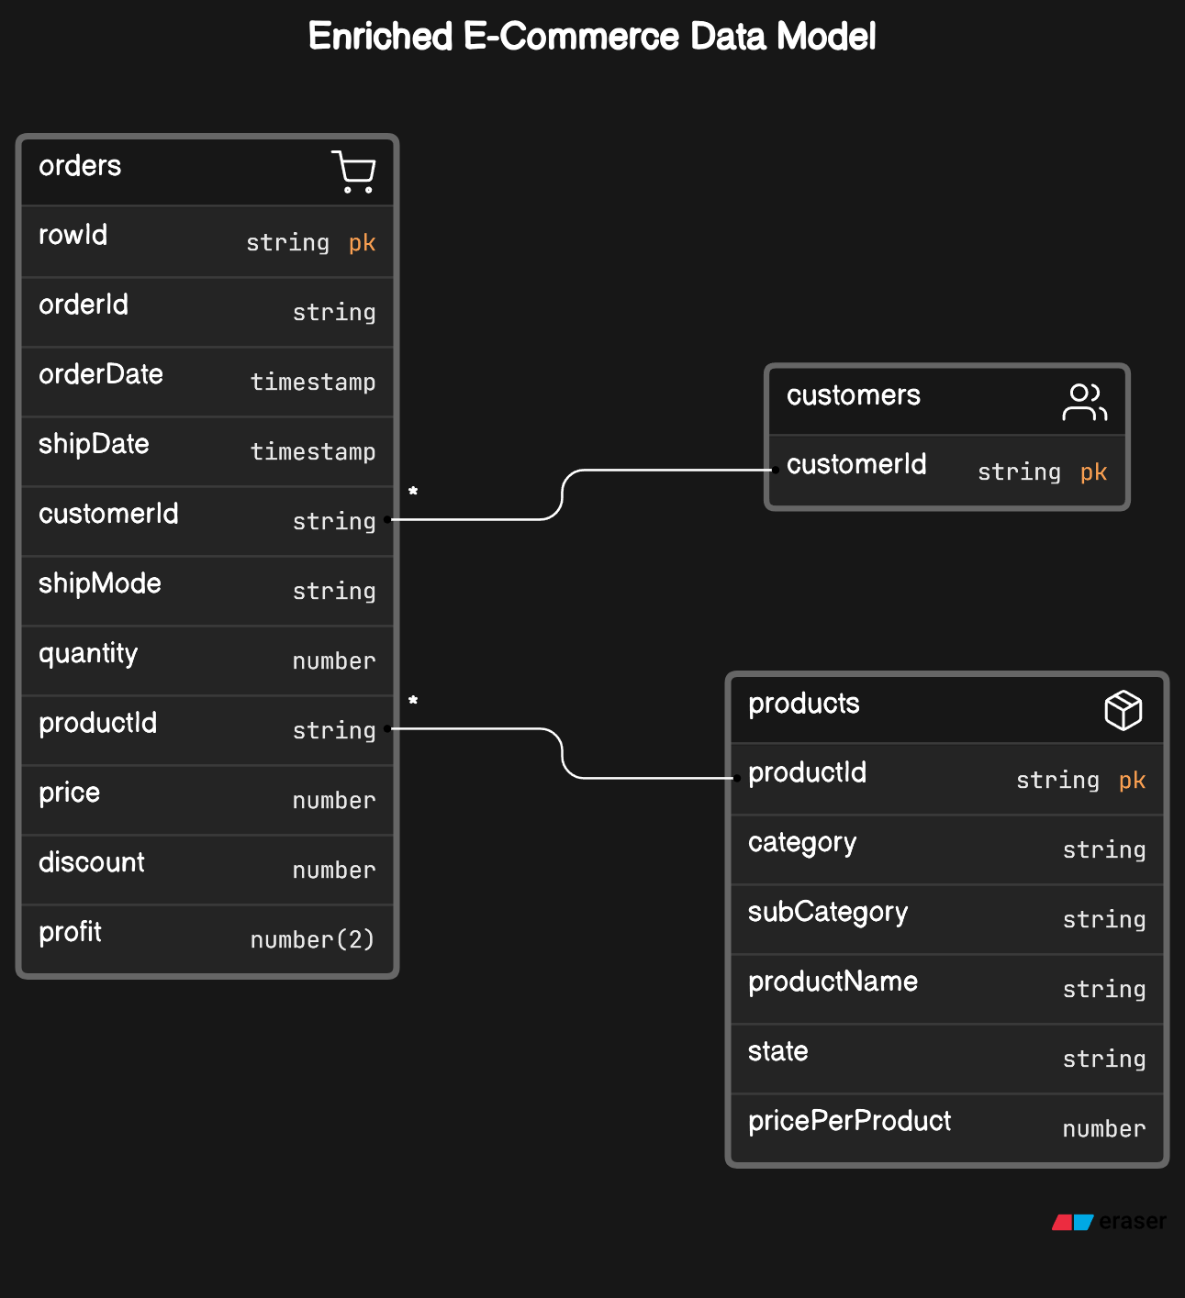
 | Product table |  |  | Orders Table |  | Customers table
PK | Product ID | Varchar |  | Row ID | PK | Customer ID |  |  |  | "Row ID": 9993,
 | Category | Varchar | PK | Order ID |  | Customer Name |  |  |  | "Order ID": "CA-2016-165918",
 | Sub-Category | Varchar |  | Order Date |  | email |  |  |  | "Order Date": "10/9/2016",
 | Product Name | Varchar |  | Ship Date |  | phone |  |  |  | "Ship Date": "14/9/2016",
 | State | Varchar |  | Ship Mode |  | address |  |  |  | "Ship Mode": "Standard Class",
 | Price per product | Float | FK | Customer ID |  | Segment |  |  |  | "Customer ID": "BD-11770",
 |  |  | FK | Product ID |  | Country |  |  |  | "Product ID": "OFF-LA-10003720",
 |  |  |  | Quantity |  | City |  |  |  | "Quantity": 2,
 |  |  |  | Price |  | State |  |  |  | "Price": 7.38,
 |  |  |  | Discount |  | Postal Code |  |  |  | "Discount": 0,
 |  |  |  | Profit |  | Region |  |  |  | "Profit": 3.4686

 | c. Product category and sub category |  |  | a. order information i. Profit rounded to 2 decimal places |  | b. Customer name and country

 | Product ID |  |  | Order ID |  | Customer ID | 100000 | 20 | $2,000,000.00
 | Category |  |  | Order Date |  | Customer Name
 | Sub-Category |  |  | Ship Date |  | Country
 |  |  |  | Ship Mode
 |  |  |  | Customer ID
 |  |  |  | Product ID
 |  |  |  | Quantity
 |  |  |  | Total Sales (Quantity * Price per product)
 |  |  |  | Total Cost (Quantity * Price per product - Discount)
 |  |  |  | Profit (rounded to 2 decimal places)

