Dashboard
 |  | NETFLIX OVERVIEW

8807 |  |  | 6131 | 2676 | 86
Total Titles |  |  | Movies | TV Shows | Countries
TV Shows VS Movies On Netflix
 | Total
Movie | 6131
TV Show | 2676
Content Rating Distribution
 | Total
TV-MA | 3207
TV-14 | 2160
TV-PG | 863
R | 799
PG-13 | 490
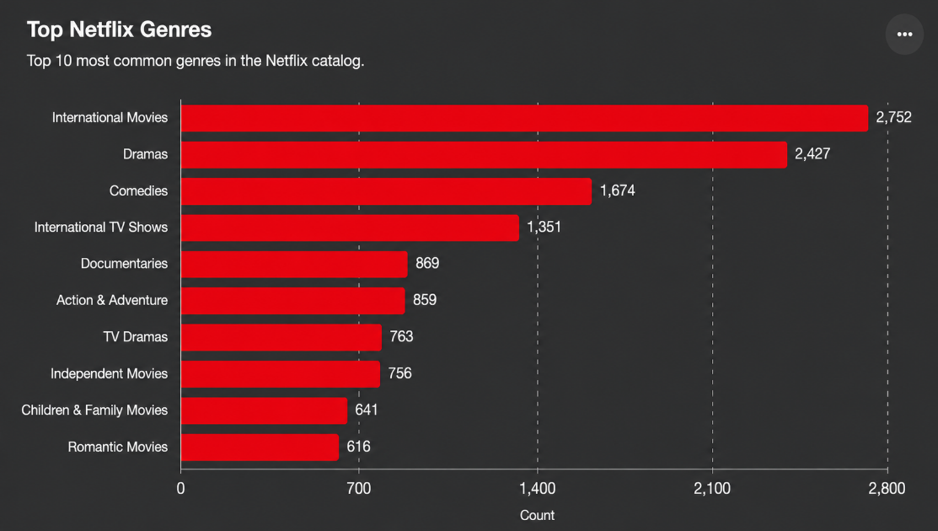

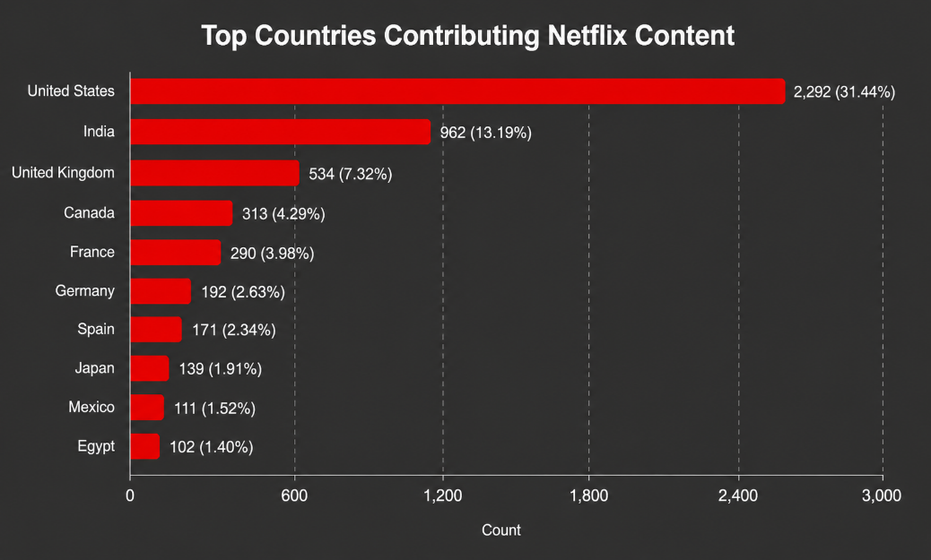
Top Directors
Rajiv Chilaka | 22
RaÃºl Campos | 18
Suhas Kadav | 16
Marcus Raboy | 16
Jay Karas | 15
Cathy Garcia-Molina | 13
Youssef Chahine | 12
Jay Chapman | 12
Martin Scorsese | 12
Steven Spielberg | 11
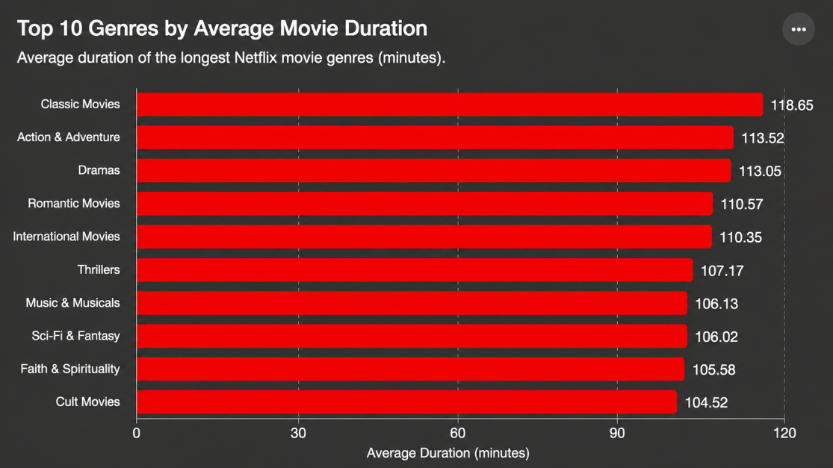

Netflix titles added to the platform by year
 | Total
2008 | 2
2009 | 2
2010 | 1
2011 | 13
2012 | 3
2013 | 11
2014 | 24
2015 | 82
2016 | 429
2017 | 1188
2018 | 1649
2019 | 2016
2020 | 1879
2021 | 1498

 | Key Insights • Movies constitute 69.6% of Netflix's catalog. • TV-MA is the dominant maturity rating (36.4%). • International Movies is Netflix's most common genre. • The United States contributes the largest share of Netflix content. • Netflix experienced rapid content expansion between 2016 and 2019.

 | Final Conclusion Netflix's library is primarily movie-focused, with strong emphasis on mature audiences and international content. The platform expanded aggressively between 2016 and 2019, relying heavily on productions from the United States while gradually broadening its global content portfolio.

