Pivoting
Row Labels | Count of show_id | Row Labels | Count of show_id | Count of country.2 | Count of country.6 | Count of country.3 | Count of country.4 | Count of country.5
Movie | 6131 | Argentina | 76 | 20 | 1 | 6 | 3 | 2
TV Show | 2676 | Australia | 117 | 30 | 2 | 6 | 3 | 2
Grand Total | 8807 | Austria | 9 | 4 |  | 1
TV Shows VS Movies On Netflix
 |  | Bangladesh | 3
 |  | Belgium | 18 | 9 |  | 3 | 1 | 1
 |  | Brazil | 84 | 7 | 1 | 3 | 2 | 1
 |  | Bulgaria | 5 | 4 |  | 1 | 1
 |  | Cambodia | 2 | 1
 |  | Cameroon | 1
 |  | Canada | 271 | 90 |  | 29 | 6 | 3
 |  | Chile | 22 | 8 |  | 3 | 2 | 1
 |  | China | 100 | 34 |  | 12 | 2
 |  | Colombia | 40 | 5 |  | 3
 |  | Croatia | 2 | 1 |  | 1 | 1
 |  | Czech Republic | 6 | 6 |  | 2 |  |  |  |  | Row Labels | Count of show_id | Row Labels | Count of show_id | Row Labels | Count of show_id
 |  | Denmark | 30 | 17 | 3 | 11 | 9 | 6 | Row Labels | Count of show_id | TV-MA | 3207 | (blank) | 2634 | (blank) | 825
 |  | Egypt | 112 | 6 |  | 2 |  |  | 2018 | 1147 | TV-14 | 2160 | Rajiv Chilaka | 22 | Shah Rukh Khan | 26
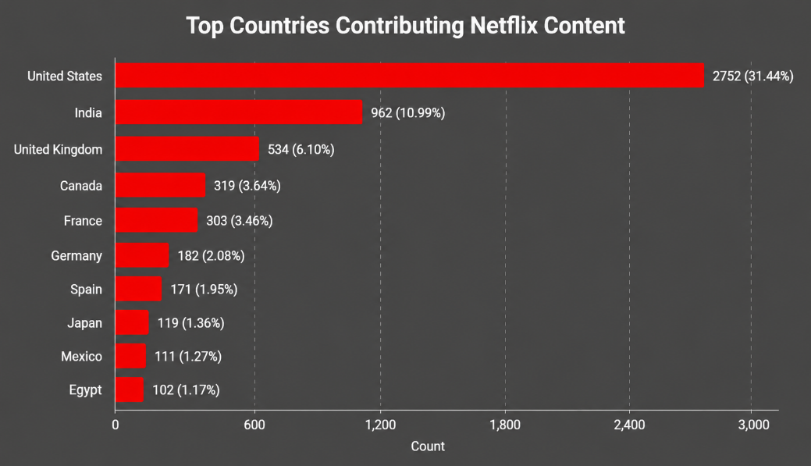
 |  | Finland | 6 | 5 |  | 2 | 1 | 1 | 2017 | 1032 | TV-PG | 863 | RaÃºl Campos | 18 | Akshay Kumar | 23
 |  | France | 212 | 88 | 1 | 37 | 15 | 5 | 2019 | 1030 | R | 799 | Suhas Kadav | 16 | David Attenborough | 20
 |  | Georgia | 2 | 1 |  | 1 |  |  | 2020 | 953 | PG-13 | 490 | Marcus Raboy | 16 | Adam Sandler | 20
 |  | Germany | 103 | 36 |  | 14 | 5 | 2 | 2016 | 902 | Grand Total | 7519 | Jay Karas | 15 | Amitabh Bachchan | 20
Ratings VS counts
 |  | Ghana | 4 | 1 |  |  |  |  | 2021 | 592 |  |  | Cathy Garcia-Molina | 13 | Vatsal Dubey | 18
 |  | Greece | 1 | 1 |  |  |  |  | 2015 | 560 |  |  | Youssef Chahine | 12 | Ajay Devgn | 16
 |  | Guatemala | 1 |  |  |  |  |  | 2014 | 352 |  |  | Jay Chapman | 12 | Nicolas Cage | 16
 |  | Hong Kong | 79 | 26 |  | 5 |  |  | 2013 | 288 |  |  | Martin Scorsese | 12 | Aamir Khan | 14
 |  | Hungary | 5 | 1 |  |  |  |  | 2012 | 237 |  |  | Steven Spielberg | 11 | Michela Luci | 14
Release Year VS Count
Top Directors
Top Actors
 |  | Iceland | 6 | 1 |  | 1 |  |  | Grand Total | 7093 |  |  | Grand Total | 2781 | Grand Total | 1012
 |  | India | 1008 | 36 | 1 | 5 | 3 | 1 |  |  |  |  | Rajiv Chilaka | 22 | Shah Rukh Khan | 26
 |  | Indonesia | 85 | 6 |  | 1 |  |  |  |  |  |  | RaÃºl Campos | 18 | Akshay Kumar | 23
 |  | Iran | 1 | 1 |  |  |  |  |  |  |  |  | Suhas Kadav | 16 | David Attenborough | 20
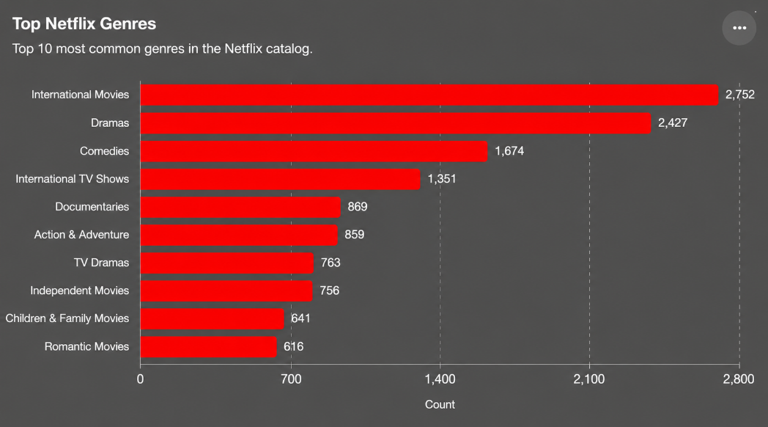
 |  | Ireland | 28 | 18 | 2 | 13 | 8 | 4 |  |  |  |  | Marcus Raboy | 16 | Adam Sandler | 20
 |  | Israel | 22 | 9 | 1 | 3 | 2 | 1 |  |  |  |  | Jay Karas | 15 | Amitabh Bachchan | 20
 |  | Italy | 67 | 22 |  | 8 | 3 | 1 |  |  |  |  | Cathy Garcia-Molina | 13 | Vatsal Dubey | 18
 |  | Jamaica | 1 | 1 |  |  |  |  |  |  |  |  | Youssef Chahine | 12 | Ajay Devgn | 16
 |  | Japan | 259 | 14 |  | 1 |  |  |  |  |  |  | Jay Chapman | 12 | Nicolas Cage | 16
 |  | Kenya | 4 | 1 |  |  |  |  |  |  |  |  | Martin Scorsese | 12 | Aamir Khan | 14
 |  | Kuwait | 7 | 1 |  |  |  |  |  |  |  |  | Steven Spielberg | 11 | Michela Luci | 14
 |  | Lebanon | 24 | 9 |  | 5 | 2 | 1
 |  | Malaysia | 23 | 1 |  | 1
 |  | Mauritius | 2 | 1
 |  | Mexico | 134 | 24 |  | 2 | 1
 |  | Mozambique | 1
 |  | Namibia | 1
 |  | Netherlands | 28 | 9 |  | 6 | 5
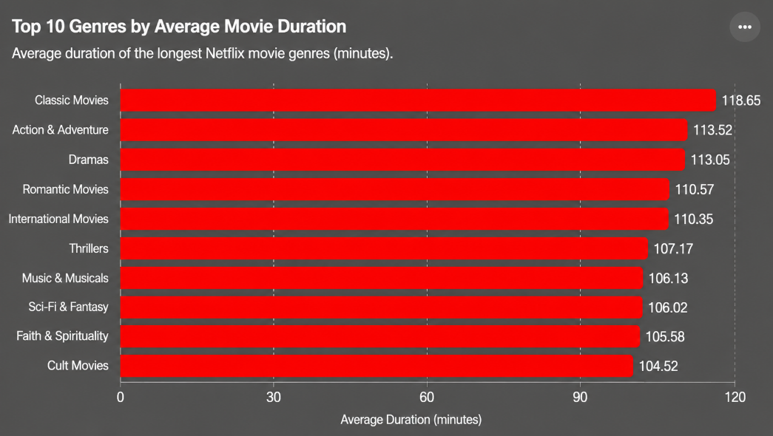
 |  | New Zealand | 17 | 5 |  | 2 | 1
 |  | Nigeria | 96 | 1 |  |  |  |  | Row Labels | Count of show_id
 |  | Norway | 21 | 10 |  | 6 | 2 |  | 2008 | 2
 |  | Pakistan | 22 | 4 |  | 1 |  |  | 2009 | 2
 |  | Paraguay | 1 | 1 |  |  |  |  | 2010 | 1
 |  | Peru | 6 | 2 |  | 2 |  |  | 2011 | 13
 |  | Philippines | 80 | 5 |  | 2 | 1 |  | 2012 | 3
 |  | Poland | 30 | 6 |  |  |  |  | 2013 | 11
 |  | Portugal | 4 | 4 |  | 1 | 1 |  | 2014 | 24
 |  | Romania | 10 | 4 |  | 2 | 1 |  | 2015 | 82
 |  | Russia | 19 | 4 |  | 2 |  |  | 2016 | 429
 |  | Saudi Arabia | 11 | 3 | 1 | 2 | 2 | 2 | 2017 | 1188
 |  | Serbia | 3 | 3 |  | 1 |  |  | 2018 | 1649
 |  | Singapore | 28 | 5 |  | 1 |  |  | 2019 | 2016
 |  | Slovenia | 1 | 1 |  | 1 | 1 | 1 | 2020 | 1879
 |  | Somalia | 1 | 1 |  | 1 | 1 | 1 | 2021 | 1498
Content Growth Over Time
 |  | South Africa | 41 | 11 |  | 5 | 2 |  | Grand Total | 8797
 |  | South Korea | 211 | 12 |  | 2 | 1
 |  | Soviet Union | 1 | 1
 |  | Spain | 181 | 36 |  | 13 | 3
 |  | Sweden | 19 | 6 |  | 2 | 1 | 1
 |  | Switzerland | 8 | 6 |  | 4 | 2 | 1
 |  | Syria | 1 | 1 |  | 1 | 1
 |  | Taiwan | 85 | 4 |  | 2 | 2
 |  | Thailand | 65 | 4 |  | 2
 |  | Turkey | 111 | 6 |  | 1 | 1
 |  | United Arab Emirates | 21 | 7 |  | 3 | 1
 |  | United Kingdom | 628 | 209 | 7 | 90 | 39 | 15
 |  | United States | 3211 | 393 | 3 | 105 | 35 | 7
 |  | Uruguay | 9 | 6 |  | 3 | 1
 |  | Venezuela | 2 | 1
 |  | Vietnam | 7
 |  | West Germany | 1
 |  | Zimbabwe | 1
 |  | Grand Total | 7965 | 1317 | 23 | 445 | 174 | 60

