Introduction
This document contains mappings of the CIS Critical Security Controls (CIS Controls) and CIS Safeguards to NIST Special Publication 800-53 Revision 5
Last updated January 2023

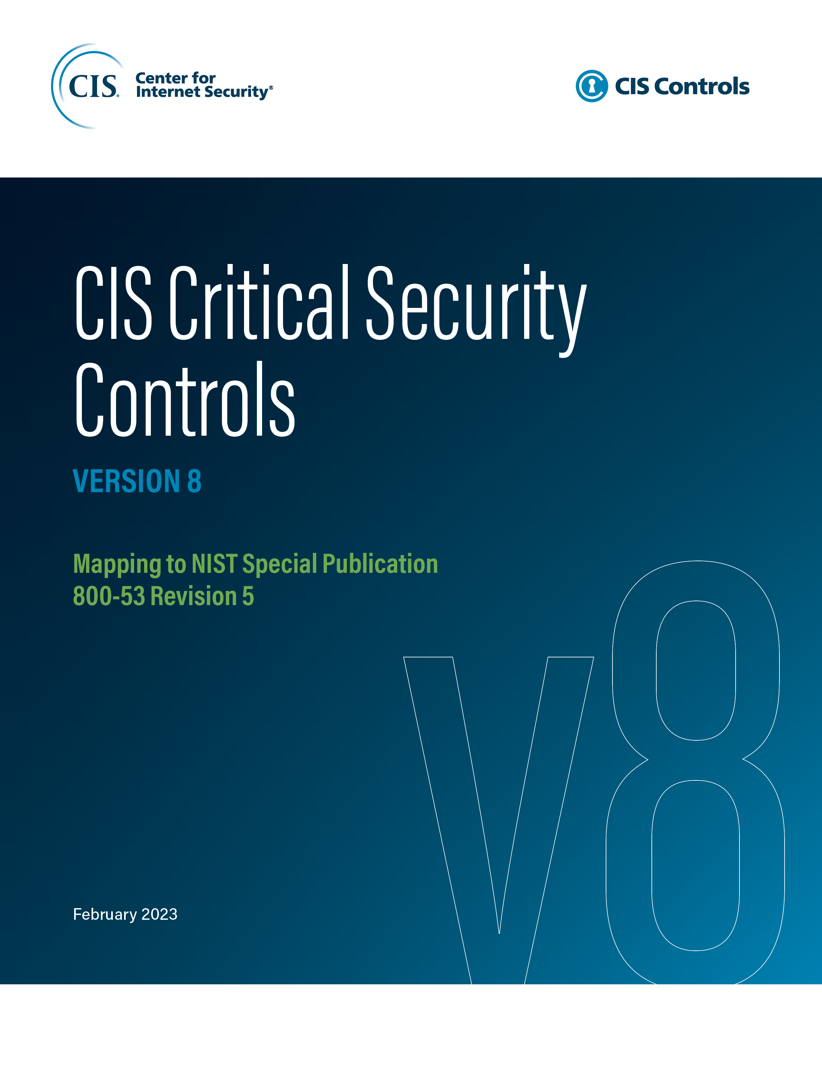

Contact Information
CIS
31 Tech Valley Drive
East Greenbush, NY 12061
518.266.3460
controlsinfo@cisecurity.org

Editors
Thomas Sager

Contributors
Will Spier

