Pumpkin1
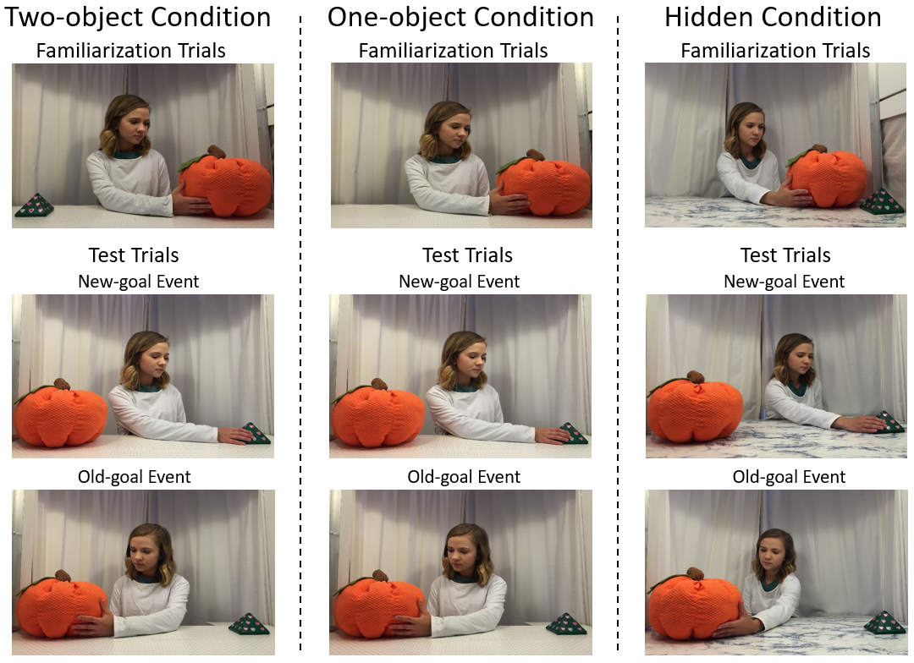
Condition | Order of the test event | object the agent grasped during Fams; it was on the agent's left (see figure) | Gender (M=male, F=Female) | Age | F1 | F2 | F3 | F4 | F5 | F6 | New-goal | Old-goal | New-goal | Old-goal
Two-object | New-goal first | Pyramid | M | 4,9 | 30.0 | 30.0 | 7.2 | 7.6 | 10.6 | 13.3 | 14.8 | 9.5 | 23.3 | 10.2
Two-object | New-goal first | Pumpkin | M | 2,29 | 30.0 | 30.0 | 15.1 | 30.0 | 21.5 | 30.0 | 60.0 | 42.8 | 60.0 | 35.4
Two-object | New-goal first | Pumpkin | M | 2,21 | 30.0 | 29.9 | 30.0 | 30.0 | 30.0 | 30.0 | 29.8 | 6.6
Two-object | New-goal first | Pyramid | F | 3,20 | 18.6 | 30 | 30 | 6.5 | 6 | 3.4 | 5.9 | 5.1 | 5.2 | 14.3
Two-object | New-goal first | Pyramid | F | 3,8 | 30 | 6.2 | 30 | 30 | 30 | 30 | 60 | 60 | 14.9 | 24.1
Two-object | New-goal first | Pyramid | F | 2,25 | 30 | 13.3 | 15.2 | 3.1 | 12.3 | 5.3 | 30.8 | 7.6 | 13.8 | 7
Two-object | New-goal first | Pumpkin | F | 3,18 | 30 | 30 | 30 | 30 | 30 | 30 | 60 | 60 | 60 | 58.5
Two-object | New-goal first | Pumpkin | F | 3,21 | 30 | 3 | 2.8 | 3.4 | 17.9 | 6.9 | 8 | 5 | 7.9 | 5.1
Two-object | Old-goal first | Pyramid | M | 2,29 | 30 | 4.2 | 19.8 | 30 | 30 | 19.6 | 30 | 29.1 | 6.8 | 18.2
Two-object | Old-goal first | Pyramid | M | 3,6 | 13.2 | 30 | 30 | 30 | 30 | 30 | 60 | 60 | 41.3 | 60
Two-object | Old-goal first | Pyramid | M | 3,22 | 28.7 | 15.9 | 16.7 | 30 | 30 | 14.3 | 60 | 29.2 | 60 | 60
Two-object | Old-goal first | Pumpkin | M | 3,23 | 30 | 30 | 30 | 30 | 24.6 | 30 | 60 | 28.6
Two-object | Old-goal first | Pumpkin | M | 3,18 | 30 | 17.6 | 30 | 22.7 | 11.2 | 30 | 12.8 | 34.7 | 7.7 | 5.7
Two-object | Old-goal first | Pyramid | F | 3,18 | 10.1 | 14.6 | 2.3 | 2.7 | 2.9 | 4.8 | 5.7 | 5.3 | 9.9 | 5.6
Two-object | Old-goal first | Pumpkin | F | 3,12 | 5.1 | 3.5 | 2.5 | 5.3 | 2.7 | 2.8 | 7.7 | 6.6 | 5.5 | 7.5
Two-object | Old-goal first | Pumpkin | F | 2,17 | 30 | 30 | 28.8 | 30 | 16.1 | 30 | 60 | 60 | 60 | 30.6
One-object | New-goal first | Pyramid | M | 3,28 | 10.6 | 30.0 | 30.0 | 16.2 | 30.0 | 14.6 | 25.4 | 60.0 | 28.4 | 11.0
One-object | New-goal first | Pyramid | M | 2,23 | 3 | 2.5 | 3.6 | 12.9 | 2.7 | 2.5 | 9.5 | 29.7 | 20.9 | 9.1
One-object | New-goal first | Pyramid | M | 3,5 | 20.7 | 5.9 | 26.6 | 30 | 30 | 3.7 | 60 | 15 | 16.1 | 8.1
One-object | New-goal first | Pyramid | M | 3,26 | 20.3 | 30 | 30 | 10.4 | 6.8 | 10.2 | 9.7 | 20.3 | 44.8 | 23
One-object | New-goal first | Pumpkin | F | 2,15 | 26.7 | 4.6 | 2.6 | 2 | 5.6 | 13.5 | 5.4 | 6 | 9.9 | 6.4
One-object | New-goal first | Pumpkin | F | 3,20 | 30 | 30 | 30 | 30 | 30 | 3.4 | 6.9 | 12 | 7.6 | 5.4
One-object | New-goal first | Pumpkin | F | 2,29 | 30 | 14.4 | 3.6 | 4.2 | 5.3 | 3.7 | 5.7 | 18.6 | 11.1 | 6.1
One-object | New-goal first | Pyramid | F | 4,6 | 2.6 | 5.4 | 6.2 | 3.5 | 14.8 | 13.1 | 10.8 | 7 | 5.1 | 6.2
One-object | Old-goal first | Pumpkin | M | 2,24 | 10.4 | 5.9 | 30 | 30 | 30 | 30 | 20.1 | 60 | 36.3 | 5.3
One-object | Old-goal first | Pumpkin | M | 3,27 | 30 | 30 | 10.6 | 30 | 19 | 30 | 55.9 | 60 | 12.4 | 14.5
One-object | Old-goal first | Pyramid | M | 4,2 | 30 | 15.4 | 18.8 | 2.8 | 2.5 | 4.5 | 23.2 | 43.1 | 7.5 | 11.1
One-object | Old-goal first | Pyramid | M | 3,1 | 16.5 | 19.1 | 30 | 18.4 | 30 | 4.3 | 10.7 | 19.7 | 13 | 5
One-object | Old-goal first | Pumpkin | F | 3,20 | 14.8 | 14.2 | 5.2 | 5.1 | 4.3 | 6.4 | 13.6 | 8.2 | 16 | 5.6
One-object | Old-goal first | Pumpkin | F | 3,1 | 11.9 | 10.6 | 9.7 | 30 | 8.3 | 2 | 10.7 | 60 | 5.2 | 6.3
One-object | Old-goal first | Pyramid | F | 2,15 | 30 | 30 | 28.4 | 30 | 6.3 | 2.2 | 12.5 | 17.3
One-object | Old-goal first | Pyramid | F | 3,1 | 6.6 | 3.1 | 30 | 7.2 | 30 | 10.3 | 21.6 | 14.2 | 60 | 10.7
Hidden | New-goal first | Pumpkin | M | 2,25 | 30 | 10.8 | 7.3 | 14.1 | 15.8 | 30 | 14 | 60 | 10.2 | 9.9
Hidden | New-goal first | Pumpkin | M | 3,1 | 16.4 | 23.3 | 30 | 30 | 30 | 30 | 60 | 56 | 15.4 | 11.5
Hidden | New-goal first | Pumpkin | M | 2,19 | 30 | 19.8 | 21.8 | 19.3 | 21.3 | 18.7 | 51.5 | 60 | 9.2 | 60
Hidden | New-goal first | Pumpkin | F | 2,15 | 11.8 | 2.1 | 2.6 | 30 | 30 | 30 | 60 | 60 | 60 | 56.2
Hidden | New-goal first | Pumpkin | F | 3,28 | 15.1 | 8.9 | 4.2 | 8.9 | 3 | 3.8 | 11.2 | 5.3 | 6.8 | 8.5
Hidden | New-goal first | Pumpkin | F | 2,24 | 30 | 30 | 30 | 30 | 30 | 2.8 | 42.7 | 16.4 | 10.1 | 7.6
Hidden | New-goal first | Pumpkin | F | 3,22 | 30 | 30 | 30 | 30 | 3.7 | 22.4 | 10.9 | 10.9
Hidden | New-goal first | Pumpkin | F | 3,26 | 10.3 | 20.3 | 5.4 | 11.7 | 12.1 | 11.6 | 24.5 | 7.9 | 16.3 | 14.1
Hidden | Old-goal first | Pumpkin | M | 2,26 | 30 | 30 | 8.1 | 2.6 | 22.7 | 8.6 | 9.7 | 8.3 | 10.8 | 8.3
Hidden | Old-goal first | Pumpkin | M | 2,15 | 9.6 | 2.3 | 3.1 | 2.4 | 30 | 30 | 21.6 | 6.6
Hidden | Old-goal first | Pumpkin | M | 4,0 | 24.7 | 20.4 | 4.4 | 2.8 | 2.6 | 6.5 | 16.6 | 14.1 | 18.7 | 16.9
Hidden | Old-goal first | Pumpkin | M | 3,4 | 18.1 | 30 | 30 | 30 | 30 | 9.7 | 60 | 60 | 19.5 | 24
Hidden | Old-goal first | Pumpkin | F | 3,19 | 30 | 30 | 6.5 | 13.9 | 8.8 | 22.4 | 17.1 | 60 | 8.3 | 5.8
Hidden | Old-goal first | Pumpkin | F | 3,4 | 30 | 30 | 30 | 30 | 4.1 | 3 | 24.1 | 7.7 | 5.2 | 60
Hidden | Old-goal first | Pumpkin | F | 3,29 | 30 | 30 | 26.4 | 30 | 30 | 24 | 43.4 | 21.9 | 20.4 | 41.5
Hidden | Old-goal first | Pumpkin | F | 3,19 | 30 | 30 | 26.6 | 27.1 | 2.8 | 30 | 8.7 | 20.9 | 6.4 | 5

Pumpkin2
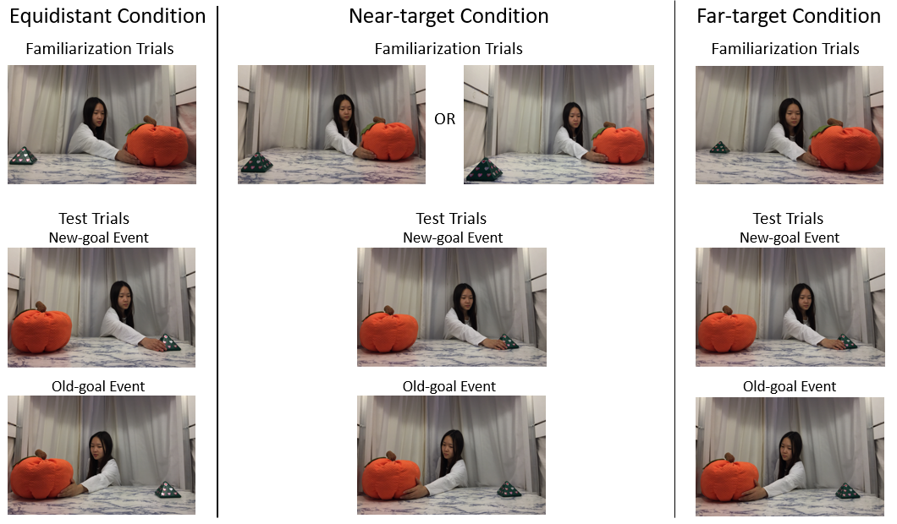
Condition | Order of the test event | object the agent grapsed during Fams; in equidistant condition, it was on the agent's left for 15/24 infants. It was always on the agent's left in the other two conditions. | Gender (M=male, F=Female) | Age | F1 | F2 | F3 | F4 | F5 | F6 | New-goal | old-goal | new-goal | old-goal
Equidistant | New-goal first | Pyramid | M | 4,5 | 7.7 | 2.8 | 9.1 | 2.2 | 4.5 | 17.1 | 7.7 | 23.9 | 10.8 | 5.3
Equidistant | New-goal first | Pyramid | M | 4,5 | 30.0 | 24.2 | 18.4 | 6.7 | 2.5 | 3.2 | 23.0 | 12.9
Equidistant | New-goal first | Pyramid | M | 3,14 | 25.5 | 7.1 | 12.7 | 5.6 | 4.5 | 6.2 | 12.3 | 6.9
Equidistant | New-goal first | Pumpkin | M | 2,25 | 30.0 | 30.0 | 30.0 | 30.0 | 30.0 | 30.0 | 60.0 | 60.0 | 55.0 | 13.8
Equidistant | New-goal first | Pumpkin | M | 3,28 | 30.0 | 25.0 | 18.2 | 20.4 | 6.7 | 12.1 | 5.4 | 8.8 | 9.5 | 5.8
Equidistant | New-goal first | Pumpkin | M | 3,24 | 30.0 | 9.5 | 6.6 | 11.8 | 15.0 | 18.3 | 7.8 | 36.6 | 60.0 | 11.6
Equidistant | New-goal first | Pyramid | F | 4,9 | 30 | 13.5 | 7.9 | 30 | 9.1 | 24.9 | 12.1 | 29.1 | 12.7 | 12.7
Equidistant | New-goal first | Pyramid | F | 4,16 | 29.4 | 3.5 | 15 | 16.5 | 10.7 | 4.1 | 31.3 | 38.1 | 33.7 | 13.2
Equidistant | New-goal first | Pyramid | F | 3,24 | 8.8 | 19.4 | 24.2 | 6.3 | 14.1 | 4.9 | 5.7 | 13.3 | 7.4 | 13.8
Equidistant | New-goal first | Pumpkin | F | 3,0 | 4.2 | 30 | 25.2 | 30 | 30 | 19.8 | 60 | 60 | 30.4 | 31.1
Equidistant | New-goal first | Pumpkin | F | 2,28 | 30 | 30 | 30 | 30 | 30 | 30 | 60 | 22.4 | 60 | 60
Equidistant | New-goal first | Pumpkin | F | 3,8 | 3 | 22 | 30 | 30 | 30 | 30 | 60 | 52.9 | 60 | 29.5
Equidistant | Old-goal first | Pyramid | M | 3,4 | 30 | 30 | 27 | 30 | 30 | 30 | 60 | 41.4 | 60 | 60
Equidistant | Old-goal first | Pyramid | M | 2,16 | 30 | 11.3 | 30 | 4.5 | 30 | 30 | 60 | 60 | 35.8 | 9.2
Equidistant | Old-goal first | Pyramid | M | 3,26 | 30 | 30 | 30 | 30 | 30 | 30 | 60 | 60 | 10.5 | 22.1
Equidistant | Old-goal first | Pumpkin | M | 2,23 | 30 | 19.8 | 10.9 | 30 | 27.1 | 30 | 12 | 10.6 | 12.2 | 7
Equidistant | Old-goal first | Pumpkin | M | 4,4 | 14.3 | 12.2 | 10.7 | 4.1 | 15.1 | 3.3 | 5.5 | 11.4 | 7.2 | 12.6
Equidistant | Old-goal first | Pumpkin | M | 3,27 | 30 | 30 | 30 | 30 | 30 | 30 | 60 | 60 | 26.9 | 50.2
Equidistant | Old-goal first | Pumpkin | M | 4,3 | 30 | 30 | 30 | 30 | 30 | 6.5 | 11 | 12.7 | 10.3 | 25.8
Equidistant | Old-goal first | Pyramid | F | 3,21 | 19.7 | 6.1 | 12.2 | 30 | 18.7 | 19 | 60 | 10.1 | 18.2 | 16.6
Equidistant | Old-goal first | Pyramid | F | 3,7 | 10.5 | 30 | 9.5 | 10.8 | 29.4 | 10.2 | 60 | 47.7 | 8 | 22.7
Equidistant | Old-goal first | Pumpkin | F | 3,15 | 30 | 22.1 | 8.3 | 6.5 | 3.2 | 10.2 | 12.9 | 28
Equidistant | Old-goal first | Pumpkin | F | 3,3 | 29.9 | 30 | 30 | 30 | 20.7 | 30 | 60 | 11 | 33.6 | 5.2
Equidistant | Old-goal first | Pumpkin | F | 3,18 | 30 | 3 | 9.8 | 21.7 | 9.8 | 21.1 | 40 | 7.5 | 36 | 60
Near-target | New-goal first | Pumpkin | M | 3,6 | 15.5 | 7.9 | 30 | 30 | 30 | 30 | 60 | 35.6 | 60 | 42.8
Near-target | New-goal first | Pumpkin | M | 3,15 | 30 | 30 | 30 | 16.5 | 30 | 5.5 | 14 | 21.7 | 34.1 | 60
Near-target | New-goal first | Pumpkin | M | 3,2 | 30 | 30 | 30 | 30 | 30 | 6.5 | 5.6 | 60 | 60 | 43.1
Near-target | New-goal first | Pumpkin | M | 2,15 | 30 | 30 | 30 | 30 | 17 | 30 | 7 | 57 | 26.9 | 41.4
Near-target | New-goal first | Pumpkin | M | 2,15 | 30 | 30 | 30 | 30 | 30 | 30 | 60 | 30.3 | 60 | 60
Near-target | New-goal first | Pumpkin | M | 3,21 | 6.9 | 2 | 2.5 | 7.6 | 6.2 | 6.6 | 15 | 9 | 8.1 | 11
Near-target | New-goal first | Pumpkin | F | 2,20 | 6.7 | 2 | 14.9 | 27.6 | 11.2 | 13.6 | 60 | 60 | 59.4 | 5
Near-target | New-goal first | Pumpkin | F | 2,14 | 30 | 30 | 30 | 30 | 30 | 13.3 | 60 | 60 | 11.3 | 21.5
Near-target | New-goal first | Pumpkin | F | 3,8 | 30 | 30 | 30 | 30 | 30 | 30 | 51.2 | 60
Near-target | New-goal first | Pumpkin | F | 4,1 | 30 | 5.2 | 23.9 | 6.2 | 11.5 | 9.3 | 30.3 | 10 | 16.1 | 18.3
Near-target | New-goal first | Pumpkin | F | 2,17 | 29.9 | 30 | 14.4 | 10.7 | 14.6 | 30 | 44.4 | 60 | 47.2 | 60
Near-target | New-goal first | Pumpkin | F | 3,9 | 30 | 29.8 | 3.8 | 13.8 | 5.3 | 30 | 11.4 | 13.8 | 43.5 | 16.8
Near-target | Old-goal first | Pumpkin | M | 3,10 | 4.5 | 12.9 | 2.4 | 2 | 6.2 | 2.4 | 25.2 | 9.9 | 5.2 | 6.5
Near-target | Old-goal first | Pumpkin | M | 3,13 | 30 | 30 | 18.6 | 6.2 | 2 | 13.6 | 8.9 | 11.5 | 17.6 | 6.5
Near-target | Old-goal first | Pumpkin | M | 3,16 | 24.6 | 22.6 | 30 | 17.3 | 30 | 26.1 | 21.7 | 11.7 | 24.9 | 30.5
Near-target | Old-goal first | Pumpkin | M | 3,14 | 15.3 | 13.3 | 30 | 30 | 16.8 | 24 | 5.7 | 8.8 | 7.5 | 7.6
Near-target | Old-goal first | Pumpkin | M | 2,18 | 30 | 30 | 30 | 30 | 30 | 30 | 31.7 | 60 | 52.6 | 60
Near-target | Old-goal first | Pumpkin | M | 4,3 | 6.4 | 30 | 9.9 | 6.8 | 4.9 | 7.7 | 5.5 | 13.8 | 9.4 | 41.3
Near-target | Old-goal first | Pumpkin | F | 2,26 | 12.4 | 30 | 30 | 26.6 | 30 | 20.8 | 5.4 | 6.6 | 14.2 | 60
Near-target | Old-goal first | Pumpkin | F | 2,22 | 30 | 30 | 30 | 30 | 30 | 19.7 | 6 | 16.7 | 41.4 | 11.6
Near-target | Old-goal first | Pumpkin | F | 3,19 | 25.6 | 4.3 | 6 | 13.6 | 12.1 | 4.7 | 6.6 | 11.9 | 11.3 | 12.8
Near-target | Old-goal first | Pumpkin | F | 3,7 | 30 | 30 | 30 | 30 | 30 | 30 | 6.4 | 5.1 | 60 | 11.5
Near-target | Old-goal first | Pumpkin | F | 2,17 | 17.7 | 9.4 | 21.8 | 12.6 | 30 | 5.7 | 33.7 | 48.1 | 40.7 | 16.1
Near-target | Old-goal first | Pumpkin | F | 4,6 | 30 | 30 | 30 | 30 | 29 | 18.6 | 8.1 | 58.4 | 8.9 | 9.5
Far-target | New-goal first | Pumpkin | M | 4,1 | 14.2 | 23.7 | 12.1 | 14.5 | 6.2 | 20.5 | 19.0 | 9.3 | 5.7 | 14.3
Far-target | New-goal first | Pumpkin | M | 2,24 | 30 | 30 | 9.1 | 8.3 | 30 | 2.2 | 24.1 | 60 | 60 | 60
Far-target | New-goal first | Pumpkin | M | 3,2 | 30 | 4.7 | 10 | 30 | 30 | 12.1 | 15.2 | 60 | 37.2 | 20
Far-target | New-goal first | Pumpkin | M | 2,25 | 30 | 30 | 30 | 30 | 30 | 30 | 60 | 60 | 60 | 48.8
Far-target | New-goal first | Pumpkin | M | 3,13 | 9.6 | 30 | 23.1 | 4.7 | 18.2 | 25.8 | 32.6 | 6.1 | 37.3 | 43.1
Far-target | New-goal first | Pumpkin | M | 3,25 | 6.6 | 30 | 30 | 30 | 17.3 | 15.8 | 11.8 | 12.1 | 11.6 | 8.9
Far-target | New-goal first | Pumpkin | M | 2,12 | 30 | 30 | 30 | 30 | 30 | 30 | 60 | 35.5 | 38.3 | 47.8
Far-target | New-goal first | Pumpkin | F | 3,23 | 4.7 | 4.7 | 3 | 5.9 | 3.7 | 25.8 | 23.1 | 10 | 5.2 | 6.9
Far-target | New-goal first | Pumpkin | F | 3,1 | 29.7 | 30 | 5.6 | 30 | 30 | 30 | 50.8 | 27.1 | 7.8 | 56.3
Far-target | New-goal first | Pumpkin | F | 4,9 | 30 | 23.3 | 14.1 | 30 | 22.5 | 9 | 7.3 | 12.1 | 8.1 | 6.6
Far-target | New-goal first | Pumpkin | F | 2,15 | 30 | 30 | 30 | 30 | 30 | 30 | 20.7 | 60 | 60 | 60
Far-target | New-goal first | Pumpkin | F | 4,5 | 30 | 30 | 25 | 3 | 5.1 | 3 | 27.5 | 28.6 | 19.1 | 9.6
Far-target | Old-goal first | Pumpkin | M | 2,24 | 24 | 30 | 23.9 | 13.6 | 30 | 30 | 28.5 | 14.9 | 12.4 | 41.9
Far-target | Old-goal first | Pumpkin | M | 2,18 | 3.4 | 15.2 | 21.7 | 17.3 | 4.8 | 5.4 | 37.6 | 5.9
Far-target | Old-goal first | Pumpkin | M | 3,5 | 30 | 30 | 24.8 | 11.7 | 6.3 | 22.3 | 6.6 | 10.7 | 8.7 | 20.5
Far-target | Old-goal first | Pumpkin | M | 3,17 | 30 | 30 | 30 | 30 | 30 | 30 | 60 | 32.3 | 60 | 60
Far-target | Old-goal first | Pumpkin | M | 3,16 | 30 | 30 | 7.1 | 6.9 | 8.2 | 3.8 | 38.4 | 14.5 | 14.1 | 60
Far-target | Old-goal first | Pumpkin | M | 2,20 | 30 | 30 | 30 | 24.4 | 30 | 22.1 | 10.6 | 23.4
Far-target | Old-goal first | Pumpkin | M | 3,14 | 7.4 | 4 | 4.4 | 10.5 | 14.3 | 30 | 60 | 56
Far-target | Old-goal first | Pumpkin | F | 2,21 | 30 | 7.5 | 23.9 | 30 | 24 | 30 | 10.8 | 20.6 | 22.1 | 11.1
Far-target | Old-goal first | Pumpkin | F | 3,2 | 24.7 | 17.7 | 8.2 | 29.7 | 6.9 | 9.4 | 12.3 | 9 | 28.4 | 18.8
Far-target | Old-goal first | Pumpkin | F | 3,17 | 2.4 | 30 | 4.9 | 16.1 | 9.9 | 9 | 5.7 | 5 | 6.8 | 8.3
Far-target | Old-goal first | Pumpkin | F | 3,10 | 3 | 10.1 | 6.2 | 4.6 | 2.3 | 3.1 | 25.7 | 11.5 | 15.2 | 12
Far-target | Old-goal first | Pumpkin | F | 3,6 | 14.8 | 14.1 | 30 | 30 | 20.1 | 30 | 7.7 | 60 | 6.2 | 34.2

