coordinates
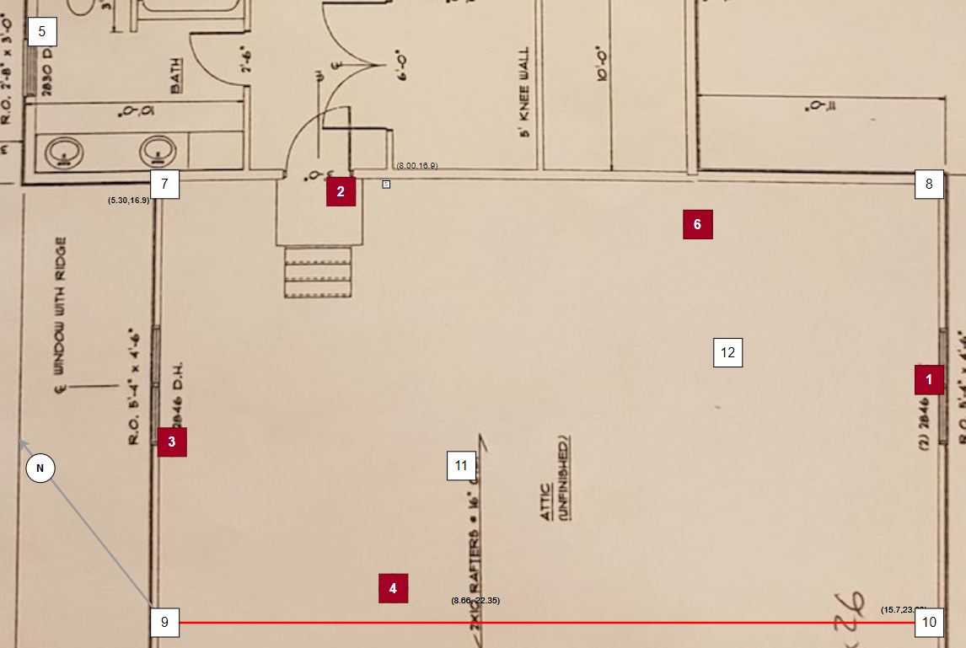
ID | marker | X | Y
1* | 0 | 1597 | 1958
2* | 2 | 766 | 1690
3* | 4 | 530 | 2040
4* | 6 | 839 | 2244
5 | 8 | 349 | 1467
6* | 10 | 1269 | 1744
7 | 12 | 530 | 1690
8 | 14 | 1597 | 1690
9 | 16 | 530 | 2302
10 | 18 | 1597 | 2302
11 | 20 | 944 | 2083
12 | 22 | 1315 | 1925
* also anchor position

