Sheet1
 | Drone |  |  | Plane
 | Lidar | Ortho front | Ortho side | Lidar | Ortho front | Ortho side
% overlap | 50-55 | 75-80 | 75-80 | 50-55 | 80-85 | 60-70

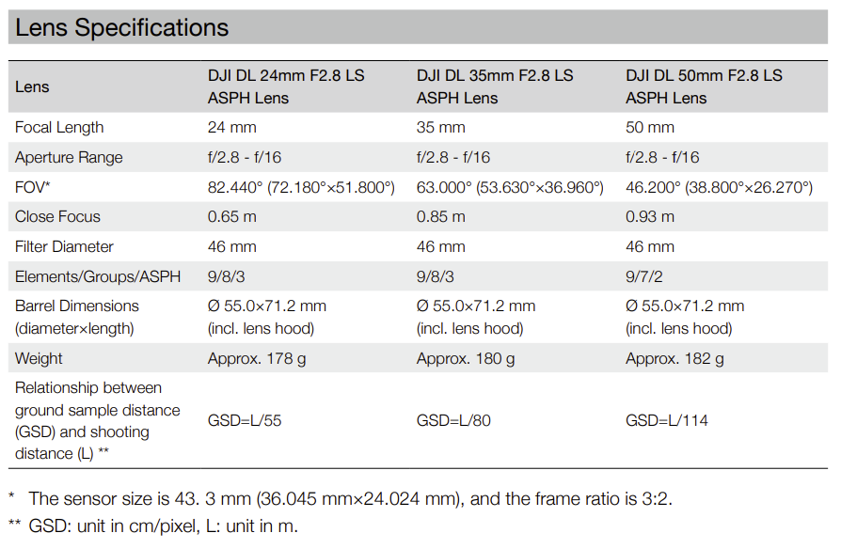

 | HFOV with 24 mm lens is calculated and measured to be closer to 75 degreees, somwhere between 82 and the 72

