Raw Data
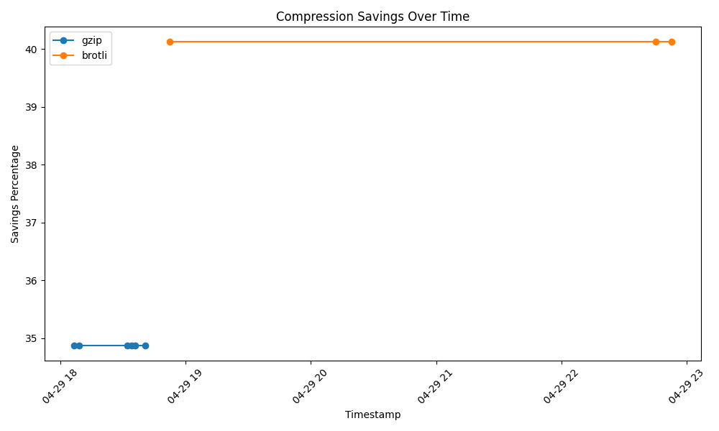
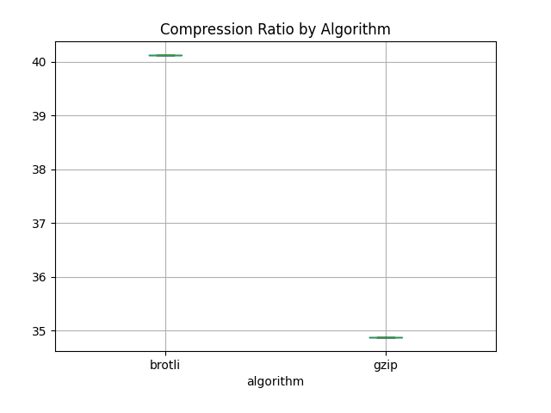
timestamp | filename | algorithm | original_size | compressed_size | compression_ratio | savings_percentage
2025-04-29 | tocheckAWS.txt | gzip | 324 | 211 | 34.88 | 34.87654321
2025-04-29 | tocheckAWS.txt | gzip | 324 | 211 | 34.88 | 34.87654321
2025-04-29 | tocheckAWS.txt | gzip | 324 | 211 | 34.88 | 34.87654321
2025-04-29 | tocheckAWS.txt | gzip | 324 | 211 | 34.88 | 34.87654321
2025-04-29 | tocheckAWS.txt | gzip | 324 | 211 | 34.88 | 34.87654321
2025-04-29 | tocheckAWS.txt | gzip | 324 | 211 | 34.88 | 34.87654321
2025-04-29 | tocheckAWS.txt | brotli | 324 | 194 | 40.12 | 40.12345679
2025-04-29 | tocheckAWS.txt | brotli | 324 | 194 | 40.12 | 40.12345679
2025-04-29 | tocheckAWS.txt | brotli | 324 | 194 | 40.12 | 40.12345679

