Sheet1
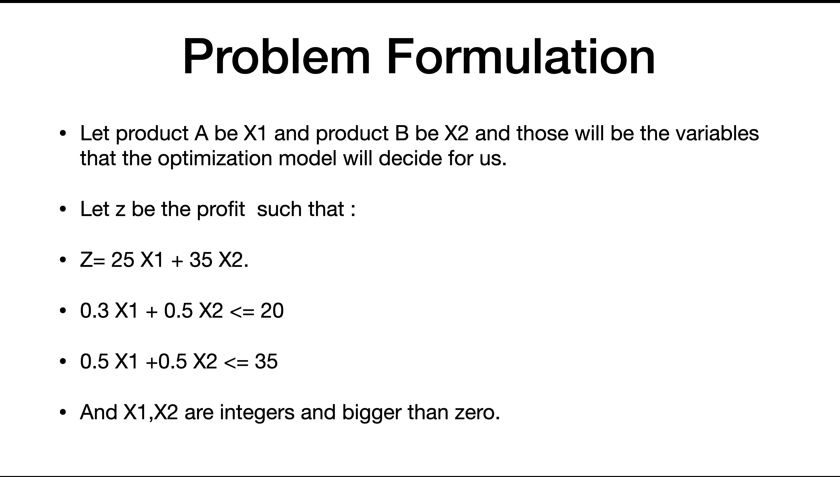
Profit
X1 | 25
X2 | 35

 | Feather | Cotton
X1 | 0.3 | 0.5
X2 | 0.5 | 0.5
Available | 20 | 35
Consumed | 20 | 33

 | X1 | X2
 | 65 | 1

 |  | Profit | 1660

