Sheet1
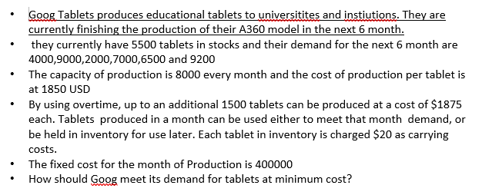
Month | Demand | Production Cost | Overtime Cost | fixed cost | inv cost | prod units | prod overtime | inventory | open line | inv constraint
1 | 4000 | 1850 | 1875 | 400000 | 20
2 | 9000 | 1850 | 1875 | 400000 | 20
3 | 2000 | 1850 | 1875 | 400000 | 20
4 | 7000 | 1850 | 1875 | 400000 | 20
5 | 6500 | 1850 | 1875 | 400000 | 20
6 | 9200 | 1850 | 1875 | 400000 | 20

 | initial inv | 5500
 | capacity | 8000
 | overtime capacity | 1500

