MSME Interest Working
0
0
0

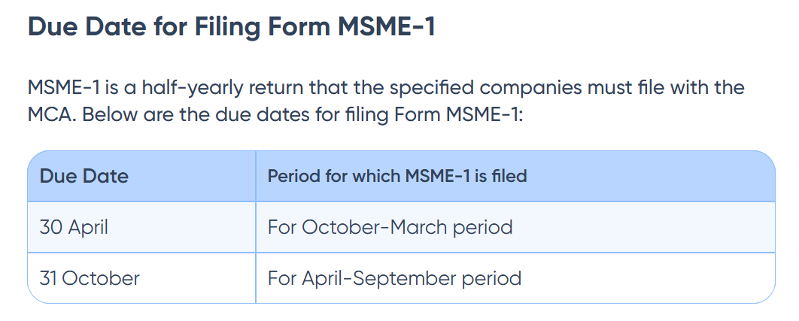
Work Done
1. ET has obtained the MSME Forms Filed.
2. ET has recomputed the interest on delayed payment to MSME vendors.
3. ET has reconciled the MSME interest expense as per financials & as per schedule.

Basis of calculation of Interest on delayed payment to MSME vendors
In the case of late payment to an MSME, interest is applicable.
Rate of interest: Compound interest at the 3 times the bank rate notified by the Reserve Bank of India (RBI).

MSMED Interest exp CY

STIR Code | As per financials | As per schedule | Difference
STIRIN0113000036 | 40,017.73 | 40,017.73 | -

MSME Interest Calculation |  |  |  |  |  |  |  | 22-Mar-24 | 13 | 0.46428571429
 |  |  |  |  |  |  |  |  |  |  |  |  | DHS Testing
As Per MSME Form Filed |  |  |  |  |  |  |  |  | Calculation of Interest on Delayed Payment to MSME |  |  |  |  |  | 40,018 | -
Financial Years/Particulars | Name of Supplier | Enterprise Category (Micro/Small) | PAN of Supplier | Invoice No. | Invoice Date | Amount Due (in Rs.) | Date since when amount is due | Reasons for delay in Payment | No. of Months delayed | Amount of Interest | Paid Date | PO Payment Term | Due Date | No. of Months delayed | Amount of Interest | Difference
2024-25 | Dwija Foods Private Limited | Micro | AAHCD6098H | B/C/23-24/0309 | 6-Feb-24 | 109,096 | 22-Mar-24 | Missed to change PO payment term to 45 days | 0.40 | 733 | 3-Apr-24 | 45 | 22-Mar-24 | 0.40 | 732.70 | -
2024-25 | Superseva Services Pvt Ltd S24069 | Small | AAECS9932N | 220240494 | 8-Mar-24 | 1,740 | 22-Apr-24 | Delay in PO amendment | 0.30 | 9 | 1-May-24 | 45 | 22-Apr-24 | 0.30 | 8.76 | -
2024-25 | Abhistron Packaging And Allied Products Private Limited T11292 | Micro | AAFCA4826Q | TI/23-24/1078 | 27-Feb-24 | 34,097 | 28-Mar-24 | Delay in PO amendment | 1.13 | 653 | 1-May-24 | 30 | 28-Mar-24 | 1.13 | 652.84 | -
2024-25 | Jain P S and Associates | Micro | AANFJ3072G | 130 | 4-Mar-24 | 28,350 | 3-Apr-24 | Delay in PO amendment | 0.93 | 446 | 1-May-24 | 30 | 3-Apr-24 | 0.93 | 446.26 | -
2024-25 | Ambassador Tours And Travels Llp T10566 | Micro | ABRFA7400Q | 169/24-25 | 2-May-24 | 8,188 | 16-Jun-24 | Technical issue not picked up for payment | 0.07 | 9 | 18-Jun-24 | 45 | 16-Jun-24 | 0.07 | 9.14 | -
2024-25 | Dwija Foods Private Limited | Micro | AAHCD6098H | B/C/24-25/0011 | 17-Apr-24 | 46,559 | 1-Jun-24 | Due to weekend 1st & 2nd Jun batch payment didn't happen | 0.07 | 52 | 3-Jun-24 | 45 | 1-Jun-24 | 0.07 | 51.97 | -
2024-25 | Fillip Innovative Solutions Private Limited | Micro | AAECF5329C | FISPL/24-25/0002 | 17-Apr-24 | 10,611 | 1-Jun-24 | Due to weekend 1st & 2nd Jun batch payment didn't happen | 0.07 | 12 | 3-Jun-24 | 45 | 1-Jun-24 | 0.07 | 11.84 | -
2024-25 | Fillip Innovative Solutions Private Limited | Micro | AAECF5329C | FISPL/24-25/0001 | 17-Apr-24 | 2,948 | 1-Jun-24 | Due to weekend 1st & 2nd Jun batch payment didn't happen | 0.07 | 3 | 3-Jun-24 | 45 | 1-Jun-24 | 0.07 | 3.29 | -
2024-25 | Superseva Services Pvt Ltd S24069 | Small | AAECS9932N | 420240656 | 17-Apr-24 | 1,984 | 1-Jun-24 | Due to weekend 1st & 2nd Jun batch payment didn't happen | 0.07 | 2 | 3-Jun-24 | 45 | 1-Jun-24 | 0.07 | 2.21 | -
2024-25 | Superseva Services Pvt Ltd S24069 | Small | AAECS9932N | 420240657 | 17-Apr-24 | 1,984 | 1-Jun-24 | Due to weekend 1st & 2nd Jun batch payment didn't happen | 0.07 | 2 | 3-Jun-24 | 45 | 1-Jun-24 | 0.07 | 2.21 | -
2024-25 | Chennai Metco Pvt. Ltd. S33128 | Small | AABCC5678E | SG/2425/1378 | 4-Jun-24 | 161,399 | 19-Jul-24 | Payment voided & reissued as payment method was selected as Clearing while processing invoice | 0.43 | 1,175 | 1-Aug-24 | 45 | 19-Jul-24 | 0.43 | 1,174.64 | -
2024-25 | Micrologix Embedded Controls P Ltd T11491 | Small | AADCM9448G | 24-25/62 | 30-Apr-24 | 48,103 | 14-Jun-24 | Material received by User directly through courier | 1.60 | 1,305 | 1-Aug-24 | 45 | 14-Jun-24 | 1.60 | 1,305.35 | -
2024-25 | Transasia Bio Medicals limited A39065 | Small |  | HIS2425V-9236 | 11-Oct-24 | 40,136 | 26-Oct-24 | Aggressive payment term | 0.20 | 130 | 1-Nov-24 | 15 | 26-Oct-24 | 0.20 | 129.60 | -
2024-25 | Sastha Scientific Agencies A37907 | Small |  | 1144 | 22-Nov-24 | 1,803,870 | 29-Nov-24 | Aggressive payment term | 0.10 | 2,910 | 2-Dec-24 | 7 | 29-Nov-24 | 0.10 | 2,910.07 | -
2024-25 | Corp Attire A37493 | Small |  | CA2410455 | 29-Oct-24 | 355,350 | 13-Dec-24 | Delay in Submission | 0.80 | 4,612 | 6-Jan-25 | 45 | 13-Dec-24 | 0.80 | 4,612.09 | -
2024-25 | GCE India Pvt Ltd A37712 | Small |  | 480241744 | 4-Dec-24 | 172,323 | 3-Jan-25 | Delay in Submission | 0.20 | 556 | 9-Jan-25 | 30 | 3-Jan-25 | 0.20 | 556.44 | -
2024-25 | MSA Global Technology and Engineering Private Limited A38946 | Small |  | MSA/TI/24-25/112 | 26-Sep-24 | 512,158 | 26-Oct-24 | Delay in Submission | 2.43 | 20,488 | 7-Jan-25 | 30 | 26-Oct-24 | 2.43 | 20,487.96 | -
2024-25 | MG Automation Technologies A39090 | Micro |  | INV-24250377 | 27-Sep-24 | 31,566 | 11-Nov-24 | Delay in Submission | 2.17 | 1,122 | 15-Jan-25 | 45 | 11-Nov-24 | 2.17 | 1,121.94 | -
2024-25 | MG Automation Technologies A39090 | Micro |  | INV-24250430 | 29-Oct-24 | 42,706 | 13-Dec-24 | Delay in Submission | 1.10 | 764 | 15-Jan-25 | 45 | 13-Dec-24 | 1.10 | 763.98 | -
2024-25 | MG Automation Technologies A39090 | Micro |  | INV-24250418 | 15-Oct-24 | 6,044 | 29-Nov-24 | Delay in Submission | 1.57 | 155 | 15-Jan-25 | 45 | 29-Nov-24 | 1.57 | 154.57 | -
2024-25 | Nano Generators (India) Private Limited A38944 | Micro |  | 588 | 13-Aug-24 | 6,490 | 13-Aug-24 | Delay in Submission | 5.17 | 564 | 15-Jan-25 | 0 | 13-Aug-24 | 5.17 | 563.66 | -
2024-25 | ARKANCE IN PRIVATE LIMITED A37642 | Small |  | 242513831 | 3-Jan-25 | 19,571 | 2-Feb-25 | Delay in Submission | 0.40 | 127 | 14-Feb-25 | 30 | 2-Feb-25 | 0.40 | 126.60 | -
2024-25 | Mark Techpro And Consultants Private Ltd A38241 | Micro |  | 656 | 26-Nov-24 | 143,646 | 10-Jan-25 | Delay in Submission | 1.30 | 3,042 | 18-Feb-25 | 45 | 10-Jan-25 | 1.30 | 3,041.89 | -
2024-25 | Tentacle Aerologistix Pvt Ltd A38199 | Small |  | TAPL24252173 | 10-Oct-24 | 23,486 | 9-Nov-24 | Delay in Submission | 2.87 | 1,111 | 3-Feb-25 | 30 | 9-Nov-24 | 2.87 | 1,110.71 | -
2024-25 | Britton Innotech A38757 | Micro |  | BI2024-25018 | 27-Feb-25 | 68,816 | 6-Mar-25 | Aggressive payment term | 0.03 | 37 | 7-Mar-25 | 7 | 6-Mar-25 | 0.03 | 36.99 | -

