PROJECT
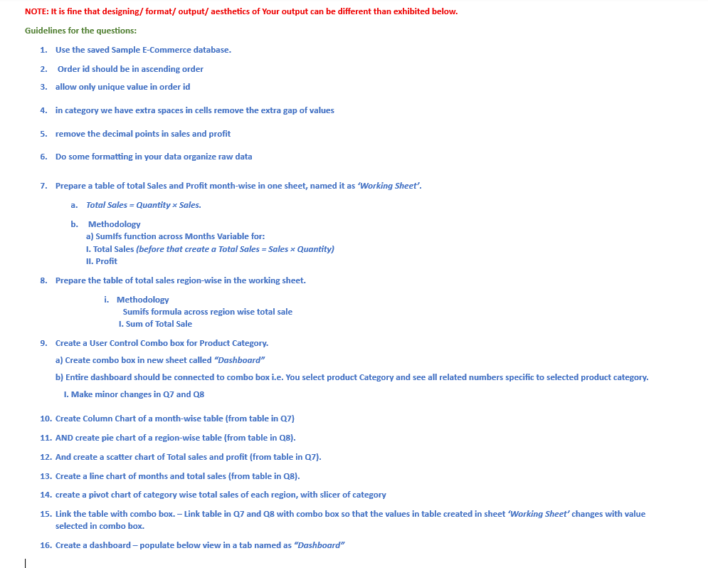

PIVOT CHART
Sum of Sales | Column Labels
Row Labels | East | North | South | West | Grand Total
Beauty | 19078.01 | 38454.51 | 34147.56 | 27384.14 | 119064.22
Clothing | 28548.22 | 28343.68 | 23715.81 | 35875.49 | 116483.2
Electronics | 33963.62 | 27181.6 | 34708.53 | 22738.72 | 118592.47
Home & Kitchen | 30153.14 | 25334.45 | 43936.83 | 33870.37 | 133294.79
Grand Total | 111742.99 | 119314.24 | 136508.73 | 119868.72 | 487434.68

Dashboard
Month Wise Sale
 | Total Sales | Profit
Jan | 14169.81 | 870.68
Feb | 29961.2 | 1532.65
Mar | 25227.79 | 1044.5
Apr | 20605.75 | 985.55
May | 39428.66 | 1926.54
Jun | 33424.45 | 938.95
Jul | 30367.94 | 1768.06
Aug | 52068.73 | 2738.84
Sep | 18085.1 | 670.95
Oct | 50715.55 | 2721.21
Nov | 27366.34 | 1439.21
Dec | 24978.59 | 880.6
 | Numbers | Product Category | Q15
 | 3 | Electronics

MONTHLY SALE $ PROFIT
 | Total Sales | Profit
Jan | 14169.81 | 870.68
Feb | 29961.2 | 1532.65
Mar | 25227.79 | 1044.5
Apr | 20605.75 | 985.55
May | 39428.66 | 1926.54
Jun | 33424.45 | 938.95
Jul | 30367.94 | 1768.06
Aug | 52068.73 | 2738.84
Sep | 18085.1 | 670.95
Oct | 50715.55 | 2721.21
Nov | 27366.34 | 1439.21
Dec | 24978.59 | 880.6
Q10

Region Wise Sale
 | Total Sale | Total Profit
North | 82304.95 | 3690.13
South | 106906.92 | 5116.43
East | 102704.9 | 5489.63
West | 74483.14 | 3221.55
 |  |  | Q15

Total Region Sale
 | Total Sale | Total Profit
North | 82304.95 | 3690.13
South | 106906.92 | 5116.43
East | 102704.9 | 5489.63
West | 74483.14 | 3221.55
Q11

TOTAL SALES & PROFIT
 | Total Sales | Profit
 | 14169.81 | 870.68
 | 29961.2 | 1532.65
 | 25227.79 | 1044.5
 | 20605.75 | 985.55
 | 39428.66 | 1926.54
 | 33424.45 | 938.95
 | 30367.94 | 1768.06
 | 52068.73 | 2738.84
 | 18085.1 | 670.95
 | 50715.55 | 2721.21
 | 27366.34 | 1439.21
 | 24978.59 | 880.6
 |  |  | Q12

 | Total Sales
Jan | 14169.81
Feb | 29961.2
Mar | 25227.79
Apr | 20605.75
May | 39428.66
Jun | 33424.45
Jul | 30367.94
Aug | 52068.73
Sep | 18085.1
Oct | 50715.55
Nov | 27366.34
Dec | 24978.59
Q13

