Sheet1
2
1
3
S.No |  | Features |  |  |  | Issue See | Decision | Tools | API | Remarks
 | Plastic Parts | Name | CAD | Casting Mesh | Final Mesh
1 | 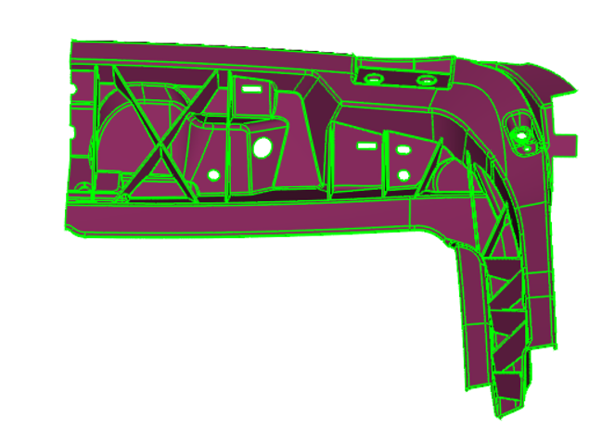 | 1. Circular Hole on Boss | 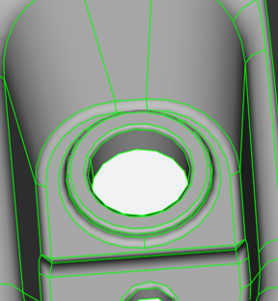 | 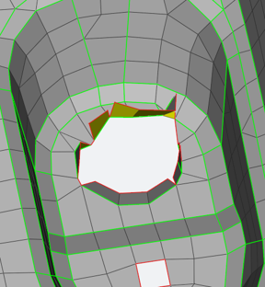 | 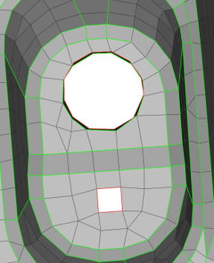 | Circular hole is not captured accurately 1. Hole boundary contains irregular element edges. 2.Element flow around the hole is not concentric. 3.Small skewed elements are visible near the edge. 4.Transition from boss to surrounding surface is uneven 5.Slot corners are missing. | Delete Poor Elements Around the Hole 1.Isolate the boss area. 2.Delete 2 to 3 rows of elements surrounding the hole. 3.Retain the outer mesh pattern. Expected result 4.Circular holes remain circular. 5.Slot corners are captured accurately. 6.Smooth mesh flow around the opening. | TOPO → Curves → Middle 1.Select opposite circular feature curves. 2.Create middle curve if feature-center identification is required. 3.Use the curve as mesh guidance. MESH → Grids → Align 1.Select all nodes on the hole perimeter. 2.Select circular curve as reference. 3.Apply align. | FacesMiddleSingle Inputs: A surface and B surface AlignGrids Inputs: Nodes and Surface / 3 point / Element | Identify the feature to decide the surface to be considered and call the API Identify the nodes to be aligned and Align using Created Middle surface
 |  | 2.Rib Feature |  |  |  | Ribs are not in middle surafce 1.Rib width not captured. 2.Mesh collapses at rib root. | Check Rib Geometry 1.Isolate the rib area. 2.Verify both rib side faces are properly connected to the parent surface. 3.Check for free CONS and broken topology. 4.Verify rib thickness is consistent. | TOPO > Faces > Middle 1.Select the two opposite rib faces. 2.Use middle to generate the midsurface. 3.Verify the midsurface is exactly centered. 4.Delete unwanted surfaces if required | FacesMiddleSingle Inputs: A surface and B surface | Identify the Rib surface and pass A and B Surfaces to create Middle Surface. And Align using AlignGrids
 |  | 3.Fillet suppression | 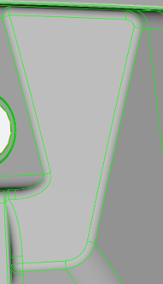 | 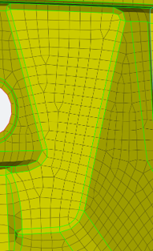 | 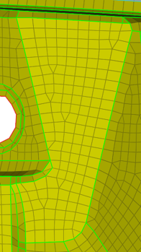 | Non-Sharp Corner Mesh Connectivity 1. Disrupted mesh continuity. 2.Non-uniform element distribution around the corner. 3.Potential reduction in mesh quality and analysis accuracy | 1.Create a sharp corner mesh by removing the residual fillet mesh pattern. 2.Replace the curved mesh flow with a continuous mesh structure. 3.Align mesh nodes with adjacent vertical and inclined feature lines. 4.Maintain uniform node spacing across the corner region. 5.Ensure mesh rows flow continuously through the corner without distortion. | MESH > Elements > Paste 1.Select the elements representing the fillet radius. 2.Paste the fillet mesh into the adjacent wall mesh. 3.Remove the curved mesh flow created by the radius. 4.Merge the vertical wall mesh and inclined wall mesh into a single continuous mesh pattern. Mesh → Shell Mesh → Reconstruct 1.Apply on the local area around the feature. Mesh → Elements →Split 1.The element size transition is too large. Mesh → Shell Mesh →Smooth 1.Checks and improves: Skewness,Aspect ratio,Minimum angle,Warpage Create Straight Mesh Flow MESH > Grids > Align 1.Select the nodes around the suppressed fillet area. 2Align the nodes with the vertical and inclined feature lines. 3.Maintain uniform node spacing. 4.Ensure mesh rows flow continuously through the corner without distortion | PasteNodes Inputs: Source Nodes and Target Nodes ReconstructShells Input: Elements SplitElements Input: Elements SmoothShells Input: Elements AlignGrids Inputs: Nodes , Surface / 3 point / Element | Detect the issue Fillets, Classify the Source nodes and Target nodes and Call PasteNodes API.
2 | 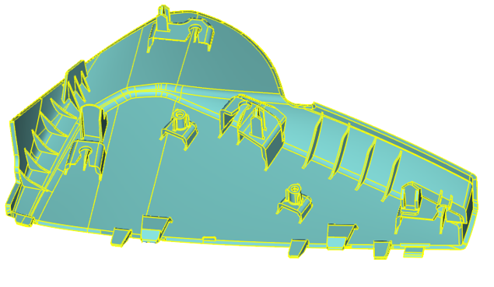 | 1. Rib Feature | 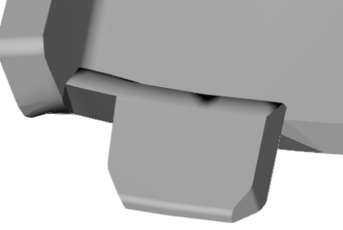 | 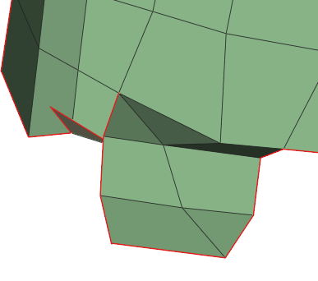 | 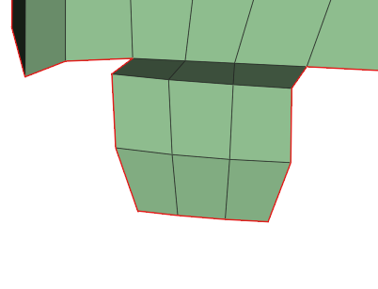 | Ribs Feature not capture as per the CAD 1. Midsurface or feature cleanup required 2.Collapsed elements 3.Element quality failure | 1.No clear geometry error is visible. 2.No obvious free edge, crack, or failed topology. 3.The area may still pass quality criteria depending on: * Skew *Warpage *Jacobian *Minimum angle | Mesh → Shell Mesh → Reconstruct 1.Apply on the local area around the feature. Mesh → Shell Mesh →Improve 1.Checks and improves: Skewness,Aspect ratio,Minimum angle,Warpage Mesh → Elements →Split 1.The element size transition is too large. Mesh → Shell Mesh →Smooth 1.Checks and improves: Skewness,Aspect ratio,Minimum angle,Warpage Mesh → Grid →Align 1.Mesh rows are misaligned. | ReconstructShells Input: Elements FixQuality : Works only on visible elements. SplitElements Input: Elements SmoothShells Input: Elements AlignGrids Inputs: Nodes , Surface / 3 point / Element
1
3
2
4
 |  | 2.Doughouse+Boss with ribs | 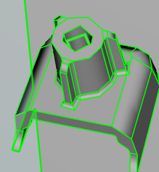 | 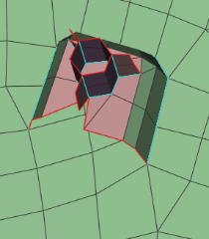 | 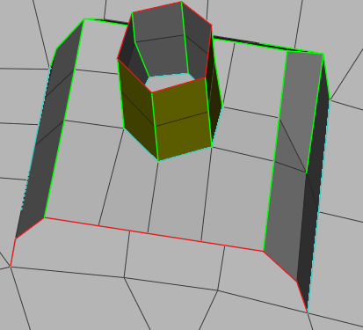 | Suppress Small Boss Features and Surrounding Ribs (<3 mm) 1.Small boss features are present in the region. 2.Surrounding boss ribs create unnecessary local mesh concentration. 3.Mesh flow is affected by these small geometric details, leading to distorted transition elements. | 1.Remove/Suppress boss ribs. 2.Simplify geometry and remesh the region. 3.Create a sharp corner mesh by removing the residual fillet mesh pattern. 4.Replace the curved mesh flow with a continuous mesh structure. 5.Align mesh nodes with adjacent vertical and inclined feature lines. 6.Maintain uniform node spacing across the corner region. 7.Ensure mesh rows flow continuously through the corner without distortion. | MESH > Elements > Delete 1.Delete the ribs arround the boss. MESH > Elements > Paste 1.Select the elements representing the fillet radius. 2.Paste the fillet mesh into the adjacent wall mesh. 3.Remove the curved mesh flow created by the radius. 4.Merge the vertical wall mesh and inclined wall mesh into a single continuous mesh pattern. Mesh → Shell Mesh → Reconstruct 1.Apply on the local area around the feature. Mesh → Elements →Split 1.The element size transition is too large. Mesh → Shell Mesh →Smooth 1.Checks and improves: Skewness,Aspect ratio,Minimum angle,Warpage Create Straight Mesh Flow MESH > Grids > Align 1.Select the nodes around the suppressed fillet area. 2Align the nodes with the vertical and inclined feature lines. 3.Maintain uniform node spacing. 4.Ensure mesh rows flow continuously through the corner without distortion | DeleteEntity Input: Any object passed will be deleted. PasteNodes Inputs: Source Nodes and Target Nodes ReconstructShells Input: Elements SplitElements Input: Elements SmoothShells Input: Elements AlignGrids Inputs: Nodes , Surface / 3 point / Element
 |  | 3.Fillet + Rib | 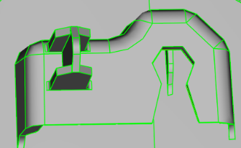 | 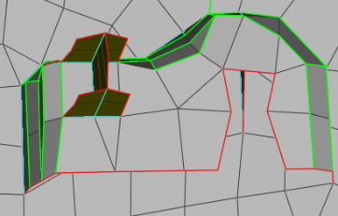 | 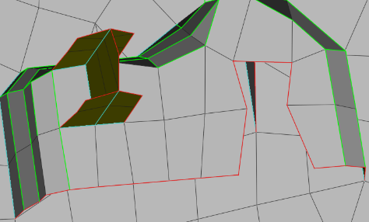 | Non-Sharp Corner Mesh Connectivity 1. Disrupted mesh continuity. 2.Non-uniform element distribution around the corner. 3.Potential reduction in mesh quality and analysis accuracy | 1.Create a sharp corner mesh by removing the residual fillet mesh pattern. 2.Replace the curved mesh flow with a continuous mesh structure. 3.Align mesh nodes with adjacent vertical and inclined feature lines. 4.Maintain uniform node spacing across the corner region. 5.Ensure mesh rows flow continuously through the corner without distortion. | MESH > Elements > Paste 1.Select the elements representing the fillet radius. 2.Paste the fillet mesh into the adjacent wall mesh. 3.Remove the curved mesh flow created by the radius. 4.Merge the vertical wall mesh and inclined wall mesh into a single continuous mesh pattern. Mesh → Shell Mesh → Reconstruct 1.Apply on the local area around the feature. Mesh → Elements →Split 1.The element size transition is too large. Mesh → Shell Mesh →Smooth 1.Checks and improves: Skewness,Aspect ratio,Minimum angle,Warpage Create Straight Mesh Flow MESH > Grids > Align 1.Select the nodes around the suppressed fillet area. 2Align the nodes with the vertical and inclined feature lines. 3.Maintain uniform node spacing. 4.Ensure mesh rows flow continuously through the corner without distortion | PasteNodes Inputs: Source Nodes and Target Nodes ReconstructShells Input: Elements SplitElements Input: Elements SmoothShells Input: Elements AlignGrids Inputs: Nodes , Surface / 3 point / Element
 |  | 4.Fillet + Rib | 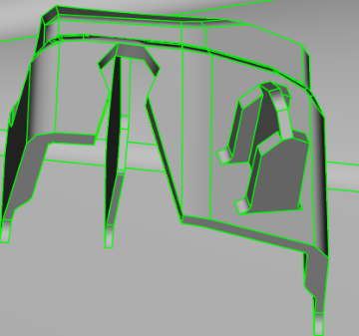 | 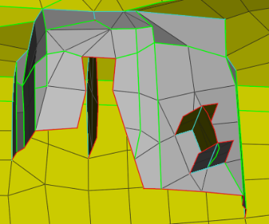 | 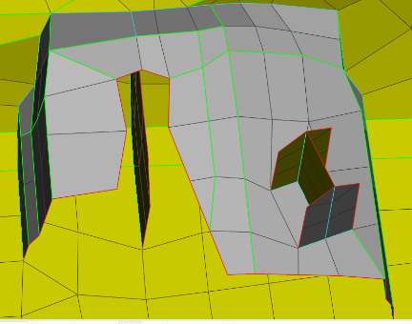 | Non-Sharp Corner Mesh Connectivity 1. Disrupted mesh continuity. 2.Non-uniform element distribution around the corner. 3.Potential reduction in mesh quality and analysis accuracy 4.Poor Edge Flow | 1.Create a sharp corner mesh by removing the residual fillet mesh pattern. 2.Replace the curved mesh flow with a continuous mesh structure. 3.Align mesh nodes with adjacent vertical and inclined feature lines. 4.Maintain uniform node spacing across the corner region. 5.Ensure mesh rows flow continuously through the corner without distortion. | MESH > Elements > Paste 1.Select the elements representing the fillet radius. 2.Paste the fillet mesh into the adjacent wall mesh. 3.Remove the curved mesh flow created by the radius. 4.Merge the vertical wall mesh and inclined wall mesh into a single continuous mesh pattern. Mesh → Shell Mesh → Reconstruct 1.Apply on the local area around the feature. Mesh → Elements →Split 1.The element size transition is too large. Mesh → Shell Mesh →Smooth 1.Checks and improves: Skewness,Aspect ratio,Minimum angle,Warpage Create Straight Mesh Flow MESH > Grids > Align 1.Select the nodes around the suppressed fillet area. 2Align the nodes with the vertical and inclined feature lines. 3.Maintain uniform node spacing. 4.Ensure mesh rows flow continuously through the corner without distortion | PasteNodes Inputs: Source Nodes and Target Nodes ReconstructShells Input: Elements SplitElements Input: Elements SmoothShells Input: Elements AlignGrids Inputs: Nodes , Surface / 3 point / Element
3 | 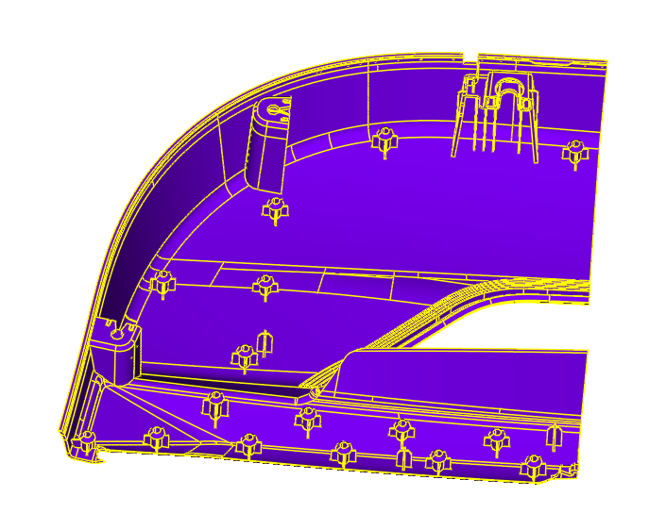 | 1. DogHouse[Fillet] | 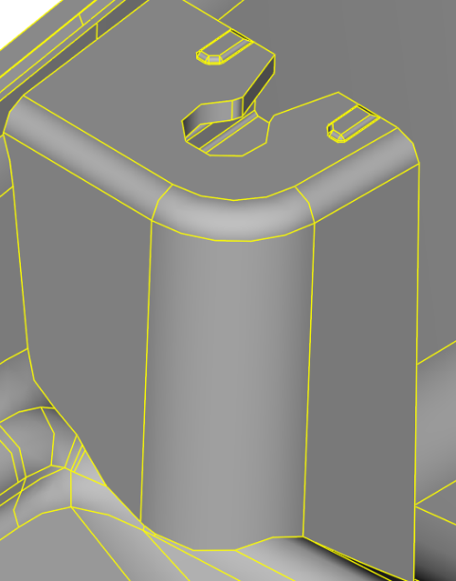 | 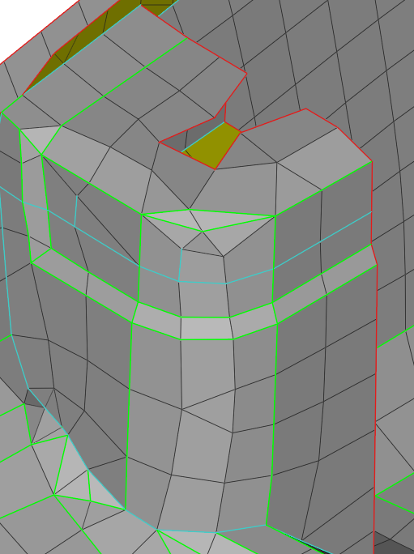 | 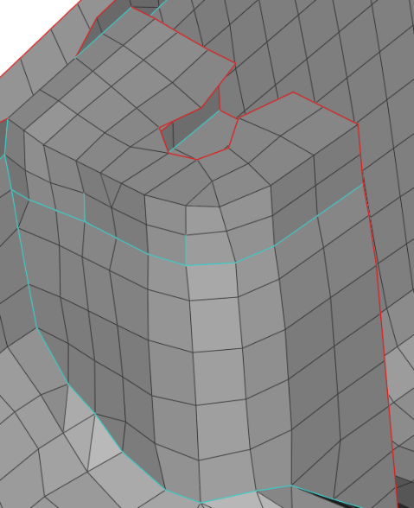 | Non-Sharp Corner Mesh Connectivity 1. Disrupted mesh continuity. 2.Non-uniform element distribution around the corner. 3.Potential reduction in mesh quality and analysis accuracy 4.Poor Edge Flow | 1.Create a sharp corner mesh by removing the residual fillet mesh pattern. 2.Replace the curved mesh flow with a continuous mesh structure. 3.Align mesh nodes with adjacent vertical and inclined feature lines. 4.Maintain uniform node spacing across the corner region. 5.Ensure mesh rows flow continuously through the corner without distortion. | MESH > Elements > Paste 1.Select the elements representing the fillet radius. 2.Paste the fillet mesh into the adjacent wall mesh. 3.Remove the curved mesh flow created by the radius. 4.Merge the vertical wall mesh and inclined wall mesh into a single continuous mesh pattern. Mesh → Shell Mesh → Reconstruct 1.Apply on the local area around the feature. Mesh → Elements →Split 1.The element size transition is too large. Mesh → Shell Mesh →Smooth 1.Checks and improves: Skewness,Aspect ratio,Minimum angle,Warpage Create Straight Mesh Flow MESH > Grids > Align 1.Select the nodes around the suppressed fillet area. 2Align the nodes with the vertical and inclined feature lines. 3.Maintain uniform node spacing. 4.Ensure mesh rows flow continuously through the corner without distortion | PasteNodes Inputs: Source Nodes and Target Nodes ReconstructShells Input: Elements SplitElements Input: Elements SmoothShells Input: Elements AlignGrids Inputs: Nodes , Surface / 3 point / Element
1
2
3
 |  | 2. DogHouse[Fillet] | 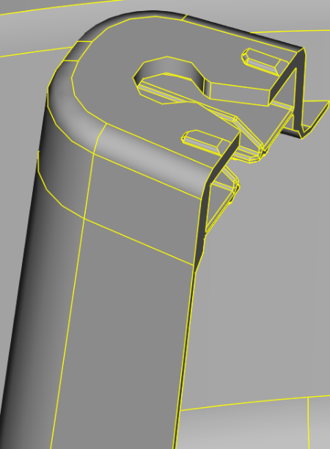 | 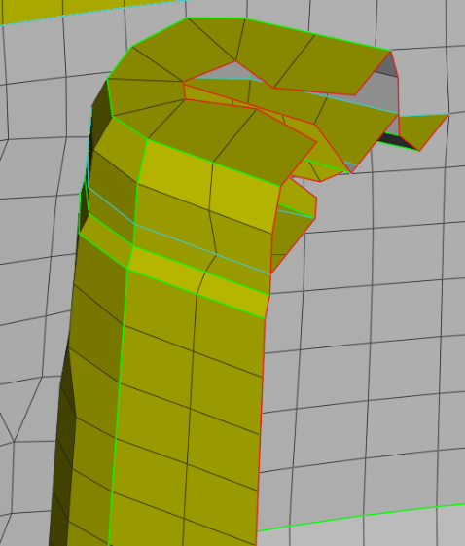 | 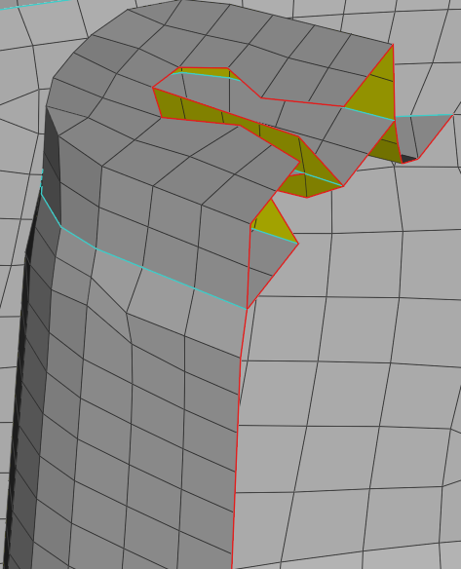
 |  | 3. DogHouse+Ribs[Fillet] | 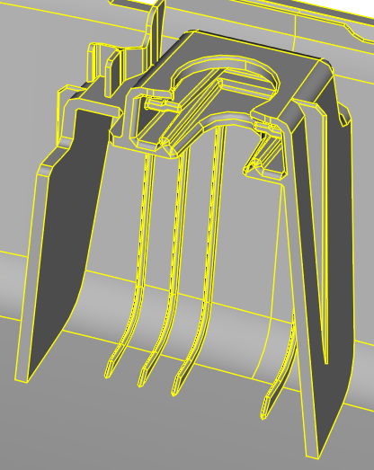 | 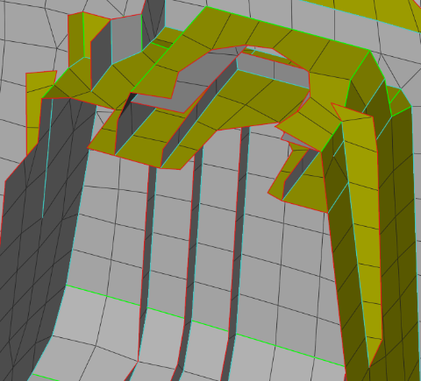 | 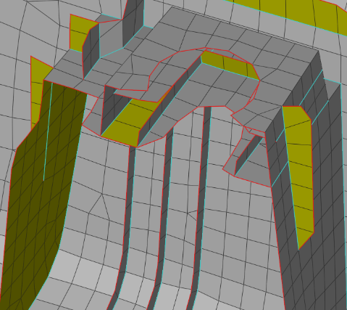

RoadMap
 |  |  | Completed |  |  | PLAN
 |  |  | Inprogress |  |  | ACTUAL
 |  |  | Yet to Start |  |  |  | W34 |  | W36 |  |  |  |  | W37
OBJECTIVES | TASK | STATUS | PLAN START | PLAN FINISH | ACTUAL START | ACTUAL FINISH | 20-Aug | 21-Aug | 24-Aug | 25-Aug | 26-Aug | 27-Aug | 28-Aug | 31-Aug | 01-Sep | 02-Sep | 03-Sep | 04-Sep
Agentic Mesh | Mesh Correction steps Creation | Completed | W34 | W34 | W34 | W34
 | Concept Explained | Completed | W34 | W34 | W34 | W34
-+
 | Study & learn Concept | Yet to Start | W35
 | Agent Creation | Yet to Start | W35
 | Test | Yet to Start | W36
 | POC | Yet to Start | W36

