Tabelle1
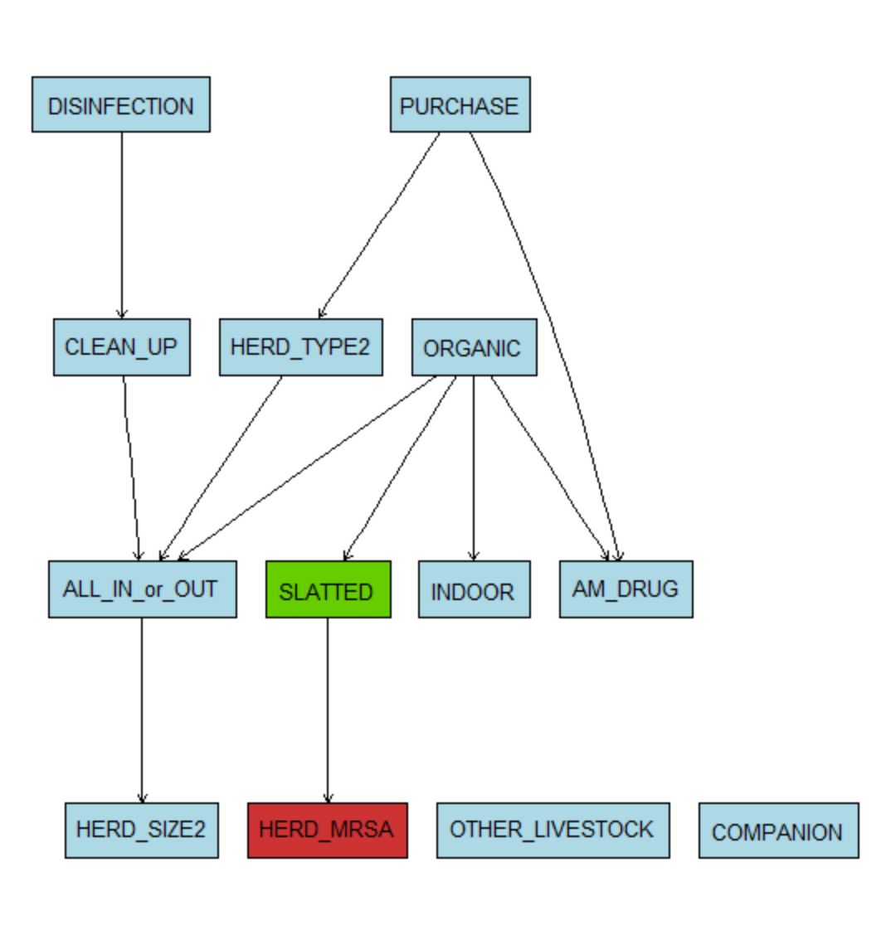
For binomials |  |  |  |  | HERD_TYPE and HERD_SIZE recoded into binary |  |  |  | HERD_TPE | farrow=farrow, weaner=grower, grower=grower
 |  |  |  |  |  |  |  |  | HERD_SIZE | huge and large into "big"; mediam and small into "not big"
> mar.boot
 |  |  |  | 2.5Q | median | 97.5Q | interpretation
HERD_MRSA|SLATTED |  |  |  | 2.826 | 5.836 | 13.237 | odds ratio |  |  |  | MRSA
AM_DRUG|PURCHASE |  |  |  | 1.943 | 3.074 | 4.865 | odds ratio |  |  |  | positive | negative |  |  | fisher.test(table(abndata$SLATTED,abndata$HERD_MRSA))
AM_DRUG|ORGANIC |  |  |  | 0.001 | 0.021 | 0.120 | odds ratio |  | Slatted | Yes | 205 | 149
INDOOR|ORGANIC |  |  |  | 0.001 | 0.005 | 0.018 | odds ratio |  |  | No | 9 | 37 |  |  |  | Fisher's Exact Test for Count Data
ALL_IN_or_OUT|CLEAN_UP |  |  |  | 178.931 | 538.076 | 2054.936 | odds ratio
ALL_IN_or_OUT|ORGANIC |  |  |  | 0.001 | 0.006 | 0.025 | odds ratio |  |  |  |  |  |  |  | data: table(abndata$SLATTED, abndata$HERD_MRSA)
ALL_IN_or_OUT|HERD_TYPE2 |  |  |  | 2.482 | 6.693 | 20.430 | odds ratio |  |  |  |  |  |  |  | p-value = 1.044e-06
CLEAN_UP|DISINFECTION |  |  |  | 95.012 | 280.900 | 1255.137 | odds ratio |  |  |  |  |  |  |  | alternative hypothesis: true odds ratio is not equal to 1
SLATTED|ORGANIC |  |  |  | 0.004 | 0.015 | 0.044 | odds ratio |  |  |  |  |  |  |  | 95 percent confidence interval:
HERD_TYPE2|PURCHASE |  |  |  | 27.467 | 50.754 | 98.593 | odds ratio |  |  |  |  |  |  |  | 2.571992 13.682624
HERD_SIZE2|ALL_IN_or_OUT |  |  |  | 0.096 | 0.168 | 0.281 | odds ratio |  |  |  |  |  |  |  | sample estimates:
 |  |  |  |  |  |  |  |  |  |  |  |  |  |  | odds ratio
 |  |  |  |  |  |  |  |  |  |  |  |  |  |  | 5.633093

>mar.mcmc
 |  |  |  | 2.5Q | median | 97.5Q | interpretation |  |  |  | MRSA |  | fisher.test(table(mydata$PURCHASE,mydata$HERD_MRSA))
HERD_MRSA|PURCHASE |  |  |  | 1.412 | 2.250 | 3.589 | odds ratio |  |  |  | positive | negative
HERD_MRSA|OTHER_LIVESTOCK |  |  |  | 0.337 | 0.553 | 0.888 | odds ratio |  | Purchase | Yes | 167 | 122 |  | Fisher's Exact Test for Count Data
HERD_MRSA|SLATTED |  |  |  | 2.869 | 5.983 | 14.168 | odds ratio |  |  | No | 47 | 64 |  |  |  |  |  |  |  | Pruned dag from bootstrapping (binomials)
AM_DRUG|HERD_MRSA |  |  |  | 1.470 | 2.259 | 3.469 | odds ratio |  |  |  |  |  | data: table(mydata$PURCHASE, mydata$HERD_MRSA)
AM_DRUG|PURCHASE |  |  |  | 1.754 | 2.832 | 4.660 | odds ratio |  |  |  |  |  | p-value = 0.007094
AM_DRUG|SLATTED |  |  |  | 3.200 | 7.228 | 18.916 | odds ratio |  |  |  |  |  | alternative hypothesis: true odds ratio is not equal to 1
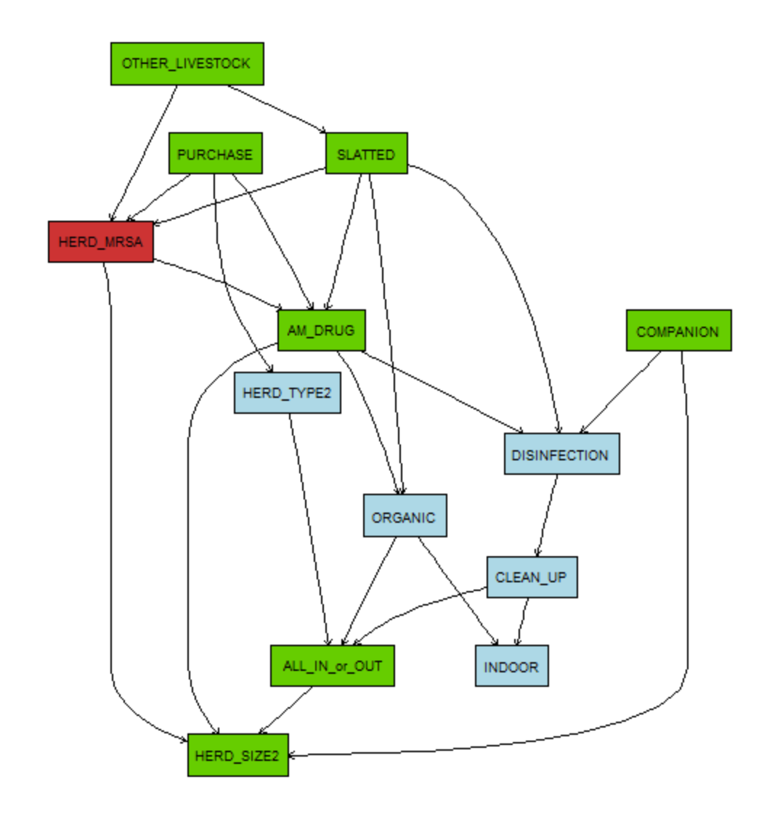
INDOOR|CLEAN_UP |  |  |  | 1.835 | 8.811 | 69.756 | odds ratio |  |  |  |  |  | 95 percent confidence interval:
INDOOR|ORGANIC |  |  |  | 0.000 | 0.003 | 0.013 | odds ratio |  |  |  |  |  | 1.169073 2.978579
ALL_IN_or_OUT|CLEAN_UP |  |  |  | 178.931 | 538.076 | 2054.936 | odds ratio |  |  |  |  |  | sample estimates:
ALL_IN_or_OUT|ORGANIC |  |  |  | 0.001 | 0.006 | 0.025 | odds ratio |  |  |  |  |  | odds ratio
ALL_IN_or_OUT|HERD_TYPE2 |  |  |  | 2.482 | 6.693 | 20.430 | odds ratio |  |  |  |  |  | 1.861053
CLEAN_UP|DISINFECTION |  |  |  | 95.012 | 280.900 | 1255.137 | odds ratio
DISINFECTION|AM_DRUG |  |  |  | 2.136 | 3.435 | 5.425 | odds ratio |  |  |  | MRSA |  | Fisher's Exact Test for Count Data
DISINFECTION|COMPANION |  |  |  | 0.296 | 0.478 | 0.757 | odds ratio |  |  |  | positive | negative
DISINFECTION|SLATTED |  |  |  | 1.576 | 3.108 | 6.488 | odds ratio |  | OTHER_LIVESTOCK | Yes | 45 | 62 | data: table(mydata$OTHER_LIVESTOCK, mydata$HERD_MRSA)
SLATTED|OTHER_LIVESTOCK |  |  |  | 0.201 | 0.377 | 0.728 | odds ratio |  |  | No | 169 | 124 | p-value = 0.00653
ORGANIC|AM_DRUG |  |  |  | 0.002 | 0.065 | 0.436 | odds ratio |  |  |  |  |  | alternative hypothesis: true odds ratio is not equal to 1
ORGANIC|SLATTED |  |  |  | 0.006 | 0.025 | 0.073 | odds ratio |  |  |  |  |  | 95 percent confidence interval:
HERD_TYPE2|PURCHASE |  |  |  | 27.467 | 50.754 | 98.593 | odds ratio |  |  |  |  |  | 0.3311884 0.8540442
HERD_SIZE2|HERD_MRSA |  |  |  | 0.327 | 0.518 | 0.820 | odds ratio |  |  |  |  |  | sample estimates:
HERD_SIZE2|AM_DRUG |  |  |  | 0.332 | 0.532 | 0.852 | odds ratio |  |  |  |  |  | odds ratio
HERD_SIZE2|COMPANION |  |  |  | 1.315 | 2.067 | 3.248 | odds ratio |  |  |  |  |  | 0.533389
HERD_SIZE2|ALL_IN_or_OUT |  |  |  | 0.135 | 0.236 | 0.411 | odds ratio

 |  |  |  |  |  |  |  |  |  |  | MRSA |  | fisher.test(table(abndata$HERD_SIZE2,abndata$HERD_MRSA))
 | glm(formula = HERD_MRSA ~ AM_DRUG + PURCHASE + SLATTED + OTHER_LIVESTOCK + |  |  |  |  |  |  |  |  |  | positive | negative
 | HERD_SIZE2, family = "binomial", data = abndata) |  |  |  |  |  |  |  | HERD_SIZE2 | big | 112 | 56 |  | Fisher's Exact Test for Count Data
 |  |  |  |  |  |  |  |  |  | not | 102 | 130
 | Deviance Residuals: |  |  |  |  |  |  |  |  |  |  |  | data: table(abndata$HERD_SIZE2, abndata$HERD_MRSA)
 | Min 1Q Median 3Q Max |  |  |  |  |  |  |  |  |  |  |  | p-value = 7.554e-06
 | -1.7464 -1.1695 0.7006 0.9042 2.0124 |  |  |  |  |  |  |  |  |  |  |  | alternative hypothesis: true odds ratio is not equal to 1
 |  |  |  |  |  |  |  |  |  |  |  |  | 95 percent confidence interval:
 | Coefficients: |  |  |  |  |  |  |  |  |  |  |  | 0.2539820 0.6045142
 |  | Estimate | Std. Error | z value | Pr(>|z|) |  |  |  |  |  |  |  | sample estimates:
Odds | (Intercept) | -1.3026 | 0.4844 | -2.689 | 0.00717 | ** |  |  |  |  |  |  | odds ratio
2.02 | AM_DRUGyes | 0.7018 | 0.2279 | 3.08 | 0.00207 | ** |  |  |  |  |  |  | 0.3932512
1.82 | PURCHASEyes | 0.5963 | 0.2492 | 2.393 | 0.0167 | * |  |  |  |  |  |  |  |  |  |  |  |  | Pruned dag from mcmc over structures (binomials)
3.61 | SLATTEDyes | 1.2839 | 0.4129 | 3.109 | 0.00188 | **
0.56 | OTHER_LIVESTOCKyes | -0.5813 | 0.2502 | -2.323 | 0.02018 | *
0.55 | HERD_SIZE2not | -0.5958 | 0.2256 | -2.642 | 0.00825 | **

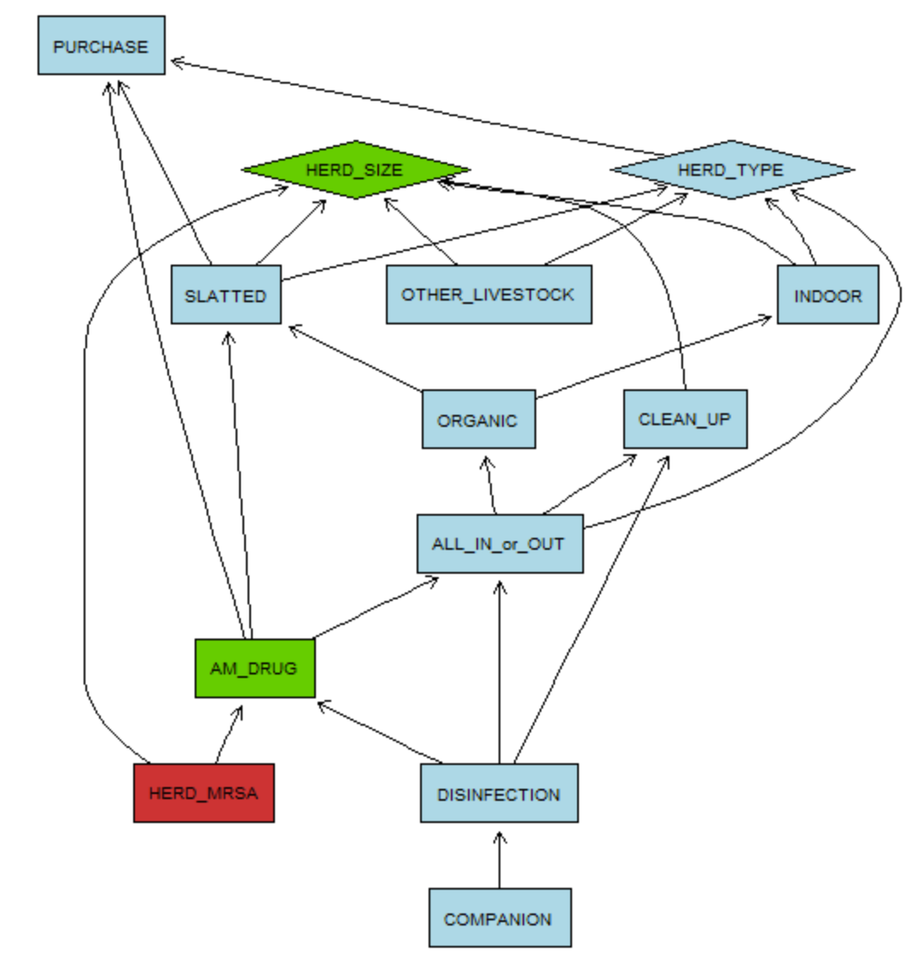
for multinomials (as original) |  | Results from abn | Results from glm | Results from glm |  | MRSA and AM_Drug |  |  |  |  |  |  | MRSA and HERD_SIZE
 |  | median(logg.odds) | log.odds | log.odds | median (odds) |  |  | MRSA |  |  |  |  |  | MRSA
HERD_MRSA|HERD_SIZE | huge | 0.19 |  | 0.1904 |  |  |  | positive | negative |  |  |  |  | positive | negative | Prozent.Postive
 | large | 0.163 | = 0.1904-0.02713 | 0.13587 |  | AM_Drug | yes | 139 | 71 |  |  |  | huge | 15 | 7 | 0.68
 | medium | -0.0619 | = 0.1904-0.25235 | -0.06195 |  |  | no | 75 | 115 |  |  |  | large | 97 | 49 | 0.66
 | small | -1.18 | = 0.1904-1.36927 | -1.17887 |  |  |  |  |  |  |  |  | medium | 69 | 48 | 0.59
HERD_MRSA|AM_DRUG |  | 0.815 |  | 0.81543 | 2.2591756723 |  | fisher.test(table(mydata$AM_DRUG,mydata$HERD_MRSA)) |  |  |  |  |  | small | 33 | 82 | 0.29
HERD_TYPE|PURCHASE | intercept.growertof | -1.92
 | intercept.weanertof | -2.29 |  |  |  |  |  | Fisher's Exact Test for Count Data
 | grower.to.finisher | 4.3 |  |  |  |  |  |  |  |  |  |  | Call:
 | weaner.to.finisher | 2.6 |  |  |  |  | data: table(mydata$AM_DRUG, mydata$HERD_MRSA) |  |  |  |  |  | glm(formula = HERD_MRSA ~ AM_DRUG + HERD_SIZE, family = "binomial",
HERD_SIZE | intercept.large | 1.89 |  |  |  |  | p-value = 9.441e-08 |  |  |  |  |  | data = mydata)
 | intercept.medium | 1.67 |  |  |  |  | alternative hypothesis: true odds ratio is not equal to 1
 | intercept.small | 1.65 |  |  |  |  | 95 percent confidence interval: |  |  |  |  |  | Deviance Residuals:
AM_DRUG | intercept | -3.01 |  |  |  |  | 1.956494 4.608873 |  |  |  |  |  | Min 1Q Median 3Q Max
AM_DRUG|PURCHASE | PURCHASE | 1.04 |  |  |  |  | sample estimates: |  |  |  |  |  | -1.6233 -1.1512 0.7988 0.8784 1.7012
AM_DRUG|ALL_IN_or_OUT | ALL_IN_or_OUT | 1.01 |  |  |  |  | odds ratio
AM_DRUG|SLATTED | SLATTED | 1.85 |  |  |  |  | 2.993192 |  |  |  |  |  | Coefficients:
PURCHASE | intercept | 0.511 |  |  |  |  |  |  |  |  |  |  |  | Estimate | Std. Error | z value | Pr(>|z|)
PURCHASE|CLEAN_UP | CLEAN_UP | 0.624 |  |  |  |  |  |  |  |  |  |  | (Intercept) | 0.1904 | 0.48858 | 0.39 | 0.696752
INDOOR|HERD_TYPE | farrow.to.finisher | NA |  |  |  |  |  |  |  |  |  |  | AM_DRUGyes | 0.81543 | 0.22074 | 3.694 | 0.000221 | ***
INDOOR|HERD_TYPE | grower.to.finisher | -0.832 |  |  |  |  |  |  |  |  |  |  | HERD_SIZElarge | -0.02713 | 0.4983 | -0.054 | 0.956573
INDOOR|HERD_TYPE | weaner.to.finisher | 0.378 |  |  |  |  |  |  |  |  |  |  | HERD_SIZEmedium | -0.25235 | 0.5045 | -0.5 | 0.616938
INDORR|HERD_Size | huge | 5.53 |  |  |  |  |  |  |  |  |  |  | HERD_SIZEsmall | -1.36927 | 0.51483 | -2.66 | 0.007823 | **
INDORR|HERD_Size | large | 4.47
INDORR|HERD_Size | medium | 4.73
INDORR|HERD_Size | small | 2.22
OTHER_LIVESTOCK | intercept | -0.174
OTHER_LIVESTOCK|SLATTED | SLATTED | -0.962
COMPANION | intercept | 0.84
COMPANION|DISINFECTION | DISINFECTION | -0.734
ALL_IN_or_OUT|HERD_TYPE | farrow.to.finisher | -4.36
ALL_IN_or_OUT|HERD_TYPE | grower.to.finisher | -2.49
ALL_IN_or_OUT|HERD_TYPE | weaner.to.finisher | -2.57
ALL_IN_or_OUT|CLEAN_UP | CLEAN_UP | 6.11
ALL_IN_or_OUT|ORGANIC | ORGANIC | -4.94
CLEAN_UP|HERD_SIZE | huge | 2.3
CLEAN_UP|HERD_SIZE | large | 2.09
CLEAN_UP|HERD_SIZE | medium | 1.3
CLEAN_UP|HERD_SIZE | small | -0.122 |  |  |  |  |  |  |  |  |  |  |  |  |  |  |  |  | pruned dag from mcmc over the structures (multinomials)
DISINFECTION | intercept | -4.38
DISINFECTION|AM_DRUG | AM_DRUG | 1.47
DISINFECTION|ALL_IN_or_OUT | ALL_IN_or_OUT | 1.46
DISINFECTION|CLEAN_UP | CLEAN_UP | 4.55
SLATTED|HERD_TYPE | farrow.to.finisher | NA
SLATTED|HERD_TYPE | grower.to.finisher | -0.293
SLATTED|HERD_TYPE | weaner.to.finisher | 0.0532
SLATTED|HERD_SIZE | huge | 5.43
SLATTED|HERD_SIZE | large | 3.93
SLATTED|HERD_SIZE | medium | 3.56
SLATTED|HERD_SIZE | small | 1.43
SLATTED|PURCHASE | PURCHASE | -0.703

