CPU
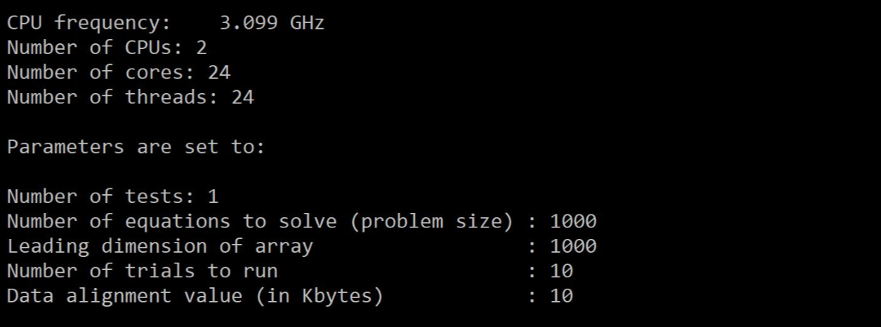
GFLOPS
OpenStack
GFLOPS
No. of Threads | Test 1 | Test 2 | Test 3 | Average | Standard Deviation
1 | 9.756098 | 9.661836 | 9.259259 | 9.5590643333 | 0.26388209409
2 | 18.518519 | 18.604651 | 17.021277 | 18.048149 | 0.89033940643
4 | 33.898305 | 33.898305 | 35.714286 | 34.503632 | 1.0484571192
8 | 72.39819 | 69.264069 | 74.418605 | 72.026954667 | 2.5972431727

IOPS

IOPS
No. of Threads | Test 1 | Test 2 | Test 3 | Average | Standard Deviation
1 | 7.843137 | 8.368201 | 8.298755 | 8.170031 | 0.28522000658
2 | 16.260163 | 15.625 | 17.021277 | 16.302146667 | 0.69908464179
4 | 30.888031 | 29.411765 | 32.128514 | 30.809436667 | 1.3600787051
8 | 68.669528 | 72.39819 | 75.829384 | 72.299034 | 3.5809577517

Linpack
Number of CPUs: 2 |  |  |  | Open Stack Benchmark
Number of cores: 2 |  |  |  | GFLOPS
Number of threads: 2 |  |  |  | 64.6663
 |  |  |  | 65.3577
 |  |  |  | 65.2278
 |  |  |  | 65.5649
 |  |  |  | 65.3049
 |  |  |  | 63.0434
 |  |  |  | 70.0923
 |  |  |  | 70.0005
 |  |  |  | 69.1427
 |  |  |  | 69.3673

 |  |  | Average | 66.77678 |  | For 2 threads:

GFLOPS AVX
 |  |  |  |  |  | Linpack | Application
 |  |  |  |  | GFLOPS | 66.77678 | 16.30215

GFLOPS using AVX Instructions

No. of Threads | Test 1 | Test 2 | Test 3 | Average | Standard Deviation
1 | 4.098361 | 3.738318 | 4.115226 | 3.9839683333 | 0.21290648594
2 | 8.213552 | 8.179959 | 8.213552 | 8.2023543333 | 0.019394927593
4 | 15.533981 | 15.533981 | 15.625 | 15.564320667 | 0.052549844151
8 | 29.850746 | 29.739777 | 29.906542 | 29.832355 | 0.084890005107

GIOPS AVX
GIOPS using AVX Instructions

No. of Threads | Test 1 | Test 2 | Test 3 | Average | Standard Deviation
1 | 4.395604 | 4.366812 | 4.405286 | 4.389234 | 0.020012367276
2 | 8.77193 | 8.695652 | 8.77193 | 8.746504 | 0.044039123833
4 | 16.806723 | 16.842105 | 16.632017 | 16.760281667 | 0.11248039837
8 | 31.372549 | 31.434185 | 31.372549 | 31.393094333 | 0.035585561192

BareMetal Linpack |  |  | Size | GFLOPS
 |  |  | 1000 | 66.8555
Number of CPUs: 2 |  |  | 1000 | 125.435
Number of cores: 24 |  |  | 1000 | 128.2219
Number of threads: 24 |  |  | 1000 | 100.0198
Average: |  |  | 1000 | 124.8402
 |  |  | 1000 | 125.1967
GFLOPS AVX- Bare -metal Linpack Benchmark
 |  |  | 1000 | 123.814
 |  |  | 1000 | 134.5209
 |  |  | 1000 | 135.5257
 |  |  | 1000 | 139.2343
 |  |  |  | 120.3664

 |  |  | Linpack Average for 24 threads | Application Average for 8 Threads

 |  |  | 120.36 | 29.83

DISK_THROUGHPUT
Sequential Read+Write - 8KB Block Size
Sequential Read Write

Block Size = 8KB

Thread | Throughput MB/sec
1 | 1111.111111
2 | 990.09901
4 | 1025.641026
SequentialRead+Wite - 8MB Bloack Size
8 | 1161.103048

Block Size = 8MB

Thread | Throughput MB/sec
1 | 1388.888889
2 | 1562.5
4 | 2395.209581
Sequential Read+Write - 80MB Block Size
8 | 2030.456853

Block Size = 80MB

Thread | Throughput MB/sec
1 | 1190.47619
2 | 1470.588235
4 | 1666.666667
8 | 2962.962963

Sequential Read - 8KB block Size
Sequential Read

Block Size = 8KB

Thread | Throughput MB/sec
1 | 5882.352941
2 | 5263.157895
4 | 10810.810811
Sequential Read - 8MB Block Size
8 | 15686.27451

Block Size = 8MB

Thread | Throughput MB/sec
1 | 8333.333333
2 | 7692.307692
4 | 16000
8 | 27586.206897
Sequential Read - 80MB Block Size
Block Size = 80MB

Thread | Throughput MB/sec
1 | 4545.454545
2 | 8000
4 | 16000
8 | 36363.636364

Random Read
Random Read - 8KB Block Size

Block Size = 8KB

Thread | Throughput MB/sec
1 | 5263.157895
2 | 4878.04878
4 | 8000
8 | 15094.339623
Random Read - 8MB Block Size
Block Size = 8MB

Thread | Throughput MB/sec
1 | 8333.333333
2 | 7692.307692
4 | 13793.103448
8 | 26666.666667
Random Read - 80MB
Block Size = 80MB

Thread | Throughput MB/sec
1 | 4545.454545
2 | 7692.307692
4 | 14814.814815
8 | 38095.238095

IOZONE Benchmark

 | Size | read | write | random_read
IOZONE | 8192 | 9502.65 | 2169.475 | 6660.405
MY APPLCATION | 2 threads - 8KB | 5263.157895 | 990.09901 | 4878.04878
 |  | 55% | 46% | 73%

IOZONE v/s My Application

DISK_LATENCY
Tested on Bare Metal instance since resources were insufficient, execution was terminating.
Sequential Read Write - 8 bytes Block Size
Sequential Read+Write
Block Size = 8 bytes

Thread | Latency(msec)
1 | 6.52
2 | 12.195
4 | 15.7275
8 | 18.34875

Sequential Read - 8 bytes Block Size

Sequential Read
Block Size = 8byte

Thread | Latency(msec)
1 | 2.79
2 | 8.065
4 | 15.0375
8 | 16.52625

Random Read - 8 bytes Block Size
Random Read
Block Size = 8byte

Thread | Latency(msec)
1 | 2.81
2 | 9.15
4 | 12.0825
8 | 16.19625

MEMORY_THROUGHPUT
Read Write to memory

Read Write v/s Thread - 8KB Block Size
Block Size = 8KB

Thread | Throughput MB/sec
1 | 4166.67
2 | 3921.57
4 | 3846.15
8 | 3703.7

Block Size = 8MB
Read Write v/s Thread - 8MB Block
Thread | Throughput MB/sec
1 | 3571.43
2 | 3448.28
4 | 3389.83
8 | 2985.07

Read Write v/s Thread - 80MB Block
Block Size = 80MB

Thread | Throughput MB/sec
1 | 3703.7
2 | 3571.43
4 | 3508.77
8 | 3292.18

Sequential Write
Sequential Write v/ Thread - 8KB Block

Block Size = 8KB

Thread | Throughput MB/sec
1 | 4347.83
2 | 4255.32
4 | 4301.08
8 | 3809.52

Sequential Write v/s Thread - 8MB Block
Block Size = 8MB

Thread | Throughput MB/sec
1 | 4545.45
2 | 4545.45
4 | 4166.67
8 | 3603.6

Sequential Write v/s Thread- 80MB Block
Block Size = 80MB

Thread | Throughput MB/sec
1 | 4545.45
2 | 4651.16
4 | 4444.44
8 | 3960.4

Random Write
Random Write v/s Thread - 8KB Block

Block Size = 8KB

Thread | Throughput MB/sec
1 | 3125
2 | 2816.9
4 | 2312.14
8 | 1320.13

Random Write v/s Thread - 8MB Block
Block Size = 8MB

Thread | Throughput MB/sec
1 | 5263.16
2 | 5128.21
4 | 5063.29
8 | 4494.38

Random Write v/s Thread - 80MB

Block Size = 80MB

Thread | Throughput MB/sec
1 | 6250
2 | 5882.35
4 | 4819.28
8 | 5095.54

Stream Benchmark

Stream Benchmark

Function | Best Rate MB/s | AVG time | Min Time | Max Time
Copy | 6306.2 | 0.025416 | 0.025416 | 0.025446
Scale | 6166.9 | 0.025987 | 0.025945 | 0.026014
Add | 8751.1 | 0.027455 | 0.027425 | 0.027476
Triad | 8306 | 0.02892 | 0.028895 | 0.028973

 | Read Write
Stream | 6306.20
My application | 3571.43
 | 57%

MEMORY_LATENCY
Read Write Latency v/s Thread - 8Bytes
Read + Write
Block Size = 8 bytes

Thread | Latency(msec)
1 | 5.20E-06
2 | 1.05E-05
4 | 2.10E-05
8 | 4.62E-05

Sequential Write Latency v/s Thread - 8 Bytes
Sequential Write
Block Size = 8byte

Thread | Latency(msec)
1 | 4.96E-06
2 | 1.01E-05
4 | 2.02E-05
8 | 4.49E-05

Random Write Latency v/s Thread - 8 Bytes block

Random Write
Block Size = 8byte

Thread | Latency(msec)
1 | 0.00011368
2 | 0.00080192
4 | 0.00530064
8 | 0.0264164

NETWORK
Throughput
TCP Throughput v/s Threads
Number of Blocks = 64KB

Number of threads | Throughput - TCP (MBits/sec) | Throughput - UDP (MBits/sec)
1 | 9421.5066 | 1508.7945
2 | 18810.5625 | 2104.56
4 | 21614.7757 | 2384.1676
8 | 19320.754 | 2300.94

Throughput v/s Threads

Latency TCP v/s Thread
Latency

Number of Blocks = 8B

Number of threads | Latency - TCP (msec) | Latency - UDP
1 | 6.4783E-06 | 4.05E-05
2 | 3.24E-06 | 2.90E-05
4 | 2.82E-06 | 2.56E-05
8 | 3.16E-06 | 2.50E-05

Latency v/s Thread

Latency UDP v/s Threads

IPERF v/s My Application

Iperf Benchmark

 | TCP Bandwidth (Gbits/sec) | UDP Bandwidth (Gbits/sec)
IPERF | 44.6 | 8.71
My Application | 21.62 | 2.34
 | 27% | 27%

