References with calc
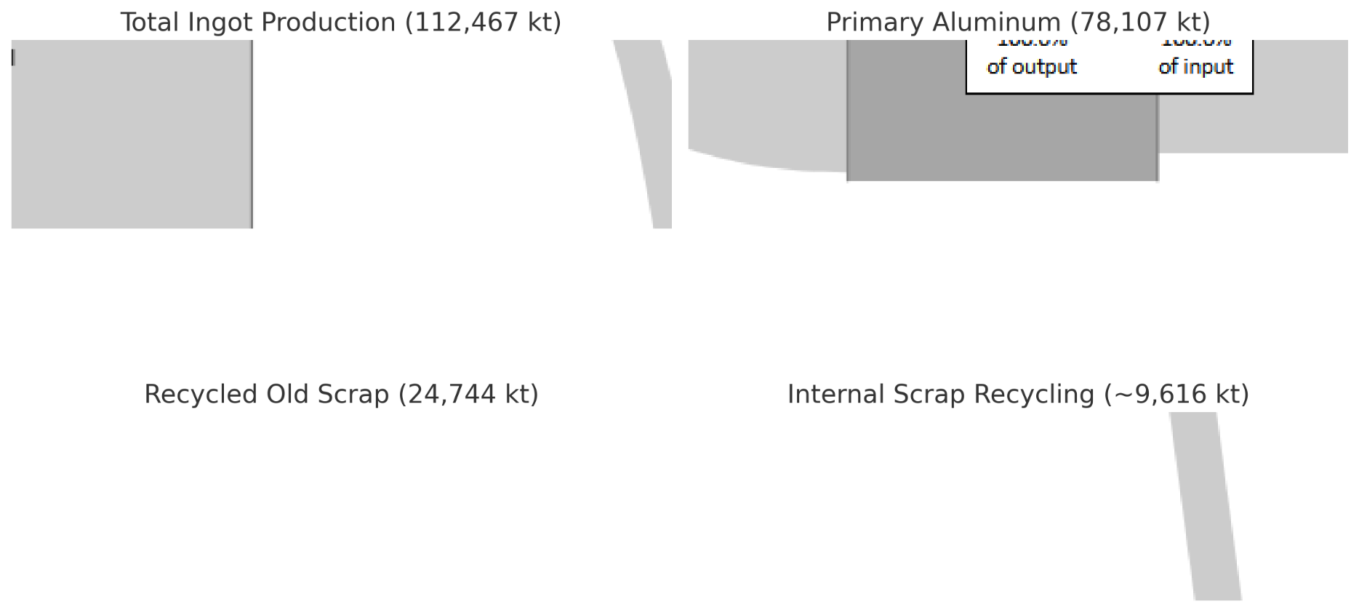
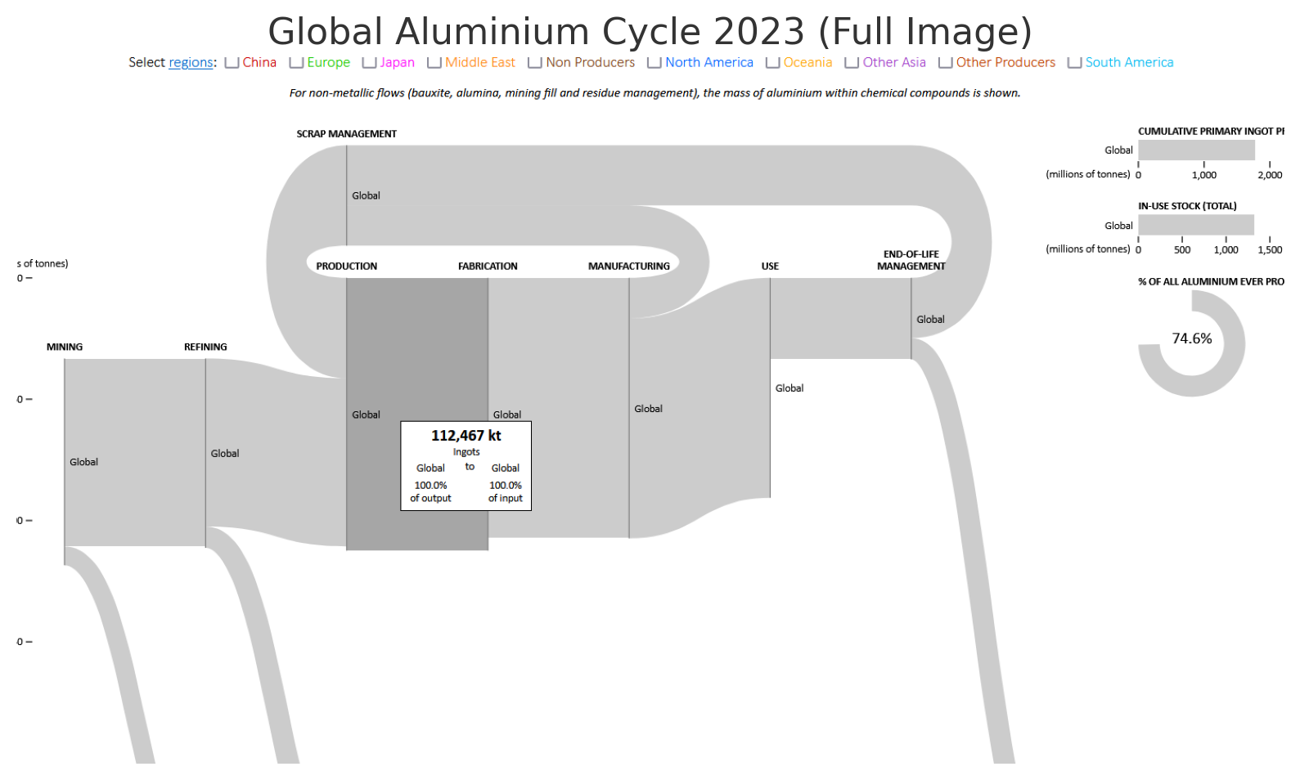
 |  | Comments

2023 | https://en.wikipedia.org/wiki/List_of_countries_by_aluminium_production | 70 Mt | Production mass flow available

2022 | https://en.wikipedia.org/wiki/Aluminium_recycling | US : 34%

2023 | https://pubs.usgs.gov/periodicals/mcs2024/mcs2024-aluminum.pdf | US recycling: 38%
 | In 2023, aluminum recovered from purchased scrap in the United States was about 3.3 million tons, of
 | which about 55% came from new (manufacturing) scrap and 45% from old scrap (discarded aluminum products).
 | Aluminum recovered from old scrap was equivalent to about 38% of apparent consumption.

2018 | https://www.aluminum.org/sites/default/files/2021-11/FactSheet2018.pdf
2023 | https://alucycle.international-aluminium.org/public/global/index.html | in kt
 | Total Ingot Production (figure) | 112,467
 | Primary Aluminum (from refining) (figure) | 78107
 | Recycled Old Scrap (figure) | 24,744
 | Internal Scrap Recycling (calculated) | 9616
 | Recycling % | 31 | Used in Sankey

