Sheet1
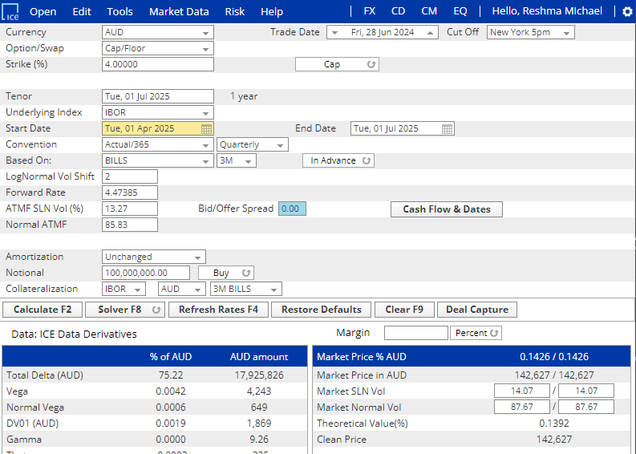

Start Date | 1-Apr-25
End Date | 1-Jul-25
Notional Per Fixing | Unchanged
Payment Type | In Advance
CapFloating - AUD
Frequency | Quarterly
Notional | 100,000,000
Fixing Date | Start Date | End Date | Days | Fixed Rate | Notional | Payment Date | Discount Factor | Cash Flow | Cash Flow PV | Principal Payment | Total Payment
1-Apr-25 | 1-Apr-25 | 1-Jul-25 | 91 | 4.474 | 100,000,000 | 1-Jul-25 | 0.9559 | 149,205 | 142,627 | 100,000,000 | 100,149,205

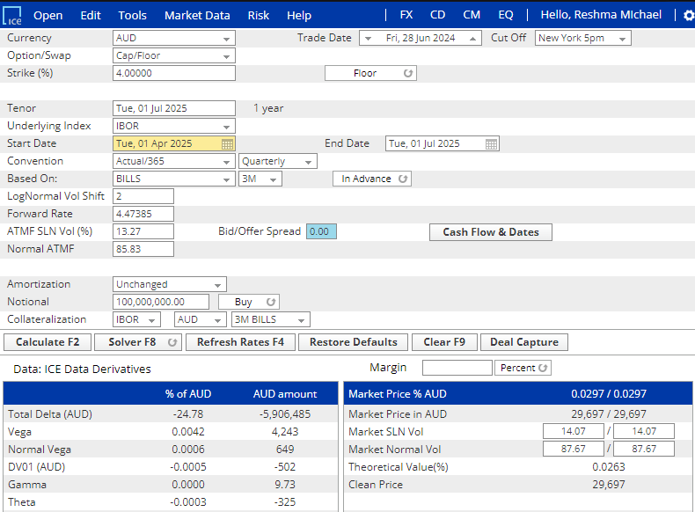

Start Date | 1-Apr-25
End Date | 1-Jul-25
Notional Per Fixing | Unchanged
Payment Type | In Advance
CapFloating - AUD
Frequency | Quarterly
Notional | 100,000,000.00
Fixing Date | Start Date | End Date | Days | Fixed Rate | Notional | Payment Date | Discount Factor | Cash Flow | Cash Flow PV | Principal Payment | Total Payment
1-Apr-25 | 1-Apr-25 | 1-Jul-25 | 91 | 4.47386 | 100,000,000 | 1-Jul-25 | 0.95591 | 31,066 | 29,697 | 100,000,000 | 100,031,066

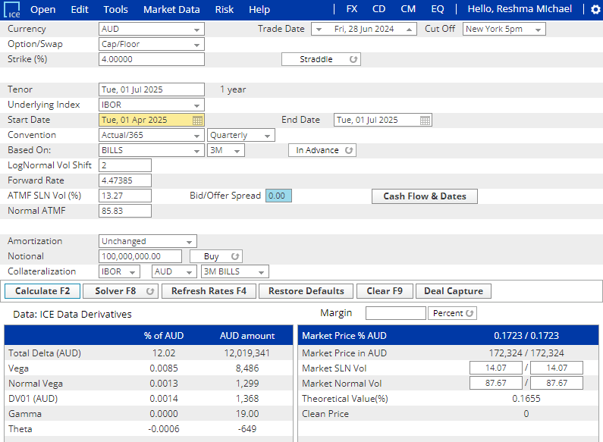

Start Date | 1-Apr-25
End Date | 1-Jul-25
Notional Per Fixing | Unchanged
Payment Type | In Advance
CapFloating - AUD
Frequency | Quarterly
Notional | 100,000,000
Fixing Date | Start Date | End Date | Days | Fixed Rate | Notional | Payment Date | Discount Factor | Cash Flow | Cash Flow PV | Principal Payment | Total Payment
1-Apr-25 | 1-Apr-25 | 1-Jul-25 | 91 | 4.474 | 100,000,000 | 1-Jul-25 | 0.9559 | 180,272 | 172,324 | 100,000,000 | 100,149,205

