Sheet1
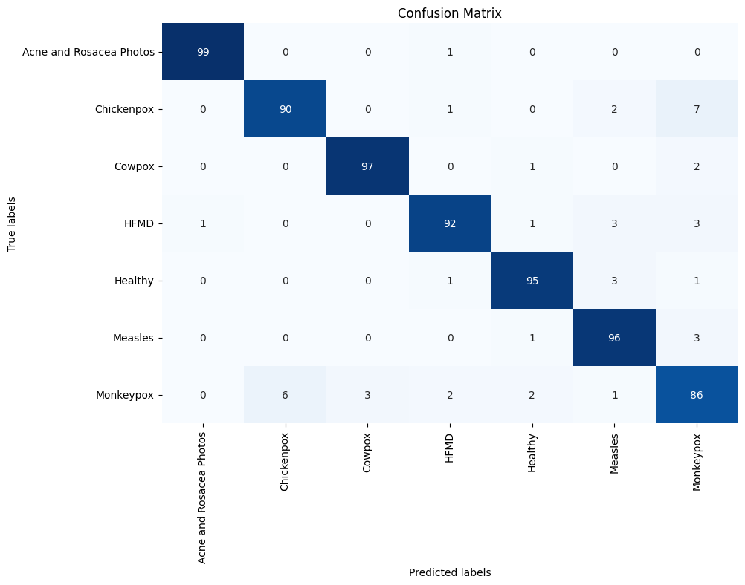
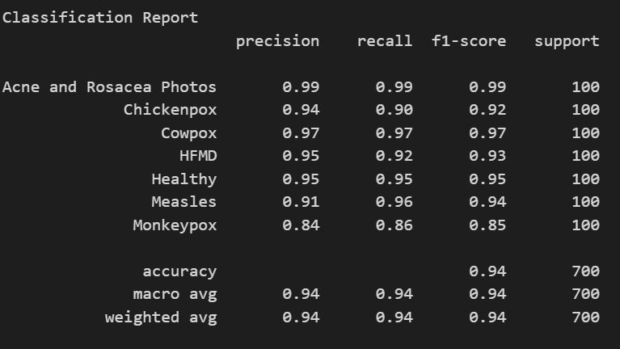
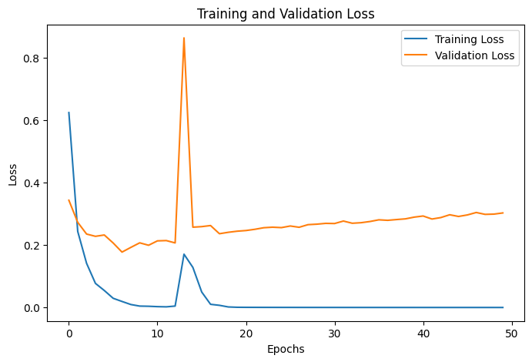
MobileNetV1 |  | Model | Validation Accuracy (%) | Test Accuracy (%) | Key Observations | Model | Precision | Recall | Accuracy | F1 Score
Final Validation Accuracy: 94.79% |  | MobileNetV1 | 94.79 | 93.57 | Efficient, lightweight; good for Jetson Nano but struggles with subtle lesion variations. | MobileNetV1 | 0.94 | 0.94 | 0.94 | 0.94
Test Accuracy: 93.57% |  | MobileNetV2 | 93.3 | 93.29 | Improved over V1, faster than DenseNet, but reduced accuracy in closely related lesions. | MobileNetV2 | 0.93 | 0.93 | 0.93 | 0.93
 |  | MobileNetV3-Small | 42.56 | 42.71 | Extreme compression led to loss of crucial features, frequent misclassifications. | MobileNetV3-Small | 0.51 | 0.43 | 0.43 | 0.4
 |  | MobileNetV3-Large | 54.17 | 55.43 | Slightly better than Small variant but still unreliable for real-world diagnosis. | MobileNetV3-Large | 0.56 | 0.55 | 0.55 | 0.53
 |  | DenseNet121 | 95.24 | 94.57 | Strong generalization, efficient feature reuse, and real-time deployability. | DenseNet121 | 0.95 | 0.95 | 0.95 | 0.95
 |  | DenseNet169 | 96.13 | 95.14 | Deeper feature extraction reduced false positives, but increased computational cost. | DenseNet169 | 0.95 | 0.95 | 0.95 | 0.95
 |  | DenseNet201 | 94.79 | 94.14 | Overfitting signs, no major improvement over DenseNet169, increased resource demand. | DenseNet201 | 0.94 | 0.94 | 0.94 | 0.94
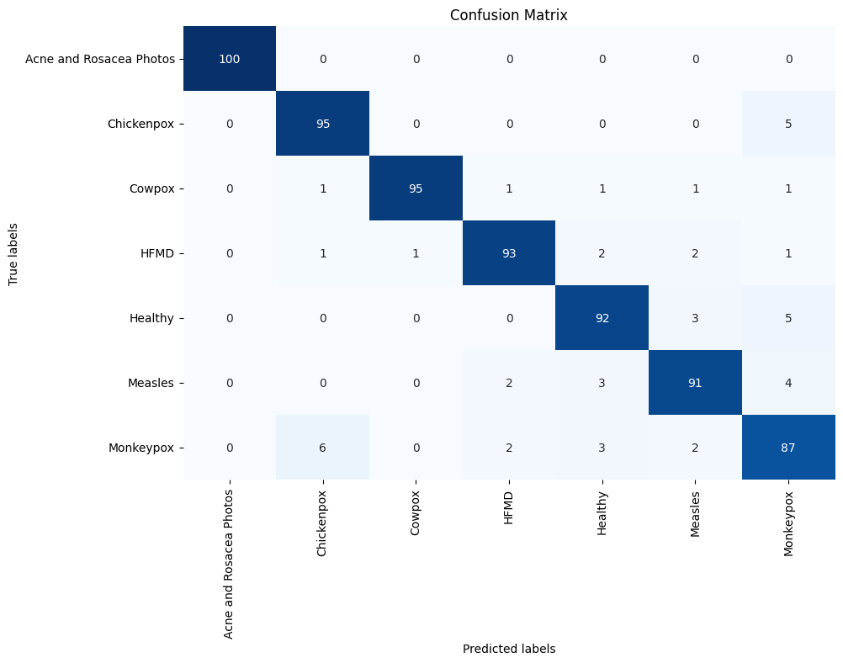
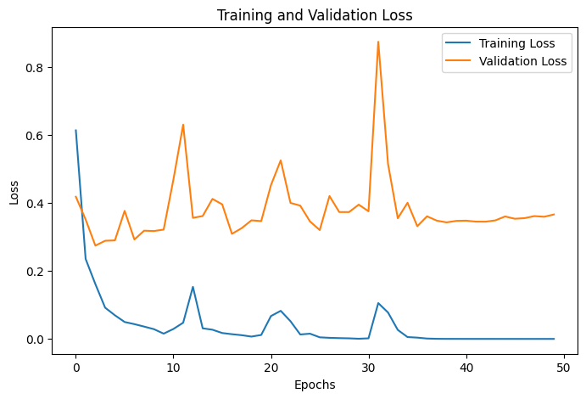
 |  | Xception | 91.82 | 92.14 | Efficient with depthwise convolutions but struggled with small lesion variations. | Xception | 0.92 | 0.92 | 0.92 | 0.92
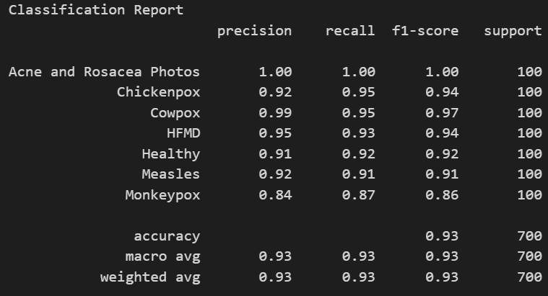
MobileNetV2 |  | InceptionV3 | 91.37 | 89.43 | Multi-scale filters improved feature extraction, but inference time was high. | InceptionV3 | 0.89 | 0.89 | 0.89 | 0.89
Final Validation Accuracy: 93.30% |  | InceptionResNetV2 | 93.9 | 93.14 | Strong generalization and feature extraction but computationally expensive. | InceptionResNetV2 | 0.93 | 0.93 | 0.93 | 0.93
Test Accuracy: 93.29% |  | ResNet50 | 53.12 | 51.71 | Standard residual learning insufficient for fine-grained medical image analysis. | ResNet50 | 0.66 | 0.52 | 0.52 | 0.52
 |  | ResNet50V2 | 94.2 | 94.43 | Batch normalization improved performance significantly over ResNet50. | ResNet50V2 | 0.95 | 0.94 | 0.94 | 0.94
 |  | ResNet101 | 55.95 | 55.57 | Overfitting and excessive depth resulted in poor classification. | ResNet101 | 0.59 | 0.56 | 0.56 | 0.55
 |  | ResNet101V2 | 94.64 | 94.43 | Improved stability and gradient flow over ResNet101. | ResNet101V2 | 0.94 | 0.94 | 0.94 | 0.94
 |  | ResNet152 | 54.61 | 54.29 | Increased depth did not enhance performance, still unreliable. | ResNet152 | 0.54 | 0.54 | 0.54 | 0.52
 |  | ResNet152V2 | 94.2 | 94.14 | V2 optimizations significantly enhanced classification accuracy. | ResNet152V2 | 0.94 | 0.94 | 0.94 | 0.94
 |  | NASNetLarge | 90.92 | 91.86 | Neural architecture search optimized feature extraction but had high latency. | NASNetLarge | 0.92 | 0.92 | 0.92 | 0.92
 |  | NASNetMobile | 90.92 | 89.86 | Lightweight model with reasonable performance but not as effective as DenseNet. | NASNetMobile | 0.92 | 0.92 | 0.92 | 0.92
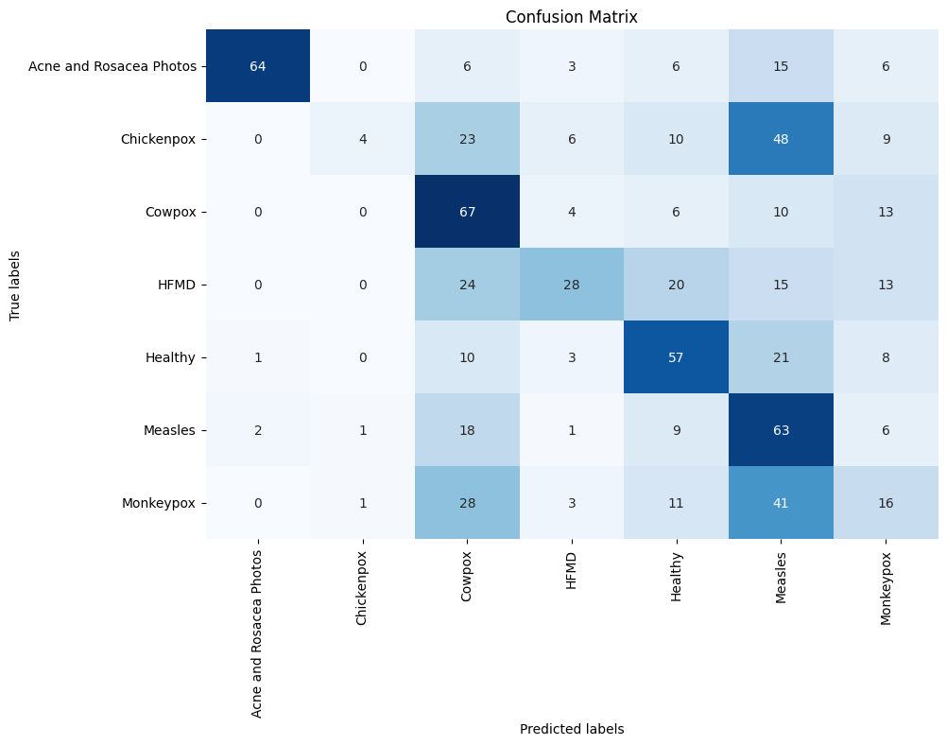
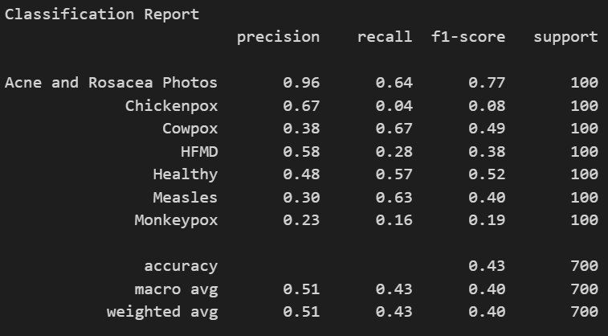
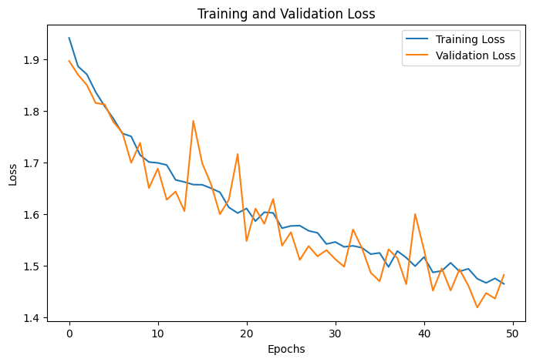
MobileNetV3Small |  | ConvNeXt-Tiny | 69.05 | 65.14 | Moderate performance but lagged behind DenseNet and ResNetV2. | ConvNeXt-Tiny | 0.72 | 0.65 | 0.65 | 0.64
Final Validation Accuracy: 42.56% |  | SE-DenseNet121 | 97.77 | 96.86 | Best model; channel-wise attention boosted feature extraction and accuracy. | SE-DenseNet121 | 0.97 | 0.97 | 0.97 | 0.97
Test Accuracy: 42.71% |  | SE-DenseNet169 | 94.05 | 90.71 | Improved over DenseNet169 but misclassification in Monkeypox affected accuracy. | SE-DenseNet169 | 0.92 | 0.91 | 0.91 | 0.91

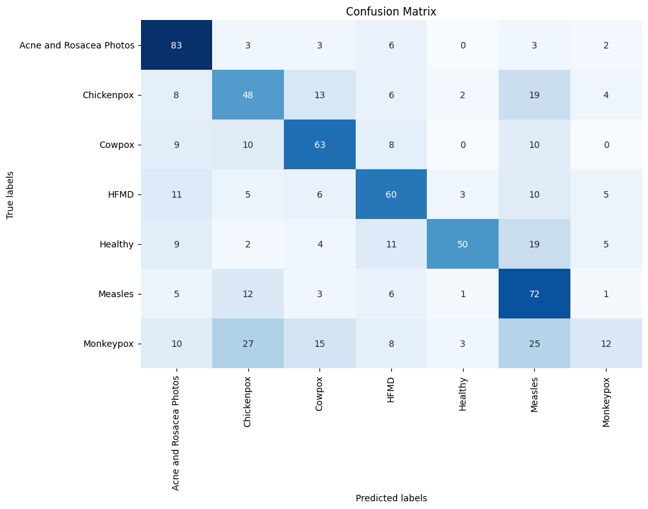
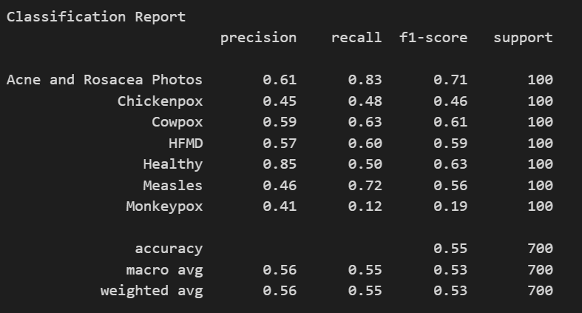
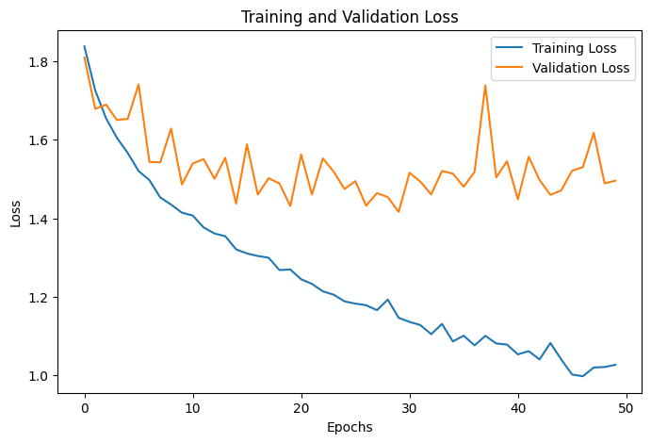
MobileNetV3Large
Final Validation Accuracy: 54.17%
Test Accuracy: 55.43%



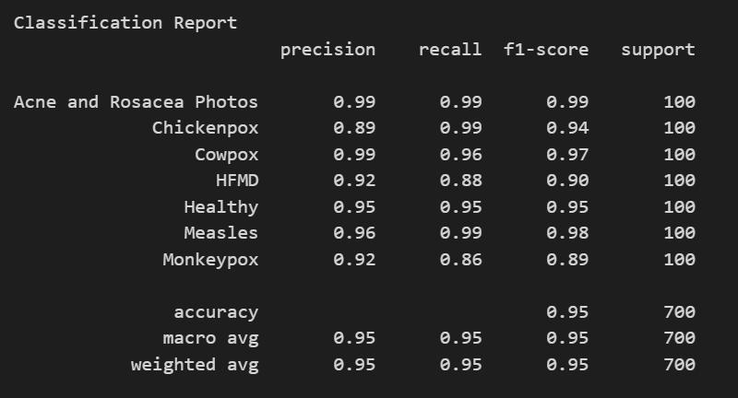
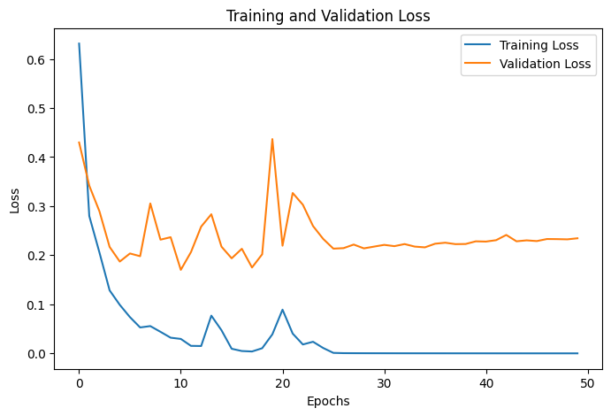

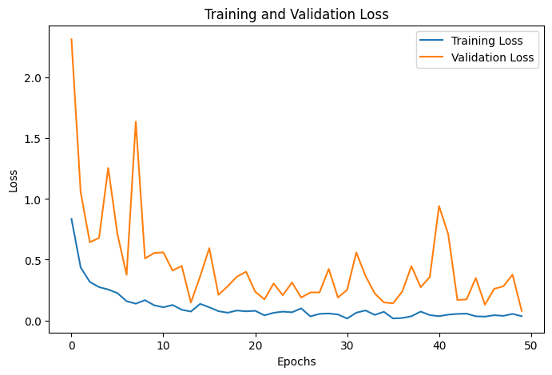
DenseNet121 | SE+DenseNet121
Final Validation Accuracy: 95.24% | Final Validation Accuracy: 97.77%
Test Accuracy: 94.57% | Test Accuracy: 96.86%


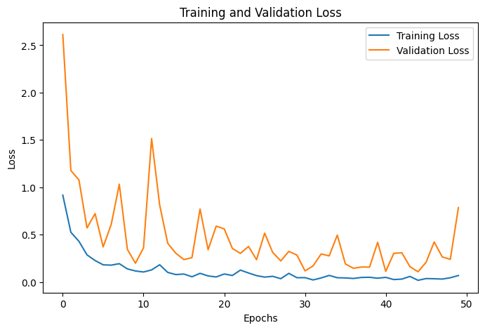
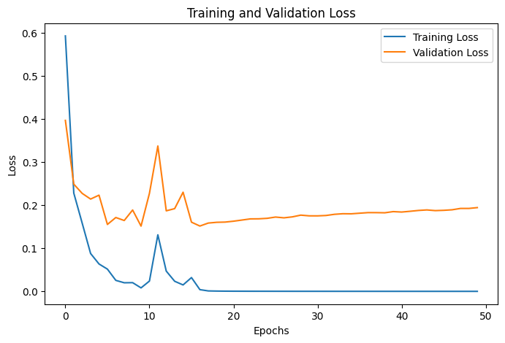
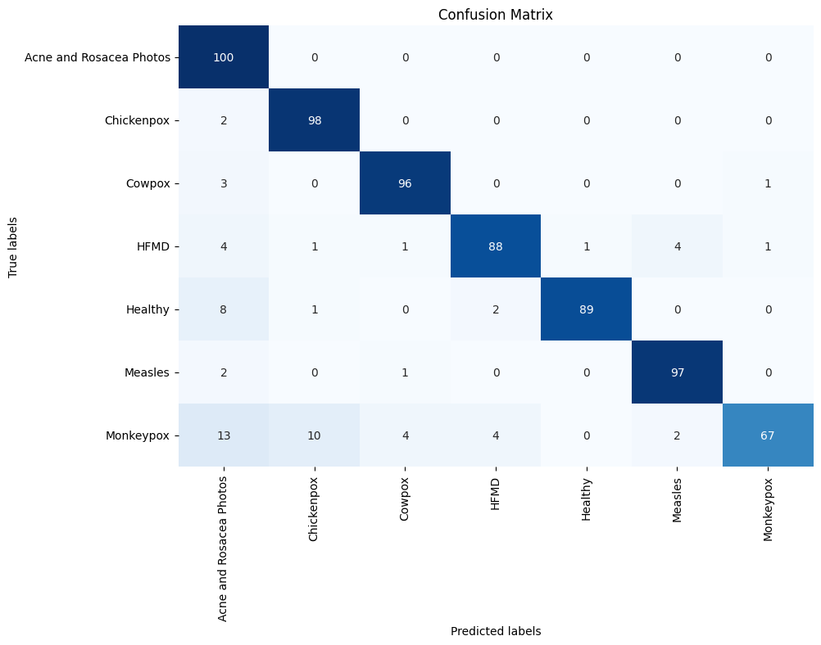

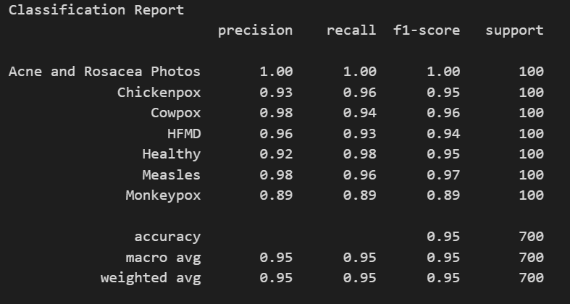
DenseNet169 | SE+DenseNet169
Final Validation Accuracy: 96.13% | Final Validation Accuracy: 94.05%
Test Accuracy: 95.14% | Test Accuracy: 90.71%

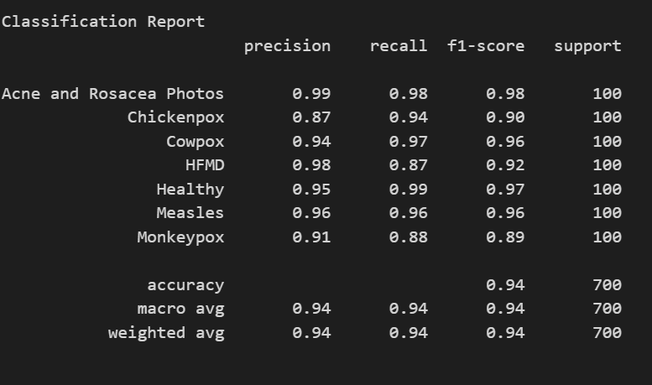
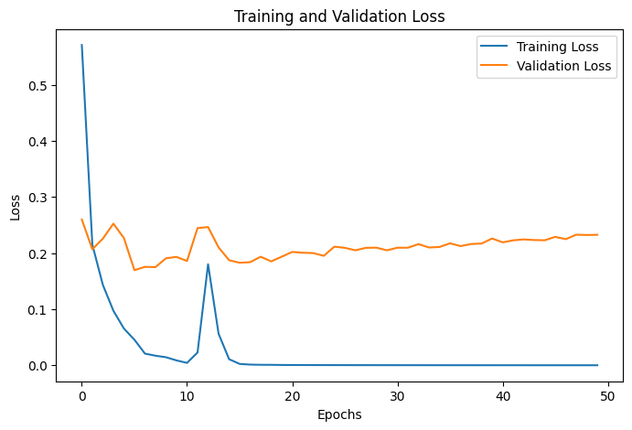

DenseNet201
Final Validation Accuracy: 94.79%
Test Accuracy: 94.14%

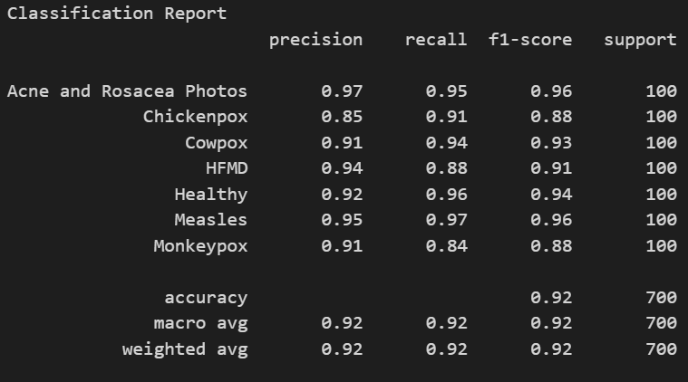
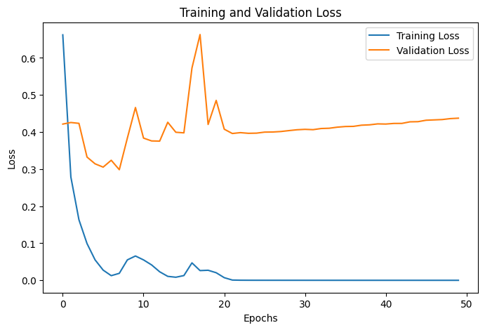

Xception
Final Validation Accuracy: 91.82%
Test Accuracy: 92.14%

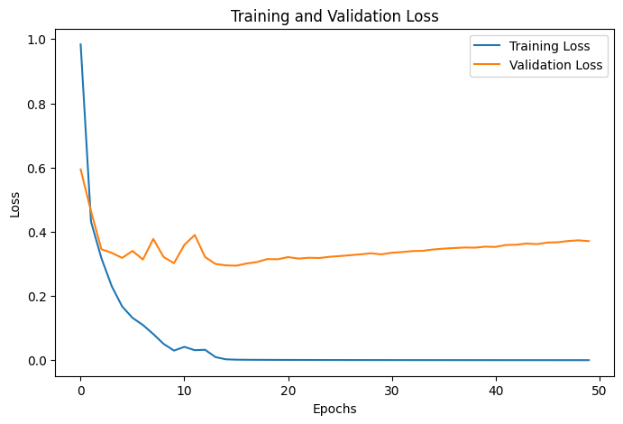

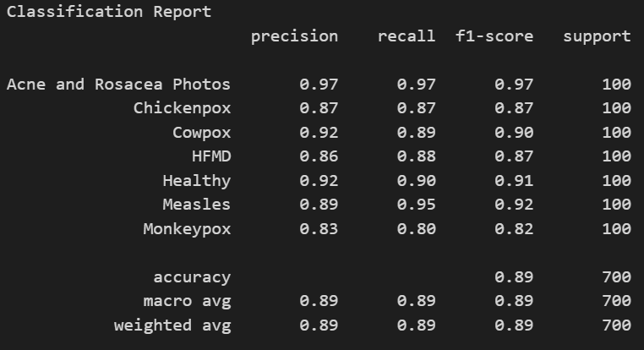
InceptionV3
Final Validation Accuracy: 91.37%
Test Accuracy: 89.43%

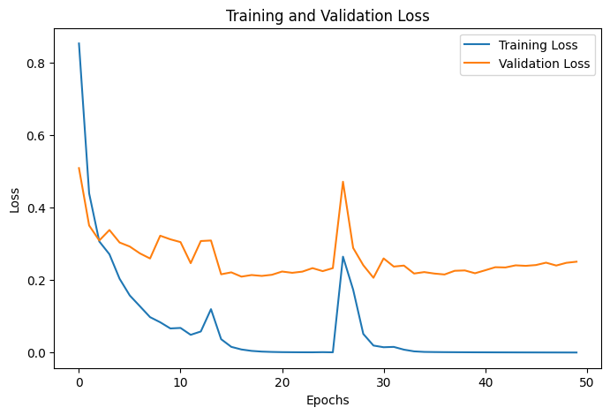
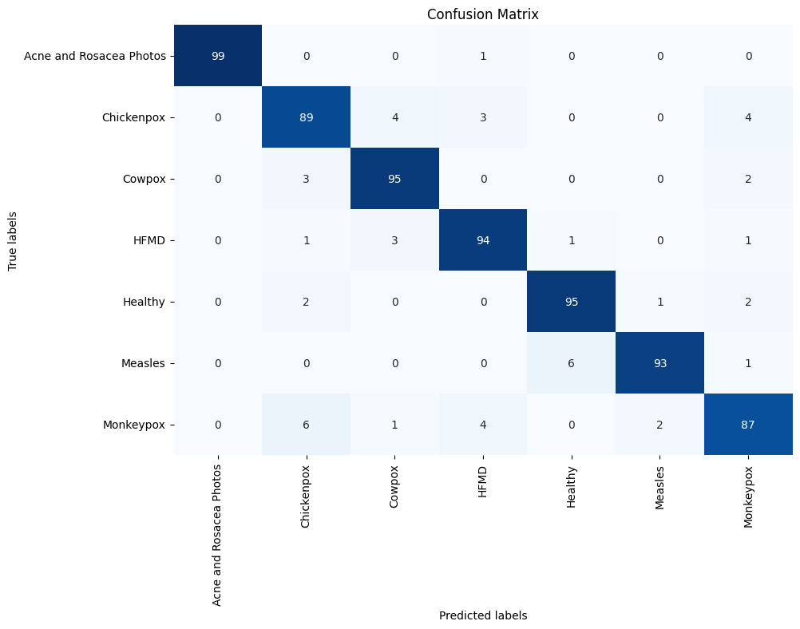

InceptionResNetV2
Final Validation Accuracy: 93.90%
Test Accuracy: 93.14%

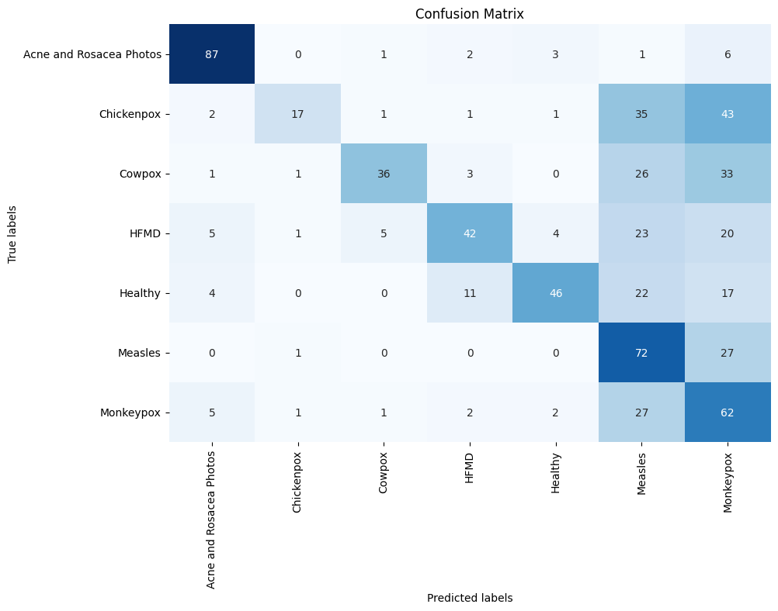

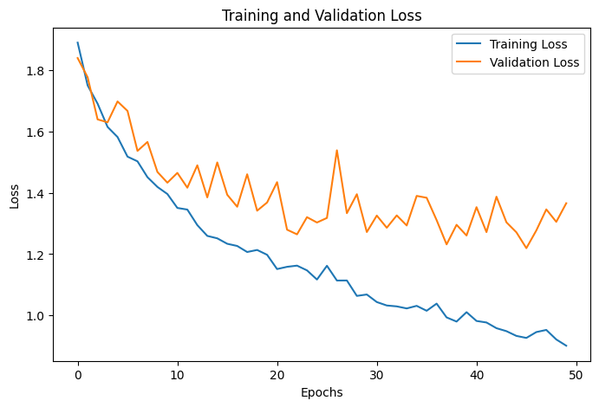

ResNet50
Final Validation Accuracy: 53.12%
Test Accuracy: 51.71%


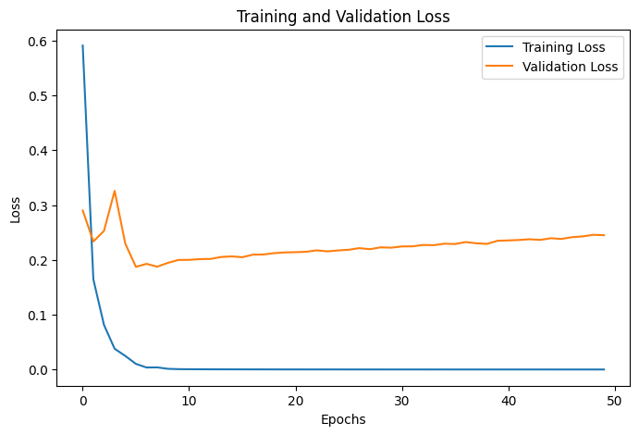

ResNet50V2
Final Validation Accuracy: 94.20%
Test Accuracy: 94.43%

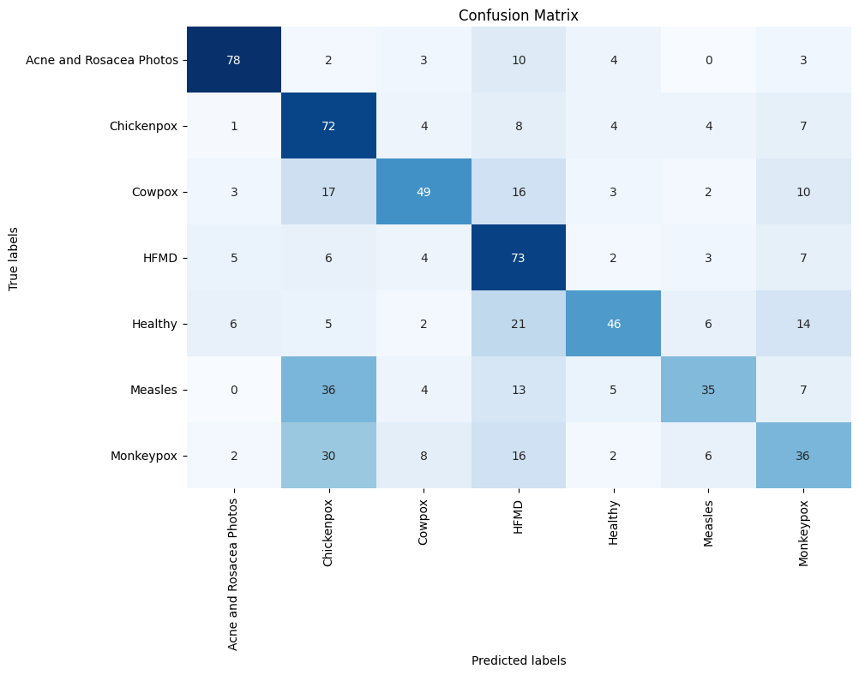

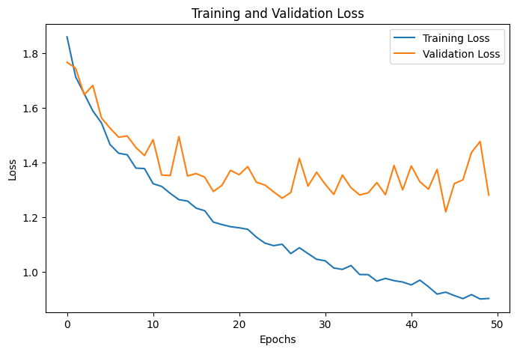
ResNet101
Final Validation Accuracy: 55.95%
Test Accuracy: 55.57%

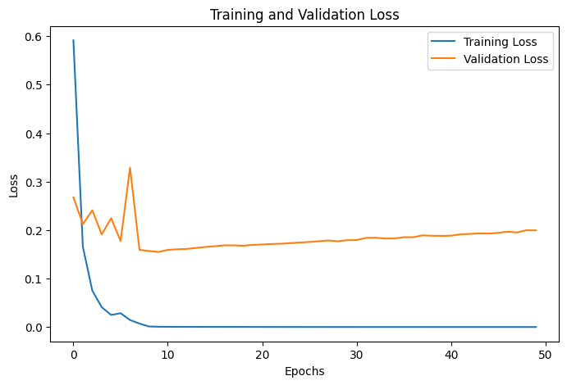


ResNet101V2
Final Validation Accuracy: 94.64%
Test Accuracy: 94.43%

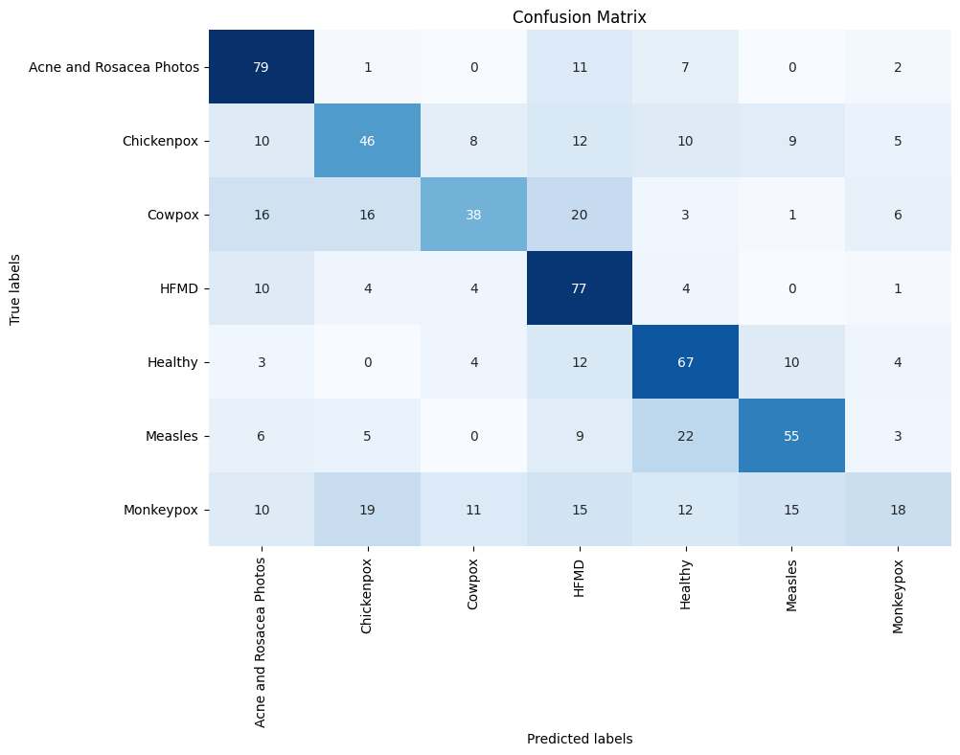
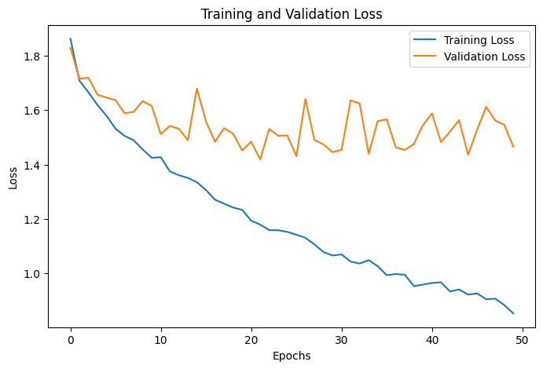
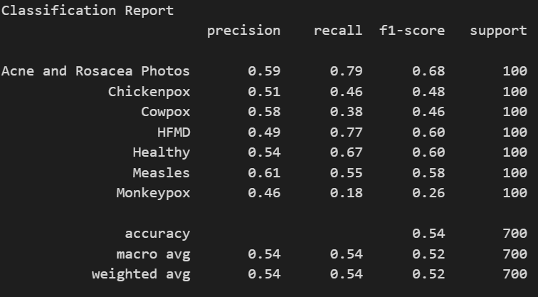
ResNet152
Final Validation Accuracy: 54.61%
Test Accuracy: 54.29%


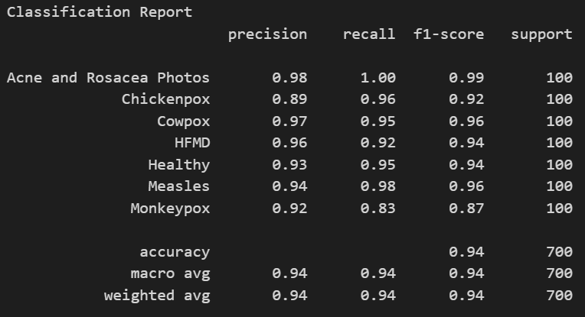
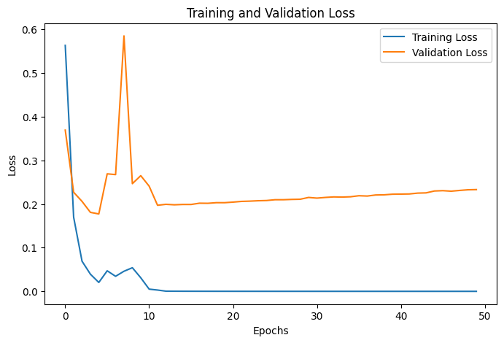
ResNet152V2
Final Validation Accuracy: 94.20%
Test Accuracy: 94.14%


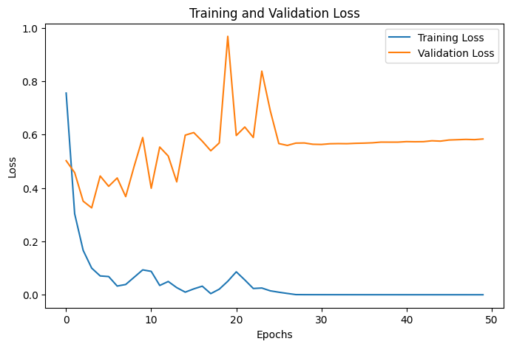

NASNetLarge
Final Validation Accuracy: 90.92%
Test Accuracy: 91.86%

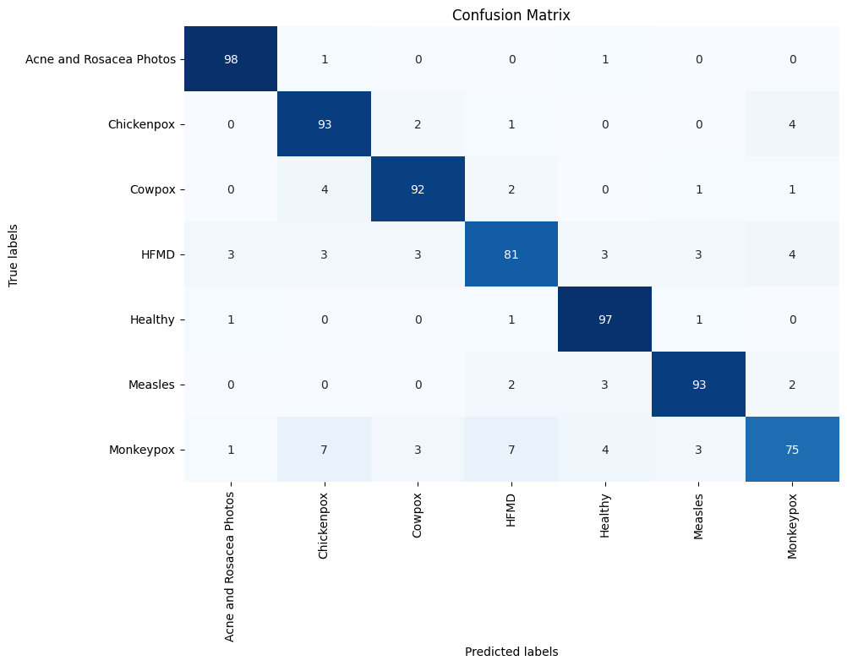
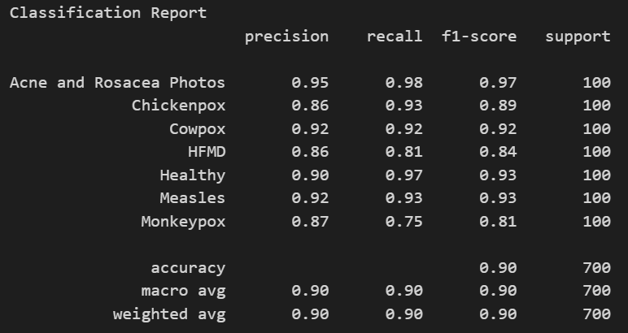
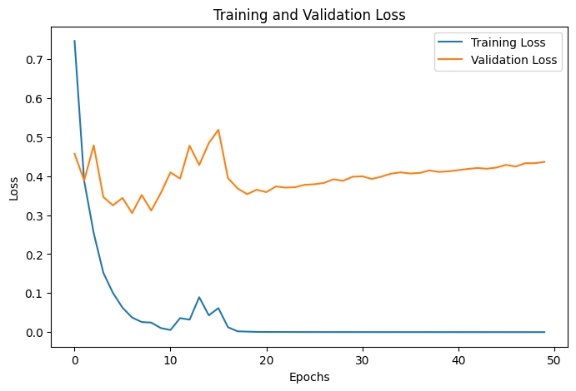

NASNetMobile
Final Validation Accuracy: 90.92%
Test Accuracy: 89.86%

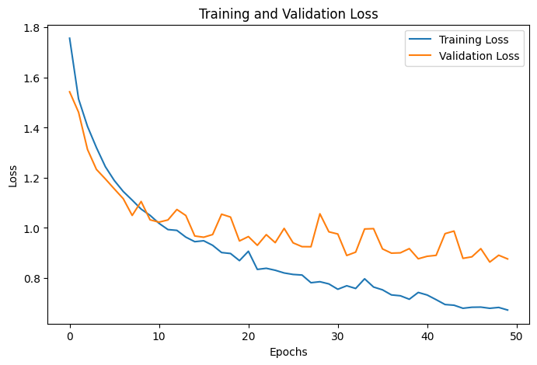
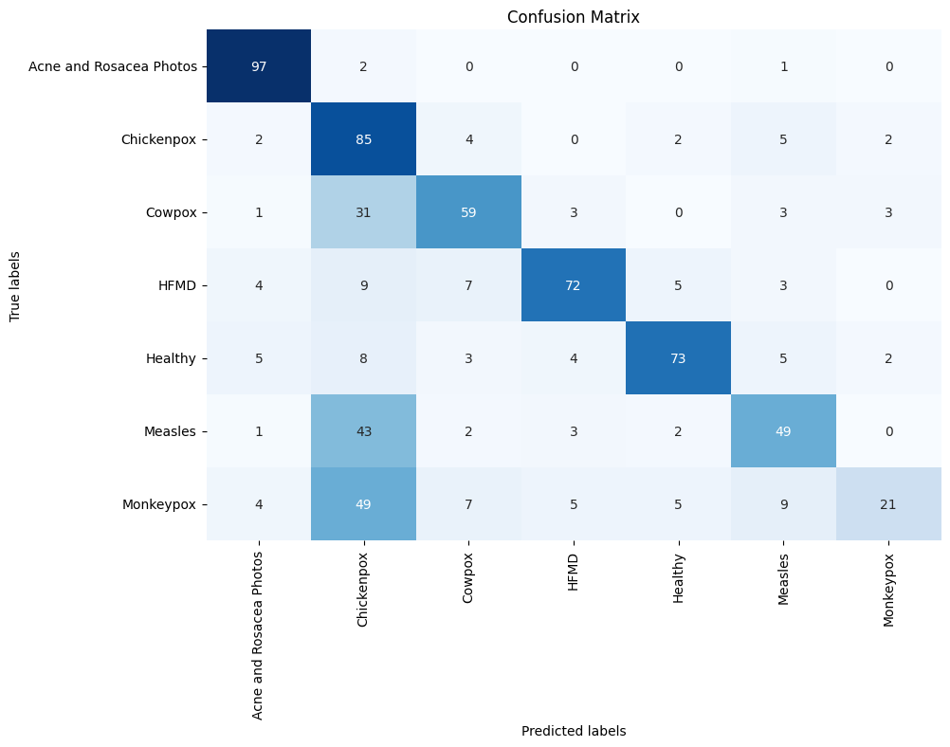
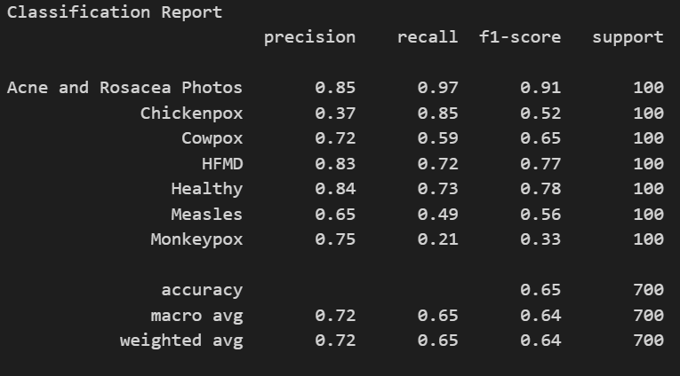
ConvNeXt Tiny
Final Validation Accuracy: 69.05%
Test Accuracy: 65.14%

ConvNeXt Small

ConvNeXt Base

ConvNeXt Large

ConvNeXt XLarge

