Custom Formatting
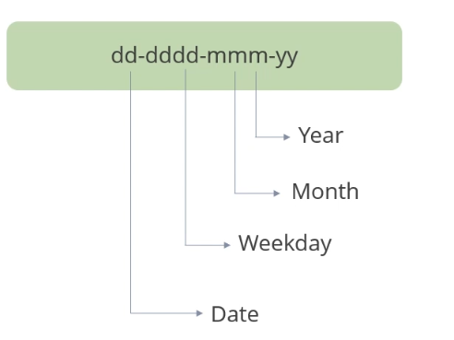
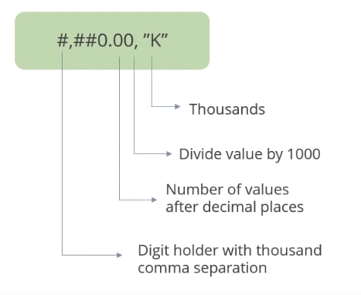
Dates | Order ID | Product | Salesman | Region | No. Custo | Net Sales | Profit / Loss
2012-01-01 | 1111 | Product1 | Adam | North | 8 | 7.16K | 844.16
2012-01-02 | 1112 | Product2 | Adam | North | 8 | 6.53K | 3,376.63
2012-01-03 | 1113 | Product3 | Adam | West | 8 | 2.52K | 2,280.00
2012-01-05 | 1115 | Product2 | Adam | West | 10 | 9.66K | 1,737.35
2012-01-06 | 1116 | Product3 | Adam | Middle | 10 | 11.55K | 854.7
2012-01-07 | 1117 | Product1 | Adam | Middle | 7 | 7.90K | 2,565.11
2012-01-08 | 1118 | Product2 | Adam | Middle | 7 | 8.10K | 1,063.21
2012-01-09 | 1119 | Product3 | Adam | North | 8 | 12.18K | 1,864.03
2012-01-10 | 1120 | Product1 | Adam | North | 6 | 4.90K | 2,653.62
2012-01-11 | 1121 | Product2 | Adam | North | 9 | 2.28K | 1,913.75
2012-01-12 | 1122 | Product3 | Adam | West | 9 | 8.05K | 4,092.73
2012-01-13 | 1123 | Product2 | Adam | West | 9 | 8.05K | 4,092.73
2012-01-14 | 1124 | Product2 | Adam | West | 6 | 11.25K | 1,900.80

