Dashboard
The below matrix is dynamic, where the user can change the filters under the 'Queue Summary Dashboard', to reflect what you'd like to see in the matrix. The matrix reflects the MW (nameplate capacity) in each state throughout time. The greener the numbers, the greater the MW.

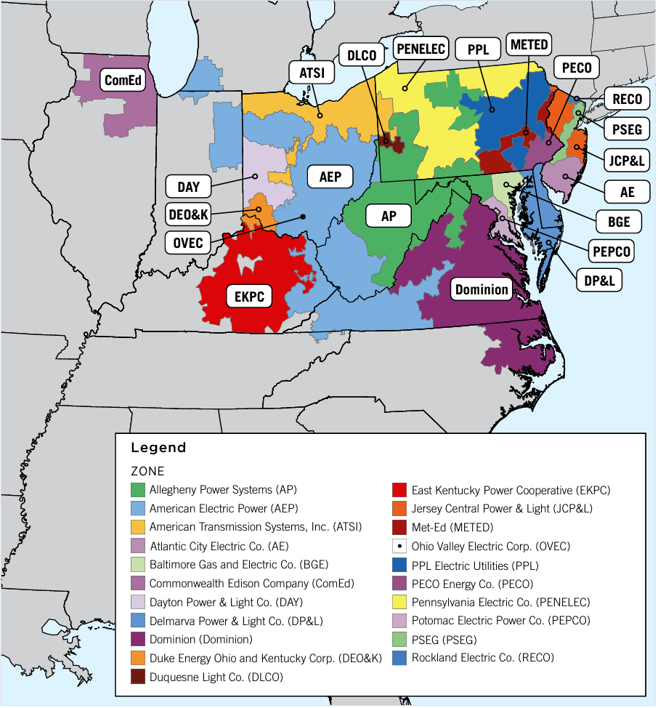
Queue Summary Dashboard
Project Type | (All) | < Filter by project type here
Fuel | (All) | < Fuel type here
Status | (Multiple Items) | < Status here (e.g., in service, withdrawn, under construction, etc.)

Sum of MW Capacity | Column Labels
In Service Date | DC | DE | IL | IN | KY | MD | MI | NC | NJ | OH | PA | TN | VA | WV | Grand Total
2014 |  | 2.00 | 628.20 | 76.00 |  | - |  |  | 54.43 | 36.00 | 31.40 |  | 53.70 | 83.70 | 965.43
2015 | - | 316.20 | 155.00 | 8.00 | 6.00 | 139.56 |  | 94.50 | 383.70 | 192.30 | 331.51 |  | 1,357.82 | 46.38 | 3,030.97
2016 |  |  | 35.00 | 5.05 |  | 734.50 | 1,120.30 | 18.10 | 1,712.41 | 45.00 | 1,606.90 |  | 1,494.02 | 36.60 | 6,807.88
2017 |  |  |  | 100.00 |  | 962.30 |  |  | 825.99 | 1,600.00 | 717.48 |  | 1,043.12 | 5.50 | 5,254.39
2018 |  | 10.00 | 43.50 | 741.00 | 25.00 | 787.32 | 20.00 | 188.50 | 601.90 | 1,394.80 | 4,008.20 |  | 431.40 | 28.00 | 8,279.62
2019 |  |  | 207.20 |  |  | 59.80 |  | 132.80 | 81.98 | 121.84 | 2,061.63 |  | 1,807.70 | 5.80 | 4,478.75
2020 |  |  | 576.40 | 217.16 |  | 5.80 | 38.80 | 211.20 | 44.92 | 240.60 | 1,046.20 |  | 432.60 | 25.30 | 2,838.98
2021 |  | 65.58 | 598.98 | 1,270.10 | 110.00 | 125.66 |  | 241.86 | 190.67 | 2,240.53 | 2,237.56 |  | 2,150.19 | 125.14 | 9,356.27
2022 |  | 62.88 | 2,862.24 | 2,848.10 | 1,162.77 | 163.29 | 1,476.10 | 383.10 | 637.80 | 4,300.94 | 1,905.19 |  | 3,836.72 | 153.61 | 19,792.74
2023 |  | 297.90 | 5,967.33 | 5,071.52 | 1,616.07 | 1,050.41 | 293.00 | 890.10 | 779.37 | 5,498.49 | 3,780.27 |  | 11,142.36 | 1,181.38 | 37,568.20
2024 |  | 235.70 | 4,442.50 | 5,640.28 | 3,196.28 | 1,321.58 | 28.40 | 421.00 | 797.80 | 7,206.82 | 3,900.60 |  | 9,795.12 | 3,028.36 | 40,014.45
2025 |  | 656.80 | 6,263.08 | 5,444.80 | 729.41 | 2,006.30 | 618.00 | 466.47 | 1,581.51 | 8,392.22 | 3,370.10 | 93.80 | 9,644.94 | 1,603.52 | 40,870.96
2026 |  | 493.50 | 3,789.80 | 4,116.70 | 969.48 | 939.58 | 302.80 | 520.80 | 742.60 | 2,929.16 | 1,210.93 |  | 4,185.72 | 2,996.93 | 23,198.00
2027 |  | 1,155.00 | 4,135.70 | 482.90 | 861.38 | 1,261.28 |  | 98.60 | 2,260.44 | 1,127.32 | 1,489.92 |  | 3,090.00 | 1,172.35 | 17,134.89
2028 |  |  | 1,083.60 | 694.58 | 735.00 | 339.00 | 352.00 | 341.30 | 600.00 | 1,305.80 | 181.97 |  | 1,526.05 | 405.60 | 7,564.90
2029 |  |  |  | 200.00 | 144.00 |  |  |  | 2,106.44 | 271.60 | 63.80 |  | 510.39 |  | 3,296.23
2030 |  |  |  | 174.00 |  |  |  |  | 7,129.56 |  |  |  |  |  | 7,303.56
2031 |  |  |  |  |  |  |  |  | 281.60 |  |  |  |  |  | 281.60
Blank |  |  |  |  |  |  |  |  |  | 16.00 |  |  |  |  | 16.00
Grand Total | - | 3,295.56 | 30,788.54 | 27,090.19 | 9,555.39 | 9,896.38 | 4,249.40 | 4,008.33 | 20,813.13 | 36,919.43 | 27,943.66 | 93.80 | 52,501.85 | 10,898.17 | 238,053.82

