Robustness & Betweeness
 |  |  |  |  |  | NETWORK NODES AND LINKS STRUCTURE AND METRICS

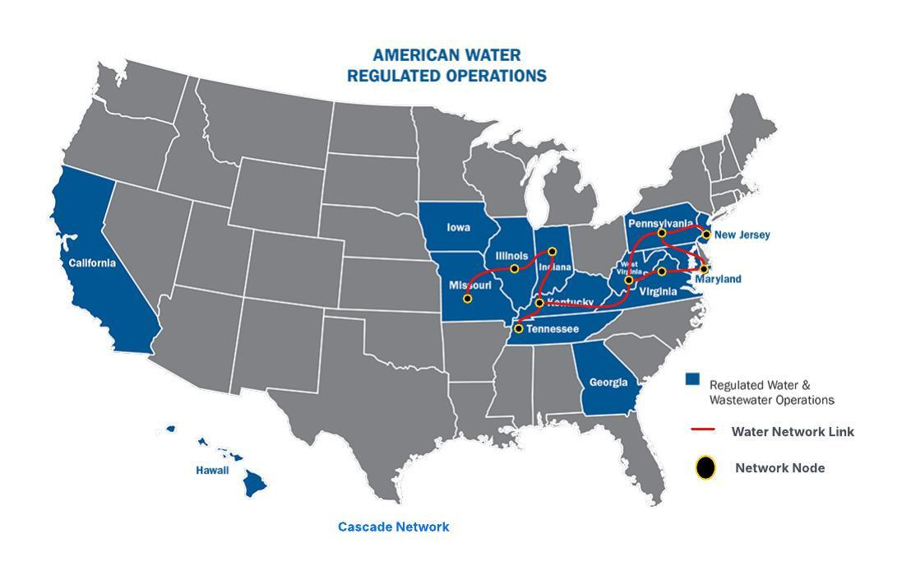


 | Adjacency Matrix | Illinois | Indiana | Kentucky | Maryland | Missouri | New Jersey | Pennsylvania | Tennessee | West Virginia | Virginia
 | Illinois | 0 | 1 | 0 | 0 | 1 | 0 | 0 | 0 | 0 | 0
 | Indiana | 1 | 0 | 1 | 0 | 0 | 0 | 0 | 0 | 0 | 0
 | Kentucky | 0 | 1 | 0 | 0 | 0 | 0 | 0 | 1 | 1 | 0
 | Maryland | 0 | 0 | 0 | 0 | 0 | 0 | 1 | 0 | 0 | 1
 | Missouri | 1 | 0 | 0 | 0 | 0 | 0 | 0 | 0 | 0 | 0
 | New Jersey | 0 | 0 | 0 | 0 | 0 | 0 | 1 | 0 | 0 | 0
 | Pennsylvania | 0 | 0 | 0 | 1 | 0 | 1 | 0 | 0 | 0 | 1
 | Tennessee | 0 | 0 | 1 | 0 | 0 | 0 | 0 | 0 | 0 | 0
 | West Virginia | 0 | 0 | 1 | 0 | 0 | 0 | 1 | 0 | 0 | 1
 | Virginia | 0 | 0 | 0 | 1 | 0 | 0 | 0 | 0 | 1 | 0

 | Nodes | Links/ Node Degree | Network Degree | Average/ Mean Degree | Spectral Radius | Link Robustness | Node Robustness | Blocking Nodes |  | No. Of Nodes In Network
 | Illinois | 2 |  |  |  |  |  |  |  | 10
 | Indiana | 2
 | Kentucky | 3
 | Maryland | 2
 | Missouri | 1
 | New Jersey | 1
 | Pennsylvania | 3
 | Tennessee | 1
 | West Virginia | 3
 | Virginia | 2
 | Total | 20 | 3 | 2 | 2.27 | 0.00% | 55.95% | 44.05%
 |  | 2 x Links |  |  |  | 0 | 5.59 | 4.41
 |  |  |  |  |  | Links that can be removed. | Nodes that can be removed. | Blocking Nodes that can be removed
 | Note: Spectral Radius derived from the python code

 |  |  |  |  | NETWORK NODES AND LINKS BETWEENESS CENTRALITY

 | Nodes | Cascade Betweeness | Flow Betweeness
 | Illinois | 0.22 | 0.22
 | Indiana | 0.39 | 0.39
 | Kentucky | 0.64 | 0.64
 | Maryland | 0.00 | 0.01 |  | Note: The Cascade and Flow Betweeness Centralities for the respective nodes were derived from the python script.
 | Missouri | 0.00 | 0.00
 | New Jersey | 0.00 | 0.00
 | Pennsylvania | 0.31 | 0.26
 | Tennessee | 0.00 | 0.00
 | West Virginia | 0.56 | 0.57
 | Virginia | 0.08 | 0.29

Shashank Shivakumar Niveditha

Resilience
Resilience Equation

 | Simulation Graph 1: Cascade Network - Gamma = 20%

 | Simulation Graph 2: Cascade Network - Gamma = 80%

 | Simulation Graph 3: Flow Network - Gamma = 20%

 | Simulation Graph 4: Flow Network - Gamma = 80%

 | RESILIENCE EQUATION: Log(q) = b + k * gamma * ro

Cascade Netwrok |  |  |  | Flow Network

MBRA | ro = | 2.27 | 2.27 | MBRA | ro = | 2.27 | 2.27
 | gamma = | 20% | 80% |  | gamma = | 20% | 80%
 | q = | 1.60 | 0.98 |  | q = | 0.81 | 0.75
 | log (q) = | 0.20 | -0.009 |  | log (q) = | -0.09 | -0.125
 | gamma*ro = | 0.45 | 1.82 |  | gamma*ro = | 0.45 | 1.82
Therefore |  |  |  | Therefore
 | k = | -0.16 |  |  | k = | -0.02
 | b = | 0.28 |  |  | b = | -0.08

Critical Vulnerability |  |  |  | Critical Vulnerability

 | gamm0= | 0.78 |  |  | gamm0= | -1.44

 | CASCADE RESILIENCE EQUATION: Log(q) = 0.28 -0.16 * gamma * ro |  |  |  | FLOW RESILIENCE EQUATION: Log(q) = -0.08 -0.02 * gamma * ro

Cascade Resilience Equation
Flow Resilience Equation

Shashank Shivakumar Niveditha

