Chart1
 | Q59 | Total UK
Male 0-4 | 223.893617 | 232.046267
Female 0-4 | 211.617021 | 220.624812
Male 5-14 | 477.540426 | 479.819435
Female 5-14 | 454.395745 | 457.144261
Male 15-24 | 522.395745 | 475.003139
Female 15-24 | 504.404255 | 475.892726
Male 25-34 | 528.229787 | 578.976798
Female 25-34 | 522.931915 | 583.293162
Male 35-44 | 500.629787 | 552.605432
Female 35-44 | 486.182979 | 521.837587
Male 45-54 | 571.148936 | 577.229835
Female 45-54 | 565.357447 | 550.462263
Male 55-64 | 497.004255 | 465.158046
Female 55-64 | 492.587234 | 457.78163
Male 65-74 | 430.161702 | 370.028115
Female 65-74 | 448.021277 | 392.611847
Male 75+ | 305.425532 | 267.308175
Female 75+ | 391.587234 | 359.988399

Sheet1
Age Group | Total UK | Q59 | % diff
Male 0-4 | 232.046267 | 223.893617 | 0.96486627385
Female 0-4 | 220.624812 | 211.617021 | 0.95917145076
Male 5-14 | 479.819435 | 477.540426 | 0.99525027785
Female 5-14 | 457.144261 | 454.395745 | 0.99398763971
Male 15-24 | 475.003139 | 522.395745 | 1.099773248
Female 15-24 | 475.892726 | 504.404255 | 1.0599116722
Male 25-34 | 578.976798 | 528.229787 | 0.91235052739
Female 25-34 | 583.293162 | 522.931915 | 0.89651645016
Male 35-44 | 552.605432 | 500.629787 | 0.90594438275
Female 35-44 | 521.837587 | 486.182979 | 0.93167489486
Male 45-54 | 577.229835 | 571.148936 | 0.98946537647
Female 45-54 | 550.462263 | 565.357447 | 1.0270594099
Male 55-64 | 465.158046 | 497.004255 | 1.0684632014
Female 55-64 | 457.78163 | 492.587234 | 1.0760310194
Male 65-74 | 370.028115 | 430.161702 | 1.1625108595
Female 65-74 | 392.611847 | 448.021277 | 1.1411303057
Male 75+ | 267.308175 | 305.425532 | 1.1425970493
Female 75+ | 359.988399 | 391.587234 | 1.0877773703
TotalSize | 8017.811928 | 8133.514894 | 1.0144307408

Sheet2
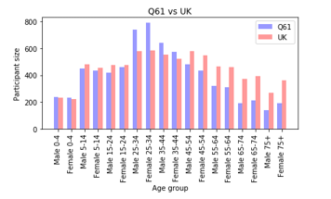
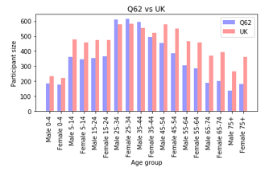
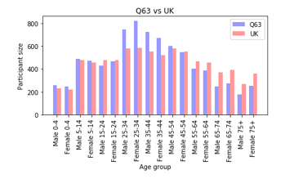
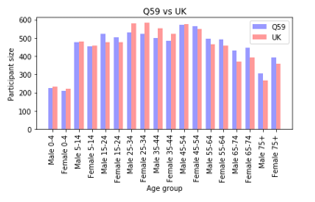

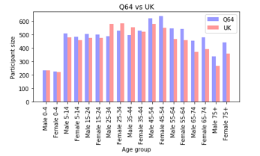
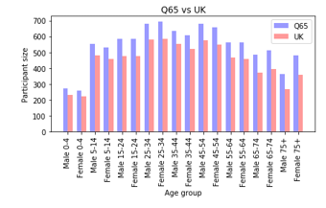
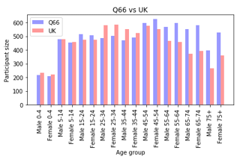

Sheet3
 | ITEMS | ITEMS
CHAPTER
1 | 6599 | 5516
2 | 21644 | 19804
3 | 4460 | 3608
4 | 13197 | 10672
5 | 1638 | 2263
6 | 6879 | 7048
7 | 1611 | 2101
8 | 195 | 350
9 | 3091 | 3036
10 | 2247 | 1551
11 | 734 | 1392
12 | 427 | 600
13 | 931 | 1526
14 | 262 | 355
15 | 52 | 103
19 | 62 | 49
20 | 211 | 382
21 | 1263 | 1254
22 | 116 | 106
23 | 374 | 432
'C83064' | ITEMS | NIC | ACT COST | QUANTITY | PERIOD | Size | 14095 |  |  | 'C83007' | ITEMS | NIC | ACT COST | QUANTITY | PERIOD | Size | 27878
CHAPTER |  |  |  |  |  | Avg Act Cost | Avg Items |  | % | CHAPTER |  |  |  |  |  | Avg Act Cost | Avg Items |  | %
1 | 6599 | 20512.58 | 19325.99 | 463653 | 33887616 | 1.3711238028 | 0.46818020575 | 0.041682012194 | 5.0119086705 | 1 | 5516 | 24634.45 | 22952.48 | 418746 | 36509872 | 0.82331874596 | 0.19786211349 | 0.054812416119 | 5.3480753704
2 | 21644 | 64048.08 | 60384.92 | 525425 | 78264256 | 4.2841376375 | 1.5355799929 | 0.11492586002 | 15.65993277 | 2 | 19804 | 65842.84 | 61330.42 | 572547 | 68178656 | 2.1999576727 | 0.71038094555 | 0.10711857716 | 14.29038207
3 | 4460 | 56516.69 | 52479.78 | 74581 | 32072208 | 3.7232905286 | 0.31642426392 | 0.70366152237 | 13.609852039 | 3 | 3608 | 47377.15 | 43931.12 | 49808 | 29651664 | 1.5758347084 | 0.12942104886 | 0.88200931577 | 10.236233334
4 | 13197 | 84272.13 | 78875.7 | 801727 | 112555296 | 5.5960056758 | 0.93628946435 | 0.098382242334 | 20.455242123 | 4 | 10672 | 89086.93 | 82998.32 | 623832 | 116791248 | 2.9771977904 | 0.38281081857 | 0.13304594827 | 19.339142044
5 | 1638 | 5472.65 | 5132.88 | 48495 | 14724976 | 0.36416317843 | 0.11621142249 | 0.10584348902 | 1.3311362459 | 5 | 2263 | 11218.54 | 10435.93 | 87014 | 18557504 | 0.37434285099 | 0.081175120166 | 0.11993391868 | 2.4316387685
6 | 6879 | 73948.8 | 68818.69 | 246681 | 44174928 | 4.8824895353 | 0.48804540617 | 0.27897847828 | 17.847105846 | 6 | 7048 | 70891.15 | 65818.86 | 277699 | 46998896 | 2.3609606141 | 0.25281584045 | 0.23701511349 | 15.33621744
7 | 1611 | 13930.76 | 12995.23 | 37784 | 18960928 | 0.92197445903 | 0.11429584959 | 0.34393473428 | 3.3701200255 | 7 | 2101 | 23882.77 | 22163.56 | 88764 | 22188320 | 0.79501972882 | 0.075364086376 | 0.24969086567 | 5.1642519395
8 | 195 | 5460.12 | 5067.45 | 6445 | 6253072 | 0.35952110678 | 0.013834693154 | 0.78626066718 | 1.3141679465 | 8 | 350 | 19895.55 | 18435.64 | 12055 | 8673616 | 0.66129708013 | 0.012554702633 | 1.5292940689 | 4.2956226178
9 | 3091 | 17812.76 | 17308.04 | 846750 | 36509872 | 1.2279560128 | 0.21929762327 | 0.020440555063 | 4.4885832883 | 9 | 3036 | 28641.64 | 26683.33 | 1190677 | 39535552 | 0.95714649544 | 0.1089030777 | 0.022410217045 | 6.217387401
10 | 2247 | 9256.08 | 8672.21 | 132440 | 18759216 | 0.61526853494 | 0.15941823342 | 0.065480292963 | 2.2490089507 | 10 | 1551 | 6155.89 | 5732.27 | 91748 | 15733536 | 0.2056198436 | 0.055635267953 | 0.062478419148 | 1.335655755
11 | 734 | 5934.85 | 5507.35 | 10325 | 19162640 | 0.39073075559 | 0.052075203973 | 0.53339951574 | 1.4282494825 | 11 | 1392 | 9742.41 | 9038.09 | 17574 | 21381472 | 0.32420152091 | 0.0499318459 | 0.51428758393 | 2.1059330636
12 | 427 | 2342.83 | 2175.63 | 10110 | 9278752 | 0.15435473572 | 0.030294430649 | 0.2151958457 | 0.56421734983 | 12 | 600 | 2760.11 | 2561.83 | 8112 | 9480464 | 0.091894325274 | 0.021522347371 | 0.31580744576 | 0.59692285653
13 | 931 | 8328.08 | 7746.06 | 188940 | 38123568 | 0.54956083718 | 0.066051791415 | 0.040997459511 | 2.0088256941 | 13 | 1526 | 12305.28 | 11431.98 | 270284 | 40140688 | 0.41007174116 | 0.054738503479 | 0.042296177354 | 2.6637248207
 | ACT COST | ACT COST
CHAPTER
1 | 19325.99 | 22952.48
2 | 60384.92 | 61330.42
3 | 52479.78 | 43931.12
4 | 78875.7 | 82998.32
5 | 5132.88 | 10435.93
6 | 68818.69 | 65818.86
7 | 12995.23 | 22163.56
8 | 5067.45 | 18435.64
9 | 17308.04 | 26683.33
10 | 8672.21 | 5732.27
11 | 5507.35 | 9038.09
12 | 2175.63 | 2561.83
13 | 7746.06 | 11431.98
14 | 1801.19 | 2654.84
15 | 1157.59 | 812.63
19 | 1541.59 | 1554.6
20 | 4960.49 | 6823.65
21 | 12482.56 | 15744.2
22 | 2490.84 | 2427.48
23 | 16677.21 | 15641.48
14 | 262 | 1944.55 | 1801.19 | 262 | 1815408 | 0.12778928698 | 0.018588151827 | 6.8747709924 | 0.46711189327 | 14 | 355 | 2866.13 | 2654.84 | 355 | 3025680 | 0.095230647823 | 0.012734055528 | 7.4784225352 | 0.61859478437
15 | 52 | 1247.53 | 1157.59 | 693 | 2218832 | 0.08212770486 | 0.0036892515076 | 1.6704040404 | 0.30020378557 | 15 | 103 | 876.89 | 812.63 | 657 | 3025680 | 0.029149508573 | 0.003694669632 | 1.2368797565 | 0.1893480133
19 | 62 | 1663.25 | 1541.59 | 26457 | 2218832 | 0.1093714083 | 0.0043987229514 | 0.058267755225 | 0.39978848625 | 19 | 49 | 1655.09 | 1554.6 | 24235 | 2420544 | 0.055764402037 | 0.0017576583686 | 0.064146894987 | 0.36223179242
20 | 211 | 5352.79 | 4960.49 | 14106 | 21381472 | 0.35193260021 | 0.014969847464 | 0.35165815965 | 1.286429458 | 20 | 382 | 7366.18 | 6823.65 | 8130 | 25617424 | 0.24476827606 | 0.013702561159 | 0.83931734317 | 1.58995431
21 | 1263 | 13451.69 | 12482.56 | 92750 | 42964656 | 0.88560198652 | 0.089606243349 | 0.13458285714 | 3.23716667 | 21 | 1254 | 16985.34 | 15744.2 | 104468 | 45183488 | 0.56475356912 | 0.044981706005 | 0.15070835088 | 3.6684997981
22 | 116 | 2688.78 | 2490.84 | 2053 | 6858208 | 0.1767179851 | 0.0082298687478 | 1.2132683877 | 0.64596238499 | 22 | 106 | 2620.52 | 2427.48 | 1578 | 8270192 | 0.087075112992 | 0.0038022813688 | 1.5383269962 | 0.56561844298
23 | 374 | 17921.91 | 16677.21 | 6862 | 22995168 | 1.1832004257 | 0.026534231997 | 2.4303716118 | 4.3249868906 | 23 | 432 | 16883.26 | 15641.48 | 7581 | 20372912 | 0.56106894325 | 0.015496090107 | 2.0632475927 | 3.6445653779
'C83064' | 65993 | 412106.91 | 385601.4 | 3536539 |  | 27.357318198 |  |  |  | 'C83007' | 62148 | 461688.12 | 429172.71 | 3855864 |  | 15.394673578 |  |  | 100
'C83007' | 62148 | 461688.12 | 429172.71 | 3855864

Sheet4
 | ITEMS | NIC | ACT COST | QUANTITY | PERIOD | Size | 14375
CHAPTER |  |  |  |  |  | Avg Act Cost | Avg Items |  | %
1 | 2562 | 10974.81 | 10236.76 | 204796 | 26827696 | 0.71212243478 | 0.17822608696 | 0.04998515596 | 4.1634649561
2 | 10037 | 45756.17 | 42572.35 | 346886 | 61522160 | 2.9615547826 | 0.69822608696 | 0.12272720721 | 17.314901133
3 | 1936 | 31292.29 | 29020.7 | 34973 | 29248240 | 2.0188313043 | 0.13467826087 | 0.82980299088 | 11.803213854
4 | 5518 | 42167.58 | 39279.17 | 383833 | 89761840 | 2.732464 | 0.38386086957 | 0.10233400984 | 15.975508637
5 | 1364 | 7481.92 | 6966.6 | 58510 | 17548944 | 0.48463304348 | 0.094886956522 | 0.11906682618 | 2.8334350872
6 | 3155 | 40460.44 | 37552.96 | 159289 | 36308160 | 2.6123798261 | 0.21947826087 | 0.23575363019 | 15.273429577
7 | 801 | 9194.17 | 8539.82 | 30932 | 18154080 | 0.59407443478 | 0.05572173913 | 0.2760836674 | 3.4732905041
8 | 163 | 5811.64 | 5387.53 | 6165 | 4235952 | 0.37478469565 | 0.011339130435 | 0.87388969992 | 2.1912003754
9 | 1765 | 19844.28 | 18431.15 | 777812 | 28844816 | 1.2821669565 | 0.1227826087 | 0.023696150227 | 7.4962631853
10 | 896 | 6045.33 | 5620.97 | 58947 | 14119840 | 0.391024 | 0.062330434783 | 0.095356337049 | 2.2861444064
11 | 527 | 4752.27 | 4409.19 | 6827 | 16742096 | 0.30672626087 | 0.036660869565 | 0.64584590596 | 1.7932928045
12 | 257 | 2313.98 | 2146.83 | 2903 | 6858208 | 0.14934469565 | 0.01787826087 | 0.73952118498 | 0.87315239115
13 | 681 | 5690.37 | 5279.32 | 132757 | 30458512 | 0.36725704348 | 0.047373913043 | 0.039766791958 | 2.1471895221
14 | 520 | 3523.95 | 3264.16 | 520 | 1210272 | 0.227072 | 0.036173913043 | 6.2772307692 | 1.3275895665
15 | 66 | 1547.87 | 1434.84 | 952 | 3025680 | 0.099814956522 | 0.0045913043478 | 1.5071848739 | 0.58357390987
19 | 27 | 505.2 | 468.56 | 9670 | 2420544 | 0.032595478261 | 0.0018782608696 | 0.048455015512 | 0.19057134677
20 | 184 | 5255.64 | 4870.22 | 4665 | 15935248 | 0.33879791304 | 0.0128 | 1.0439914255 | 1.9808015718
21 | 814 | 11554.55 | 10712.74 | 134919 | 38123568 | 0.74523408696 | 0.056626086957 | 0.079401270392 | 4.3570541434
22 | 38 | 1189.77 | 1102.57 | 553 | 4235952 | 0.076700521739 | 0.0026434782609 | 1.9937974684 | 0.44843403153
23 | 181 | 9255.59 | 8574.73 | 4117 | 17347232 | 0.59650295652 | 0.012591304348 | 2.0827617197 | 3.4874889968
 | 31492 | 264617.82 | 245871.17 | 2360026 |  | 17.104081391

