Sheet1
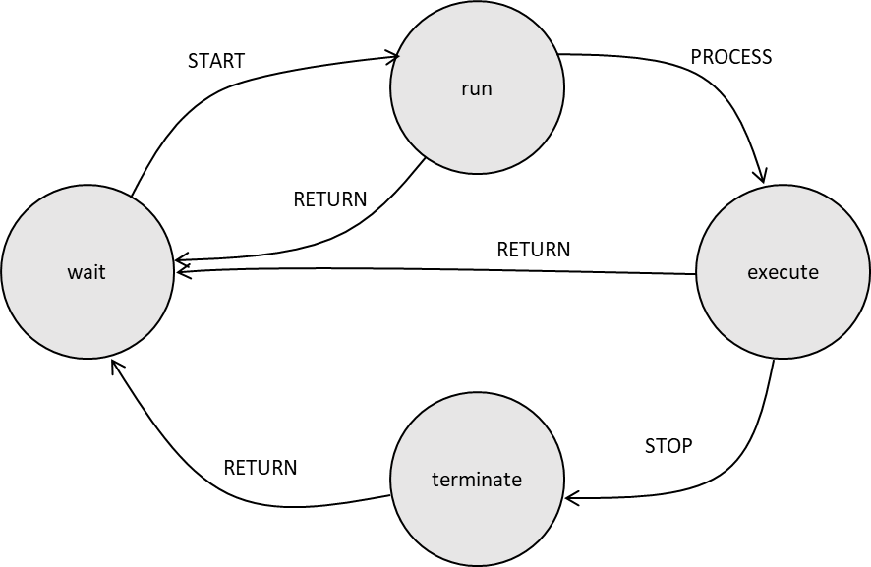
Turn ON Red LED 1
ToggleSwitchPressed
ToggleSwitchPressed

wait
Turn ON Yellow LED
Turn ON Red LED 2

Turn ON Red LED 3

ToggleSwitchPressed
ToggleSwitchPressed

Validate Coin
Insert Coin
Valid

Error
wait
Invalid
Error
Give Option to select product

Display Error
Error
Invalid

Dispense Item
Error
Dispense Success
Validate Option and Amount
Error
Product Selected

Valid

