Kas Smith curvefit (copy)
Functional form
FECO = 0.9607 - 4.7306·XCO25.4936
 |  |  |  |  |  |  |  |  |  |  |  |  |  |  | OER current | 750.00 | mA
Name | Value | Unit | Source |  |  |  |  |  |  |  |  |  |  |  | OER mol flow | 1.9433005605E-06 | mol/s
R | 8.314472 | J/mol.K |  |  |  |  |  |  |  |  |  |  |  |  | MEA anolyte | 5 | ml/min
F | 9.65E+04 | C/mol e- |  |  |  |  |  |  |  |  |  |  |  |  | Anolyte mol flow | 0.0046296296296 | mol/s
T | 273.15 | K |  |  |  |  |  |  |  |  |  |  |  |  | Excess ratio | 2382.35
P | 1.01E+05 | Pa
K to °C | 273.15 | K
mol/s per ccm NTP | 7.37E-07 | mol/s per sccm
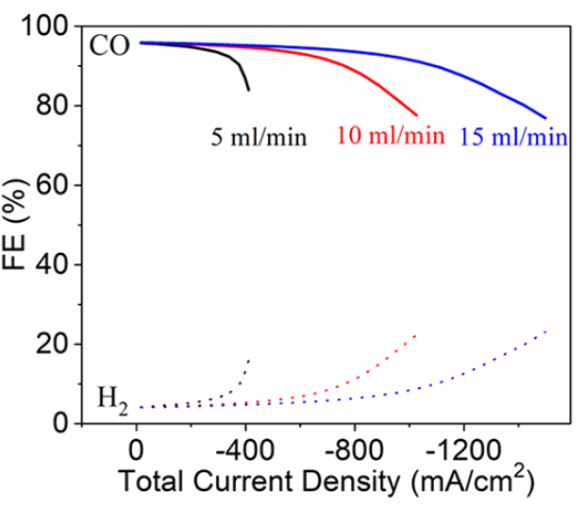
mol/s per sccm | 7.44E-07 | mol/s per sccm
mol/s per mA (2 e-) | 5.18E-09 | mol/s per mA

Data |  |  |  |  |  | Derived data
15 mL/min |  | 10 mL/min |  | 5 mL/min |  | 15 mL/min |  |  | 10 mL/min |  |  | 5 mL/min
jtotal | FECO | jtotal | FECO | jtotal | FECO | FECO | XCO2 | 0.9607-FECO | FECO | XCO2 | 0.9607-FECO | FECO | XCO2 | 0.9607-FECO
-51.524456489 | 96.069921945 | -270.69144157 | 95.274625945 | -100.20956779 | 95.562695969 | 96% | 2% | 0.00% | 95% | 18% | 0.80% | 96% | 13% | 0.51%
-89.797974315 | 96.042029369 | -308.95637706 | 95.094754592 | -138.47634235 | 95.415391498 | 96% | 4% | 0.03% | 95% | 20% | 0.98% | 95% | 18% | 0.65%
-128.06720098 | 95.938147405 | -347.2249907 | 94.980017001 | -176.73943878 | 95.202953264 | 96% | 6% | 0.13% | 95% | 23% | 1.09% | 95% | 23% | 0.87%
-166.34194485 | 95.931966083 | -385.49483038 | 94.886990664 | -214.99701799 | 94.892814389 | 96% | 7% | 0.14% | 95% | 25% | 1.18% | 95% | 28% | 1.18%
-204.61362361 | 95.871506627 | -423.75853983 | 94.685408058 | -253.24478882 | 94.408985482 | 96% | 9% | 0.20% | 95% | 28% | 1.38% | 94% | 33% | 1.66%
-242.88162422 | 95.745913409 | -462.02715347 | 94.570670467 | -291.48642942 | 93.816600307 | 96% | 11% | 0.32% | 95% | 30% | 1.50% | 94% | 38% | 2.25%
-281.15268995 | 95.674598326 | -500.2877978 | 94.314809726 | -329.71090536 | 92.920257577 | 96% | 12% | 0.40% | 94% | 33% | 1.76% | 93% | 43% | 3.15%
-319.42743383 | 95.668417004 | -538.54353794 | 93.972103969 | -367.89001754 | 91.220598455 | 96% | 14% | 0.40% | 94% | 35% | 2.10% | 91% | 47% | 4.85%
-357.69420839 | 95.521112533 | -576.79682599 | 93.585975705 | -395.56423406 | 88.348046314 | 96% | 16% | 0.55% | 94% | 38% | 2.48% | 88% | 49% | 7.72%
-395.96343505 | 95.417230569 | -615.04888799 | 93.178136187 | -411.05822261 | 85.443808514 | 95% | 18% | 0.65% | 93% | 40% | 2.89% | 85% | 49% | 10.63%
-434.23572683 | 95.367626739 | -653.29236766 | 92.618317892 | -22.36915304 | 96.088498965 | 95% | 19% | 0.70% | 93% | 42% | 3.45% | 96% | 3% | -0.02%
-472.50188838 | 95.20946664 | -691.53339523 | 92.01507709 | -53.427693318 | 96.083483051 | 95% | 21% | 0.86% | 92% | 44% | 4.05% | 96% | 7% | -0.01%
-510.77418016 | 95.159862811 | -729.75909721 | 91.140445614 |  |  | 95% | 23% | 0.91% | 91% | 46% | 4.93%
-549.04095472 | 95.012558339 | -767.97989501 | 90.178969123 |  |  | 95% | 24% | 1.06% | 90% | 48% | 5.89%
-587.30895534 | 94.886965122 | -806.18352814 | 88.913535078 |  |  | 95% | 26% | 1.18% | 89% | 50% | 7.16%
-625.57511688 | 94.728805023 | -844.37857894 | 87.496122256 |  |  | 95% | 28% | 1.34% | 87% | 51% | 8.57%
-663.8406654 | 94.559789297 | -882.55830415 | 85.80731876 |  |  | 95% | 29% | 1.51% | 86% | 53% | 10.26%
-702.10498787 | 94.369062318 | -920.72576889 | 83.901402727 |  |  | 94% | 31% | 1.70% | 84% | 54% | 12.17%
-740.36747127 | 94.145768458 | -958.88526432 | 81.854363543 |  |  | 94% | 32% | 1.92% | 82% | 55% | 14.22%
-778.62934165 | 93.91161897 | -997.0410816 | 79.742190597 |  |  | 94% | 34% | 2.16% | 80% | 55% | 16.33%
-816.88814691 | 93.623191349 | -1028.2615873 | 78.051409371 |  |  | 94% | 36% | 2.45% | 78% | 56% | 18.02%
-855.14633914 | 93.3239081 | -28.016160363 | 96.087586981 |  |  | 93% | 37% | 2.75% | 96% | 2% | -0.02%
-893.40453138 | 93.024624851 | -138.12185935 | 95.876006603 |  |  | 93% | 39% | 3.05% | 96% | 9% | 0.19%
-931.65781943 | 92.638496587 | -177.65091062 | 95.869622712 |  |  | 93% | 40% | 3.43% | 96% | 12% | 0.20%
-969.90988143 | 92.230657069 | -214.35645822 | 95.863694814 |  |  | 92% | 42% | 3.84% | 96% | 14% | 0.21%
-1008.1539741 | 91.681694401 | -245.40405468 | 95.664882217 |  |  | 92% | 43% | 4.39% | 96% | 16% | 0.41%
-1046.3962277 | 91.100164853 | -56.273084605 | 96.470620423 |  |  | 91% | 44% | 4.97% | 96% | 4% | -0.40%
-1084.6305121 | 90.377512154 | -95.780248242 | 96.076643168 |  |  | 90% | 46% | 5.69% | 96% | 6% | -0.01%
-1122.8660224 | 89.676570709 |  |  |  |  | 90% | 47% | 6.39%
-1161.0874332 | 88.725949844 |  |  |  |  | 89% | 48% | 7.34%
-1199.3051659 | 87.710195219 |  |  |  |  | 88% | 49% | 8.36%
-1237.5192204 | 86.629306831 |  |  |  |  | 87% | 50% | 9.44%
-1275.7253057 | 85.407295294 |  |  |  |  | 85% | 51% | 10.66%
-1313.9283258 | 84.131005622 |  |  |  |  | 84% | 51% | 11.94%
-1352.1258287 | 82.757015307 |  |  |  |  | 83% | 52% | 13.31%
-1390.3306879 | 81.513292516 |  |  |  |  | 82% | 53% | 14.56%
-1428.5300298 | 80.171869082 |  |  |  |  | 80% | 53% | 15.90%
-1466.7189504 | 78.645899991 |  |  |  |  | 79% | 54% | 17.42%
-1499.6968635 | 77.267324771 |  |  |  |  | 77% | 54% | 18.80%

 |  |  |  |  |  | Functional form
 |  |  |  |  |  | XCO2 | FECO
 |  |  |  |  |  | 2% | 96%
 |  |  |  |  |  | 4% | 96%
 |  |  |  |  |  | 6% | 96%
 |  |  |  |  |  | 7% | 96%
 |  |  |  |  |  | 9% | 96%
 |  |  |  |  |  | 11% | 96%
 |  |  |  |  |  | 12% | 96%
 |  |  |  |  |  | 14% | 96%
 |  |  |  |  |  | 16% | 96%
 |  |  |  |  |  | 18% | 96%
 |  |  |  |  |  | 19% | 96%
 |  |  |  |  |  | 21% | 96%
 |  |  |  |  |  | 23% | 96%
 |  |  |  |  |  | 24% | 96%
 |  |  |  |  |  | 26% | 96%
 |  |  |  |  |  | 28% | 96%
 |  |  |  |  |  | 29% | 96%
 |  |  |  |  |  | 31% | 95%
 |  |  |  |  |  | 32% | 95%
 |  |  |  |  |  | 34% | 95%
 |  |  |  |  |  | 36% | 94%
 |  |  |  |  |  | 37% | 94%
 |  |  |  |  |  | 39% | 94%
 |  |  |  |  |  | 40% | 93%
 |  |  |  |  |  | 42% | 92%
 |  |  |  |  |  | 43% | 92%
 |  |  |  |  |  | 44% | 91%
 |  |  |  |  |  | 46% | 90%
 |  |  |  |  |  | 47% | 89%
 |  |  |  |  |  | 48% | 88%
 |  |  |  |  |  | 49% | 87%
 |  |  |  |  |  | 50% | 86%
 |  |  |  |  |  | 51% | 85%
 |  |  |  |  |  | 51% | 84%
 |  |  |  |  |  | 52% | 83%
 |  |  |  |  |  | 53% | 82%
 |  |  |  |  |  | 53% | 81%
 |  |  |  |  |  | 54% | 81%
 |  |  |  |  |  | 54% | 80%

