Figure 2D
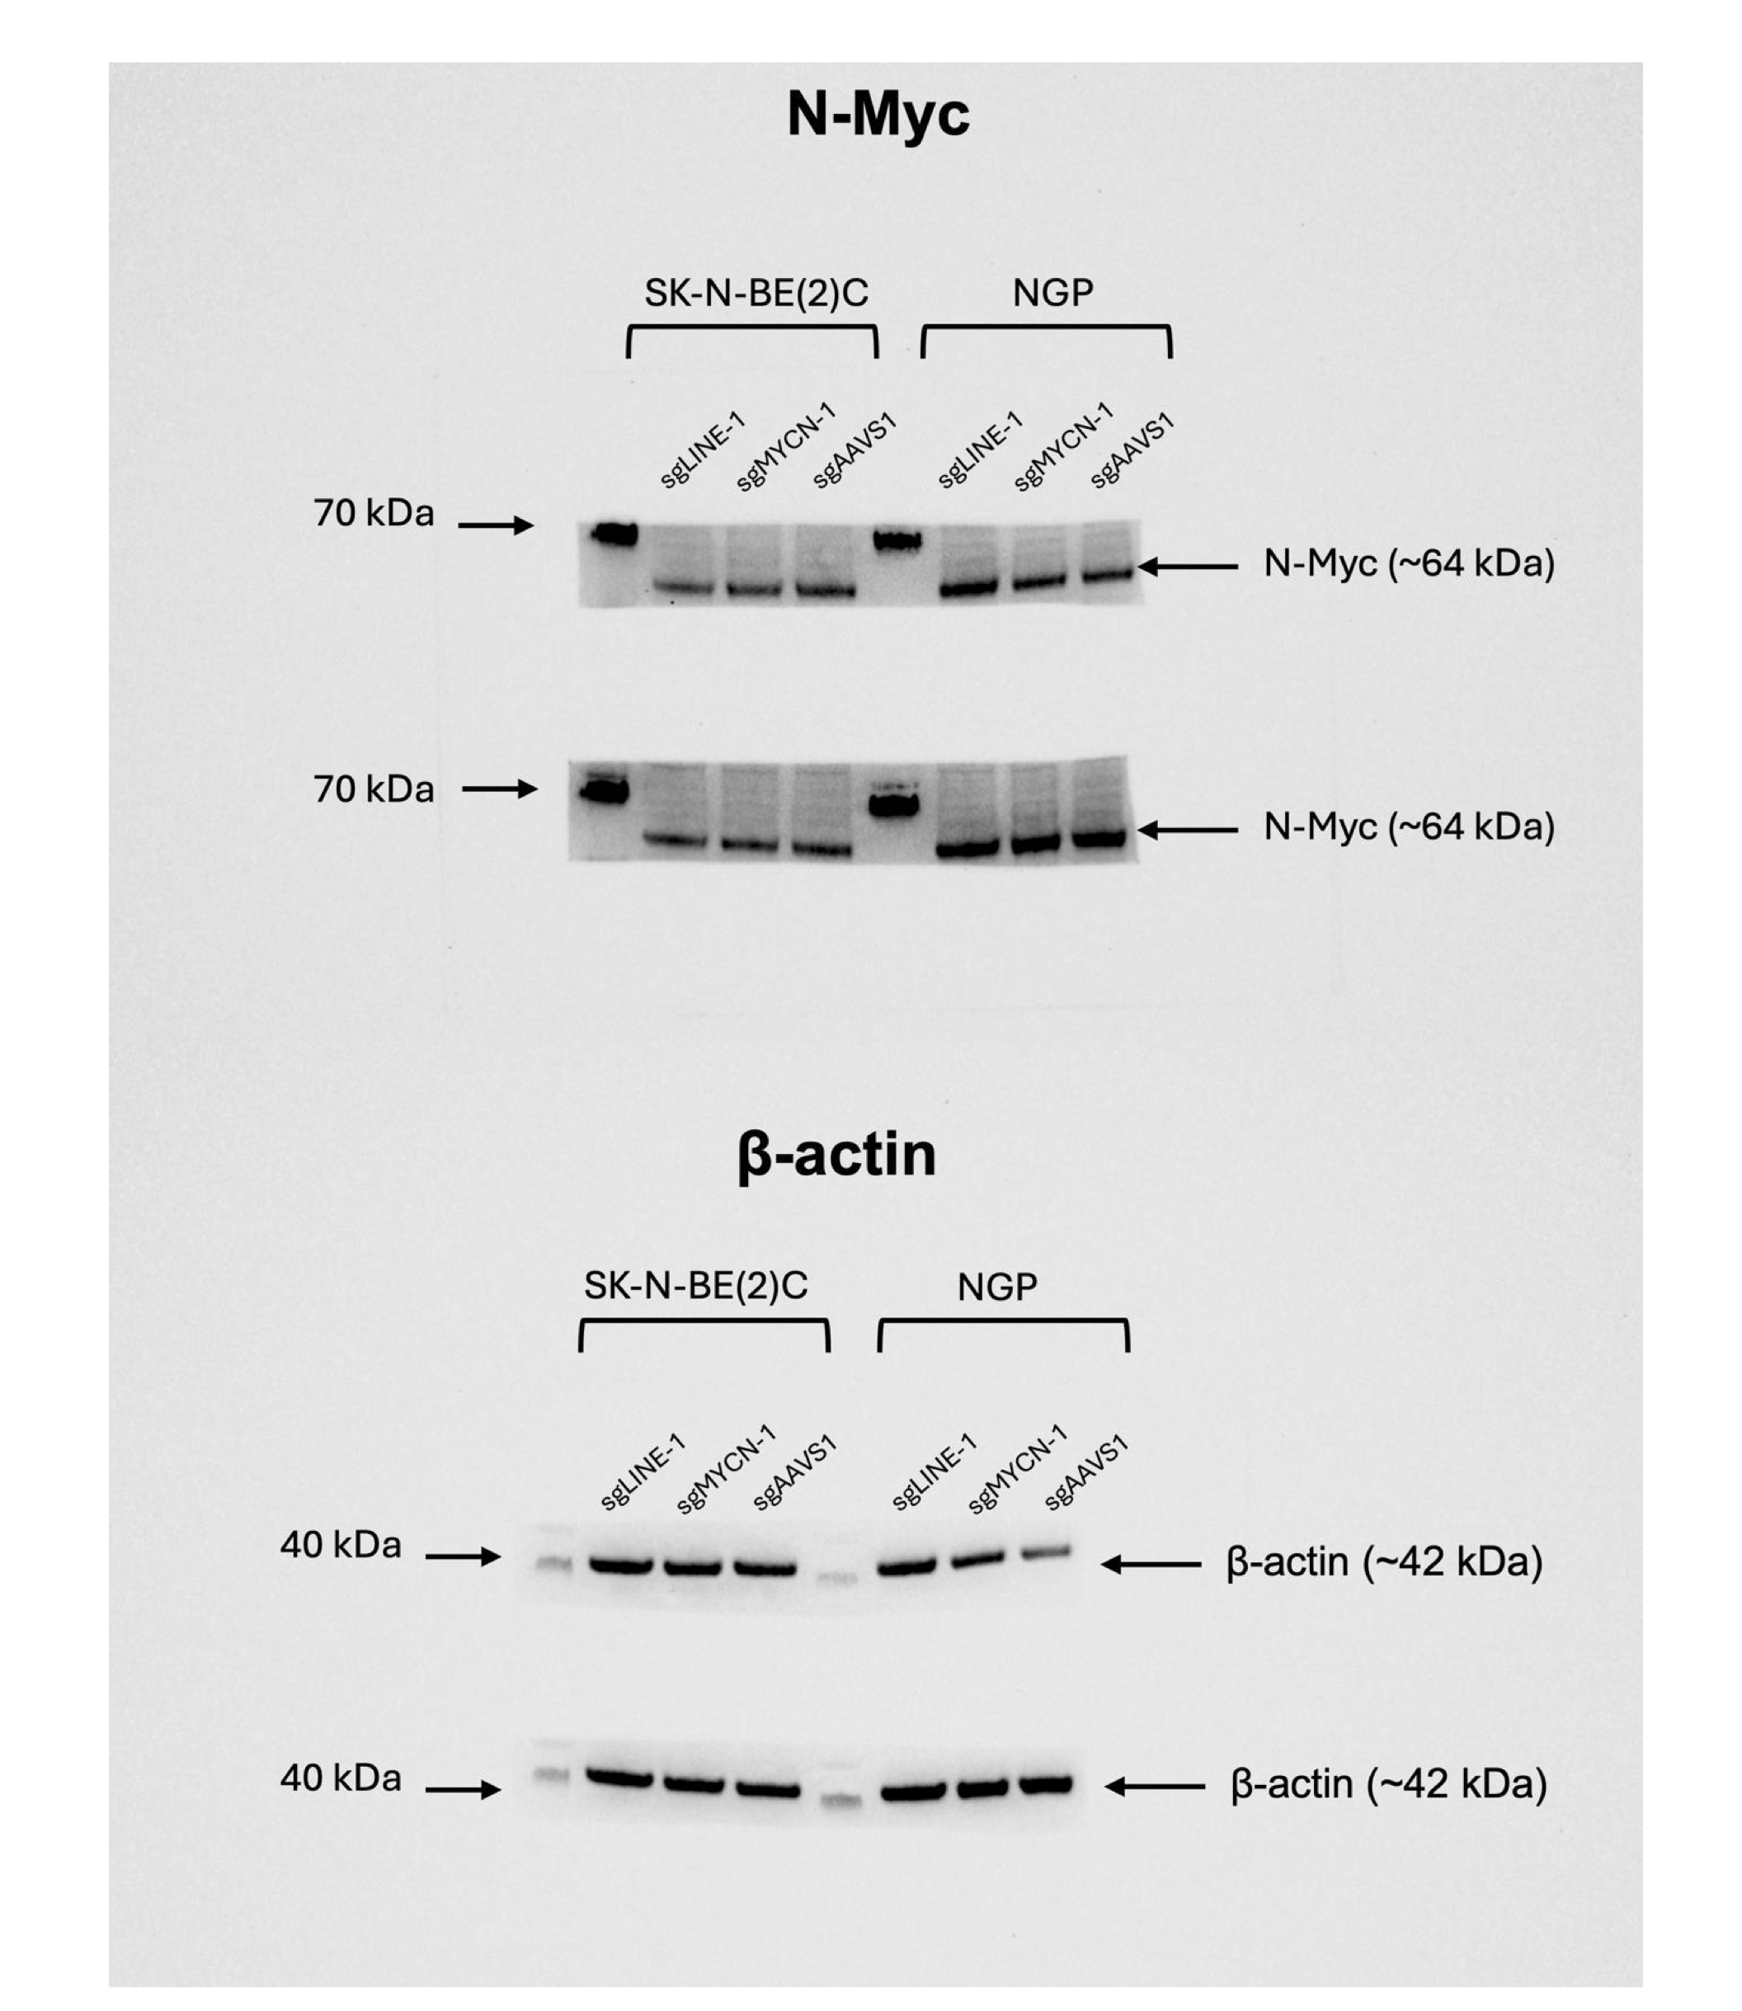
Figure 2D

Figure 4E
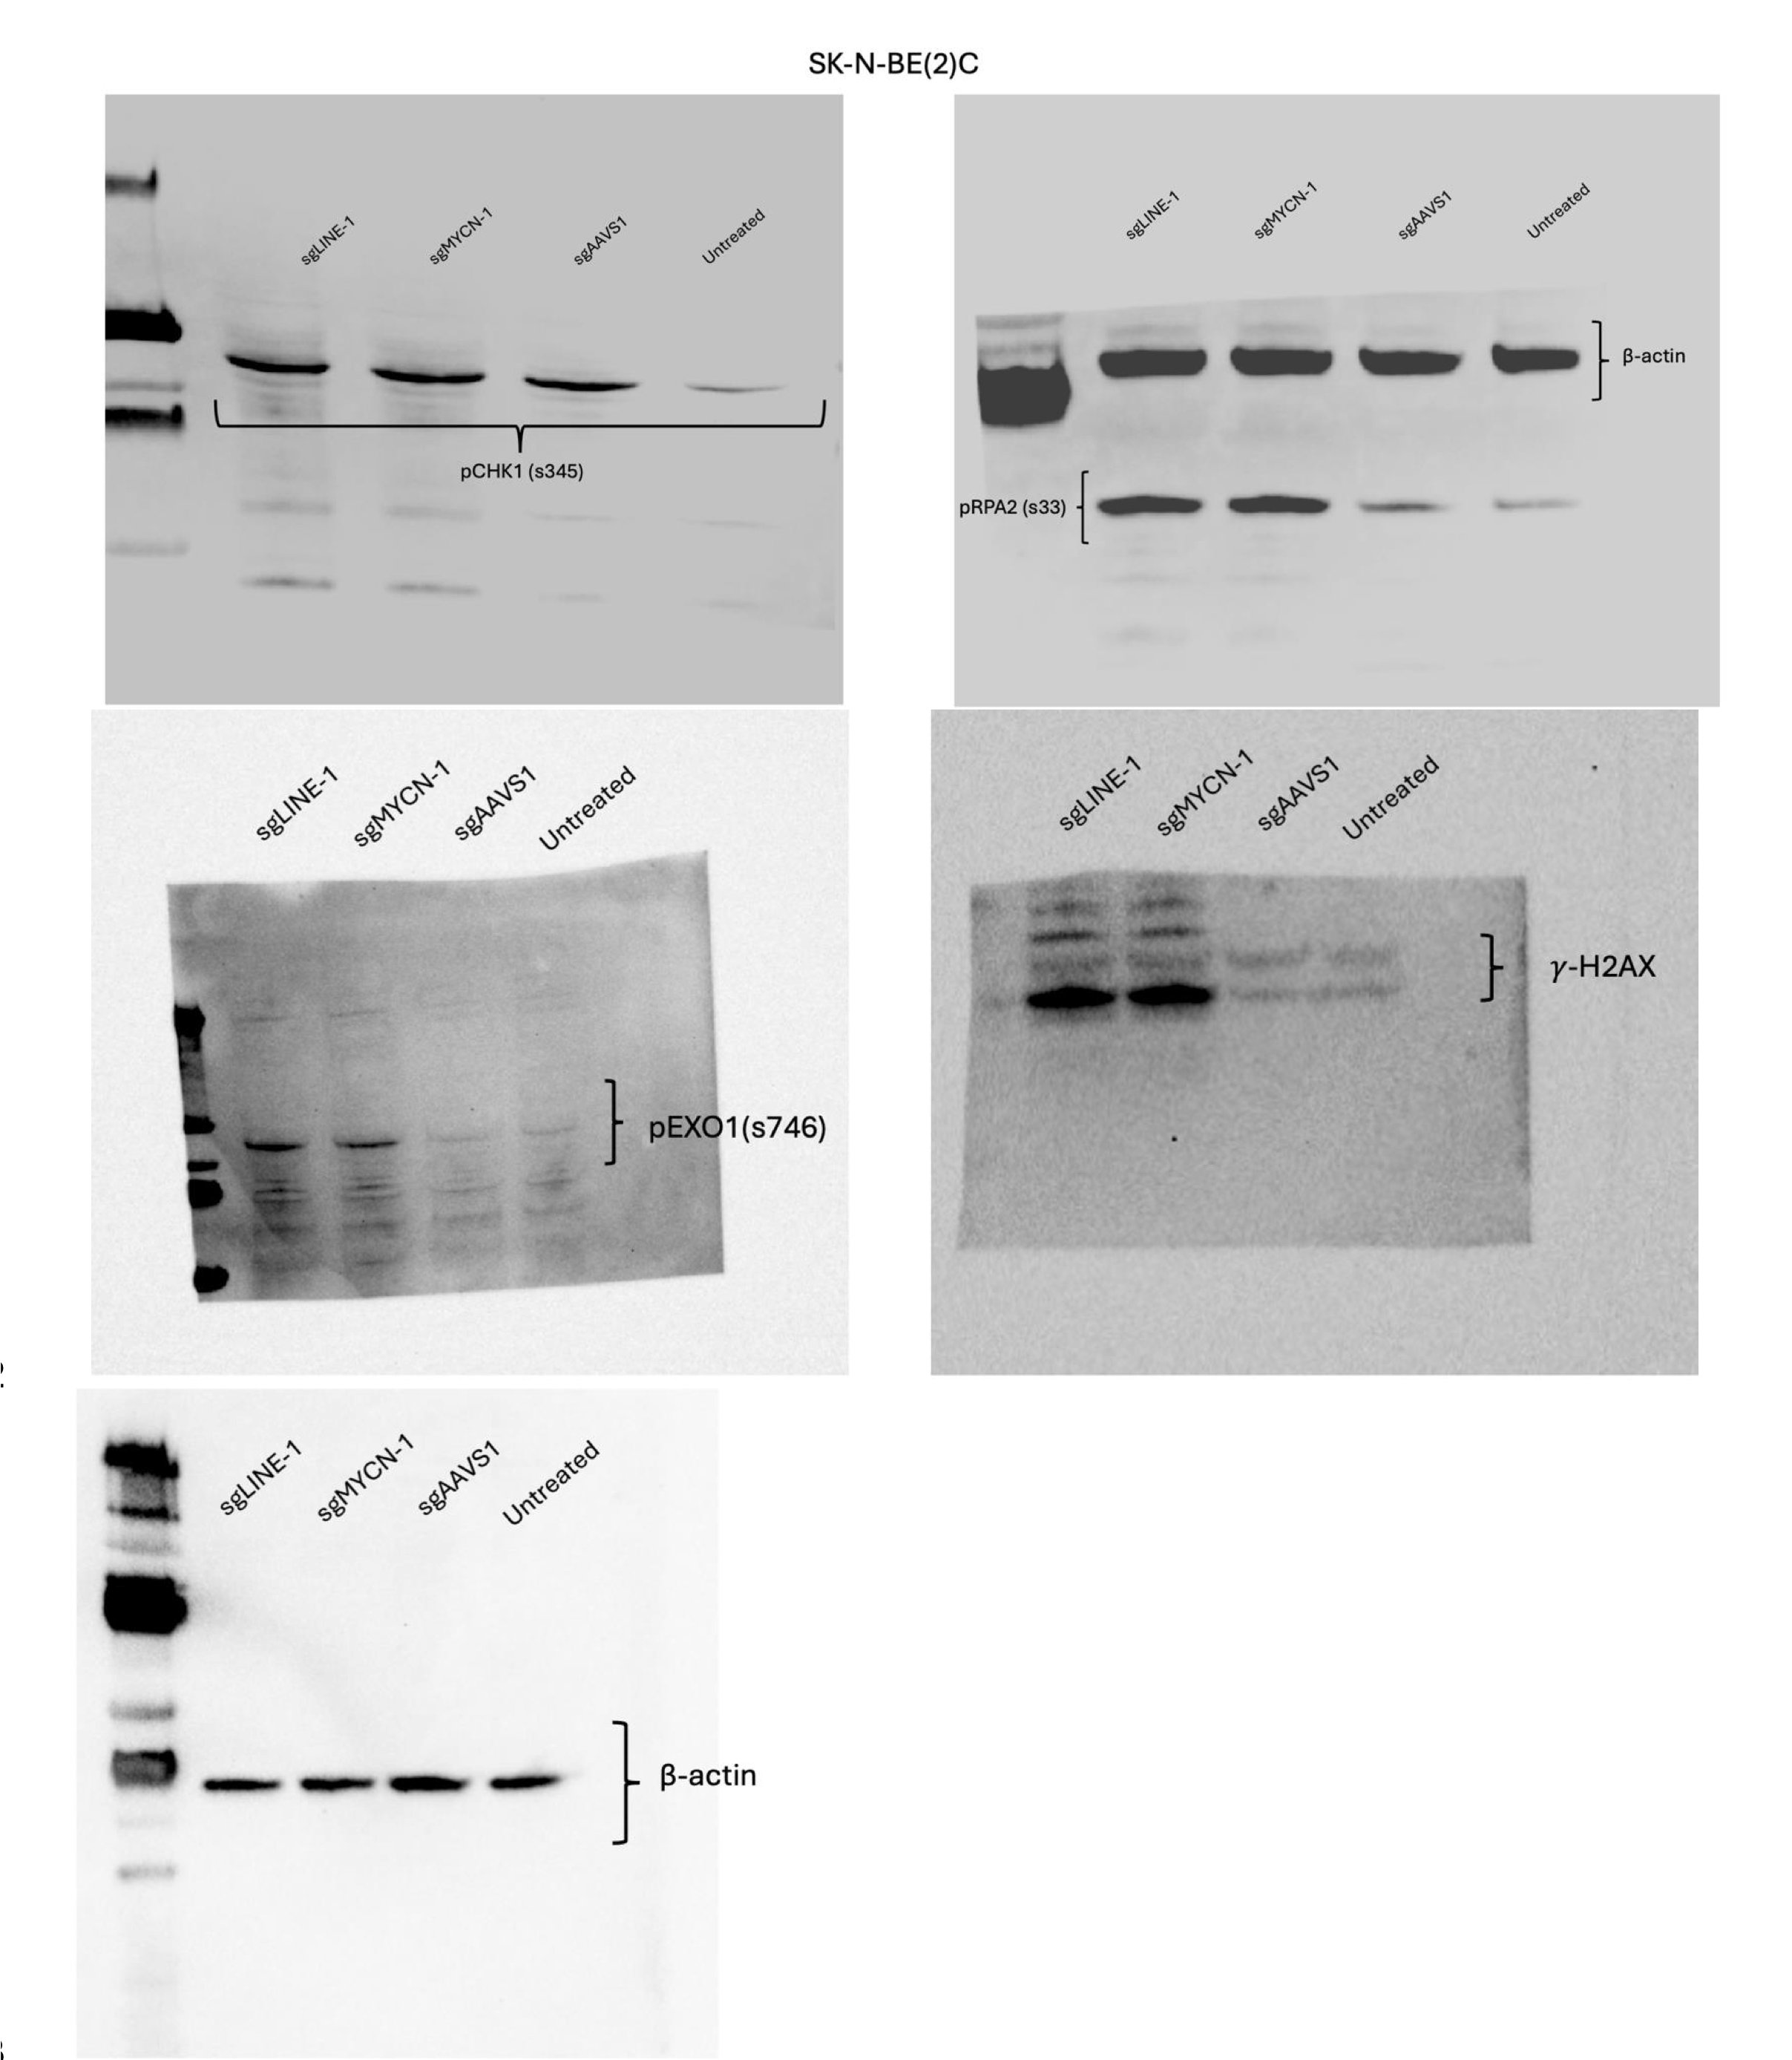
Figure 4E

Sup. Fig. 10
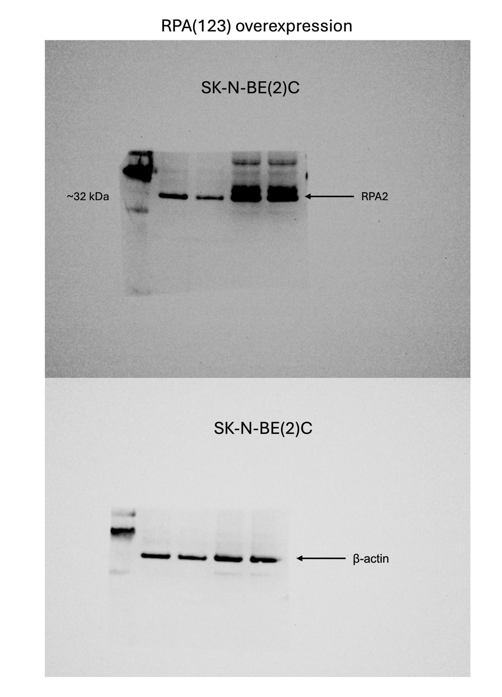
Figure S10

Sup. Fig. 12A
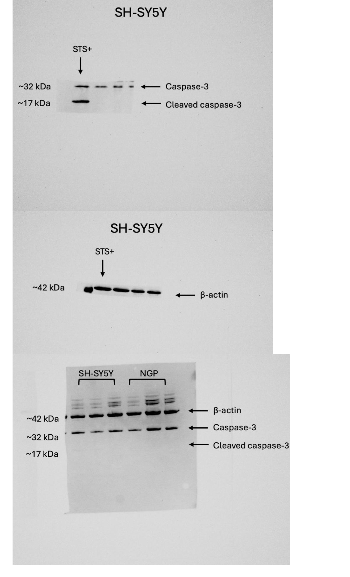
A:

Sup. Fig. 12D
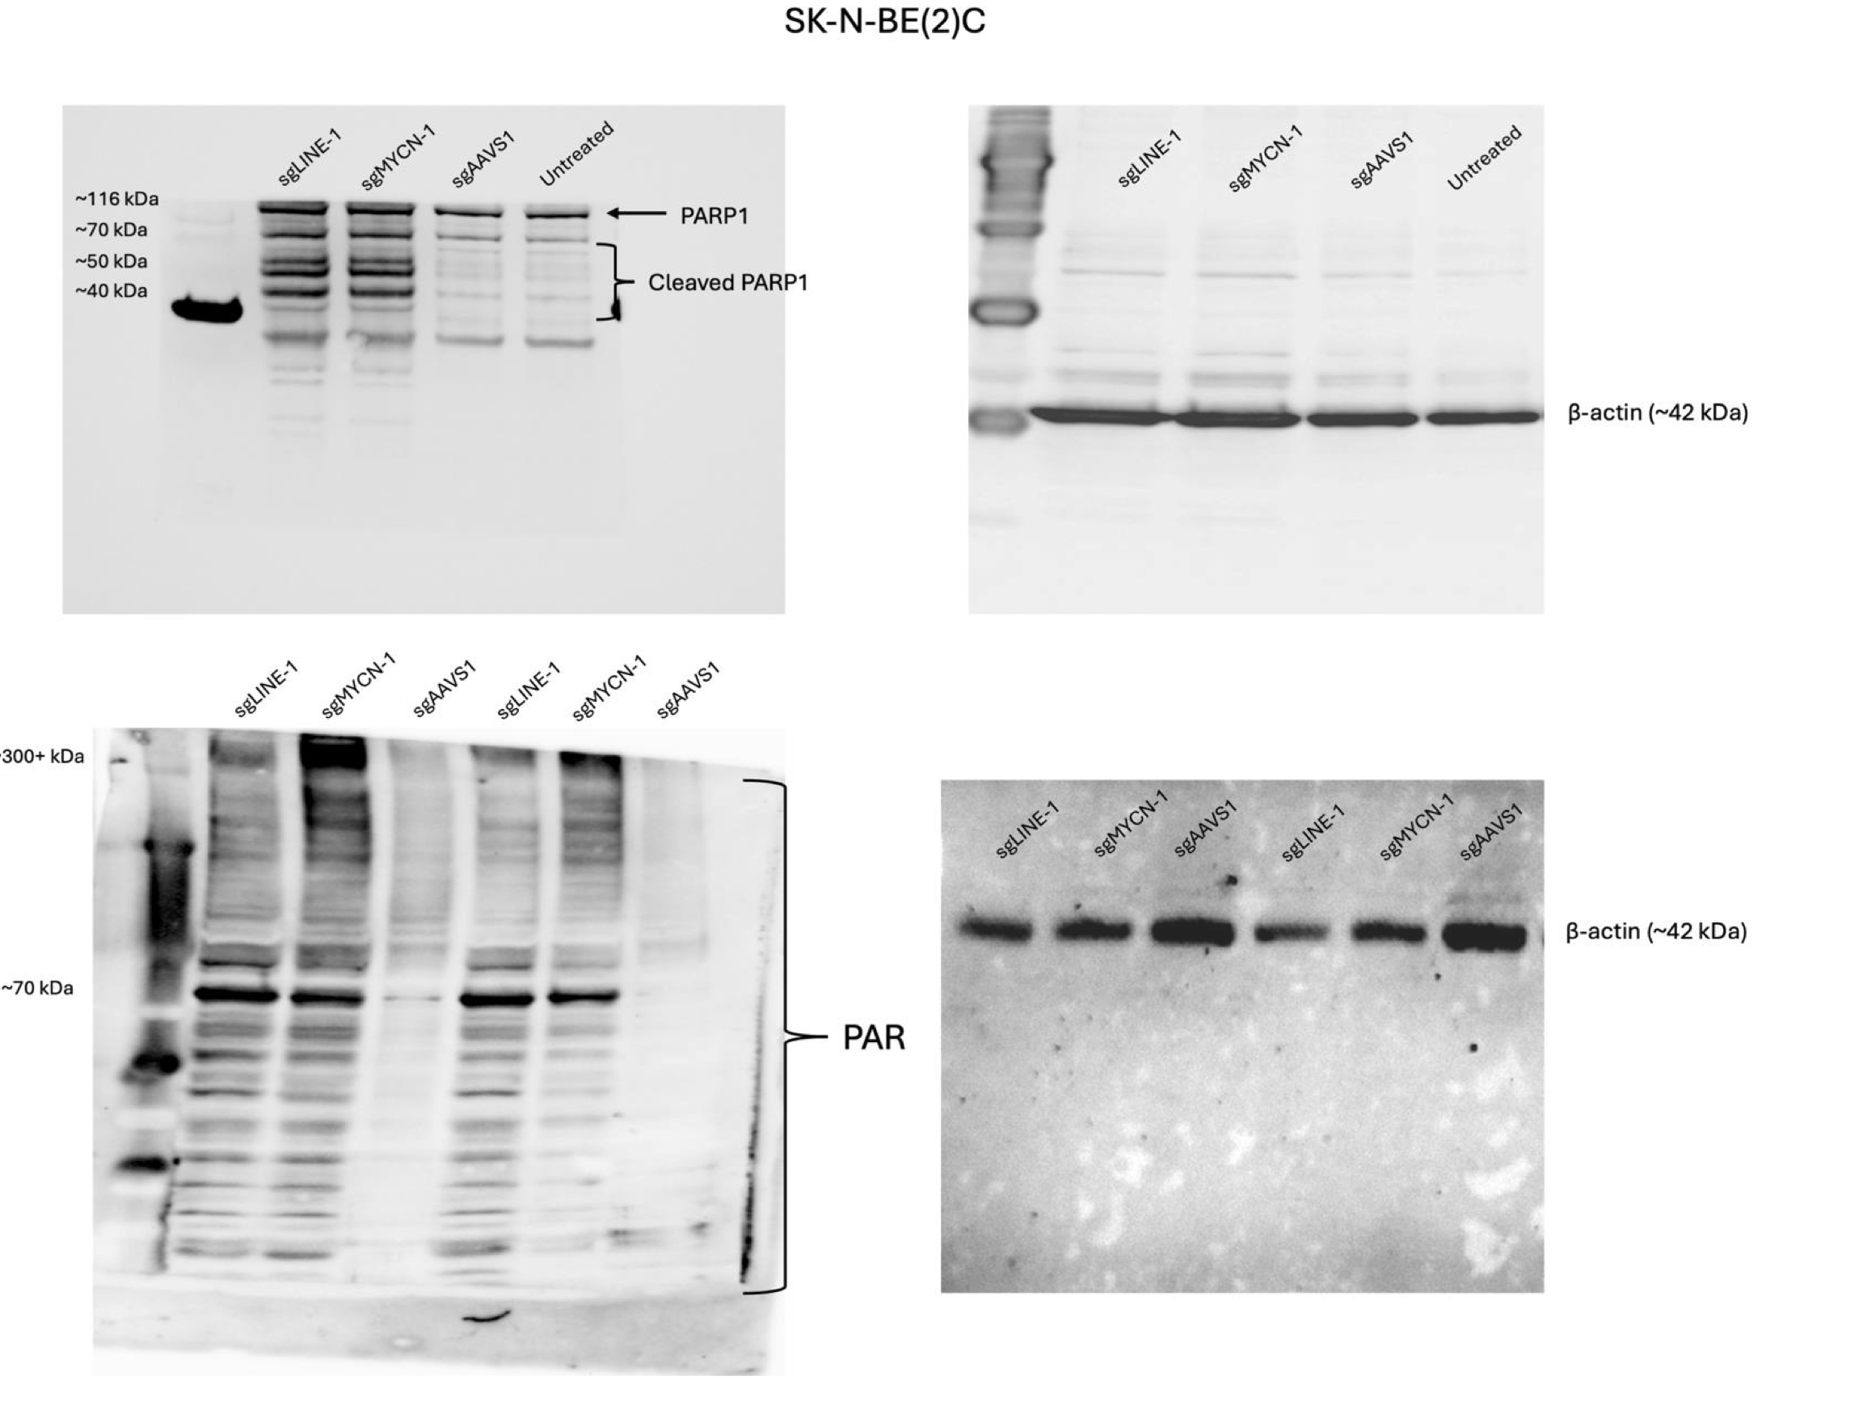
D:

Sup. Fig. 13A
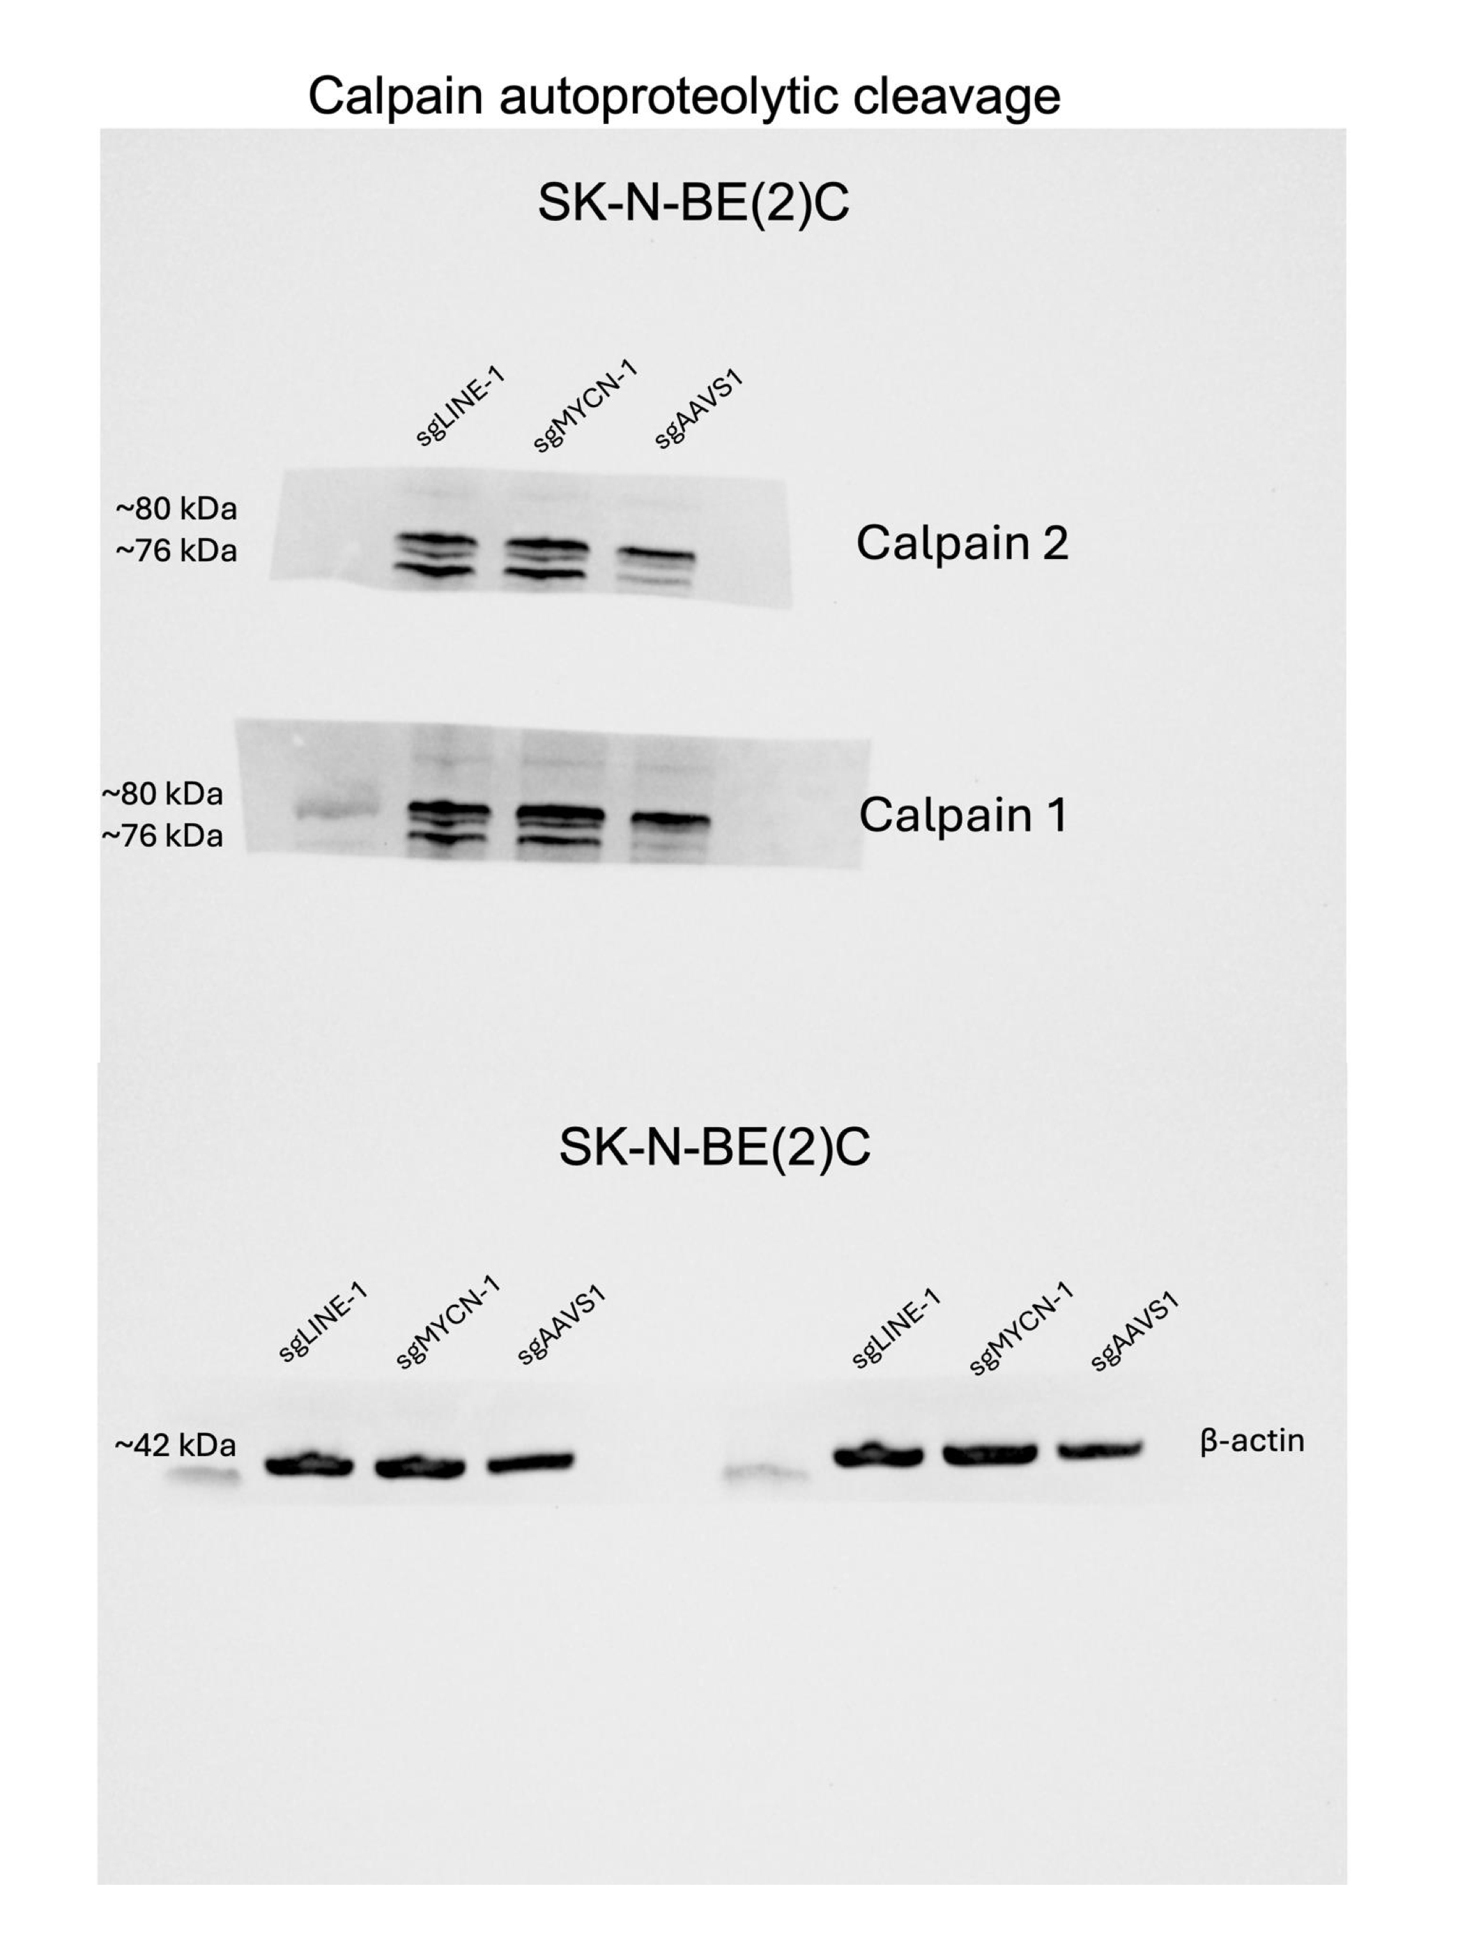
A:

