Figure 1D
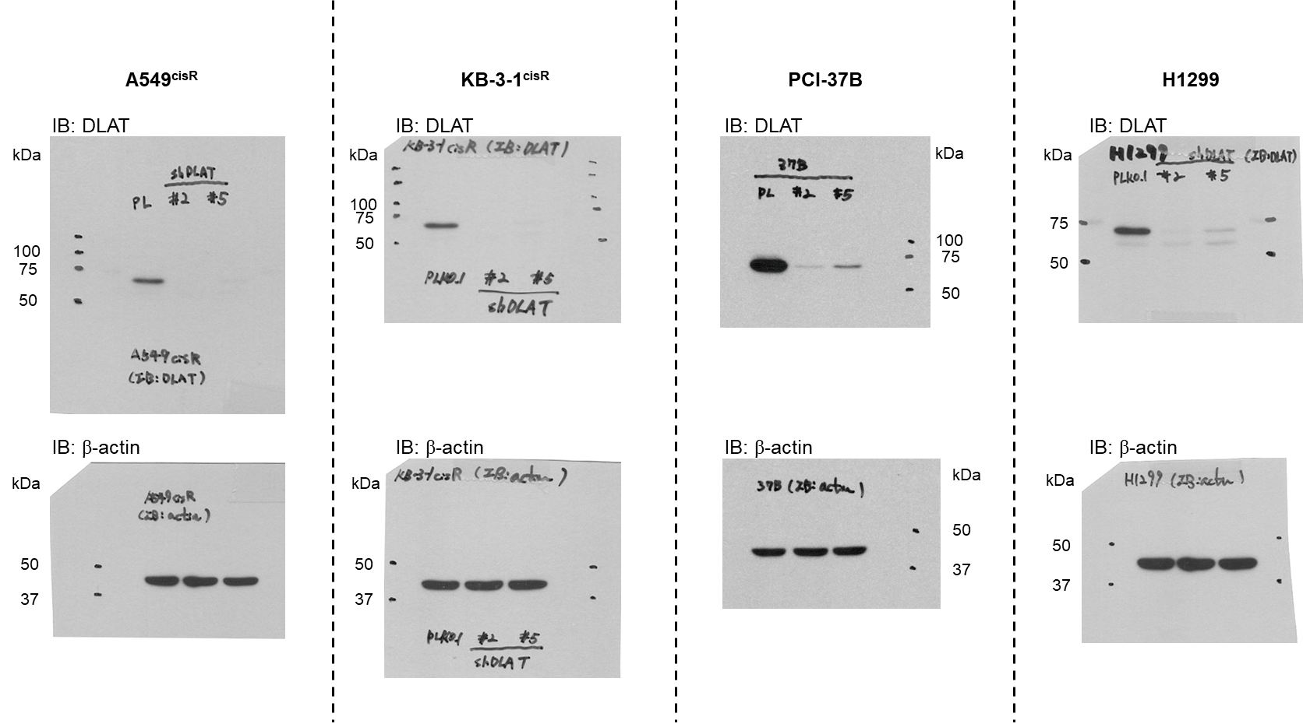
Figure 1D
 | IC50
A549cisR | pLKO.1 | DLAT #1 | DLAT #2
n=1 | 10.93 | 3.049 | 3.68
n=2 | 10.63 | 3.093 | 3.342
n=3 | 11.6 | 3.477 | 3.385

KB-3-1cisR | pLKO.1 | DLAT #1 | DLAT #2
n=1 | 35.64 | 5.222 | 8.292
n=2 | 37.47 | 4.723 | 8.491
n=3 | 39.03 | 5.403 | 9.402

PCI-37B | pLKO.1 | DLAT #1 | DLAT #2
n=1 | 2.128 | 0.6706 | 1.089
n=2 | 2.267 | 0.655 | 1.15
n=3 | 2.42 | 0.6977 | 1.31

H1299 | pLKO.1 | DLAT #1 | DLAT #2
n=1 | 13.89 | 4.334 | 9.212
n=2 | 13.96 | 4.088 | 9.08
n=3 | 12.36 | 4.359 | 8.246

Figure 1F
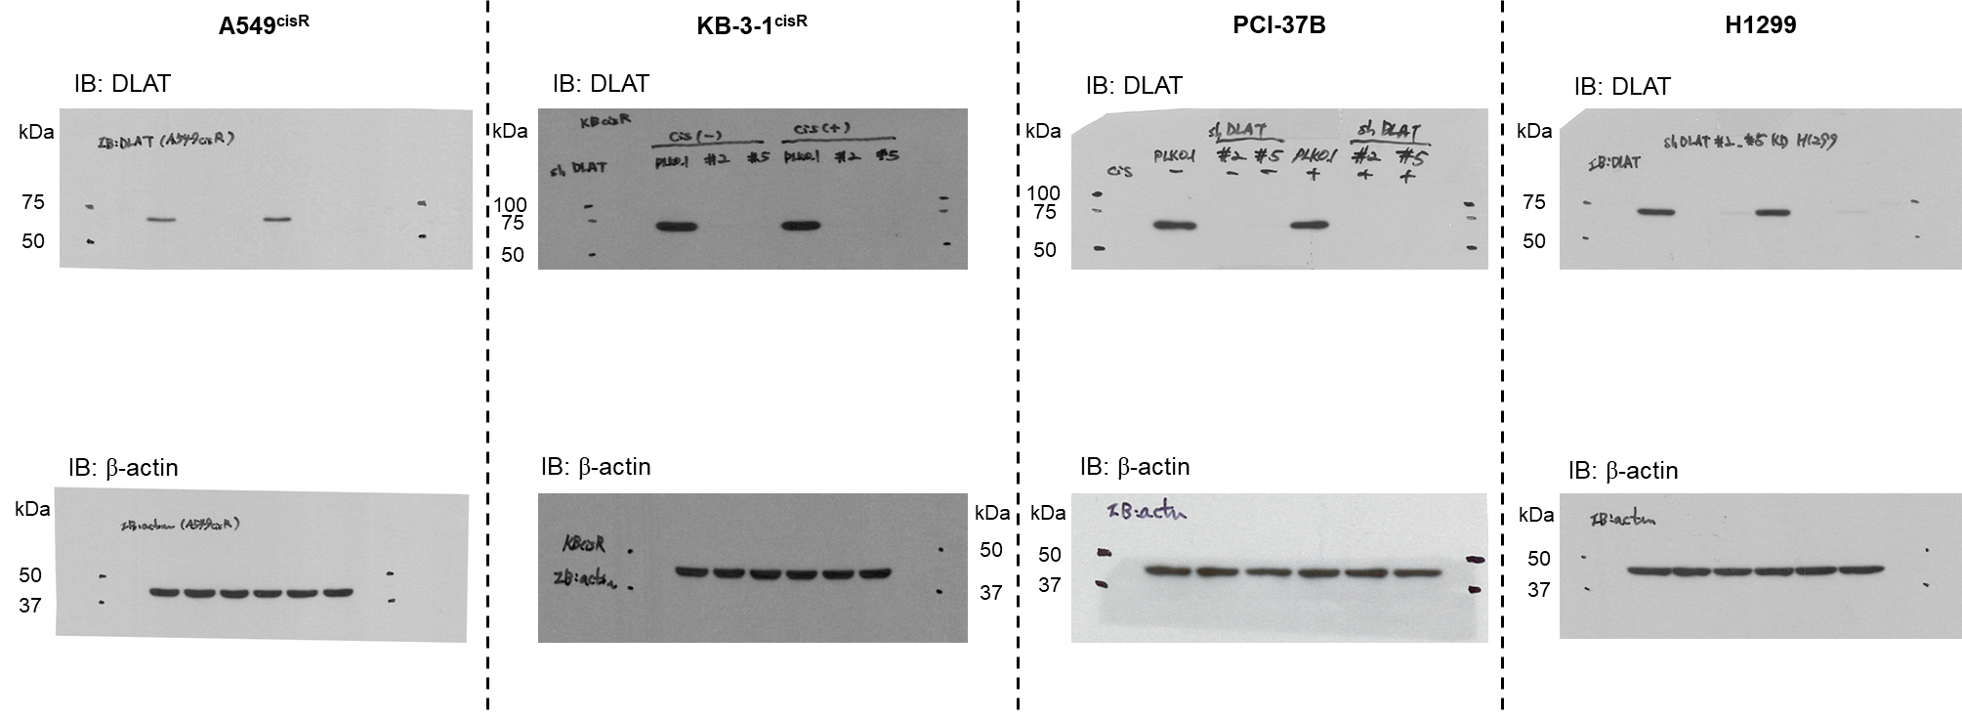
Figure 1F
 |  |  | Apoptotic death |  |  |  |  |  |  | Cell viability

A549cisR | pLKO.1 | shDLAT #1 | shDLAT #2 | pLKO.1 + cisplatin | shDLAT #1 + cisplatin | shDLAT #2 + cisplatin | A549cisR | pLKO.1 | shDLAT #1 | shDLAT #2 | pLKO.1 + cisplatin | shDLAT #1 + cisplatin | shDLAT #2 + cisplatin
n=1 | 3 | 2.31 | 1.49 | 21.58 | 32.55 | 29.22 | n=1 | 0.982174 | 0.932798 | 0.935906 | 0.754163 | 0.563458 | 0.628633
n=2 | 2.93 | 2.67 | 1.79 | 21.07 | 31.99 | 29.87 | n=2 | 0.989882 | 0.950518 | 1.002602 | 0.766244 | 0.546292 | 0.593597
n=3 | 3.05 | 2.5 | 1.59 | 21.2 | 32.64 | 33.4 | n=3 | 1.016942 | 1.008025 | 1.032062 | 0.75568 | 0.560887 | 0.580213
 |  |  |  |  |  |  | n=4 | 1.011003 | 0.987832 | 1.016771 | 0.749249 | 0.53962 | 0.525863

KB-3-1cisR | pLKO.1 | shDLAT #1 | shDLAT #2 | pLKO.1 + cisplatin | shDLAT #1 + cisplatin | shDLAT #2 + cisplatin | KB-3-1cisR | pLKO.1 | shDLAT #1 | shDLAT #2 | pLKO.1 + cisplatin | shDLAT #1 + cisplatin | shDLAT #2 + cisplatin
n=1 | 4.9 | 6.3 | 5.7 | 20.4 | 46 | 40 | n=1 | 1.026709 | 0.969236 | 0.918955 | 0.774966 | 0.416219 | 0.489841
n=2 | 5.1 | 6.8 | 5.6 | 23.1 | 46.6 | 41 | n=2 | 1.059499 | 1.012273 | 0.913792 | 0.841501 | 0.43154 | 0.463748
n=3 | 4.8 | 6.7 | 5.6 | 23.5 | 46.6 | 41.6 | n=3 | 0.913792 | 1.018415 | 1.0717 | 0.876241 | 0.407506 | 0.4213

PCI-37B | pLKO.1 | shDLAT #1 | shDLAT #2 | pLKO.1 + cisplatin | shDLAT #1 + cisplatin | shDLAT #2 + cisplatin | PCI-37B | pLKO.1 | shDLAT #1 | shDLAT #2 | pLKO.1 + cisplatin | shDLAT #1 + cisplatin | shDLAT #2 + cisplatin
n=1 | 2.3 | 2.02 | 2.31 | 15.61 | 38.02 | 33.33 | n=1 | 0.984428 | 0.978268 | 0.996589 | 0.727938 | 0.373353 | 0.450844
n=2 | 3.41 | 2.42 | 2.41 | 17.43 | 39.5 | 33.41 | n=2 | 0.986005 | 0.97261 | 0.972259 | 0.721711 | 0.372387 | 0.453822
n=3 | 2.78 | 2.47 | 2.34 | 19.17 | 38.54 | 32.54 | n=3 | 1.029568 | 0.972698 | 0.985386 | 0.718328 | 0.3609 | 0.457385

H1299 | pLKO.1 | shDLAT #1 | shDLAT #2 | pLKO.1 + cisplatin | shDLAT #1 + cisplatin | shDLAT #2 + cisplatin | H1299 | pLKO.1 | shDLAT #1 | shDLAT #2 | pLKO.1 + cisplatin | shDLAT #1 + cisplatin | shDLAT #2 + cisplatin
n=1 | 2.01 | 2.33 | 1.51 | 12.41 | 23.24 | 18.7 | n=1 | 1.013254 | 0.993973 | 1.023792 | 0.775692 | 0.52193 | 0.668398
n=2 | 2.17 | 2.99 | 1.66 | 12.32 | 23.45 | 18.43 | n=2 | 1.008164 | 0.99007 | 1.023055 | 0.779488 | 0.54214 | 0.658273
n=3 | 2.06 | 3.26 | 1.73 | 11.54 | 22.74 | 17.17 | n=3 | 0.978582 | 1.045113 | 0.98121 | 0.767706 | 0.514523 | 0.668398

Figure 1I
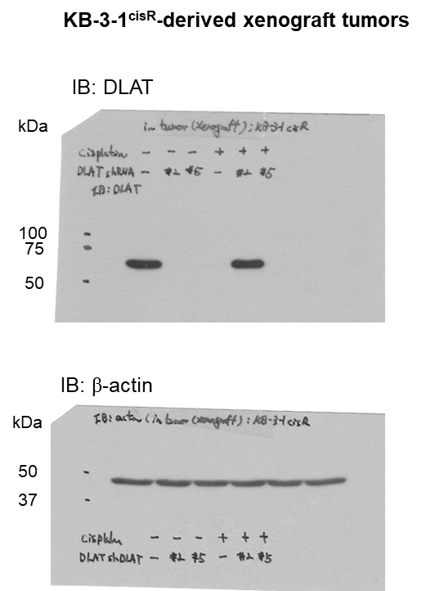
Figure 1I

Figure 2A
Figure 2A

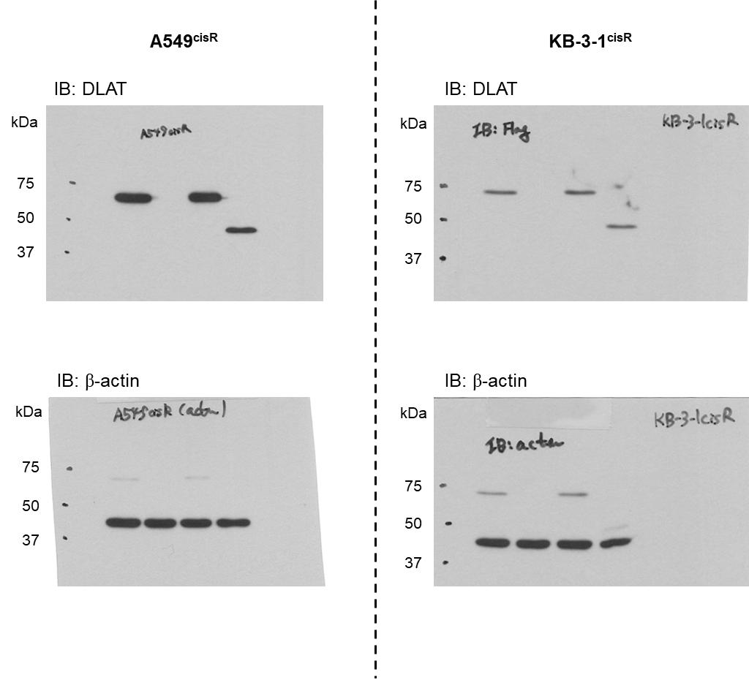
 |  |  | Apoptotic death
 | A549cisR | pLKO.1+pLHCX+cis | pLHCX+shDLAT+cis | shDLAT+DLAT(WT)+cis | shDLAT+DLAT(delta B)+cis
 | n=1 | 7.05 | 18.55 | 7.31 | 18.89
 | n=2 | 8.53 | 19.09 | 8.35 | 18.9
 | n=3 | 8.99 | 18.71 | 8.93 | 17.63
 | n=4 | 9.51 | 19.26 | 10.11 | 18.64

 |  |  | Cell viability
 | A549cisR | pLKO.1+pLHCX+cis | pLHCX+shDLAT+cis | shDLAT+DLAT(WT)+cis | shDLAT+DLAT(delta B)+cis
 | n=1 | 1.0006 | 0.55633 | 0.946217 | 0.590756
 | n=2 | 1.016709 | 0.583081 | 0.976612 | 0.597382
 | n=3 | 0.982691 | 0.573175 | 0.933622 | 0.62895

 |  |  | Apoptotic death
 | KB-3-1cisR | pLKO.1+pLHCX+cis | pLHCX+shDLAT+cis | shDLAT+DLAT(WT)+cis | shDLAT+DLAT(delta B)+cis
 | n=1 | 8.39 | 16.88 | 6.91 | 19.71
 | n=2 | 8.75 | 18.11 | 6.91 | 20.55
 | n=3 | 8.86 | 17.82 | 7.48 | 19.7
 | n=4 | 8.83 | 17.93 | 7.23 | 19.52

 |  |  | Cell viability
 | KB-3-1cisR | pLKO.1+pLHCX+cis | pLHCX+shDLAT+cis | shDLAT+DLAT(WT)+cis | shDLAT+DLAT(delta B)+cis
 | n=1 | 1.028317 | 0.512863 | 0.86983 | 0.563853
 | n=2 | 0.973589 | 0.472831 | 0.906329 | 0.638936
 | n=3 | 0.998094 | 0.49699 | 0.865624 | 0.525239

Figure 2B
Figure 2B

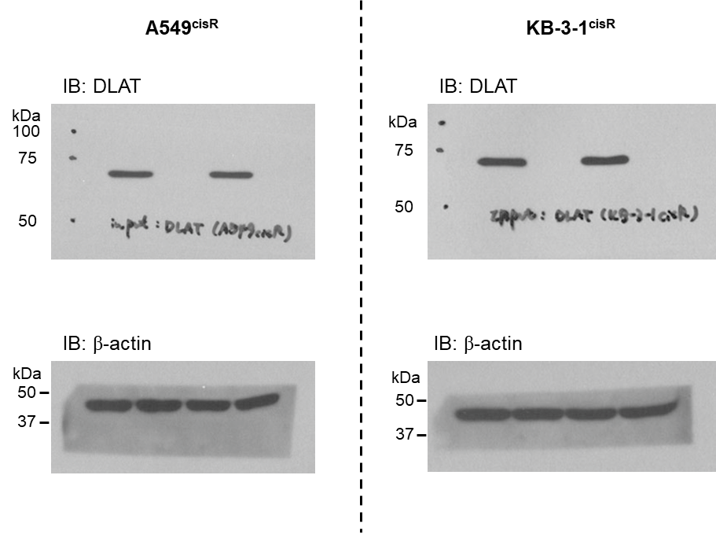

 |  | PDC activity
 | A549cisR | pLKO.1 | shDLAT | pLKO.1+cis | shDLAT+cis
 | n=1 | 0.984375 | 0.421875 | 0.984375 | 0.375
 | n=2 | 0.9375 | 0.375 | 1.125 | 0.421875
 | n=3 | 1.078125 | 0.421875 | 1.078125 | 0.375

 | KB-3-1cisR | pLKO.1 | shDLAT | pLKO.1+cis | shDLAT+cis
 | n=1 | 0.949868 | 0.047493 | 1.120053 | 0.067282
 | n=2 | 0.98153 | 0.047493 | 1.072559 | 0.051451
 | n=3 | 1.068602 | 0.043536 | 1.120053 | 0.047493

Figure 2C
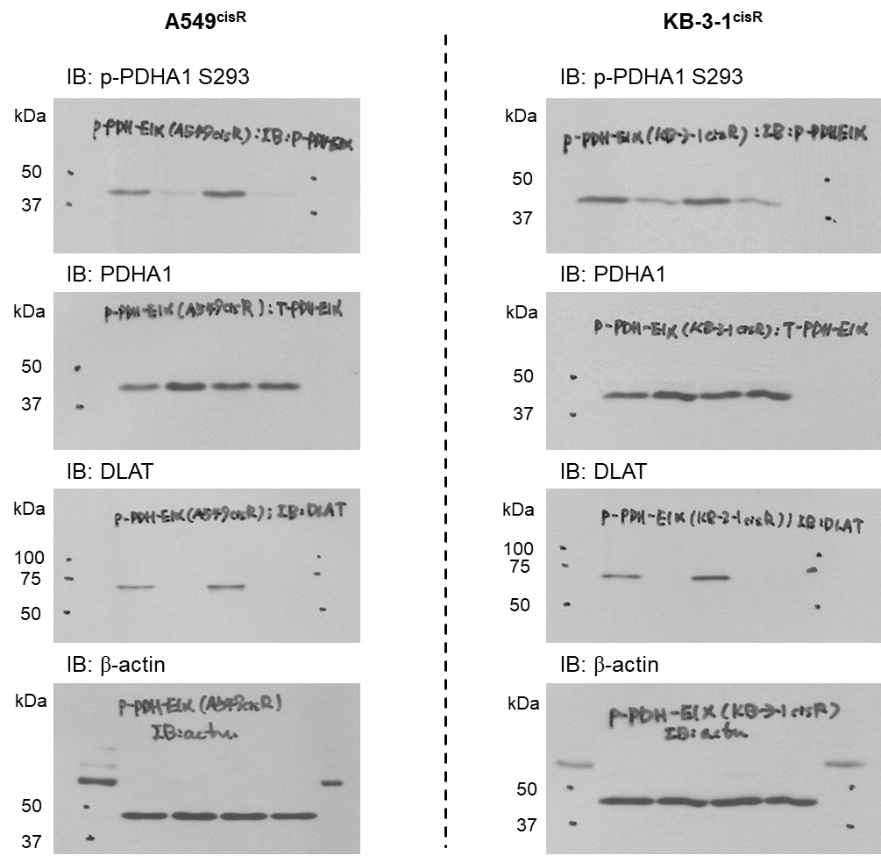
Figure 2C

Figure 2D
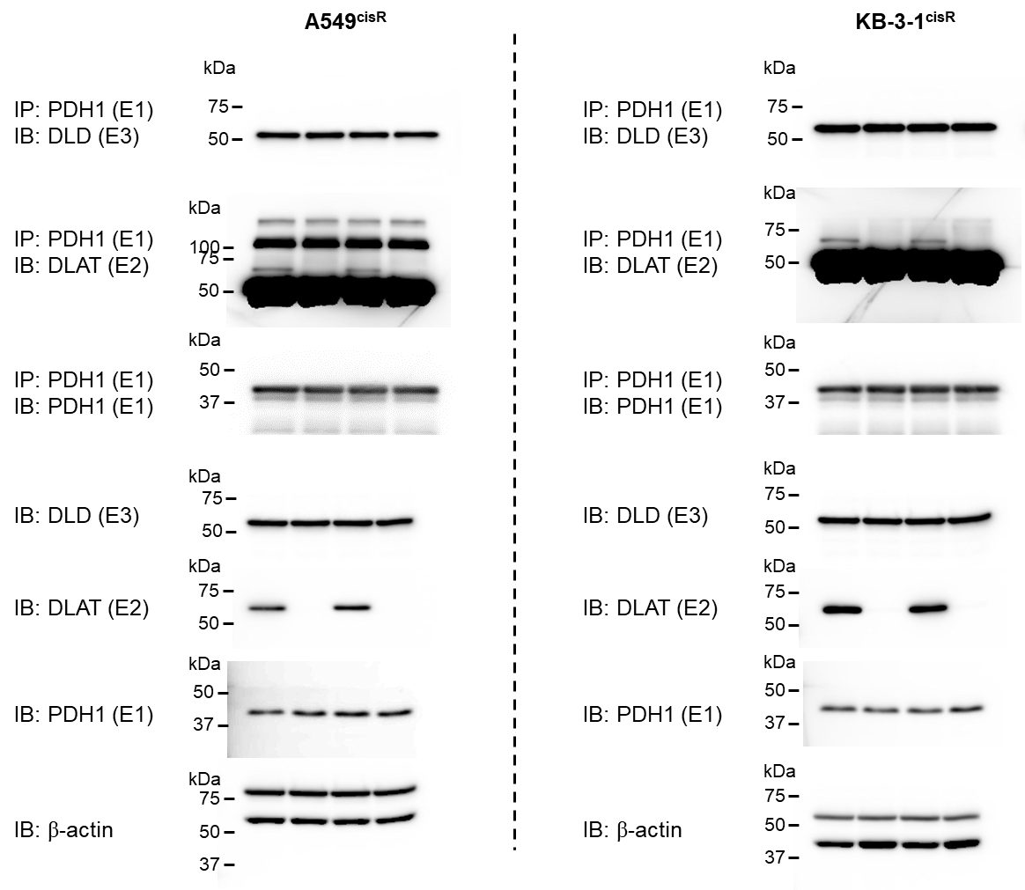
Figure 2D

Figure 2E
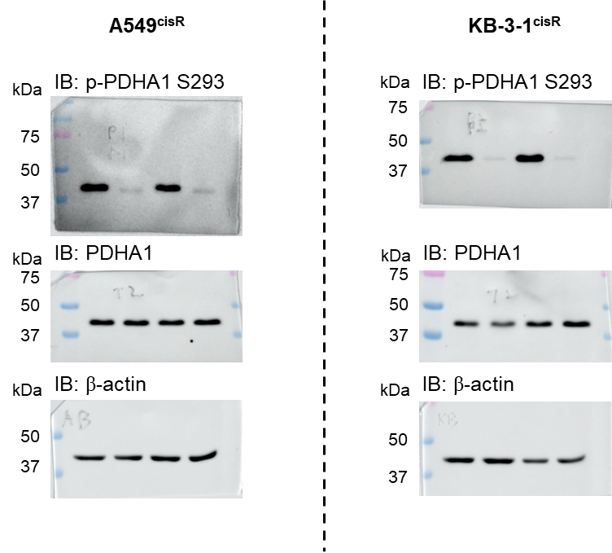
Figure 2E
 |  |  | Apoptotic death |  |  |  |  | Cell viability
 | A549cisR | Control | DCA | Cisplatin | Cisplatin + DCA | A549cisR | Control | DCA | Cisplatin | Cisplatin + DCA
 | n=1 | 8.9 | 9.2 | 20.8 | 22.3 | n=1 | 0.942422 | 1.005902 | 0.676858 | 0.677867
 | n=2 | 8.6 | 6.2 | 22 | 22.3 | n=2 | 1.004036 | 1.034404 | 0.699983 | 0.734211
 | n=3 | 5.3 | 6.2 | 21.9 | 23.1 | n=3 | 1.053542 | 1.091899 | 0.715292 | 0.707832

 | KB-3-1cisR | Control | DCA | Cisplatin | Cisplatin + DCA | KB-3-1cisR | Control | DCA | Cisplatin | Cisplatin + DCA
 | n=1 | 2.3 | 2.5 | 42 | 42.1 | n=1 | 0.971492 | 1.032054 | 0.596215 | 0.611409
 | n=2 | 2.3 | 4.8 | 39.6 | 41.8 | n=2 | 1.005953 | 1.047434 | 0.610349 | 0.642122
 | n=3 | 4.5 | 4.4 | 39.5 | 38.8 | n=3 | 1.022554 | 1.013121 | 0.62287 | 0.602178

Figure 2F
Figure 2F

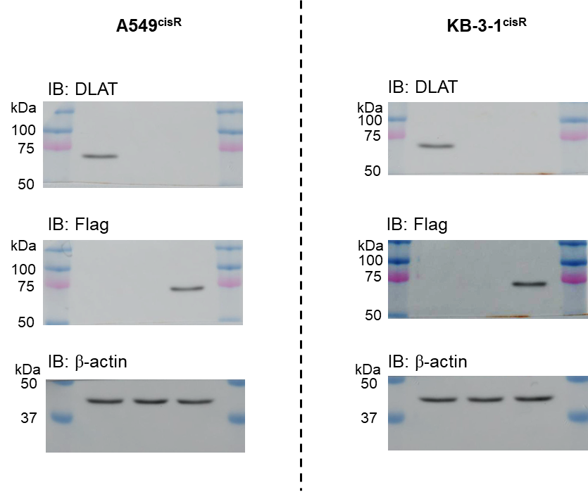
 |  |  | Acetyl-CoA level
 | A549cisR | Control+cis | shDLAT+cis | shDLAT+Flag-ACSS1 O/E+cis | A549cisR | Control+cis | shDLAT+cis | shDLAT+Flag-ACSS1 O/E+cis
 | n=1 | 95.396511 | 100.325865 | 86.9017467 | n=1 | 0.95396511 | 1.00325865 | 0.869017467
 | n=2 | 102.227277 | 97.558415 | 102.3521029 | n=2 | 1.02227277 | 0.97558415 | 1.023521029
 | n=3 | 102.376212 | 99.8703164 | 99.7610937 | n=3 | 1.02376212 | 0.998703164 | 0.997610937

 | KB-3-1cisR | Control+cis | shDLAT+cis | shDLAT+Flag-ACSS1 O/E+cis | KB-3-1cisR | Control+cis | shDLAT+cis | shDLAT+Flag-ACSS1 O/E+cis
 | n=1 | 100.603726 | 96.088878 | 92.034904 | n=1 | 1.00603726 | 0.96088878 | 0.92034904
 | n=2 | 100.44278 | 108.453279 | 101.442181 | n=2 | 1.0044278 | 1.08453279 | 1.01442181
 | n=3 | 98.953494 | 106.328476 | 109.906891 | n=3 | 0.98953494 | 1.06328476 | 1.09906891

 |  |  | Apoptotic death
 | A549cisR | Control+cis | shDLAT+cis | shDLAT+Flag-ACSS1 O/E+cis
 | n=1 | 19.2 | 36.5 | 34.9
 | n=2 | 20.7 | 39.9 | 38.2
 | n=3 | 17.7 | 33.6 | 32

 | KB-3-1cisR | Control+cis | shDLAT+cis | shDLAT+Flag-ACSS1 O/E+cis
 | n=1 | 19.9 | 50.2 | 49
 | n=2 | 20.8 | 55.3 | 54.1
 | n=3 | 20.4 | 50.5 | 49.3

 |  |  | Cell viability
 | A549cisR | Control+cis | shDLAT+cis | shDLAT+Flag-ACSS1 O/E+cis
 | n=1 | 0.98367109 | 0.719080126 | 0.676254828
 | n=2 | 1.021996371 | 0.686298465 | 0.64220832
 | n=3 | 0.994332539 | 0.636894293 | 0.717151548

 | KB-3-1cisR | Control+cis | shDLAT+cis | shDLAT+Flag-ACSS1 O/E+cis
 | n=1 | 0.977163279 | 0.596502256 | 0.573102854
 | n=2 | 1.007755868 | 0.601120292 | 0.581401125
 | n=3 | 1.015080854 | 0.609702438 | 0.603594059

Figure 2G
Figure 2G

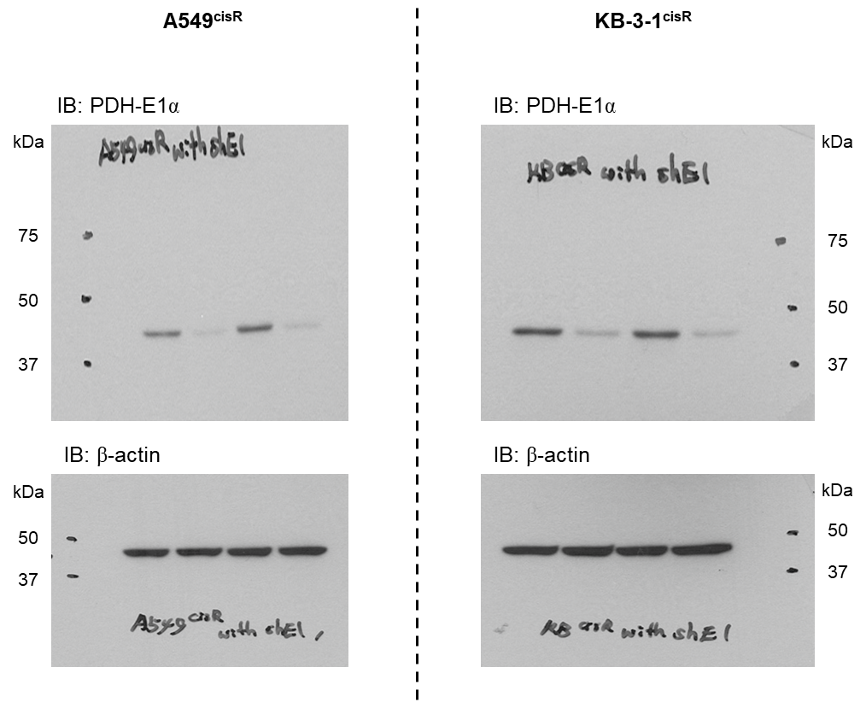
 |  | Apoptotic death
 | A549cisR | pLKO.1 | shE1 | pLKO.1 + cis | shE1 + cis
 | n=1 | 5.3 | 4.5 | 20.6 | 19.6
 | n=2 | 5.2 | 5 | 22.5 | 22.2
 | n=3 | 5.2 | 4.8 | 22.3 | 21.6

 | KB-3-1cisR | pLKO.1 | shE1 | pLKO.1 + cis | shE1 + cis
 | n=1 | 4.7 | 2.7 | 18.7 | 18.2
 | n=2 | 4.6 | 3.4 | 20.5 | 19.8
 | n=3 | 4.4 | 3.4 | 20.3 | 19

 |  | Cell viability
 | A549cisR | pLKO.1 | shE1 | pLKO.1 + cis | shE1 + cis
 | n=1 | 0.98632 | 0.951133 | 0.722479 | 0.657848
 | n=2 | 0.946307 | 0.981173 | 0.756767 | 0.669355
 | n=3 | 0.982185 | 0.988412 | 0.75566 | 0.716645
 | n=4 | 1.085188 | 0.988043 | 0.748511 | 0.725829

 | KB-3-1cisR | pLKO.1 | shE1 | pLKO.1 + cis | shE1 + cis
 | n=1 | 0.968096 | 1.055279 | 0.723333 | 0.755019
 | n=2 | 1.024849 | 1.018977 | 0.751649 | 0.757168
 | n=3 | 1.021868 | 0.984315 | 0.76149 | 0.783129
 | n=4 | 0.985186 | 1.049952 | 0.697027 | 0.763706

Figure 3A
Figure 3A
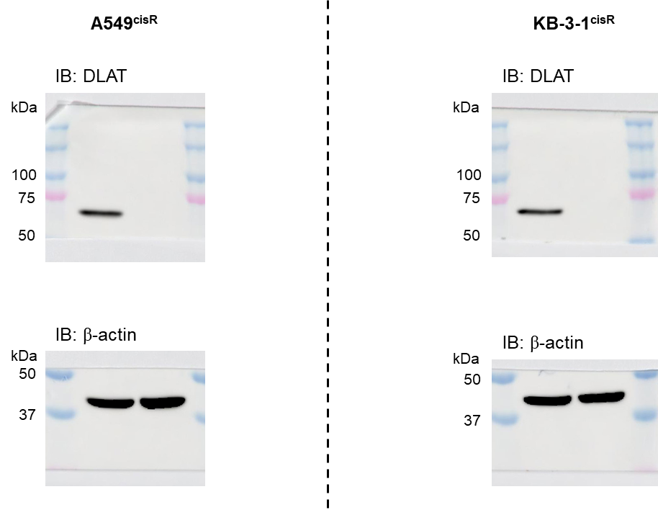
A549cisR | Cisplatin DNA adduct |  | KB-3-1cisR | Cisplatin DNA adduct
 | pLKO.1 + cis | shDLAT + cis |  | pLKO.1 + cis | shDLAT + cis
n=1 | 0.997760358 | 0.992161254 | n=1 | 1.007050529 | 0.997649824
n=2 | 1.002239642 | 1.002239642 | n=2 | 1.009400705 | 0.969447709
n=3 | 1 | 0.992161254 | n=3 | 0.983548766 | 0.970622797

A549cisR | p-γH2AX |  | KB-3-1cisR | p-γH2AX
 | pLKO.1 + cis | shDLAT + cis |  | pLKO.1 + cis | shDLAT + cis
n=1 | 0.994601889 | 1.001349528 | n=1 | 1.003566334 | 0.996077033
n=2 | 1.005398111 | 1 | n=2 | 1.004636234 | 0.97467903
n=3 | 1 | 1.012145749 | n=3 | 0.991797432 | 0.967189729

A549cisR | p-53BP1 |  | KB-3-1cisR | p-53BP1
 | pLKO.1 + cis | shDLAT + cis |  | pLKO.1 + cis | shDLAT + cis
n=1 | 0.995203837 | 1.013189448 | n=1 | 0.987964989 | 0.956236324
n=2 | 1.003597122 | 1.005995204 | n=2 | 1.004376368 | 0.975929978
n=3 | 1.001199041 | 1.004796163 | n=3 | 1.007658643 | 0.983588621

Figure 3B
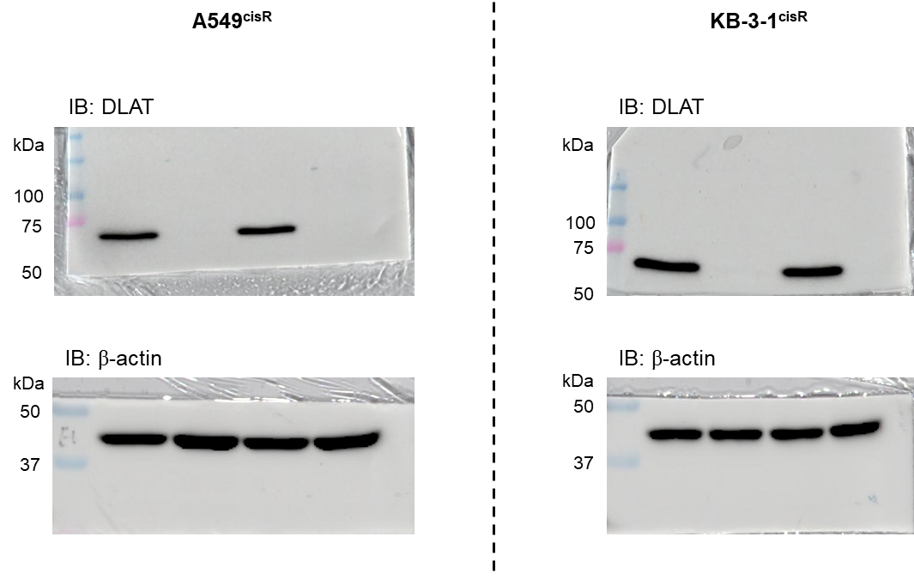
Figure 3B

 |  | ATP level |  |  |  |  | Global protein synthase |  |  |  |  | Global RNA synthase
A549cisR | pLKO.1 | shDLAT | pLKO.1 + Cis | shDLAT + Cis | A549cisR | pLKO.1 | shDLAT | pLKO.1 + Cis | shDLAT + Cis | A549cisR | pLKO.1 | shDLAT | pLKO.1 + Cis | shDLAT + Cis
n=1 | 0.977752851 | 0.910011021 | 1.318761349 | 1.404740972 | n=1 | 50 | 49.2 | 73.5 | 76.2 | n=1 | 28.9 | 30.7 | 35.2 | 36.6
n=2 | 1.038511871 | 0.809941601 | 1.280447072 | 1.318194105 | n=2 | 47.9 | 48.9 | 70.6 | 75.5 | n=2 | 28.9 | 28.9 | 34.2 | 34
n=3 | 0.983735278 | 1.002662284 | 1.192297441 | 1.292351943 | n=3 | 48.2 | 47.6 | 67.1 | 73.3 | n=3 | 27.3 | 28.6 | 34.8 | 33

KB-3-1cisR | pLKO.1 | shDLAT | pLKO.1 + Cis | shDLAT + Cis | KB-3-1cisR | pLKO.1 | shDLAT | pLKO.1 + Cis | shDLAT + Cis | KB-3-1cisR | pLKO.1 | shDLAT | pLKO.1 + Cis | shDLAT + Cis
n=1 | 0.874486106 | 0.874685719 | 1.592808157 | 1.707236692 | n=1 | 44.2 | 50.6 | 101 | 92.8 | n=1 | 27.4 | 24.9 | 34.8 | 33.6
n=2 | 1.078359503 | 0.880412527 | 1.724841991 | 1.704802998 | n=2 | 40.3 | 45.8 | 98.7 | 100 | n=2 | 25.9 | 24.6 | 33.4 | 31.4
n=3 | 1.047154391 | 0.865927071 | 1.722441376 | 1.692877894 | n=3 | 41.3 | 49.3 | 101 | 92.4 | n=3 | 26.2 | 24.8 | 32.4 | 31.6

Figure 3C
Figure 3C
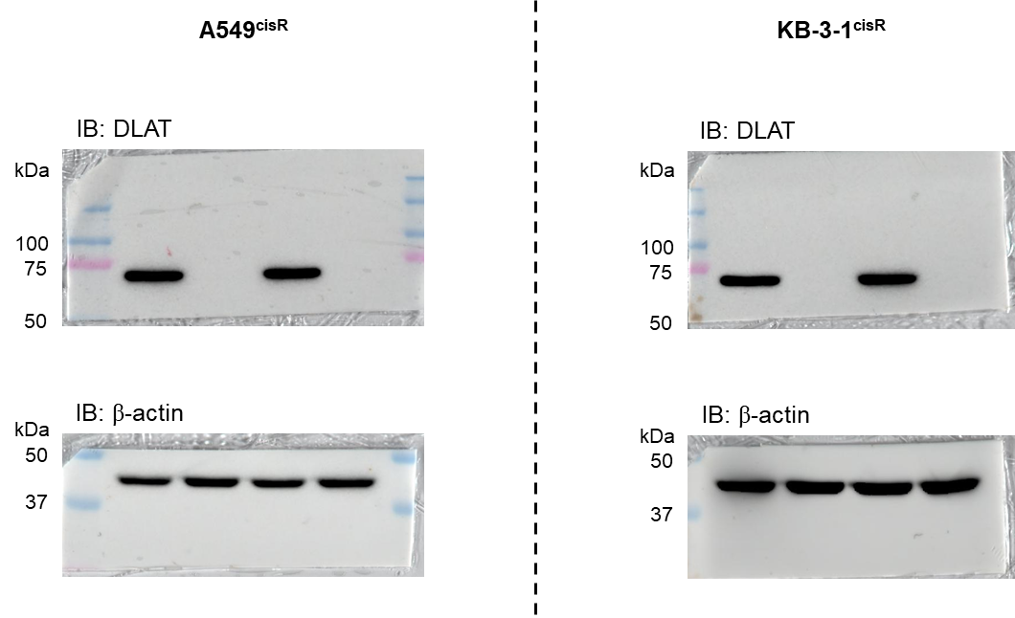
 |  |  | ROS level
 | A549cisR | pLKO.1 | shDLAT | pLKO.1 + Cis | shDLAT + Cis
 | n=1 | 1.008117 | 1.378247 | 1.441558442 | 1.69237013
 | n=2 | 0.974026 | 1.258929 | 1.412337662 | 1.636363636
 | n=3 | 1.017857 | 1.295455 | 1.390422078 | 1.653409091

 | KB-3-1cisR | pLKO.1 | shDLAT | pLKO.1 + Cis | shDLAT + Cis
 | n=1 | 1.013019 | 1.515867 | 1.664768104 | 1.901545972
 | n=2 | 1.010578 | 1.552482 | 1.691619203 | 1.840520749
 | n=3 | 0.976404 | 1.569569 | 1.625711961 | 1.869812856

Figure 2H
Figure 2H

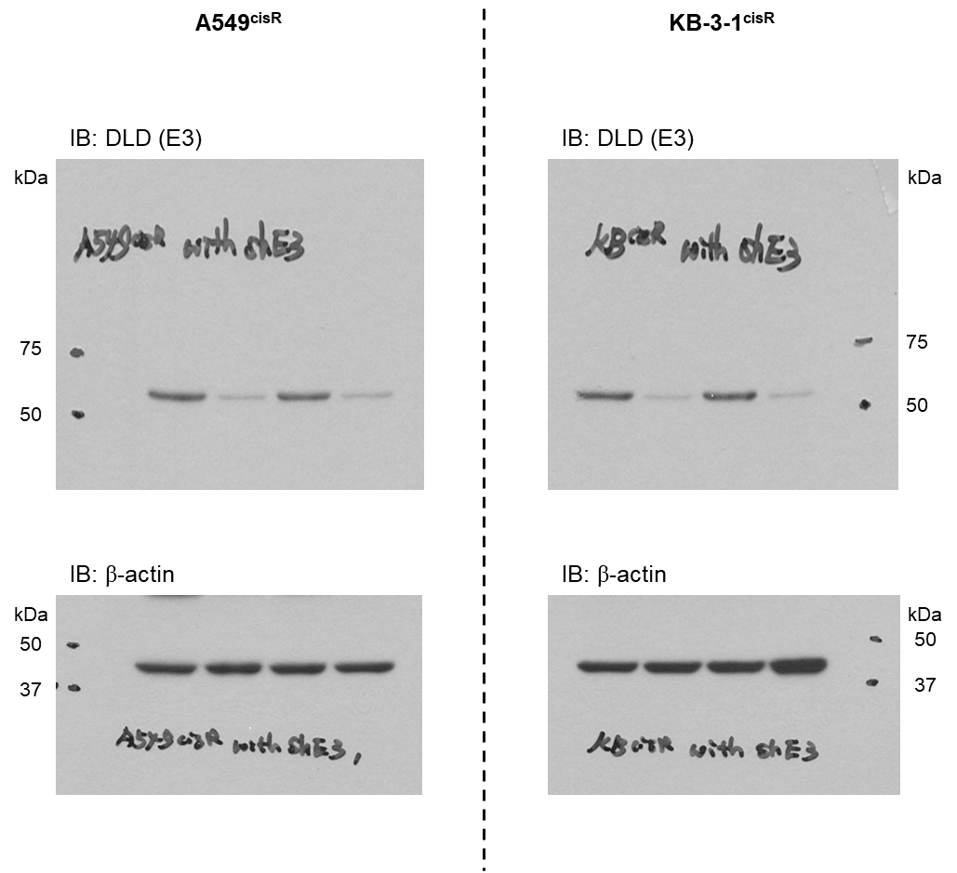
 |  | Apoptotic death
 | A549cisR | pLKO.1 | shE3 | pLKO.1 + cis | shE3 + cis
 | n=1 | 4.4 | 4.1 | 20.3 | 18.5
 | n=2 | 4.8 | 4 | 21.2 | 20.5
 | n=3 | 4.9 | 4.3 | 21.3 | 20.3

 | KB-3-1cisR | pLKO.1 | shE3 | pLKO.1 + cis | shE3 + cis
 | n=1 | 3.1 | 3.9 | 18.8 | 17.1
 | n=2 | 3.3 | 4.2 | 19.9 | 20.2
 | n=3 | 3.2 | 4.4 | 19.7 | 19.9

 |  | Cell viability
 | A549cisR | pLKO.1 | shE3 | pLKO.1 + cis | shE3 + cis
 | n=1 | 1.055955 | 0.999279 | 0.856619 | 0.795521
 | n=2 | 0.990948 | 1.12849 | 0.838635 | 0.820044
 | n=3 | 1.003668 | 1.013622 | 0.842652 | 0.797539
 | n=4 | 0.949428 | 0.892197 | 0.731708 | 0.766985

 | KB-3-1cisR | pLKO.1 | shE3 | pLKO.1 + cis | shE3 + cis
 | n=1 | 0.985616 | 1.012877 | 0.655961 | 0.712431
 | n=2 | 1.01348 | 0.938327 | 0.699973 | 0.643422
 | n=3 | 1.000905 | 0.955155 | 0.624637 | 0.623799

Figure 3F
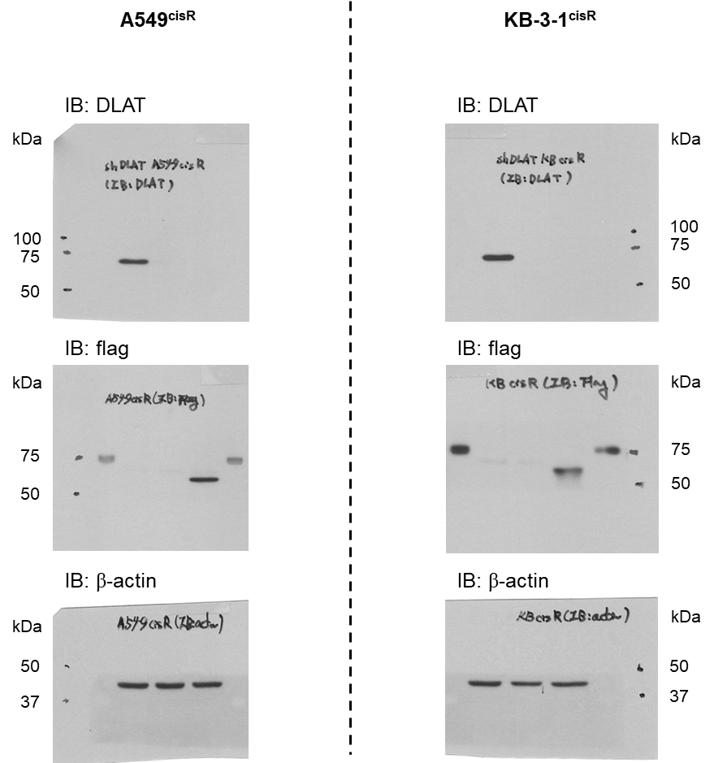
Figure 3F

 |  | H2O2 level |  |  |  | Apoptotic death |  |  |  | Cell viability
 | A549cisR | pLKO.1+cis | shDLAT+cis | shDLAT+Flag-catalase+cis | A549cisR | pLKO.1+cis | shDLAT+cis | shDLAT+Flag-catalase+cis | A549cisR | pLKO.1+cis | shDLAT+cis | shDLAT+Flag-catalase+cis
 | n=1 | 1.037736 | 1.150943 | 0.484277 | n=1 | 17.07 | 24.9 | 24.7 | n=1 | 1.009939 | 0.580991 | 0.696998
 | n=2 | 0.937107 | 1.09434 | 0.572327 | n=2 | 16.64 | 27.2 | 24 | n=2 | 0.979305 | 0.616929 | 0.708491
 | n=3 | 1.025157 | 1.025157 | 0.522013 | n=3 | 17.14 | 26.9 | 24.6 | n=3 | 1.010756 | 0.656 | 0.657732

 | KB-3-1cisR | pLKO.1+cis | shDLAT+cis | shDLAT+Flag-catalase+cis | KB-3-1cisR | pLKO.1+cis | shDLAT+cis | shDLAT+Flag-catalase+cis | KB-3-1cisR | pLKO.1+cis | shDLAT+cis | shDLAT+Flag-catalase+cis
 | n=1 | 1.118644 | 1 | 0.333333 | n=1 | 14.84 | 32.7 | 35.3 | n=1 | 0.97245 | 0.554896 | 0.587023
 | n=2 | 0.960452 | 0.932203 | 0.254237 | n=2 | 14.6 | 36 | 34.5 | n=2 | 1.033939 | 0.551905 | 0.584077
 | n=3 | 0.920904 | 0.920904 | 0.288136 | n=3 | 14.81 | 36.3 | 36.2 | n=3 | 0.993611 | 0.583262 | 0.509266

Figure 3G
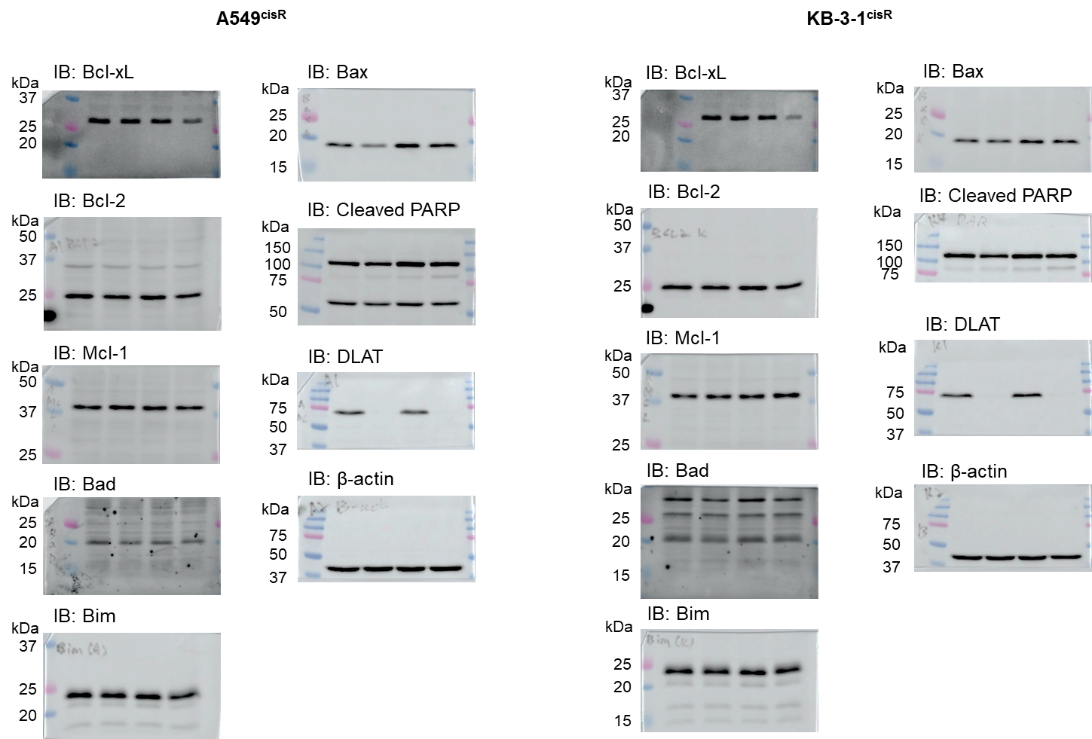
Figure 3G

Figure 3H
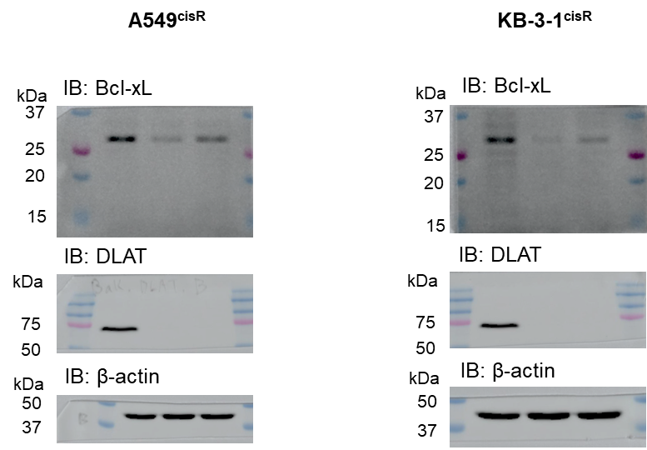
Figure 3H

Figure 4B
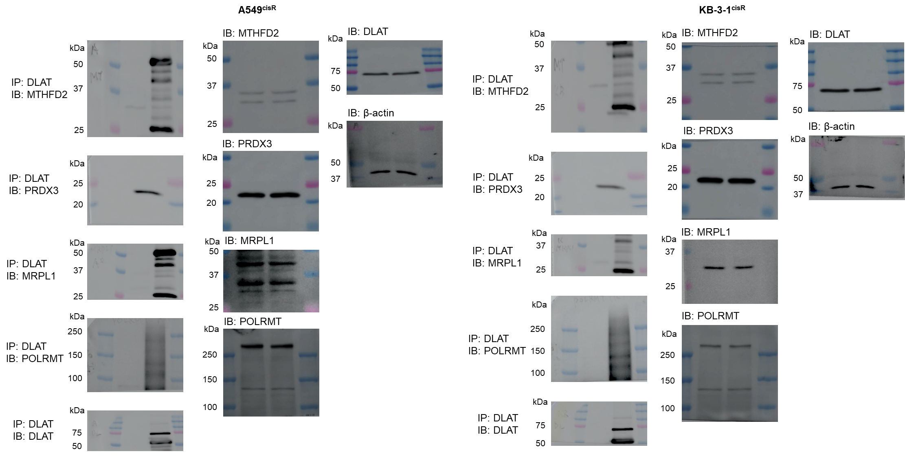
Figure 4B

Figure 4D
Figure 4D
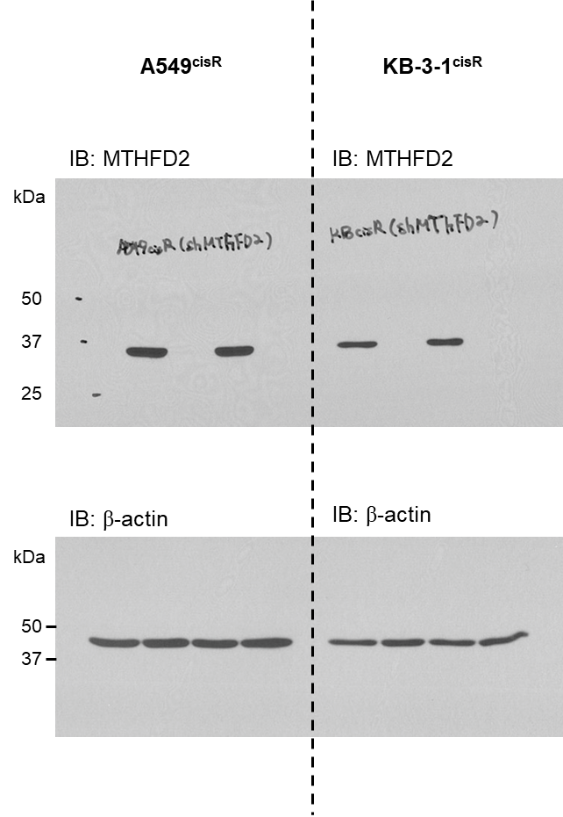
 |  | Apoptotic death
 | A549cisR | pLKO.1 | shMTHFD2 | pLKO.1+cis | shMTHFD2+cis
 | n=1 | 3 | 2.7 | 21.6 | 43
 | n=2 | 2.5 | 2.5 | 21.2 | 42.8
 | n=3 | 2.4 | 2.3 | 21.9 | 44.2

 | KB-3-1cisR | pLKO.1 | shMTHFD2 | pLKO.1+cis | shMTHFD2+cis
 | n=1 | 4.6 | 6.6 | 23.8 | 31.7
 | n=2 | 5 | 6.8 | 25.1 | 33.1
 | n=3 | 4.9 | 6.6 | 25.1 | 32.6

 |  | Cell viability
 | A549cisR | pLKO.1 | shMTHFD2 | pLKO.1+cis | shMTHFD2+cis
 | n=1 | 1.004127 | 1.005926 | 0.889929 | 0.612177
 | n=2 | 0.998056 | 1.039548 | 0.880669 | 0.617405
 | n=3 | 0.997817 | 1.000204 | 0.866893 | 0.62687

 | KB-3-1cisR | pLKO.1 | shMTHFD2 | pLKO.1+cis | shMTHFD2+cis
 | n=1 | 0.981368 | 1.036583 | 0.833284 | 0.692731
 | n=2 | 1.026953 | 1.070253 | 0.839668 | 0.705833
 | n=3 | 0.991679 | 1.017934 | 0.803079 | 0.688608

Figure 4G
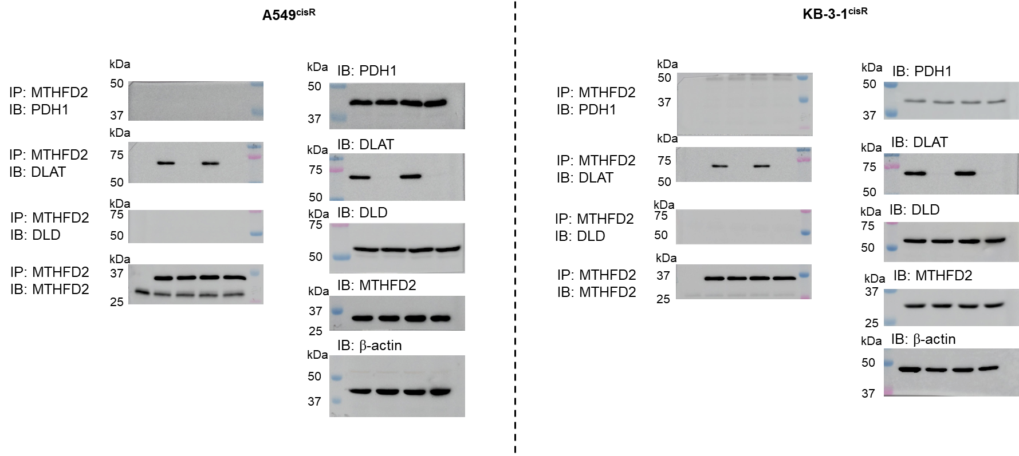
Figure 4G

Figure 4I
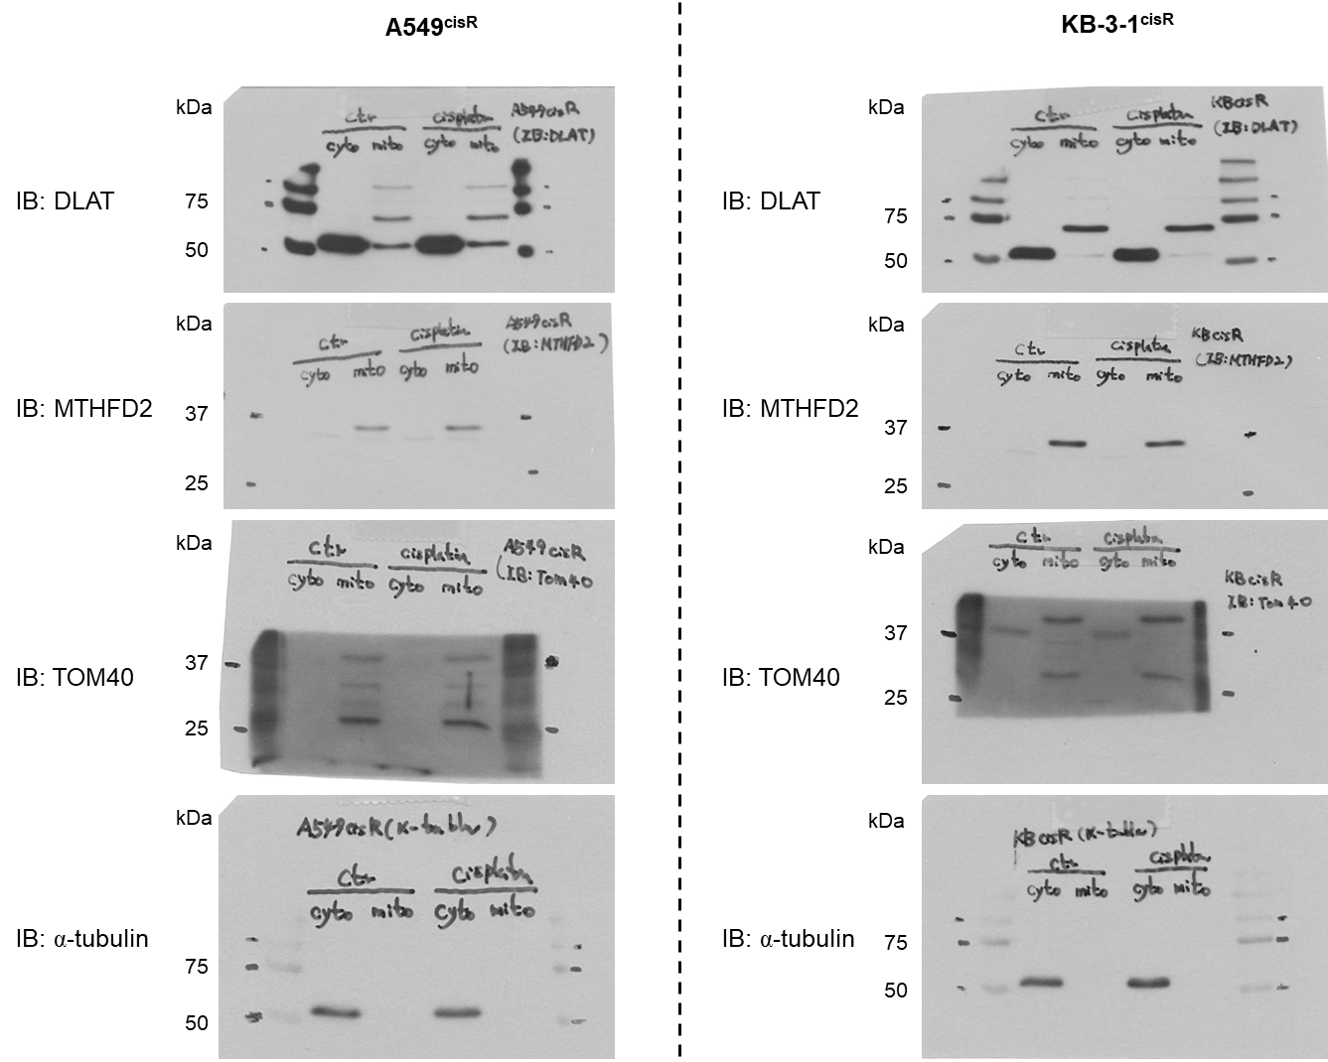
Figure 4I

Figure 5B
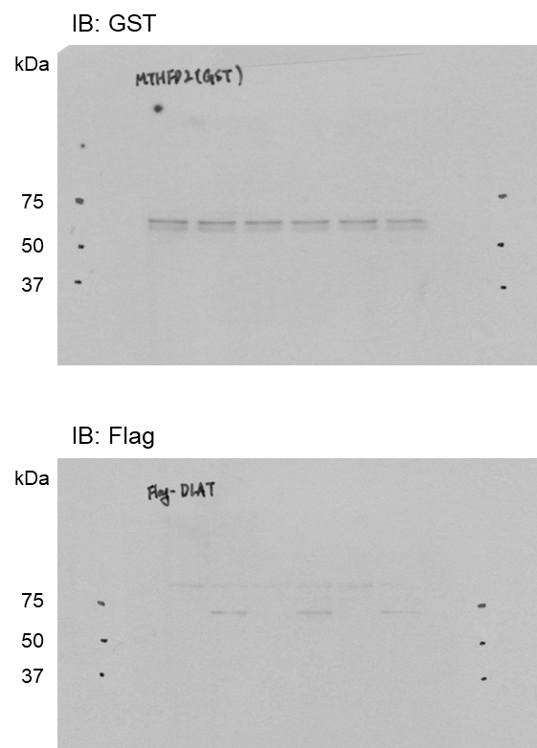
Figure 5C
 |  | MTHFD2 activity
 |  | MTHFD2 (WT) | MTHFD2 (WT) | MTHFD2 (K44R) | MTHFD2 (K44R) | MTHFD2 (K50R) | MTHFD2 (K50R)
 | n=1 | 1.042276 | 1.927692 | 1.01775 | 1.048125 | 1.076977 | 1.829951
 | n=2 | 1.005978 | 1.904573 | 1.038375 | 0.998625 | 0.986704 | 1.730114
 | n=3 | 0.951746 | 1.61462 | 0.943875 | 0.936 | 0.936319 | 1.65617

Figure 5C
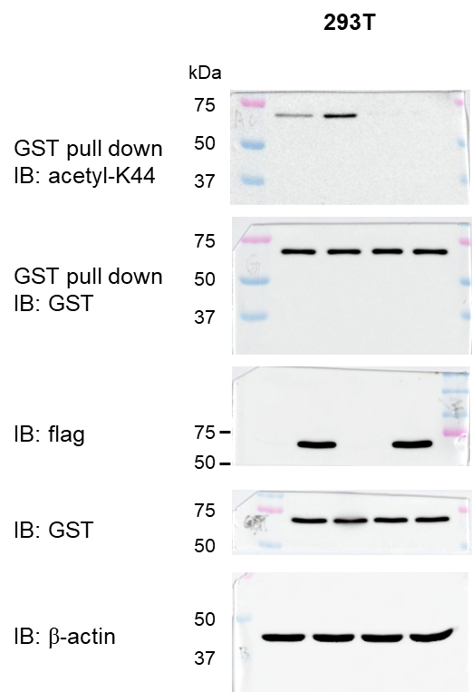
Figure 5D

Figure 5D
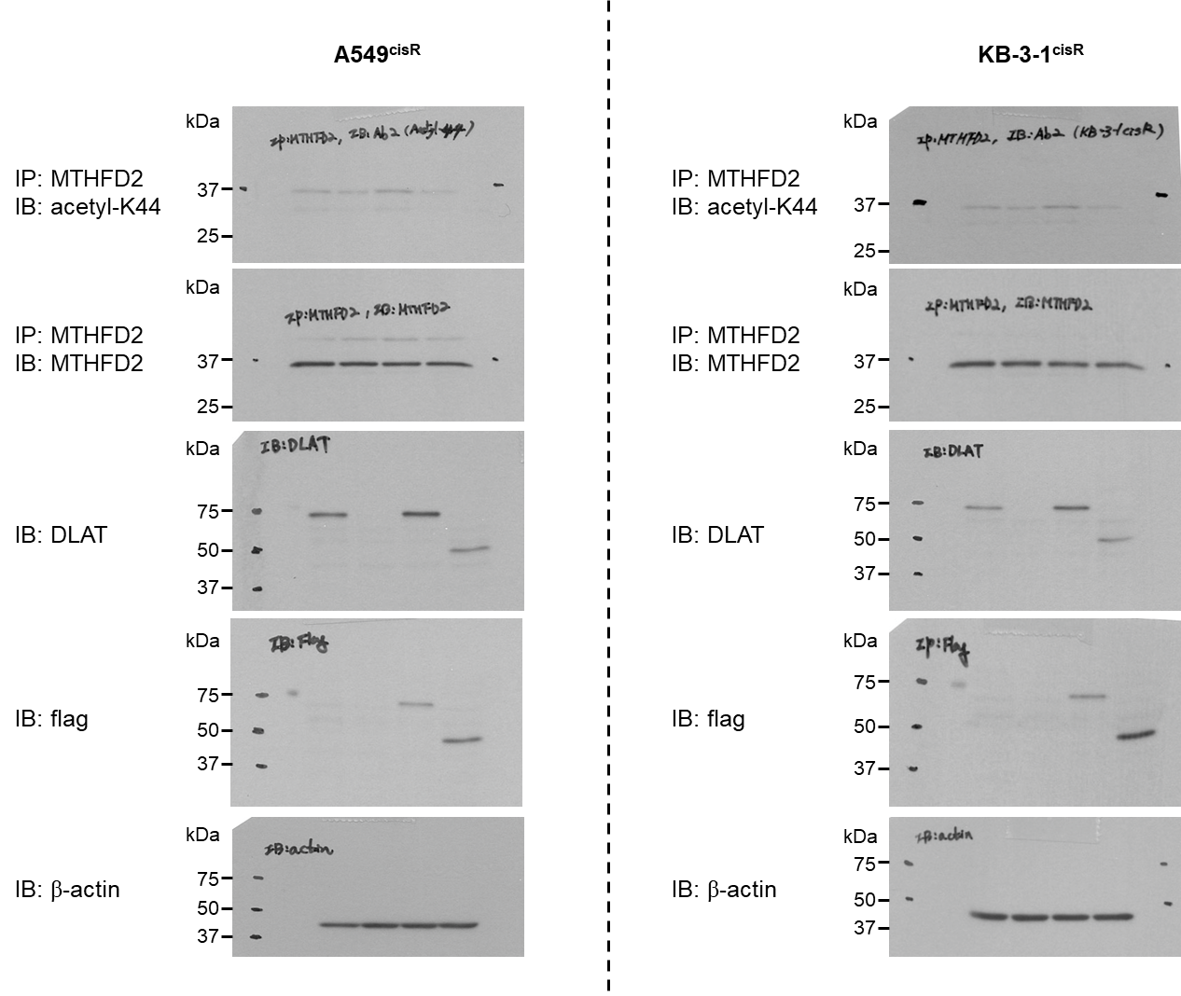
Figure 5E

Figure 5E
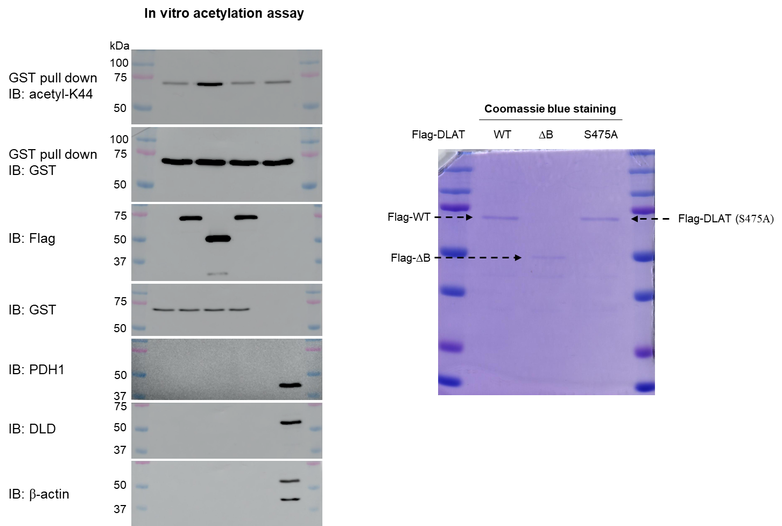
Figure 5F

Figure 5F
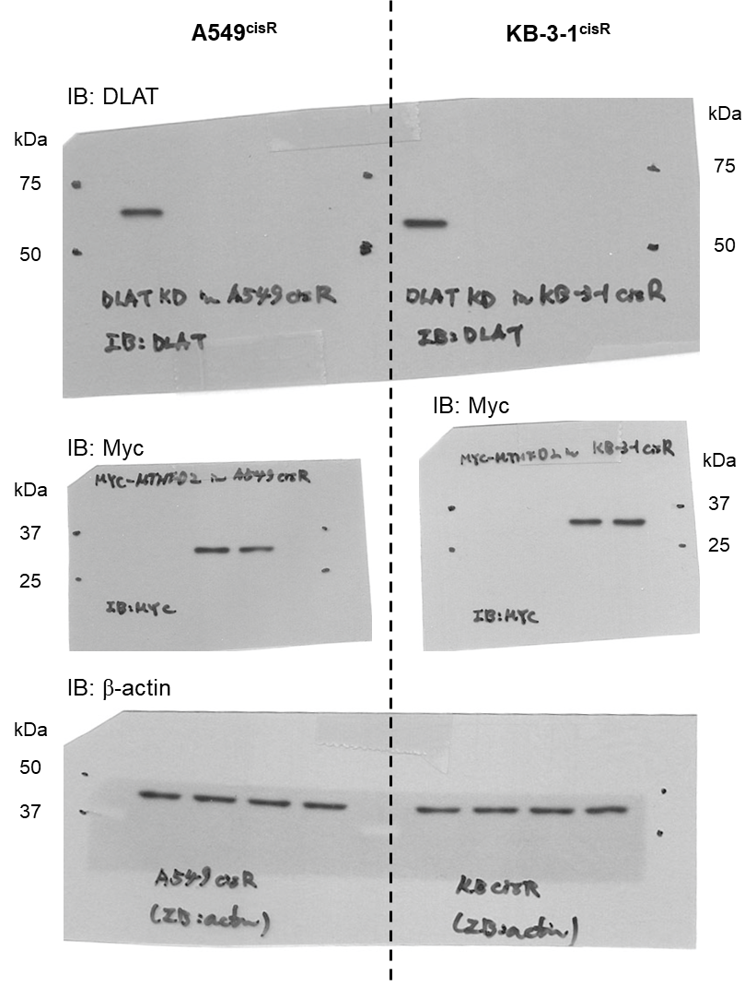
Figure 5G

 |  | Apoptotic death
 | A549cisR | pLKO.1+cis | shDLAT+cis | shDLAT+K44Q+cis | shDLAT+K44R+cis
 | n=1 | 20.16 | 33.94 | 23.78 | 32.9
 | n=2 | 21.18 | 33.24 | 25.03 | 33.17
 | n=3 | 20.33 | 32.71 | 25.22 | 32.07

 | KB-3-1cisR | pLKO.1+cis | shDLAT+cis | shDLAT+K44Q+cis | shDLAT+K44R+cis
 | n=1 | 16.8 | 63.6 | 17.89 | 54.4
 | n=2 | 17.25 | 64.3 | 17.68 | 58.8
 | n=3 | 16.93 | 63.1 | 17.96 | 60.2

 |  | Cell viability
 | A549cisR | pLKO.1+cis | shDLAT+cis | shDLAT+K44Q+cis | shDLAT+K44R+cis
 | n=1 | 0.987157 | 0.693492 | 0.950987 | 0.730485
 | n=2 | 1.036182 | 0.740425 | 0.901118 | 0.787014
 | n=3 | 1.005851 | 0.751344 | 0.929127 | 0.768185
 | n=4 | 0.97081 | 0.691496 | 0.989763 | 0.726371

 | KB-3-1cisR | pLKO.1+cis | shDLAT+cis | shDLAT+K44Q+cis | shDLAT+K44R+cis
 | n=1 | 1.015087 | 0.700688 | 0.93727 | 0.745155545
 | n=2 | 1.012846 | 0.681429 | 0.934646 | 0.719757525
 | n=3 | 0.977066 | 0.677289 | 1.01119 | 0.708897237
 | n=4 | 0.995001 | 0.683644 | 0.945453 | 0.650972117

Figure 6A
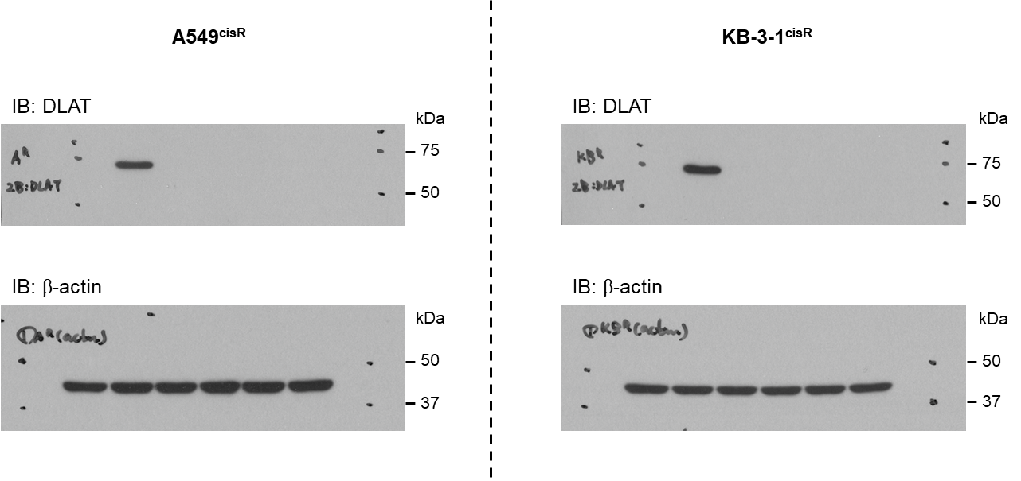
Figure 6A

 |  | Apoptotic death
 | A549cisR | pLKO.1+cis | shDLAT+cis | shDLAT+1 nM 10-formyl-THF+cis | shDLAT+10 nM 10-formyl-THF+cis | shDLAT+500 nM 10-formyl-THF+cis | shDLAT+1000 nM 10-formyl-THF+cis
 | n=1 | 15.6 | 48.9 | 34.1 | 34.4 | 31.5 | 27.2
 | n=2 | 15.1 | 48.4 | 34.9 | 35.4 | 32.6 | 30.8
 | n=3 | 15 | 49.7 | 35.4 | 35.4 | 33.9 | 31.2

 | KB-3-1cisR | pLKO.1+cis | shDLAT+cis | shDLAT+1 nM 10-formyl-THF+cis | shDLAT+10 nM 10-formyl-THF+cis | shDLAT+500 nM 10-formyl-THF+cis | shDLAT+1000 nM 10-formyl-THF+cis
 | n=1 | 14.8 | 56.4 | 50.9 | 40.8 | 35.8 | 27.7
 | n=2 | 14.5 | 58 | 51.5 | 41.6 | 37.5 | 28.4
 | n=3 | 14.2 | 56.8 | 52.5 | 42.1 | 36.7 | 27.8

 |  | Cell viability
 | A549cisR | pLKO.1+cis | shDLAT+cis | shDLAT+1 nM 10-formyl-THF+cis | shDLAT+10 nM 10-formyl-THF+cis | shDLAT+500 nM 10-formyl-THF+cis | shDLAT+1000 nM 10-formyl-THF+cis
 | n=1 | 0.972958 | 0.690564 | 0.813219 | 0.832006 | 0.904585 | 0.92747
 | n=2 | 1.021984 | 0.689609 | 0.811969 | 0.853162 | 0.924647 | 0.904585
 | n=3 | 1.005058 | 0.686373 | 0.835512 | 0.811568 | 0.877277 | 0.935324

 | KB-3-1cisR | pLKO.1+cis | shDLAT+cis | shDLAT+1 nM 10-formyl-THF+cis | shDLAT+10 nM 10-formyl-THF+cis | shDLAT+500 nM 10-formyl-THF+cis | shDLAT+1000 nM 10-formyl-THF+cis
 | n=1 | 0.975984 | 0.518496 | 0.62916 | 0.742005 | 0.843264 | 0.903947
 | n=2 | 1.019524 | 0.531225 | 0.627381 | 0.750101 | 0.83592 | 0.922422
 | n=3 | 1.004492 | 0.540456 | 0.620453 | 0.723225 | 0.844166 | 0.909238

Figure 6B
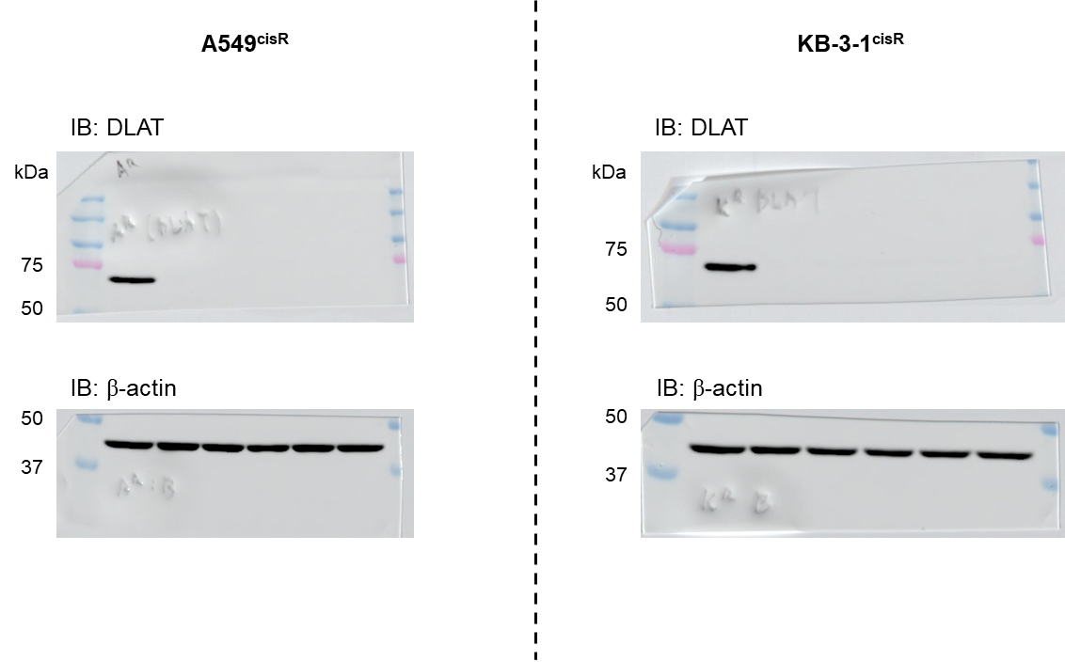
Figure 6B

 |  | Apoptotic death
 | A549cisR | pLKO.1+cis | shDLAT+cis | shDLAT+1 μM Formate+cis | shDLAT+10 μM Formate+cis | shDLAT+50 μM Formate+cis | shDLAT+100 μM Formate+cis
 | n=1 | 14.6 | 30 | 31 | 29.4 | 30.1 | 28.3
 | n=2 | 14.5 | 30.9 | 32.9 | 31 | 31.2 | 30.1
 | n=3 | 15.3 | 31.9 | 33.3 | 30.4 | 31.9 | 29.5

 | KB-3-1cisR | pLKO.1+cis | shDLAT+cis | shDLAT+1 μM Formate+cis | shDLAT+10 μM Formate+cis | shDLAT+50 μM Formate+cis | shDLAT+100 μM Formate+cis
 | n=1 | 16.4 | 43 | 41.5 | 43.2 | 42.7 | 38.2
 | n=2 | 16.6 | 43.2 | 42.5 | 43.3 | 44.2 | 40.7
 | n=3 | 16.5 | 44.1 | 42.6 | 45.8 | 43.8 | 42.6

 |  | Cell viability
 | A549cisR | pLKO.1+cis | shDLAT+cis | shDLAT+1 μM Formate+cis | shDLAT+10 μM Formate+cis | shDLAT+50 μM Formate+cis | shDLAT+100 μM Formate+cis
 | n=1 | 0.974763 | 0.646151 | 0.687802 | 0.611673 | 0.672966 | 0.705911
 | n=2 | 0.983678 | 0.633126 | 0.607564 | 0.638628 | 0.618569 | 0.655136
 | n=3 | 1.041558 | 0.683344 | 0.702707 | 0.665583 | 0.620728 | 0.655902

 | KB-3-1cisR | pLKO.1+cis | shDLAT+cis | shDLAT+1 μM Formate+cis | shDLAT+10 μM Formate+cis | shDLAT+50 μM Formate+cis | shDLAT+100 μM Formate+cis
 | n=1 | 0.960337 | 0.60007 | 0.669749 | 0.686186 | 0.633575 | 0.611168
 | n=2 | 0.994966 | 0.560454 | 0.681058 | 0.602388 | 0.610044 | 0.560454
 | n=3 | 1.044697 | 0.671576 | 0.62325 | 0.660056 | 0.717022 | 0.664411

Figure 6C
Figure 6C

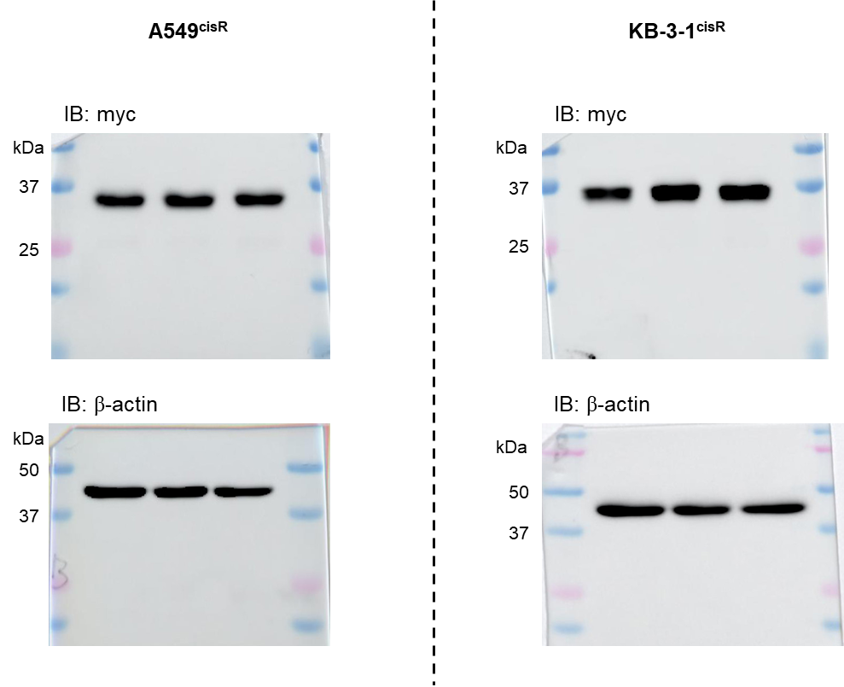
 |  | Apoptotic death
 | A549cisR | Cis+KQ | Cis+KR | Cis+KR+10-formyl-THF
 | n=1 | 11.6 | 35.9 | 11.5
 | n=2 | 10.9 | 37.4 | 13.3
 | n=3 | 10.8 | 29.9 | 13.9

 | KB-3-1cisR | Cis+KQ | Cis+KR | Cis+KR+10-formyl-THF
 | n=1 | 16.4 | 37.7 | 22.7
 | n=2 | 15.2 | 38.8 | 26.3
 | n=3 | 15.6 | 39 | 25

 |  | Cell viability
 | A549cisR | Cis+KQ | Cis+KR | Cis+KR+10-formyl-THF
 | n=1 | 0.956983 | 0.507118 | 0.785402
 | n=2 | 0.976024 | 0.486348 | 0.74174
 | n=3 | 1.066993 | 0.556554 | 0.713181

 | KB-3-1cisR | Cis+KQ | Cis+KR | Cis+KR+10-formyl-THF
 | n=1 | 1.001707 | 0.484364 | 0.720562
 | n=2 | 0.959221 | 0.446457 | 0.711256
 | n=3 | 1.039073 | 0.524175 | 0.81055

Figure 6D
Figure 6D

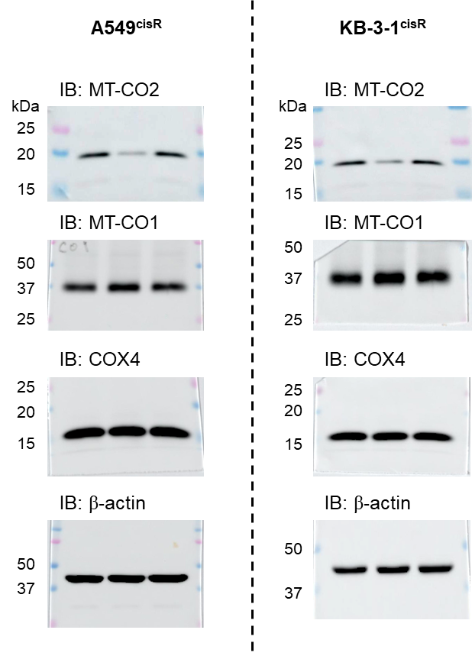

 |  | MT-CO2 mRNA expression
 | A549cisR | Cis+KQ | Cis+KR | Cis+KR+10-formyl-THF
 | n=1 | 0.996 | 0.551 | 1.063
 | n=2 | 0.989 | 0.56 | 1.091
 | n=3 | 0.989 | 0.562 | 1.094
 | n=4 | 1.027 | 0.579 | 1.181

 | KB-3-1cisR | Cis+KQ | Cis+KR | Cis+KR+10-formyl-THF
 | n=1 | 0.959 | 0.526 | 1.14
 | n=2 | 0.998 | 0.534 | 1.172
 | n=3 | 1.021 | 0.552 | 1.221
 | n=4 | 1.024 | 0.591 | 1.221

Figure 6E
Figure 6E

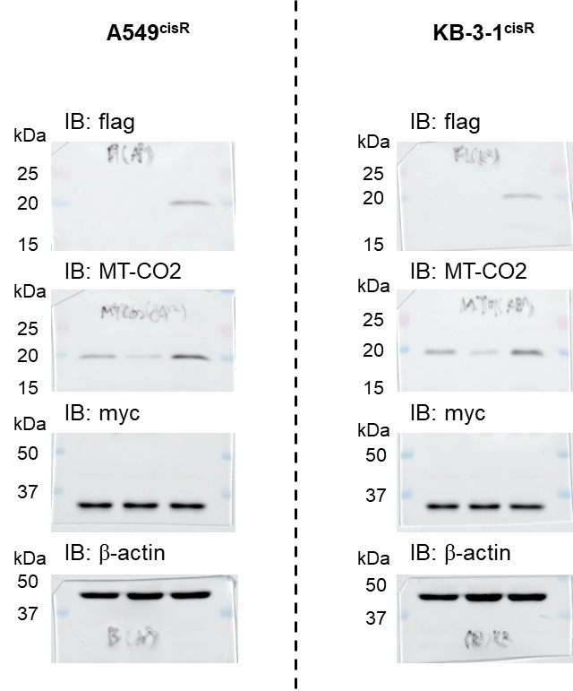
 |  | Apoptotic death
 | A549cisR | Cis+KQ | Cis+KR | Cis+KR+Flag-MT-CO2
 | n=1 | 14.9 | 38.6 | 23.4
 | n=2 | 13.7 | 36.8 | 22
 | n=3 | 12.6 | 35 | 20.6

 | KB-3-1cisR | Cis+KQ | Cis+KR | Cis+KR+Flag-MT-CO2
 | n=1 | 14.4 | 43.1 | 25.8
 | n=2 | 11.9 | 38.9 | 22
 | n=3 | 10 | 34.7 | 18.7

 |  | Cell viability
 | A549cisR | Cis+KQ | Cis+KR | Cis+KR+Flag-MT-CO2
 | n=1 | 0.989335 | 0.569042 | 0.749082
 | n=2 | 0.98433 | 0.507147 | 0.739209
 | n=3 | 1.026335 | 0.557628 | 0.655749

 | KB-3-1cisR | Cis+KQ | Cis+KR | Cis+KR+Flag-MT-CO2
 | n=1 | 0.967221 | 0.533139 | 0.78395
 | n=2 | 1.009295 | 0.546235 | 0.821186
 | n=3 | 1.023484 | 0.499631 | 0.749025

Figure 6F
Figure 6F

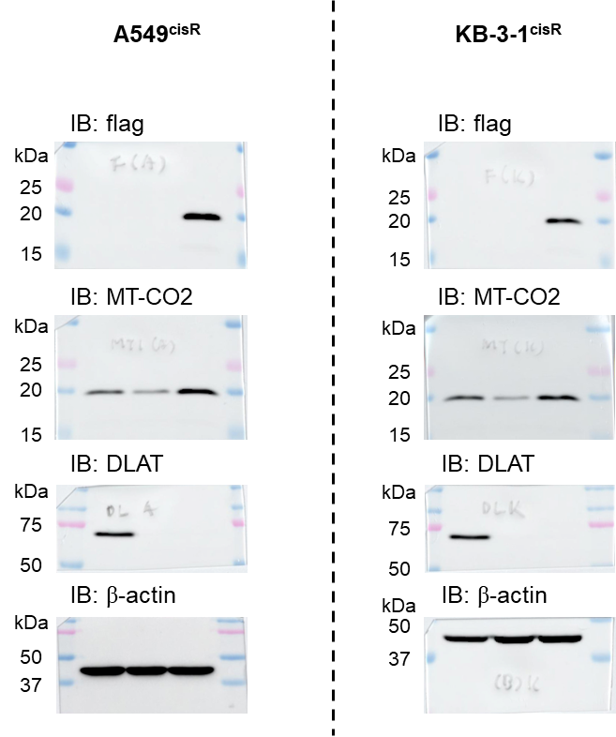
 |  | Apoptotic death
 | A549cisR | Cis+pLKO.1 | Cis+shDLAT | Cis+shDLAT+Flag-MT-CO2
 | n=1 | 14.8 | 38.4 | 24.3
 | n=2 | 14.2 | 35.2 | 22.5
 | n=3 | 13.9 | 32.5 | 20.9

 | KB-3-1cisR | Cis+pLKO.1 | Cis+shDLAT | Cis+shDLAT+Flag-MT-CO2
 | n=1 | 15.1 | 43.3 | 24.6
 | n=2 | 14.1 | 40.4 | 22.8
 | n=3 | 13.1 | 37.9 | 21.2

 |  | Cell viability
 | A549cisR | Cis+pLKO.1 | Cis+shDLAT | Cis+shDLAT+Flag-MT-CO2
 | n=1 | 1.021619 | 0.621329 | 0.915341
 | n=2 | 1.009415 | 0.636767 | 0.834738
 | n=3 | 0.968966 | 0.613243 | 0.823073

 | KB-3-1cisR | Cis+pLKO.1 | Cis+shDLAT | Cis+shDLAT+Flag-MT-CO2
 | n=1 | 1.019262 | 0.674522 | 0.894367
 | n=2 | 0.995636 | 0.627337 | 0.870895
 | n=3 | 0.985101 | 0.616042 | 0.883489

Figure 8C
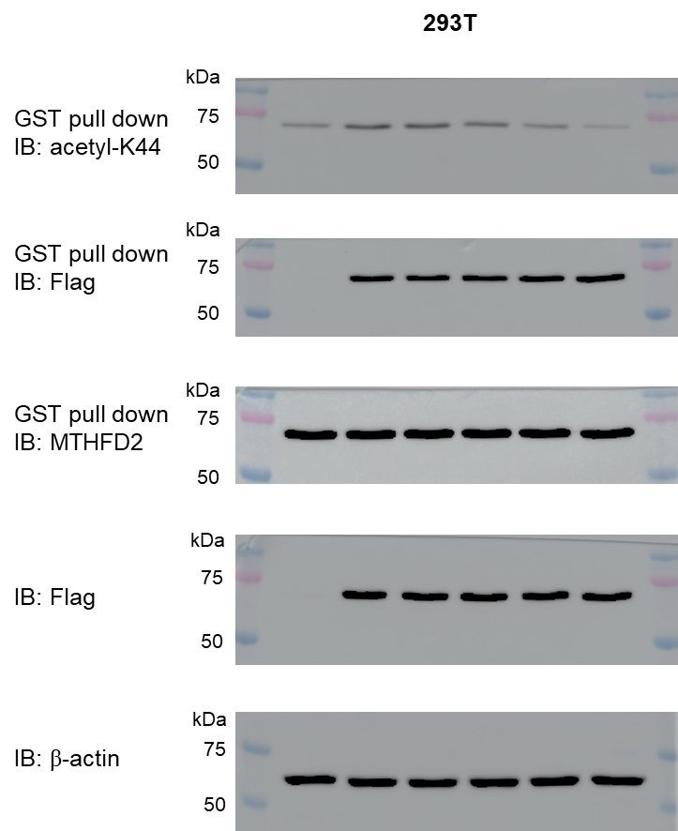
Figure 8C

Figure 8D
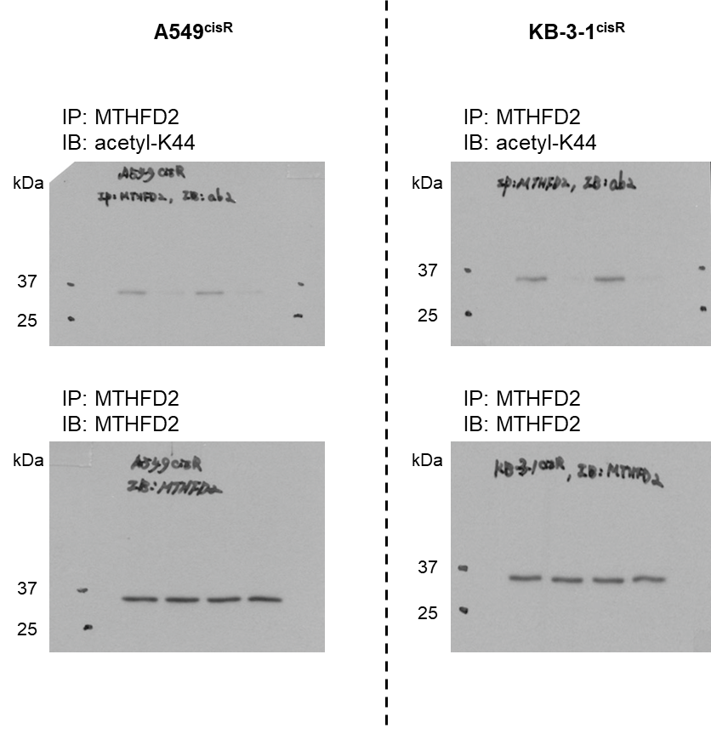
Figure 8D

Figure 8G
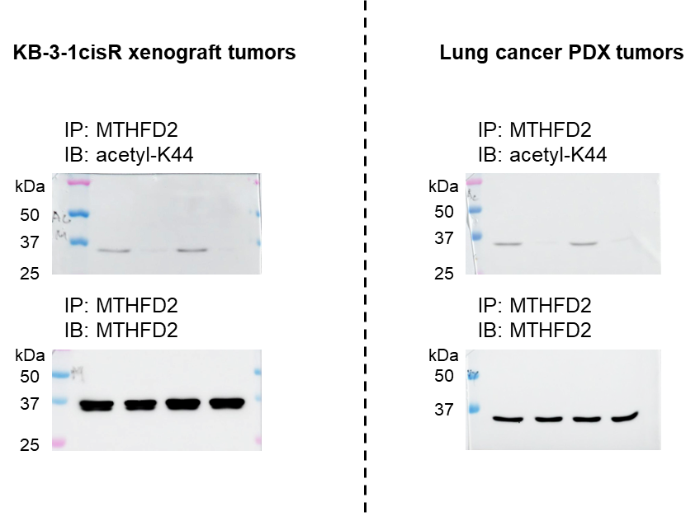
Figure 8G
Xenograft |  |  |  |  | PDX
Total Flux [p/s] | cy7 | cy7-DMp39 | cy7+cis | cy7-DMp39+cis | Total Flux [p/s] | cy7 | cy7-DMp39 | cy7+cis | cy7-DMp39+cis
n=1 | 6.08E+08 | 6.05E+08 | 6.14E+08 | 7.40E+08 | n=1 | 1.53E+08 | 1.24E+08 | 1.64E+08 | 1.62E+08
n=2 | 5.11E+08 | 5.81E+08 | 6.28E+08 | 5.53E+08 | n=2 | 2.99E+08 | 1.78E+08 | 1.33E+08 | 8.99E+07
n=3 | 7.17E+08 | 5.42E+08 | 5.81E+08 | 6.19E+08 | n=3 | 1.06E+08 | 2.63E+08 | 1.56E+08 | 2.18E+08
n=4 | 6.29E+08 | 6.33E+08 | 5.12E+08 | 5.48E+08 | n=4 | 1.14E+08 | 2.03E+08 | 2.22E+08 | 8.66E+07
n=5 | 1.26E+08 | 6.46E+08 | 5.46E+08 | 6.43E+08 | n=5 | 1.00E+08 | 2.18E+08 | 1.19E+08 | 1.56E+08
n=6 | 5.92E+08 | 6.14E+08 | 1.36E+08 | 5.98E+08 | average | 1.55E+08 | 1.97E+08 | 1.59E+08 | 1.43E+08
average | 5.31E+08 | 6.04E+08 | 5.03E+08 | 6.17E+08 | SD | 8.33E+07 | 5.14E+07 | 3.96E+07 | 5.53E+07
SD | 2.09E+08 | 3.77E+07 | 1.85E+08 | 7.05E+07

Supple F1
Supple Fig 1A
 |  | DLAT mRNA
 | A549cisR | Elesclomol (0 nM) | Elesclomol (10 nM) | Elesclomol (50 nM) | Elesclomol (100 nM) | Elesclomol (400 nM) | Elesclomol (800 nM) | Elesclomol (1000 nM)
 | n=1 | 0.947693 | 1.103353 | 0.98 | 0.975927 | 0.962746 | 1.001209 | 1.042121
 | n=2 | 1.032173 | 1.185883 | 1.114926 | 1.018022 | 1.103746 | 1.015883 | 0.967998
 | n=3 | 1.022304 | 1.044993 | 1.016146 | 1.028846 | 0.922295 | 1.054156 | 1.063186

 | KB-3-1cisR | Elesclomol (0 nM) | Elesclomol (10 nM) | Elesclomol (50 nM) | Elesclomol (100 nM) | Elesclomol (400 nM) | Elesclomol (800 nM) | Elesclomol (1000 nM)
 | n=1 | 0.910639 | 1.055964 | 0.970245 | 1.084915 | 1.052718 | 0.960406 | 1.071984
 | n=2 | 1.084942 | 1.079873 | 1.088894 | 1.009442 | 1.069795 | 1.035433 | 0.990062
 | n=3 | 1.012156 | 1.023208 | 1.023765 | 1.104028 | 1.083398 | 1.00387 | 1.038088

Supple Fig 1B
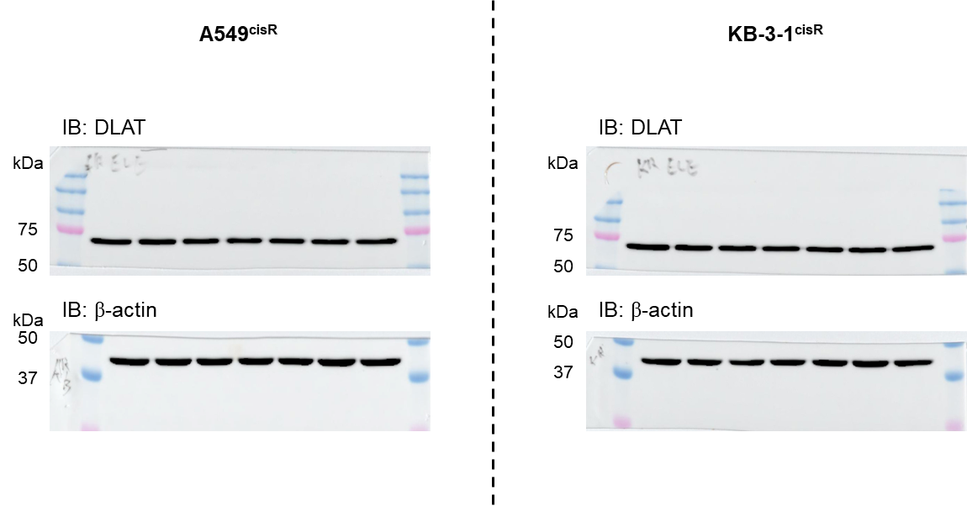

Supple Fig 1C
 |  | Cell viability
 | A549cisR | Elesclomol (0 nM) | Elesclomol (10 nM) | Elesclomol (50 nM) | Elesclomol (100 nM) | Elesclomol (400 nM) | Elesclomol (800 nM) | Elesclomol (1000 nM)
 | n=1 | 1.071038 | 0.888556 | 0.757297 | 0.701718 | 0.690896 | 0.616786 | 0.569429
 | n=2 | 0.970338 | 0.881124 | 0.725484 | 0.671624 | 0.693507 | 0.604871 | 0.631236
 | n=3 | 0.958624 | 0.903371 | 0.733833 | 0.685497 | 0.718127 | 0.676307 | 0.578368

 | KB-3-1cisR | Elesclomol (0 nM) | Elesclomol (10 nM) | Elesclomol (50 nM) | Elesclomol (100 nM) | Elesclomol (400 nM) | Elesclomol (800 nM) | Elesclomol (1000 nM)
 | n=1 | 0.953446 | 0.80675 | 0.620629 | 0.461006 | 0.443578 | 0.389127 | 0.274518
 | n=2 | 0.997046 | 0.86675 | 0.584487 | 0.51607 | 0.452015 | 0.444517 | 0.294627
 | n=3 | 1.049508 | 0.844643 | 0.536208 | 0.435141 | 0.428207 | 0.455813 | 0.275567

Supple F2
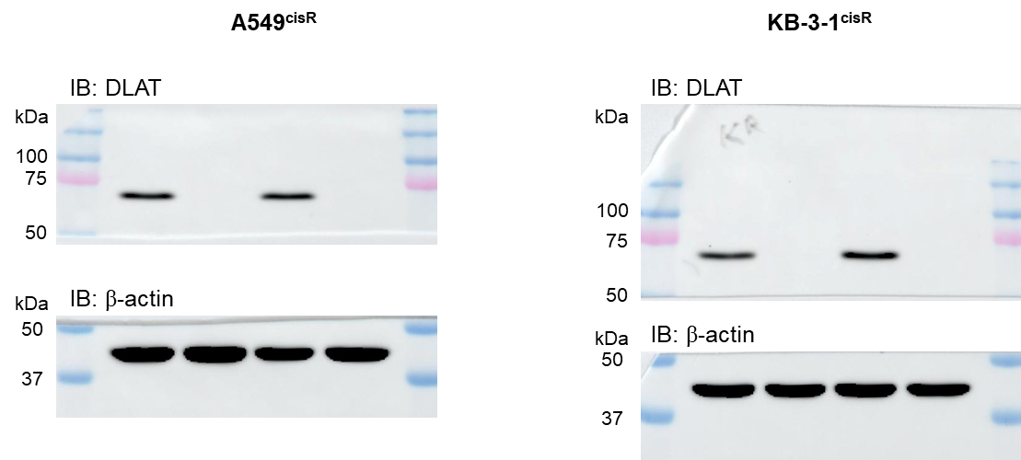
Supple Fig 2A |  |  |  |  |  | Supple Fig 2B

 |  | GSH/GSSG |  |  |  |  |  | GSH/GSSG
 | A549cisR | pLKO.1 | shDLAT | pLKO.1+cis | shDLAT+cis |  | KB-3-1cisR | pLKO.1 | shDLAT | pLKO.1+cis | shDLAT+cis
 | n=1 | 37.40902 | 36.39044 | 18.36514 | 8.401649 |  | n=1 | 26.02258 | 25.16098 | 14.16578 | 6.045507
 | n=2 | 43.12339 | 36.58246 | 20.00655 | 8.900678 |  | n=2 | 26.78462 | 24.26036 | 13.50589 | 6.222701
 | n=3 | 42.22551 | 37.20218 | 19.36139 | 8.944519 |  | n=3 | 22.45554 | 24.04081 | 14.17112 | 6.177408
 | n=4 | 34.46382 | 40.45292 | 18.03953 | 10.99952 |  | n=4 | 25.57511 | 23.24544 | 12.67578 | 6.252394

 |  | NADPH |  |  |  |  |  | NADPH
 | A549cisR | pLKO.1 | shDLAT | pLKO.1+cis | shDLAT+cis |  | KB-3-1cisR | pLKO.1 | shDLAT | pLKO.1+cis | shDLAT+cis
 | n=1 | 0.991317 | 0.935045 | 0.737267 | 0.392596 |  | n=1 | 0.971172 | 1.008802 | 0.856455 | 0.393121
 | n=2 | 0.980041 | 0.923325 | 0.780191 | 0.396677 |  | n=2 | 0.991482 | 0.939056 | 0.823601 | 0.408927
 | n=3 | 1.028642 | 0.966694 | 0.784456 | 0.31589 |  | n=3 | 1.037346 | 0.901231 | 0.826824 | 0.429043

Supple F3
Supple Fig 3A |  |  |  |  |  |  |  | Supple Fig 3B
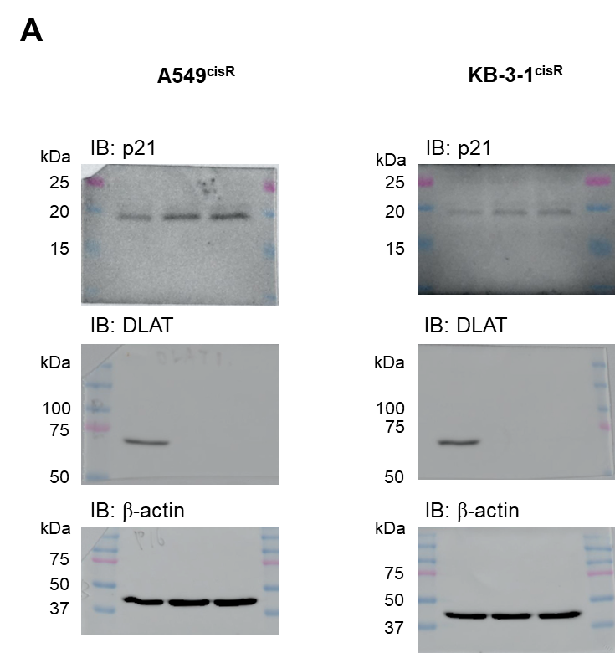
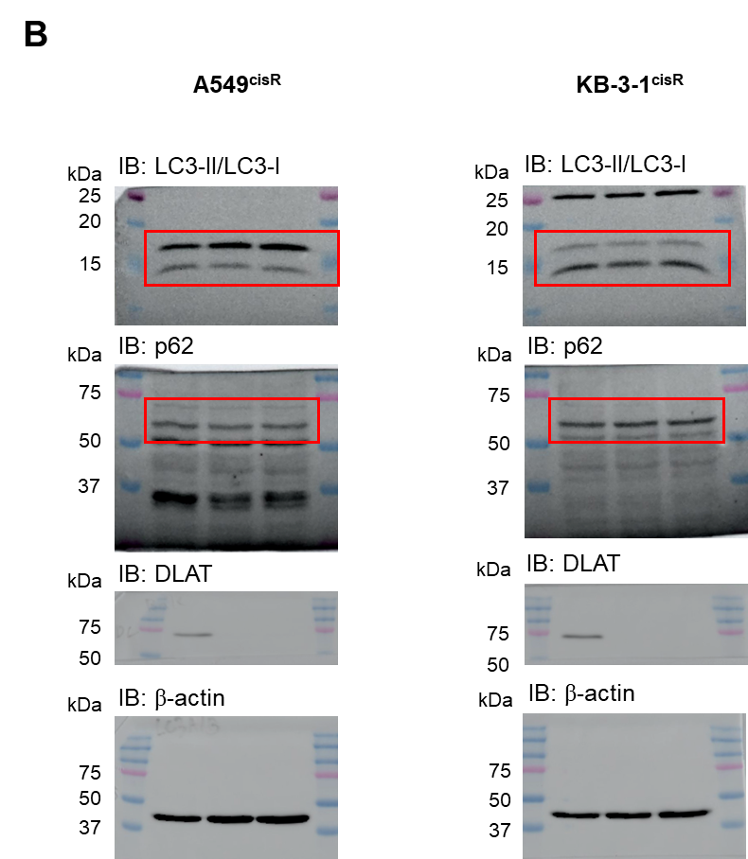

Supple Fig 3C |  | Cell cycle |  |  |  |  |  |  |  |  | Supple Fig 3D |  | ROS level
 | A549cisR | G1 phase |  |  | S phase |  |  | G2 phase |  |  |  | A549cisR | pLKO.1 + cis | shDLAT + cis | shDLAT + cis + NAC
 | pLKO.1 + cis | 34.1 | 33.1 | 33.1 | 29.7 | 27.6 | 28.1 | 36.2 | 39.3 | 38.8 |  | n=1 | 0.983703 | 1.939863 | 1.254563233
 | shDLAT + cis | 39.2 | 39.5 | 39.5 | 23.6 | 20.9 | 21.9 | 37.2 | 39.6 | 38.6 |  | n=2 | 1.003096 | 1.886897 | 1.268252934
 | shDLAT + NAC + cis | 40.8 | 42.1 | 41.8 | 21.6 | 22.2 | 19.3 | 37.6 | 35.7 | 38.9 |  | n=3 | 1.013201 | 1.727184 | 1.195078227

 |  | Cell cycle |  |  |  |  |  |  |  |  |  |  | ROS level
 | KB-3-1cisR | G1 phase |  |  | S phase |  |  | G2 phase |  |  |  | KB-3-1cisR | pLKO.1 + cis | shDLAT + cis | shDLAT + cis + NAC
 | pLKO.1 + cis | 23.3 | 23.7 | 24.3 | 17.8 | 18.2 | 17.8 | 58.9 | 58.1 | 57.9 |  | n=1 | 1.036538 | 2.065385 | 1.135989011
 | shDLAT + cis | 18.3 | 17.6 | 17 | 18.1 | 18.9 | 19.8 | 63.6 | 63.5 | 63.2 |  | n=2 | 0.96511 | 2.046978 | 1.260714286
 | shDLAT + NAC + cis | 18.9 | 19 | 20.2 | 17.9 | 18 | 20.5 | 63.2 | 63 | 59.3 |  | n=3 | 0.998352 | 1.843681 | 1.178296703

Supple F4
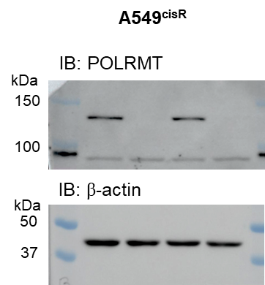
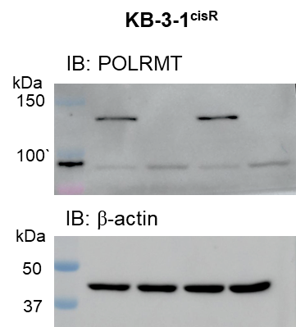
Supple Fig 4B

 |  | Apoptotic death |  |  |  |  | Apoptotic death
 | A549cisR | pLKO.1 | shPRDX3 | pLKO.1+cis | shPRDX3+cis | KB-3-1cisR | pLKO.1 | shPRDX3 | pLKO.1+cis | shPRDX3+cis
 | n=1 | 2.2 | 2.1 | 21.2 | 19.1 | n=1 | 4.4 | 3.7 | 24.1 | 22.1
 | n=2 | 2.7 | 2.5 | 22.4 | 20 | n=2 | 4.9 | 4.2 | 24.6 | 23.9
 | n=3 | 2.3 | 2.3 | 21.6 | 20.1 | n=3 | 4.3 | 4.1 | 25.1 | 23.2

 |  | Cell viability |  |  |  |  | Cell viability
 | A549cisR | pLKO.1 | shPRDX3 | pLKO.1+cis | shPRDX3+cis | KB-3-1cisR | pLKO.1 | shPRDX3 | pLKO.1+cis | shPRDX3+cis
 | n=1 | 0.991449 | 1.032674 | 0.874065 | 0.879587 | n=1 | 1.025565 | 1.022646 | 0.822821 | 0.791741
 | n=2 | 1.007208 | 1.033346 | 0.848781 | 0.870396 | n=2 | 0.975189 | 1.013083 | 0.81171 | 0.809314
 | n=3 | 1.001343 | 1.053456 | 0.860752 | 0.875403 | n=3 | 0.999246 | 1.003627 | 0.820387 | 0.8064

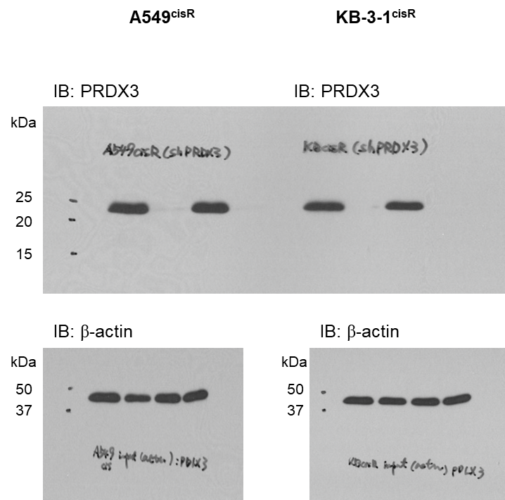

Supple Fig 4C
 |  | Apoptotic death |  |  |  |  | Apoptotic death
 | A549cisR | pLKO.1 | shMRPL1 | pLKO.1 + cis | shMRPL1 + cis | KB-3-1cisR | pLKO.1 | shMRPL1 | pLKO.1 + cis | shMRPL1 + cis
 | n=1 | 5.1 | 5.2 | 17.4 | 20.9 | n=1 | 4 | 3.8 | 13.6 | 11.5
 | n=2 | 4.4 | 4.5 | 16.1 | 19.4 | n=2 | 4.1 | 4 | 15.3 | 13.3
 | n=3 | 5.1 | 5.4 | 20.5 | 23.3 | n=3 | 3.9 | 4.4 | 15.8 | 14.5

 |  | Cell viability |  |  |  |  | Cell viability
 | A549cisR | pLKO.1 | shMRPL1 | pLKO.1 + cis | shMRPL1 + cis | KB-3-1cisR | pLKO.1 | shMRPL1 | pLKO.1 + cis | shMRPL1 + cis
 | n=1 | 1.001923 | 1.000764 | 0.770196 | 0.70131 | n=1 | 0.99206 | 0.92795 | 0.740635 | 0.761707
 | n=2 | 1.007892 | 1.004412 | 0.83292 | 0.75105 | n=2 | 0.954035 | 1.063466 | 0.684608 | 0.774864
 | n=3 | 0.990185 | 0.98995 | 0.795511 | 0.80389 | n=3 | 1.053905 | 0.961507 | 0.687124 | 0.663347

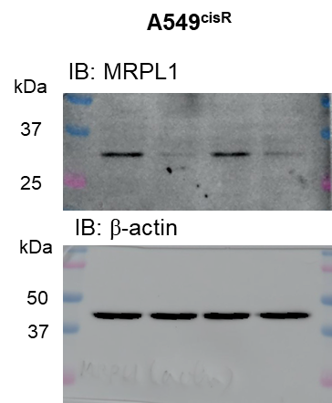
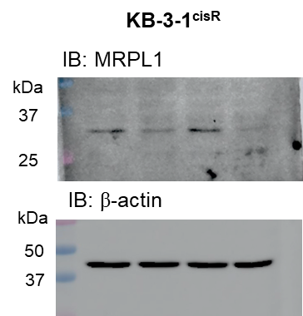

Supple Fig 4D
 |  | Apoptotic death |  |  |  |  | Apoptotic death
 | A549cisR | pLKO.1 | shPOLRMT | pLKO.1 + cis | shPOLRMT + cis | KB-3-1cisR | pLKO.1 | shPOLRMT | pLKO.1 + cis | shPOLRMT + cis
 | n=1 | 3.9 | 3.4 | 13.1 | 24.5 | n=1 | 3.5 | 3 | 13.8 | 19
 | n=2 | 4.3 | 3.7 | 15.9 | 30.1 | n=2 | 3.3 | 3 | 13.4 | 18
 | n=3 | 4.2 | 3.6 | 14.8 | 27.9 | n=3 | 3.2 | 2.9 | 12.9 | 17.2

 |  | Cell viability |  |  |  |  | Cell viability
 | A549cisR | pLKO.1 | shPOLRMT | pLKO.1 + cis | shPOLRMT + cis | KB-3-1cisR | pLKO.1 | shPOLRMT | pLKO.1 + cis | shPOLRMT + cis
 | n=1 | 0.991265 | 0.943574 | 0.756515 | 0.612871 | n=1 | 0.943837 | 1.022207791 | 0.787761727 | 0.672966726
 | n=2 | 1.050557 | 0.957092 | 0.755835 | 0.572096 | n=2 | 1.03013 | 0.992332304 | 0.778380253 | 0.677864931
 | n=3 | 0.958177 | 0.990983 | 0.833251 | 0.523111 | n=3 | 1.026033 | 0.975948764 | 0.836990148 | 0.635732586

Supple F5
Supple Fig 5A
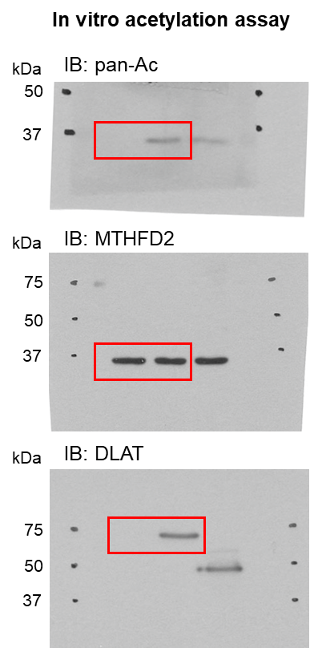

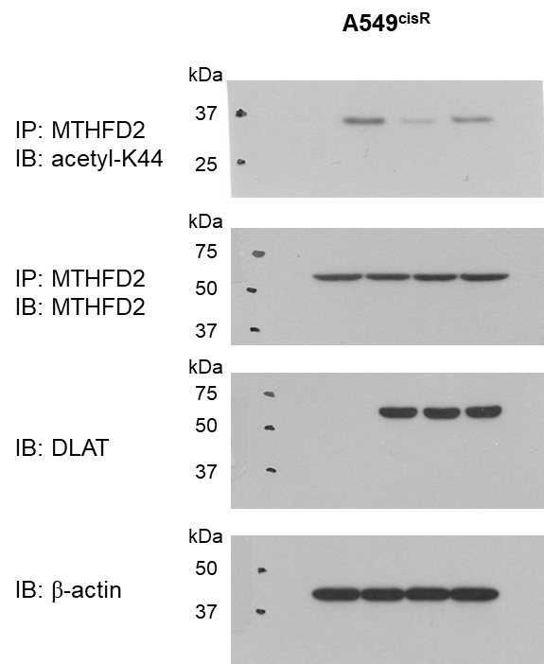

Supple Fig 5C

 |  | MTHFD2 activity
 |  | shDLAT | shDLAT+DLAT(WT) | shDLAT+DLAT(S475A) | shDLAT+DLAT(M570A)
 | n=1 | 1.047501846 | 1.746 | 1.288211 | 1.660842
 | n=2 | 1.019443761 | 1.668472 | 1.222988 | 1.610633
 | n=3 | 0.933054393 | 1.620477 | 1.176471 | 1.505784

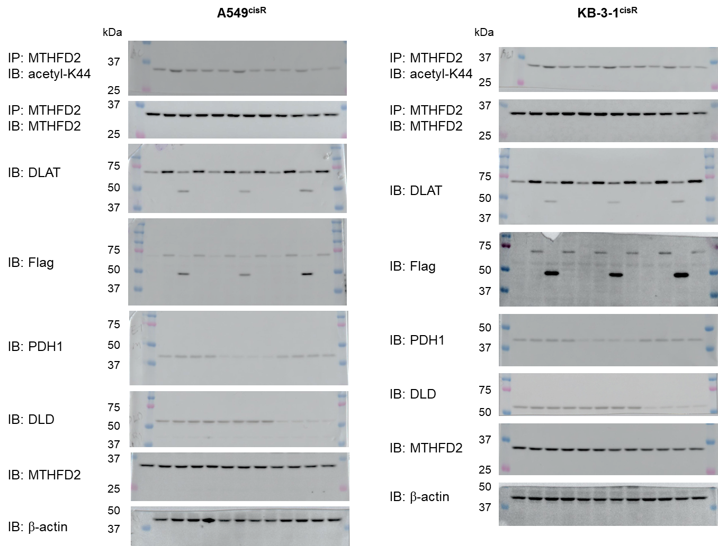
Supple Fig 5D

Supple F6
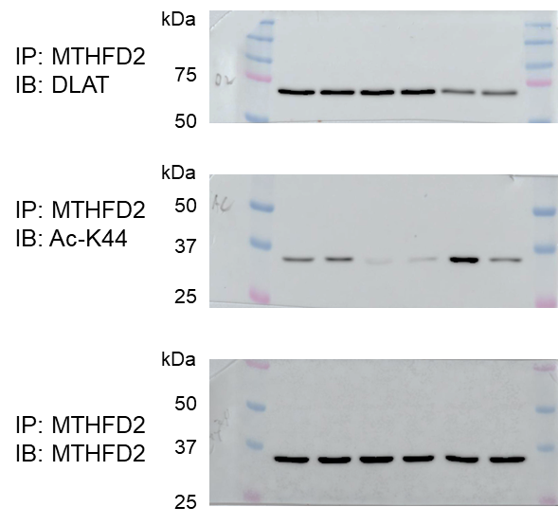
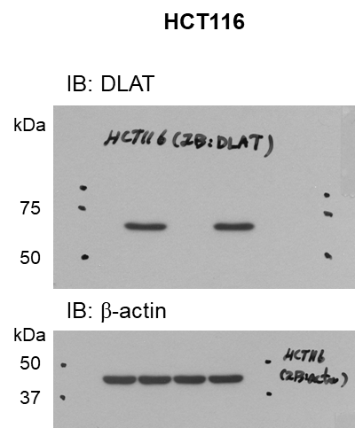
Supple Fig 6A
 |  | Apoptotic death
 | HCT116 | pLKO.1 | shDLAT | pLKO.1 + cis | shDLAT + cis
 | n=1 | 4.9 | 4.5 | 16.5 | 14.8
 | n=2 | 5.3 | 5.1 | 17.9 | 15.5
 | n=3 | 5.6 | 5 | 15.1 | 18.3

 |  | Cell viability
 | HCT116 | pLKO.1 | shDLAT | pLKO.1 + cis | shDLAT + cis
 | n=1 | 0.975015 | 0.985306 | 0.562057 | 0.576665
 | n=2 | 1.040933 | 1.051962 | 0.601527 | 0.522661
 | n=3 | 0.984052 | 0.942849 | 0.542507 | 0.476589

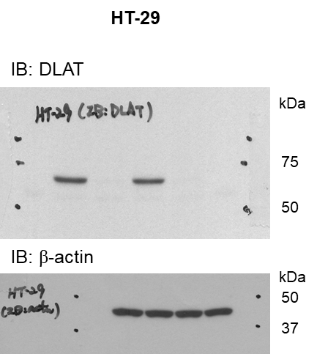
Supple Fig 6B
 |  | Apoptotic death
 | HT-29 | pLKO.1 | shDLAT | pLKO.1 + cis | shDLAT + cis
 | n=1 | 5.7 | 5.5 | 21.2 | 20.2
 | n=2 | 6.3 | 5.8 | 20 | 22.2
 | n=3 | 6 | 5.7 | 20.2 | 22.9

 |  | Cell viability
 | HT-29 | pLKO.1 | shDLAT | pLKO.1 + cis | shDLAT + cis
 | n=1 | 0.983618 | 0.99106 | 0.519056 | 0.507274
 | n=2 | 0.902535 | 0.981758 | 0.586807 | 0.62541
 | n=3 | 1.113847 | 0.843699 | 0.646883 | 0.698897

Supple Fig 6C

Supple F7


Supple Fig 7A



Supple Fig 7B |  | Apoptotic death |  |  |  |  | Apoptotic death
 | A549cisR | Control siRNA | MT-CO2 siRNA | Control siRNA + cis | MT-CO2 siRNA + cis | KB-3-1cisR | Control siRNA | MT-CO2 siRNA | Control siRNA + cis | MT-CO2 siRNA + cis
 | n=1 | 3.1 | 3.1 | 13.1 | 25.1 | n=1 | 5.5 | 6.7 | 14.9 | 22.4
 | n=2 | 3.5 | 3.7 | 15.7 | 28.7 | n=2 | 4.4 | 5.7 | 13.4 | 21.7
 | n=3 | 3 | 3 | 12.6 | 24.4 | n=3 | 5.6 | 6.4 | 14.6 | 23

 |  | Cell viability |  |  |  |  | Cell viability
 | A549cisR | Control siRNA | MT-CO2 siRNA | Control siRNA + cis | MT-CO2 siRNA + cis | KB-3-1cisR | Control siRNA | MT-CO2 siRNA | Control siRNA + cis | MT-CO2 siRNA + cis
 | n=1 | 1.016943 | 0.980465 | 0.817665 | 0.623716 | n=1 | 1.049387 | 0.930852 | 0.759217 | 0.625852
 | n=2 | 1.011525 | 1.004722 | 0.774112 | 0.589521 | n=2 | 1.00907 | 0.974439 | 0.755897 | 0.601486
 | n=3 | 0.971532 | 1.07358 | 0.785273 | 0.655922 | n=3 | 0.941543 | 1.042792 | 0.706785 | 0.608015

Supple F8


Supple Fig 8A


Supple Fig 8B |  | MT-CO2 mRNA |  |  |  | MT-CO2 mRNA
 | A549cisR | K44R +cis | K44R + 10-formyl-THF + cis | K44R + 10-formyl-THF + IMT + cis | KB-3-1cisR | K44R +cis | K44R + 10-formyl-THF + cis | K44R + 10-formyl-THF + IMT + cis
 | n=1 | 1.023996 | 1.959479413 | 1.367836847 | n=1 | 1.037684 | 1.85233321 | 1.296704115
 | n=2 | 0.99521 | 2.018610772 | 1.306279127 | n=2 | 0.953608 | 1.8592201 | 1.426837658
 | n=3 | 0.981267 | 1.82463916 | 1.390326099 | n=3 | 1.010566 | 2.109225261 | 1.442992877

Supple F14
Supple Fig 14A


Supple Fig 14B

 | A549cisR | Control | Peptide
 |  | 0.92857142857 | 0.89285714286
 |  | 1 | 1.0357142857
 |  | 1.0714285714 | 0.96428571429

 | KB-3-1cisR | Control | Peptide
 |  | 1.0064516129 | 1.0567741935
 |  | 0.96 | 1.0490322581
 |  | 1.0335483871 | 1.095483871

Supple Fig 14C

 | KB-3-1cisR | DMSO+cis | DMp39+cis
 | n=1 | 100.143713 | 47.0658226
 | n=2 | 111.492205 | 45.3183787
 | n=3 | 88.364082 | 61.2230902

Supple Fig 14D
 | Tumor chunks | DMp39 + cis | DMp39 + cis
 | n=1 | 65.5329796 | 7.05053009
 | n=2 | 137.86061 | 66.8807423
 | n=3 | 142.217767 | 61.1129014
 | n=4 | 113.695372 | 7.58252764
 | n=5 | 91.5769229 | 7.24242045
 | n=6 | 49.1163482 | 35.2337363

