COVER
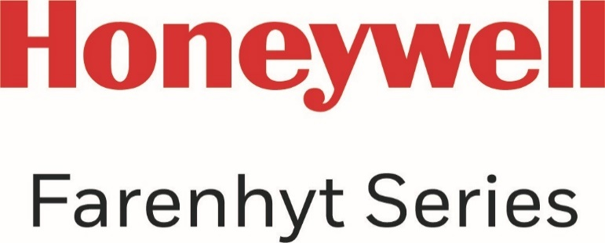

SILVER
FARENHYT PRICE LIST

CONFIDENTIAL
Revised: January 7, 2022
Effective: January 24, 2022

Farenhyt · 12 Clintonville Road · Northford, CT 06472 · (203) 484-7161 · www.farenhyt.com

