Vectorization
Method 1:

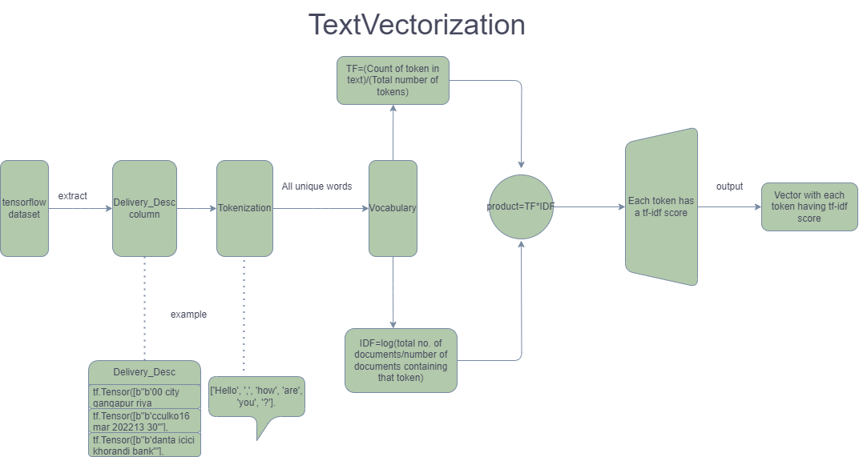

Using TF-IDF in information retrieval: TF-IDF also has use cases in the field of information retrieval, with one common example being search engines. Since TF-IDF can tell you about the relevant importance of a term based upon a document, a search engine can use TF-IDF to help rank search results based on relevance, with results which are more relevant to the user having higher TF-IDF scores.

Method 2:

(1) TF-IDF based on custom bag of words.

(2) Got the bag of words from MuRiL - tensorflows pre-trained model

(3) Since we have words written in english only in our dataset we extracted only the english words

(4) We applied TF-IDF on those bag of words

(5) Used the text vectorization layer of tensorflow as above

report

Use of graphs
Graphs describe all the operations that take place during the training. Each operation is called an op node and is connected to the other. The graph shows the op nodes and the connections between the nodes, but it does not display values.

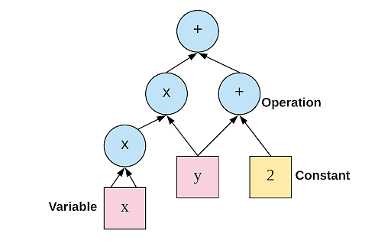

a=tf.add(y,2)
b=tf.mul(x*x)
c=tf.add(a,b)

Graph execution means that tensor computations are executed as tensorflow graph

Python-specific logic needs to undergo an extra step in order to become part of the graph. tf.function uses a library called AutoGraph (tf.autograph) to convert Python code into graph-generating code.

Function bridges this gap by separating your code in two stages: 1) In the first stage, referred to as "tracing", Function creates a new tf.Graph. Python code runs normally, but all TensorFlow operations (like adding two Tensors) are deferred: they are captured by the tf.Graph and not run. 2) In the second stage, a tf.Graph which contains everything that was deferred in the first stage is run. This stage is much faster than the tracing stage.

What a grappler does:

Constant folding: import tensorflow as tf a = tf.constant(2) b = tf.constant(3) c = tf.add(a, b) d = tf.multiply(c, 4) with tf.Session() as sess: result = sess.run(d) print(result) ***** tf.add() is replaced by 5 resulting in simplified graph d=tf.multiply(5,4) ***** | Operator fusion import tensorflow as tf a = tf.constant([1, 2, 3]) b = tf.constant([4, 5, 6]) c = tf.add(a, b) d = tf.multiply(c, c) with tf.Session() as sess: result = sess.run(d) print(result) ***** Fuses the operations ********

Common subexpression elimination: import tensorflow as tf a = tf.constant(2) b = tf.add(a, 3) c = tf.add(a, 3) d = tf.multiply(b, c) with tf.Session() as sess: result = sess.run(d) print(result) ********** Eliminates redundant computation ********** | Shape inference import tensorflow as tf a = tf.constant([1, 2, 3]) b = tf.constant([4, 5, 6]) c = tf.reshape(a, [3, 1]) d = tf.matmul(c, b) with tf.Session() as sess: result = sess.run(d) print(result) *** Performs shape specific optimizations using graph operations ***

report

Tensorflow architecture
Each computation in TensorFlow describes a directed graph that’s composed of nodes and edges where nodes are operations/ functions and edges are input and output.

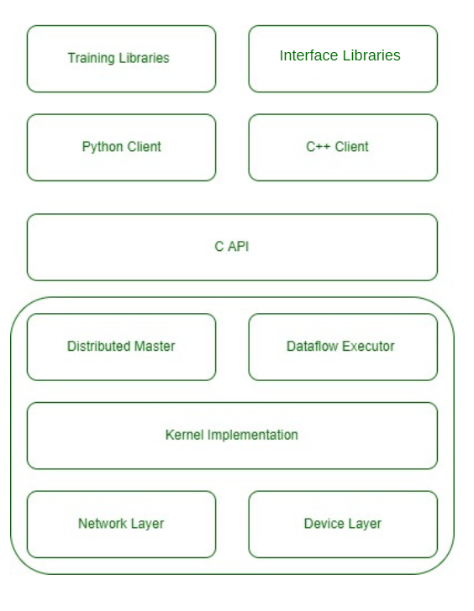

Libraries

Python client-provides high level api. Allows to define and execute graphs. Leverage power of Tf. Integration with libs.C++ client- low level api. It provides a more direct and efficient way to use tf funct. Performance optimization.

The next layer exposes all the functionalities in the form of API which is implemented in C language. C language is chosen because it is fast, reliable, and can run on any operating system.

Distributed master- Has the ability to distribute work loads to different devices. Dataflow executor perfomrs the data flow graph optimally.

The second layer of TensorFlow contains kernel implementations for applications mostly used in machine learning.
The first layer of TensorFlow consists of the device layer and the network layer. The device layer contains the implementation to communicate to the various devices like GPU, CPU, TPU in the operating system where TensorFlow will run. Whereas the network layer has implementations to communicate with different machines using different networking protocols in the Distributable Trainable setting.

report

