Power Tree
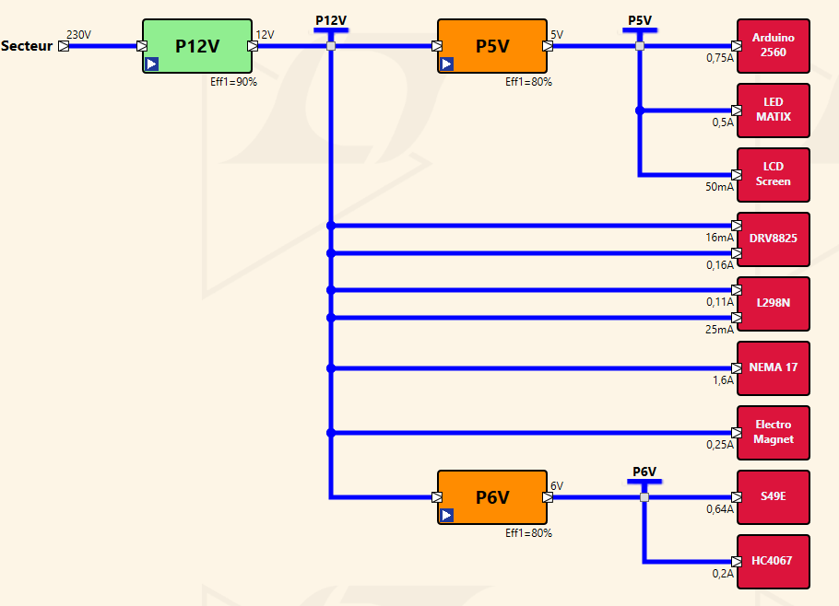
 | P12V
 | Component | Current | Power | qty | Current | Power
12 | Stepper Motor - Adafruit - Nema 17 size - 200 steps/rev, 12V 350mA 12V | 0.8A | 9.6W | 2 | 1.6A | 19.2W
 | Electromagnet - 5Kg Holding Force 12V | 0.25A | 3W | 1 | 0.25A | 3W
 | DRV8825 | 0.008A | 0.04W | 2 | 0.016A | 0.08W
 | L298N | 0.106A | 0.53W | 1 | 0.106A | 0.53W
 | Total |  |  |  | 1.972A | 22.81W

 | P5V
5 | Component | Current | Power | qty | Current | Power | DO measurement !!!
 | Arduino 2560 rev 3 | 0.71A | 3.55W | 1 | 0.71A | 3.55W
 | LCD Module - I2C Serial | 0.05A | 0.25W | 1 | 0.05A | 0.25W | https://docs.arduino.cc/resources/datasheets/A000067-datasheet.pdf
 | Matrix LED max7219-dotmatrix-V02 | 0.5A | 2.5W | 1 | 0.5A | 2.5W
 | Total |  |  |  | 1.26A | 6.3W

 | P6V5
6 | Component | Current | Power | qty | Current | Power
 | 49E OH49E SS49E TO-92S | 0.01A | 0.06W | 64 | 0.64A | 3.84W
 | CD74HC4067 | 0.05A | 0.3W | 4 | 0.2A | 1.2W
 | Total |  |  |  | 0.84A | 5.04W

Hall sensor matrix
 |  |  |  |  |  |  |  |  |  |  |  |  |  | MUX CD4067 |  |  |  |  |  |  | tph=650ns
 |  | Chess coordinate |  |  |  |  |  |  |  |  |  | Black side |  | Hall 49e | Mux 1 | Mux 2 | Mux 3 | Mux 4 | Table column | Table raw
 |  |  |  |  |  |  |  |  |  |  |  | majuscule |  | A1 | C7 |  |  |  | 0 | 0
 |  |  | 8 | r | n | b | q | k | b | n | r |  | Motor #2 | A2 | C14 |  |  |  | 1 | 0
 |  |  | 7 | p | p | p | p | p | p | p | p |  | Dir (TBC) | A3 |  | C7 |  |  | 2 | 0
 |  |  | 6 | . | . | . | . | . | . | . | . |  |  | A4 |  | C14 |  |  | 3 | 0
 |  |  | 5 | . | . | . | . | . | . | . | . |  |  | A5 |  |  | C7 |  | 4 | 0
 |  |  | 4 | . | . | . | . | . | . | . | . |  |  | A6 |  |  | C14 |  | 5 | 0
 |  |  | 3 | . | . | . | . | . | . | . | . |  |  | A7 |  |  |  | C7 | 6 | 0
 |  |  | 2 | P | P | P | P | P | P | P | P |  | Motor #1 | A8 |  |  |  | C14 | 7 | 0
 |  |  | 1 | R | N | B | Q | K | B | N | R |  | Dir (TBC) | B1 | C6 |  |  |  | 0 | 1
 |  |  |  | a | b | c | d | e | f | g | h | White side |  | B2 | C14 |  |  |  | 1 | 1
 |  |  |  |  |  |  |  |  |  |  |  | Minuscule |  | B3 |  | C6 |  |  | 2 | 1
 |  |  |  |  |  |  |  |  |  |  |  |  |  | B4 |  | C14 |  |  | 3 | 1
 |  |  |  |  |  |  |  |  |  |  |  |  |  | B5 |  |  | C6 |  | 4 | 1
 |  |  |  |  |  |  |  |  |  |  |  |  |  | B6 |  |  | C14 |  | 5 | 1
 |  | Polarité aimant |  |  |  |  |  |  |  |  |  |  |  | B7 |  |  |  | C6 | 6 | 1
Black side |  |  |  | 0 | 1 | 2 | 3 | 4 | 5 | 6 | 7 | matrix code |  | B8 |  |  |  | C14 | 7 | 1
-1 |  | 7 | 8 | 1 | 1 | 1 | 1 | 1 | 1 | 1 | 1 |  |  | C1 | C5 |  |  |  | 0 | 2
 |  | 6 | 7 | 1 | 1 | 1 | 1 | 1 | 1 | 1 | 1 |  |  | C2 | C13 |  |  |  | 1 | 2
 |  | 5 | 6 | 0 | 0 | 0 | 0 | 0 | 0 | 0 | 0 |  |  | C3 |  | C5 |  |  | 2 | 2
 |  | 4 | 5 | 0 | 0 | 0 | 0 | 0 | 0 | 0 | 0 |  |  | C4 |  | C13 |  |  | 3 | 2
 |  | 3 | 4 | 0 | 0 | 0 | 0 | 0 | 0 | 0 | 0 |  |  | C5 |  |  | C5 |  | 4 | 2
 |  | 2 | 3 | 0 | 0 | 0 | 0 | 0 | 0 | 0 | 0 |  |  | C6 |  |  | C13 |  | 5 | 2
White side |  | 1 | 2 | -1 | -1 | -1 | -1 | -1 | -1 | -1 | -1 |  |  | C7 |  |  |  | C5 | 6 | 2
1 |  | 0 | 1 | -1 | -1 | -1 | -1 | -1 | -1 | -1 | -1 |  |  | C8 |  |  |  | C13 | 7 | 2
 |  |  |  | a | b | c | d | e | f | g | h |  |  | D1 | C4 |  |  |  | 0 | 3
 |  |  |  |  |  |  |  |  |  |  |  |  |  | D2 | C12 |  |  |  | 1 | 3
 |  |  |  |  |  |  |  |  |  |  |  |  |  | D3 |  | C4 |  |  | 2 | 3
 |  |  |  |  |  |  |  |  |  |  |  |  |  | D4 |  | C12 |  |  | 3 | 3
 |  | Mux |  |  |  |  |  |  |  |  |  |  |  | D5 |  |  | C4 |  | 4 | 3
 |  |  |  | 0 | 1 | 2 | 3 | 4 | 5 | 6 | 7 |  |  | D6 |  |  | C12 |  | 5 | 3
Black side |  | 7 | 8 | -1 | -1 | -1 | -1 | -1 | -1 | -1 | -1 |  | Mux 4 | D7 |  |  |  | C4 | 6 | 3
-1 |  | 6 | 7 | -1 | -1 | -1 | -1 | -1 | -1 | -1 | -1 |  |  | D8 |  |  |  | C12 | 7 | 3
 |  | 5 | 6 | 0 | 0 | 0 | 0 | 0 | 0 | 0 | 0 |  | Mux 3 | E1 | C3 |  |  |  | 0 | 4
 |  | 4 | 5 | 0 | 0 | 0 | 0 | 0 | 0 | 0 | 0 |  |  | E2 | C11 |  |  |  | 1 | 4
 |  | 3 | 4 | 0 | 0 | 0 | 0 | 0 | 0 | 0 | 0 |  | Mux 2 | E3 |  | C3 |  |  | 2 | 4
 |  | 2 | 3 | 0 | 0 | 0 | 0 | 0 | 0 | 0 | 0 |  |  | E4 |  | C11 |  |  | 3 | 4
White side |  | 1 | 2 | 1 | 1 | 1 | 1 | 1 | 1 | 1 | 1 |  | Mux1 | E5 |  |  | C3 |  | 4 | 4
1 |  | 0 | 1 | 1 | 1 | 1 | 1 | 1 | 1 | 1 | 1 |  |  | E6 |  |  | C11 |  | 5 | 4
 |  |  |  | a | b | c | d | e | f | g | h |  |  | E7 |  |  |  | C3 | 6 | 4
 |  |  |  |  |  |  |  |  |  |  |  |  |  | E8 |  |  |  | C11 | 7 | 4
 |  |  |  |  |  |  |  |  |  |  |  |  |  | F1 | C2 |  |  |  | 0 | 5
 |  |  |  |  |  |  |  |  |  |  |  |  |  | F2 | C10 |  |  |  | 1 | 5
 |  | Example |  |  |  |  |  |  |  |  |  |  |  | F3 |  | C2 |  |  | 2 | 5
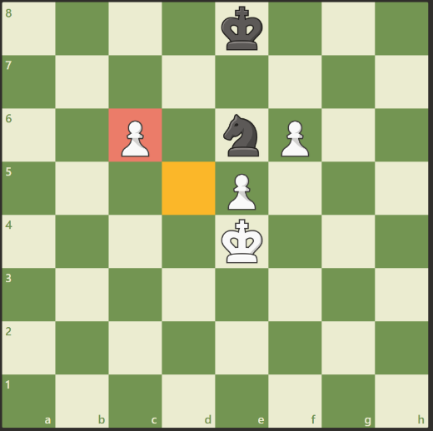
 |  |  |  | 0 | 1 | 2 | 3 | 4 | 5 | 6 | 7 |  |  | F4 |  | C10 |  |  | 3 | 5
Black side |  | 7 | 8 | 0 | 0 | 0 | 0 | -1 | 0 | 0 | 0 |  |  | F5 |  |  | C2 |  | 4 | 5
-1 |  | 6 | 7 | 0 | 0 | 0 | 0 | 0 | 0 | 0 | 0 |  |  | F6 |  |  | C10 |  | 5 | 5
 |  | 5 | 6 | 0 | 0 | 1 | 0 | -1 | 1 | 0 | 0 |  |  | F7 |  |  |  | C2 | 6 | 5
 |  | 4 | 5 | 0 | 0 | 0 | 0 | 1 | 0 | 0 | 0 |  |  | F8 |  |  |  | C10 | 7 | 5
 |  | 3 | 4 | 0 | 0 | 0 | 0 | 1 | 0 | 0 | 0 |  |  | G1 | C1 |  |  |  | 0 | 6
 |  | 2 | 3 | 0 | 0 | 0 | 0 | 0 | 0 | 0 | 0 |  |  | G2 | C9 |  |  |  | 1 | 6
White side |  | 1 | 2 | 0 | 0 | 0 | 0 | 0 | 0 | 0 | 0 |  |  | G3 |  | C1 |  |  | 2 | 6
1 |  | 0 | 1 | 0 | 0 | 0 | 0 | 0 | 0 | 0 | 0 |  |  | G4 |  | C9 |  |  | 3 | 6
 |  |  |  | a | b | c | d | e | f | g | h |  |  | G5 |  |  | C1 |  | 4 | 6
 |  |  |  |  |  |  |  |  |  |  |  |  |  | G6 |  |  | C9 |  | 5 | 6
 |  |  |  |  |  |  |  |  |  |  |  |  |  | G7 |  |  |  | C1 | 6 | 6
 | Hall sensor allows to differenciate black/white/no piece on the board instead of reed relay (binary) |  |  |  |  |  |  |  |  |  |  |  |  | G8 |  |  |  | C9 | 7 | 6
 | Add acquisition channel to 49e to increase accuracy? |  |  |  |  |  |  |  |  |  |  |  |  | H1 | C0 |  |  |  | 0 | 7
 |  |  |  |  |  |  |  |  |  |  |  |  |  | H2 | C8 |  |  |  | 1 | 7
 |  |  |  |  |  |  |  |  |  |  |  |  |  | H3 |  | C0 |  |  | 2 | 7
 |  |  |  |  |  |  |  |  |  |  |  |  |  | H4 |  | C8 |  |  | 3 | 7
 |  |  |  |  |  |  |  |  |  |  |  |  |  | H5 |  |  | C0 |  | 4 | 7
 |  |  |  |  |  |  |  |  |  |  |  |  |  | H6 |  |  | C8 |  | 5 | 7
 |  |  |  |  |  |  |  |  |  |  |  |  |  | H7 |  |  |  | C0 | 6 | 7
 |  |  |  |  |  |  |  |  |  |  |  |  |  | H8 |  |  |  | C8 | 7 | 7

Hall sensor Calcul
Need to calibrate Hall sensor |  |  |  | Test Results |  |  |  |  |  |  |  |  |  |  |  | Power supply = 5,00V |  |  | Test Results |  |  |  |  |  |  |  |  |  |  |  | Power supply = 6,00V
 |  |  |  |  | Hall measure 1 (bit) |  |  |  |  |  |  |  |  |  |  | ADC 2^10 bit (1024) |  |  |  | Hall measure 1 (bit) |  |  |  |  |  |  |  |  |  |  | ADC 2^10 bit (1024)
 |  |  |  |  |  |  | 0 | 1 | 2 | 3 | 4 | 5 | 6 | 7 |  | Hall no piece min = | 486 |  |  |  |  | 0 | 1 | 2 | 3 | 4 | 5 | 6 | 7 |  | Hall no piece min = | 580
 |  |  | Black side |  | 7 | 8 |  |  |  |  |  |  |  |  |  | Hall no piece max = | 584 | Black side |  | 7 | 8 |  |  |  |  |  |  |  |  |  | Hall no piece max = | 660
 | Vcc | 6 V | -1 |  | 6 | 7 |  |  |  |  |  |  |  |  |  |  |  | -1 |  | 6 | 7
 | Sensitivity | 1.68 mV/G |  |  | 5 | 6 |  |  |  |  |  |  |  |  |  |  |  |  |  | 5 | 6
SS49e Theoretical
 |  |  |  |  | 4 | 5 |  |  |  |  |  |  |  |  |  |  |  |  |  | 4 | 5
 |  |  |  |  | 3 | 4 |  |  |  |  |  |  |  |  |  |  |  |  |  | 3 | 4
 |  |  |  |  | 2 | 3 |  |  |  |  |  |  |  |  |  |  |  |  |  | 2 | 3
 | SS49e Theoretical |  | White side |  | 1 | 2 |  |  |  |  |  |  |  |  |  |  |  | White side |  | 1 | 2
 | Gauss | Voltage | 1 |  | 0 | 1 |  |  |  |  |  |  |  |  | 0,9V |  |  | 1 |  | 0 | 1 |  |  |  |  |  |  |  |  | 0,9V
 | -1200 G | 0.984 V |  |  |  |  | a | b | c | d | e | f | g | h |  |  |  |  |  |  |  | a | b | c | d | e | f | g | h
 | 1200 G | 5.016 V

 | a | 0.00168 |  |  | Hall measure 2 (bit) |  |  |  |  |  |  |  |  |  |  |  |  |  |  | Hall measure 2 (bit) |  |  |  |  |  |  |  |  |  |  | Augmenter l'alimentation permet d'améliorer la précision de mesure d'après la datasheet. Essayer 6V ou 6,5V
 | b | 3 |  |  |  |  | 0 | 1 | 2 | 3 | 4 | 5 | 6 | 7 |  |  |  |  |  |  |  | 0 | 1 | 2 | 3 | 4 | 5 | 6 | 7
 |  |  | Black side |  | 7 | 8 | 531 | 514 | 533 | 507 | 509 | 521 | 515 | 549 |  |  |  | Black side |  | 7 | 8 | 627 | 643 | 642 | 622 | 633 | 653 | 643 | 648
 | V | 1 | -1 |  | 6 | 7 | 524 | 545 | 528 | 515 | 507 | 525 | 555 | 517 |  |  |  | -1 |  | 6 | 7 | 626 | 649 | 631 | 639 | 631 | 638 | 610 | 643
 | G | 3.00168 |  |  | 5 | 6 | 549 | 540 | 495 | 531 | 523 | 570 | 525 | 553 |  |  |  |  |  | 5 | 6 | 640 | 637 | 648 | 634 | 636 | 646 | 632 | 646
 |  |  |  |  | 4 | 5 | 533 | 532 | 535 | 526 | 557 | 525 | 542 | 538 |  |  |  |  |  | 4 | 5 | 611 | 632 | 641 | 660 | 617 | 629 | 653 | 624
 |  |  |  |  | 3 | 4 | 501 | 546 | 532 | 584 | 511 | 526 | 556 | 510 |  |  |  |  |  | 3 | 4 | 607 | 609 | 605 | 602 | 611 | 602 | 586 | 614
 |  |  |  |  | 2 | 3 | 524 | 529 | 548 | 552 | 522 | 560 | 521 | 556 |  |  |  |  |  | 2 | 3 | 599 | 614 | 595 | 596 | 600 | 618 | 580 | 601
 |  |  | White side |  | 1 | 2 | 528 | 530 | 507 | 518 | 505 | 519 | 486 | 551 |  |  |  | White side |  | 1 | 2 | 625 | 619 | 630 | 619 | 602 | 614 | 616 | 617
 |  |  | 1 |  | 0 | 1 | 512 | 516 | 548 | 515 | 546 | 526 | 546 | 524 | 2,48V |  |  | 1 |  | 0 | 1 | 599 | 611 | 608 | 599 | 611 | 613 | 615 | 618 | 2,48V
 |  |  |  |  |  |  | a | b | c | d | e | f | g | h |  |  |  |  |  |  |  | a | b | c | d | e | f | g | h

 |  |  |  |  | Hall measure 3 (bit) |  |  |  |  |  |  |  |  |  |  |  |  |  |  | Hall measure 3 (bit)
 |  |  |  |  |  |  | 0 | 1 | 2 | 3 | 4 | 5 | 6 | 7 |  |  |  |  |  |  |  | 0 | 1 | 2 | 3 | 4 | 5 | 6 | 7
 |  |  | Black side |  | 7 | 8 |  |  |  |  |  |  |  |  |  |  |  | Black side |  | 7 | 8
 |  |  | -1 |  | 6 | 7 |  |  |  |  |  |  |  |  |  |  |  | -1 |  | 6 | 7
 |  |  |  |  | 5 | 6 |  |  |  |  |  |  |  |  |  |  |  |  |  | 5 | 6
 |  |  |  |  | 4 | 5 |  |  |  |  |  |  |  |  |  |  |  |  |  | 4 | 5
 |  |  |  |  | 3 | 4 |  |  |  |  |  |  |  |  |  |  |  |  |  | 3 | 4
 |  |  |  |  | 2 | 3 |  |  |  |  |  |  |  |  |  |  |  |  |  | 2 | 3
 |  |  | White side |  | 1 | 2 |  |  |  |  |  |  |  |  |  |  |  | White side |  | 1 | 2
 |  |  | 1 |  | 0 | 1 |  |  |  |  |  |  |  |  | 4,29V |  |  | 1 |  | 0 | 1 |  |  |  |  |  |  |  |  | 4,29V
 |  |  |  |  |  |  | a | b | c | d | e | f | g | h |  |  |  |  |  |  |  | a | b | c | d | e | f | g | h

StepMot
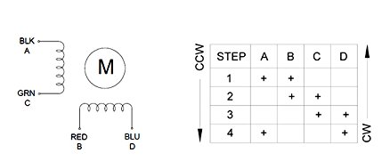
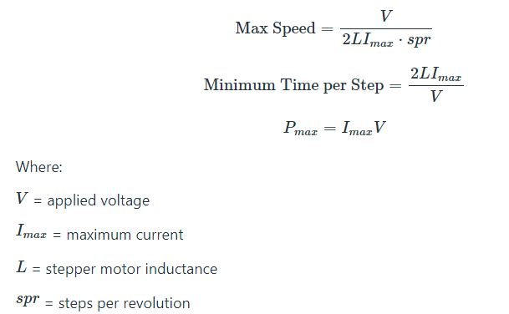
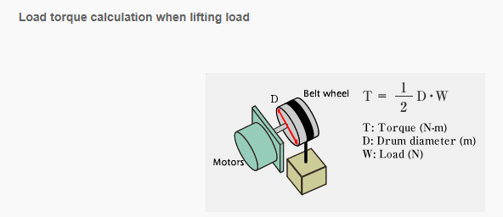
 |  |  |  |  | NEMA 17 26Ncm
 |  |  |  |  | Vcc | 12 V
 |  |  |  |  | Torque max | 26 Ncm
 |  |  |  |  | microstep | 8.00
 |  |  |  |  | Imax | 0.4 A
 |  |  |  |  | L | 37 mH | TBC
 |  |  |  |  | spr | 200 step
 |  |  |  |  | Load | 1000 g
 |  |  |  |  | Load | 9.81 N
 |  |  |  |  | D pulley | 0.6 cm

 |  |  |  |  | Speed max | 2.027027027 rev/s
 | A | B | C | D | T per Step min | 2.4666666667 ms
Red |  | X |  |  | Pmax | 4.8 W
Blue |  |  |  | X | Torque mot | 2.943 Ncm

Black | X
Green |  |  | X

Torque Vs Microstep
 |  |  |  |  | Microstep | Torque
 |  |  |  |  | 1 | 26 Ncm
 |  |  |  |  | 2 | 18.384776311 Ncm
 |  |  |  |  | 4 | 9.9497692415 Ncm
 |  |  |  |  | 8 | 5.0723483724 Ncm
 |  |  |  |  | 16 | 2.5484456486 Ncm
 |  |  |  |  | 32 | 1.2757595325 Ncm
 |  |  |  |  | 64 | 0.6380719416 Ncm
 |  |  |  |  | 128 | 0.31905999543 Ncm
 |  |  |  |  | 256 | 0.15953300088 Ncm

StepMot Driver
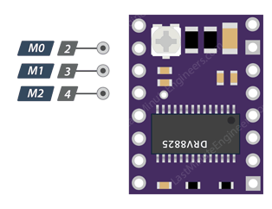
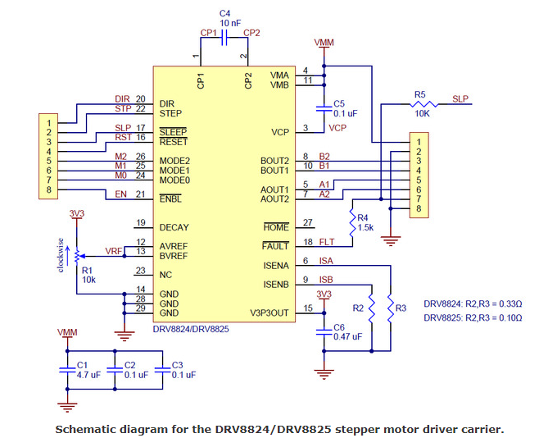
DRV8825
M0 | M1 | M2 | Microstep Resolution | DRV8825 Ilim |  |  |  | Typ | Max
Low | Low | Low | Full step | I MOT | 0.8 A |  | Fpwm | 30 kHz | 250 kHz
High | Low | Low | Half step | I limit | 1 A | Imax 8825 = 2,2A
Low | High | Low | 1/4 step | vref | 2 V
High | High | Low | 1/8 step
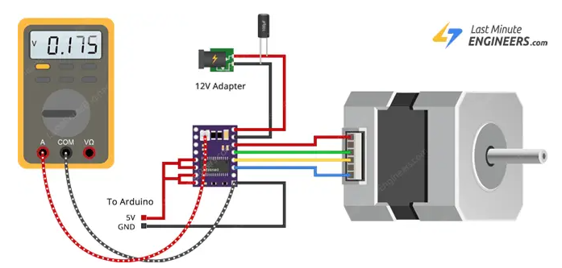
Low | Low | High | 1/16 step
High | Low | High | 1/32 step
Low | High | High | 1/32 step
High | High | High | 1/32 step

Square size
 | Displacement Resolution
 | Pulley Ext. Diam | 12.1 mm | By Manufacturer
 | Pulley Int Diam | 5 mm |  |  |  | A | B | C | D | E | F | G | H
 | Pulley witdh | 6 mm |  | - | - | 1 | 2 | 3 | 4 | 5 | 6 | 7 | 8
 |  |  |  | - | - | A | B | C | D | E | F | G | H
 | Belt pitch | 2 mm |  | 8 | 8
 | Belt teeth | 20 teeth |  | 7 | 7
 | Motor step | 200 step |  | 6 | 6
 | Motor µstep | 8 step |  | 5 | 5
 | Square size | 37 mm |  | 4 | 4
 | Linear Resolution | 40 µsteps per mm |  | 3 | 3
 | Square size | 1480 µsteps per square |  | 2 | 2
 | Coeff square size | 185 steps per square | Added in code | 1 | 1

$$x=\sqrt{2}$$
Diagonal Move
 | distance d Unit | 1 |  | Test results with arduino code (XY)
Only for square table | Coeff diagonal move | 1.4142135624 |  | 14:46:55.226 -> Steps on H_A = 1510
 | distance d square | 37 mm |  | 14:46:55.294 -> Distance H_A = 302.00mm |  |  |  | Measured | 300 mm
 | Diagonal move Square | 52.325901808 mm |  | 14:46:55.294 -> Steps on F8_F1 = 1310
 |  |  |  | 14:46:55.327 -> Distance F8_F1 = 262.00mm |  |  |  | Measured | 261 mm
 | Size Table XY | 300 mm | measured
 | Size Table XY | 262 mm | measured | En prenant en compte l'imprécision du test, les résultats sont acceptables
$$distance of square d$$
Only for square table | Diagonal | 370.52395334 mm |  | On garde le coeff 185 (les caluls sont corrects)

 |  |  |  | Test results with arduino code (diagonal)
 |  |  |  | 18:32:09.646 -> Steps on HA-18 = 1882
 |  |  |  | 18:32:09.646 -> Distance HA_18 = 376.40mm |  |  |  | Measured | 372mm
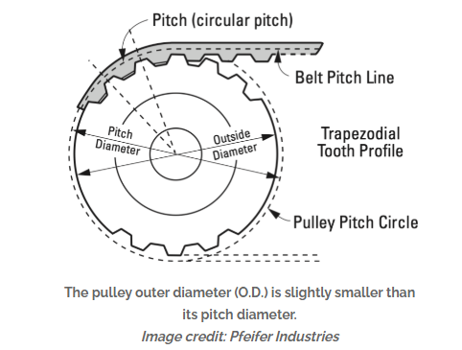
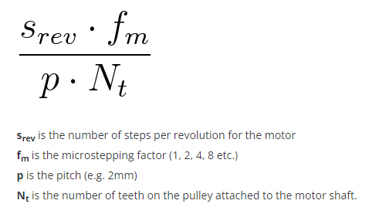
 |  |  |  | 18:24:26.638 -> Steps on HA_81 = 1968
 |  |  |  | 18:24:26.638 -> Distance HA_81 = 393.60mm |  |  |  | Measured | 390mm
 |  |  |  | 18:32:09.684 -> Steps on AH_81 = 1884
 |  |  |  | 18:14:44.558 -> Distance AH_81 = 376.80mm |  |  |  | Measured | 372mm
 |  |  |  | 18:24:26.705 -> Steps on HA_18 = 1963
 |  |  |  | 18:24:26.739 -> Distance HA_18 = 392.60mm |  |  |  | Measured | 390mm

 |  |  |  | En prenant en compte l'imprécision du test, les résultats sont acceptables
 |  |  |  | On garde le coeff 1,41 (les caluls sont corrects)

 |  |  |  |  |  | 380.2

 | https://www.norwegiancreations.com/2015/07/tutorial-calibrating-stepper-motor-machines-with-belts-and-pulleys/

 |  | 1.4142135624

Electromagnet
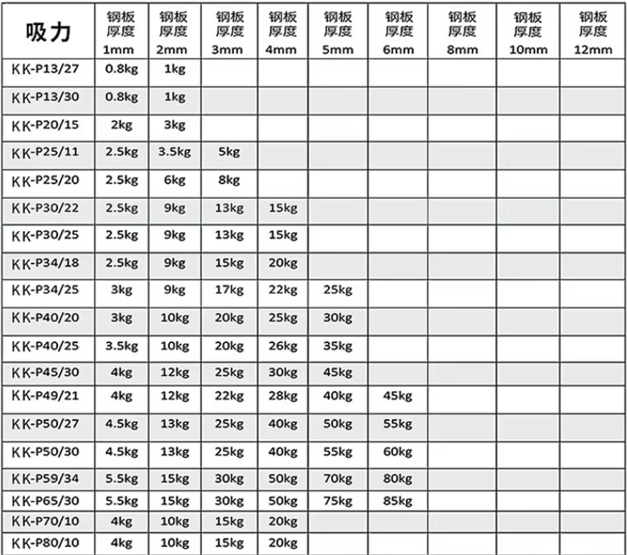
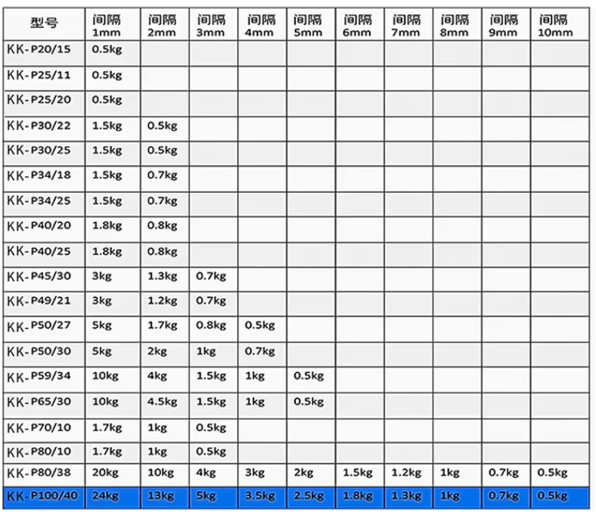
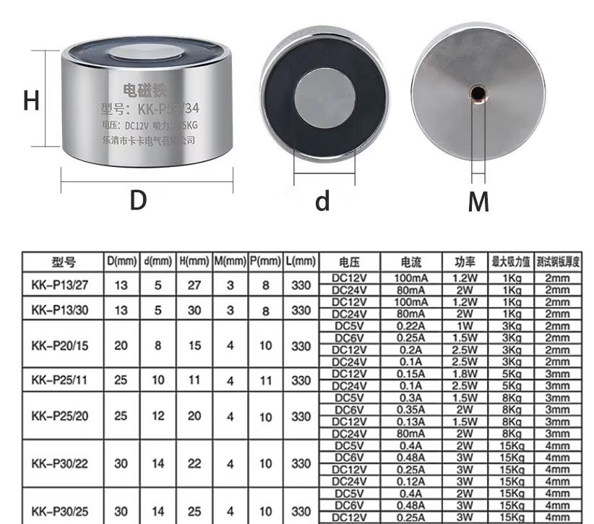
 |  |  | https://fr.aliexpress.com/item/1005004019122985.html?spm=a2g0o.productlist.main.1.3d11wybcwybcr7&algo_pvid=8ee05f5c-1b23-47ab-bc32-cee8bd2adfcc&utparam-url=scene%3Asearch%7Cquery_from%3A
Caractéristique Electro aimant
diamètre noyau electro aimant | 0.012 m
hauteur noyau | 0.02 m
tension | 12 V
courant | 0.13 A
Nombre de tour | 2500 | estimé
Aire | 0.00011309733553 m²

Force aimant nécessaire
Poids magnet | 0.03 Kg
diamètre noyau | 0.008 m
hauteur noyau | 0.003 m
Induction rémanente | 1.2 T | ISO 60404-8-1
Poids pièce echec | 0.003 Kg
Desnité neodyme | 7500 Kg/m3
coeff frottement plexiglas | 0.2 Kg/m3
acceleration aimant | 1 m/s²
Volume noyau | 1.5079644737E-07 m3
masse aimant | 0.0011309733553 kg
Force min | 0.040524848615 N
Force frottement | 0.0081049697231 N
Force inertie | 0.0041309733553 N

Force mécanique totale | 0.052760791694 N

Intéraction magnétique
µ0 | 1.2566370614E-06 H/m
distance aimant | 10 mm
coeff intéraction | 4
moment magnétique aimant | 0.144 A/m²
momen magnétique electro | 0.036756634047 A/m²

Force au contact | 2.4504422698 N

Force a distance | 0.048458453089 N

Electromagnet Driver
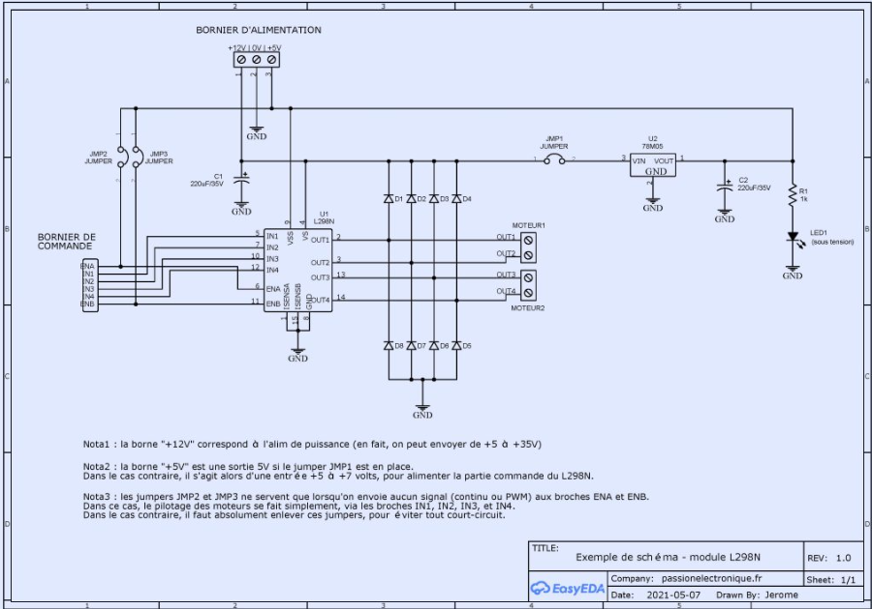
L298N
ENA | IN1 | IN2 | Output |  | Typ | Max
L | X | X | Free wheel output | Fpwm | 25 kHz | 40 kHz
H | L | L | output locked
 | L | H | Drive |  | Max
 | H | L | Rear | Imax L298 | 2 A
 | H | H | output locked | I magnet | 0.25 A

RAMP CONT 1,4
