Mapping AT2560
Atemga 2560
Pin Number | Pin Name | Mapped pin name | Component | Pin Name
1 | PG5 ( OC0B ) | Digital pin 4 (PWM) | Micro switch | LIMIT_SWITCH_WHITE
2 | PE0 ( RXD0/PCINT8 ) | Digital pin 0 (RX0)
3 | PE1 ( TXD0 ) | Digital pin 1 (TX0)
4 | PE2 ( XCK0/AIN0 )
5 | PE3 ( OC3A/AIN1 ) | Digital pin 5 (PWM) | Micro switch | LIMIT_SWITCH_WHITE
6 | PE4 ( OC3B/INT4 ) | Digital pin 2 (PWM)
7 | PE5 ( OC3C/INT5 ) | Digital pin 3 (PWM) | Mux | EN_MUX4
8 | PE6 ( T3/INT6 )
9 | PE7 ( CLKO/ICP3/INT7 )
10 | VCC | VCC
11 | GND | GND
12 | PH0 ( RXD2 ) | Digital pin 17 (RX2)
13 | PH1 ( TXD2 ) | Digital pin 16 (TX2)
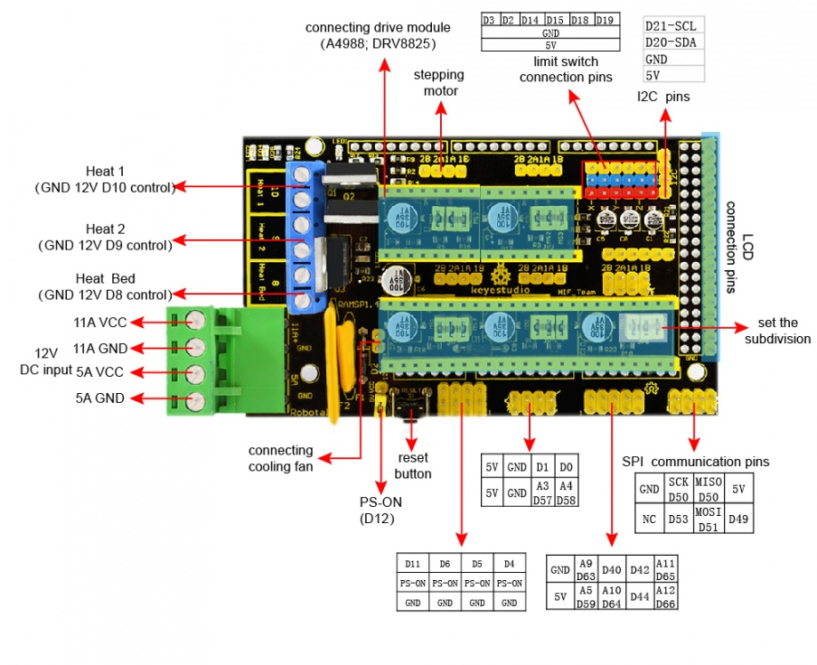
14 | PH2 ( XCK2 )
15 | PH3 ( OC4A ) | Digital pin 6 (PWM)
16 | PH4 ( OC4B ) | Digital pin 7 (PWM)
17 | PH5 ( OC4C ) | Digital pin 8 (PWM)
18 | PH6 ( OC2B ) | Digital pin 9 (PWM)
19 | PB0 ( SS/PCINT0 ) | Digital pin 53 (SS) | LED matrix | CS
20 | PB1 ( SCK/PCINT1 ) | Digital pin 52 (SCK) | LED matrix | CLK
21 | PB2 ( MOSI/PCINT2 ) | Digital pin 51 (MOSI) | LED matrix | DIN
22 | PB3 ( MISO/PCINT3 ) | Digital pin 50 (MISO) | Servo_MOT | Servo_MOT
23 | PB4 ( OC2A/PCINT4 ) | Digital pin 10 (PWM)
24 | PB5 ( OC1A/PCINT5 ) | Digital pin 11 (PWM) | Button White | BUTTON_WHITE_SWITCH_MOTOR_WHITE
25 | PB6 ( OC1B/PCINT6 ) | Digital pin 12 (PWM)
26 | PB7 ( OC0A/OC1C/PCINT7 ) | Digital pin 13 (PWM)
27 | PH7 ( T4 )
28 | PG3 ( TOSC2 )
29 | PG4 ( TOSC1 )
30 | RESET | RESET
31 | VCC | VCC
32 | GND | GND
33 | XTAL2 | XTAL2
34 | XTAL1 | XTAL1
35 | PL0 ( ICP4 ) | Digital pin 49
36 | PL1 ( ICP5 ) | Digital pin 48
37 | PL2 ( T5 ) | Digital pin 47
38 | PL3 ( OC5A ) | Digital pin 46 (PWM)
39 | PL4 ( OC5B ) | Digital pin 45 (PWM)
40 | PL5 ( OC5C ) | Digital pin 44 (PWM) | Mux | EN_MUX2
41 | PL6 | Digital pin 43
42 | PL7 | Digital pin 42 | Mux | EN_MUX3
43 | PD0 ( SCL/INT0 ) | Digital pin 21 (SCL) | LCD | LCD_SCL
44 | PD1 ( SDA/INT1 ) | Digital pin 20 (SDA) | LCD | LCD_SDA
45 | PD2 ( RXDI/INT2 ) | Digital pin 19 (RX1) | H-bridge Magnet | Enable
46 | PD3 ( TXD1/INT3 ) | Digital pin 18 (TX1) | H-bridge Magnet | IN2
47 | PD4 ( ICP1 )
48 | PD5 ( XCK1 )
49 | PD6 ( T1 )
50 | PD7 ( T0 ) | Digital pin 38
51 | PG0 ( WR ) | Digital pin 41
52 | PG1 ( RD ) | Digital pin 40 | Mux | EN_MUX4
53 | PC0 ( A8 ) | Digital pin 37
54 | PC1 ( A9 ) | Digital pin 36 | Motor Black | MOTOR_BLACK_DIR
55 | PC2 ( A10 ) | Digital pin 35
56 | PC3 ( A11 ) | Digital pin 34 | Motor Black | MOTOR_BLACK_STEP
57 | PC4 ( A12 ) | Digital pin 33
58 | PC5 ( A13 ) | Digital pin 32
59 | PC6 ( A14 ) | Digital pin 31
60 | PC7 ( A15 ) | Digital pin 30 | Motor Black | MOTOR_BLACK_EN
61 | VCC | VCC
62 | GND | GND
63 | PJ0 ( RXD3/PCINT9 ) | Digital pin 15 (RX3)
64 | PJ1 ( TXD3/PCINT10 ) | Digital pin 14 (TX3) | Mux | EN_MUX4
65 | PJ2 ( XCK3/PCINT11 )
66 | PJ3 ( PCINT12 )
67 | PJ4 ( PCINT13 )
68 | PJ5 ( PCINT14 )
69 | PJ6 ( PCINT 15 )
70 | PG2 ( ALE ) | Digital pin 39
71 | PA7 ( AD7 ) | Digital pin 29
72 | PA6 ( AD6 ) | Digital pin 28 | Motor White | MOTOR_WHITE_STEP
73 | PA5 ( AD5 ) | Digital pin 27
74 | PA4 ( AD4 ) | Digital pin 26 | Motor White | MOTOR_WHITE_DIR
75 | PA3 ( AD3 ) | Digital pin 25 | Mux | EN_MUX4
76 | PA2 ( AD2 ) | Digital pin 24
77 | PA1 ( AD1 ) | Digital pin 23 | Motort White | MOTOR_WHITE_EN
78 | PA0 ( AD0 ) | Digital pin 22
79 | PJ7
80 | VCC | VCC
81 | GND | GND
82 | PK7 ( ADC15/PCINT23 ) | Analog pin 15 | H-bridge Magnet | IN1
83 | PK6 ( ADC14/PCINT22 ) | Analog pin 14
84 | PK5 ( ADC13/PCINT21 ) | Analog pin 13
85 | PK4 ( ADC12/PCINT20 ) | Analog pin 12 | MUX | S3
86 | PK3 ( ADC11/PCINT19 ) | Analog pin 11 | MUX | S2
87 | PK2 ( ADC10/PCINT18 ) | Analog pin 10
88 | PK1 ( ADC9/PCINT17 ) | Analog pin 9 | MUX | S1
89 | PK0 ( ADC8/PCINT16 ) | Analog pin 8
90 | PF7 ( ADC7/TDI ) | Analog pin 7
91 | PF6 ( ADC6/TDO ) | Analog pin 6 | Button Black | BUTTON_BLACK_SWITCH_MOTOR_BLACK
92 | PF5 ( ADC5/TMS ) | Analog pin 5 | MUX | S0
93 | PF4 ( ADC4/TCK ) | Analog pin 4 | Mux | Mux_out
94 | PF3 ( ADC3 ) | Analog pin 3 | Buzzer | pin_buzzer
95 | PF2 ( ADC2 ) | Analog pin 2
96 | PF1 ( ADC1 ) | Analog pin 1
97 | PF0 ( ADC0 ) | Analog pin 0
98 | AREF | Analog Reference
99 | GND | GND
100 | AVCC | VCC

Power Tree
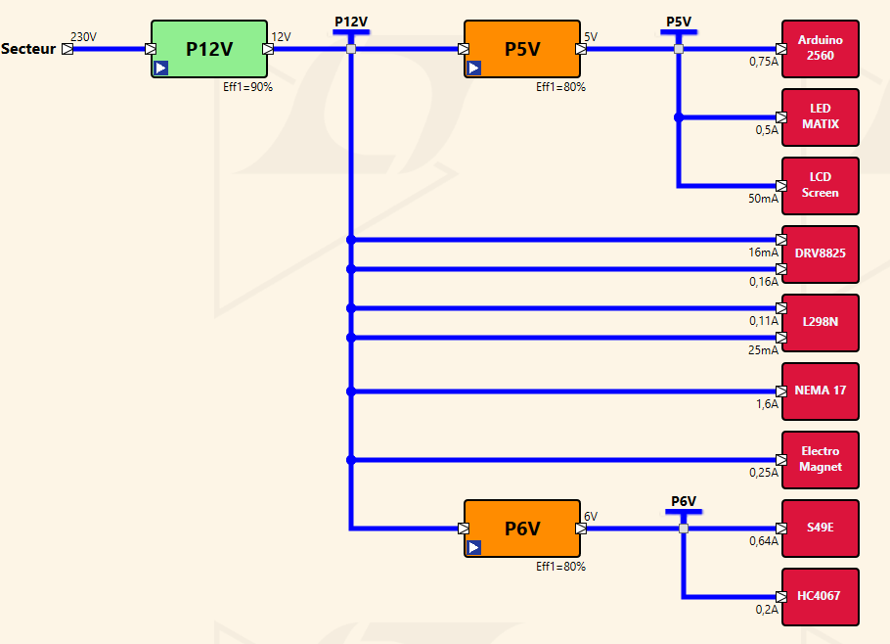
 | P12V
 | Component | Current | Power | qty | Current | Power
12 | Stepper Motor - Adafruit - Nema 17 size - 200 steps/rev, 12V 350mA 12V | 0.8A | 9.6W | 2 | 1.6A | 19.2W
 | Electromagnet - 5Kg Holding Force 12V | 0.25A | 3W | 1 | 0.25A | 3W
 | DRV8825 | 0.008A | 0.04W | 2 | 0.016A | 0.08W
 | L298N | 0.106A | 0.53W | 1 | 0.106A | 0.53W
 | Total |  |  |  | 1.972A | 22.81W

 | P5V
5 | Component | Current | Power | qty | Current | Power | DO measurement !!!
 | Arduino 2560 rev 3 | 0.71A | 3.55W | 1 | 0.71A | 3.55W
 | LCD Module - I2C Serial | 0.05A | 0.25W | 1 | 0.05A | 0.25W | https://docs.arduino.cc/resources/datasheets/A000067-datasheet.pdf
 | Matrix LED max7219-dotmatrix-V02 | 0.5A | 2.5W | 1 | 0.5A | 2.5W
 | Total |  |  |  | 1.26A | 6.3W

 | P6V5
6 | Component | Current | Power | qty | Current | Power
 | 49E OH49E SS49E TO-92S | 0.01A | 0.06W | 64 | 0.64A | 3.84W
 | CD74HC4067 | 0.05A | 0.3W | 4 | 0.2A | 1.2W
 | Total |  |  |  | 0.84A | 5.04W

Hall sensor matrix
 |  |  |  |  |  |  |  |  |  |  |  |  |  | MUX CD4067 |  |  |  |  |  |  | tph=650ns
 |  | Chess coordinate |  |  |  |  |  |  |  |  |  | Black side |  | Hall 49e | Mux 1 | Mux 2 | Mux 3 | Mux 4 | Table column | Table raw
 |  |  |  |  |  |  |  |  |  |  |  | majuscule |  | A1 | C7 |  |  |  | 0 | 0
 |  |  | 8 | r | n | b | q | k | b | n | r |  | Motor #2 | A2 | C14 |  |  |  | 1 | 0
 |  |  | 7 | p | p | p | p | p | p | p | p |  | Dir (TBC) | A3 |  | C7 |  |  | 2 | 0
 |  |  | 6 | . | . | . | . | . | . | . | . |  |  | A4 |  | C14 |  |  | 3 | 0
 |  |  | 5 | . | . | . | . | . | . | . | . |  |  | A5 |  |  | C7 |  | 4 | 0
 |  |  | 4 | . | . | . | . | . | . | . | . |  |  | A6 |  |  | C14 |  | 5 | 0
 |  |  | 3 | . | . | . | . | . | . | . | . |  |  | A7 |  |  |  | C7 | 6 | 0
 |  |  | 2 | P | P | P | P | P | P | P | P |  | Motor #1 | A8 |  |  |  | C14 | 7 | 0
 |  |  | 1 | R | N | B | Q | K | B | N | R |  | Dir (TBC) | B1 | C6 |  |  |  | 0 | 1
 |  |  |  | a | b | c | d | e | f | g | h | White side |  | B2 | C14 |  |  |  | 1 | 1
 |  |  |  |  |  |  |  |  |  |  |  | Minuscule |  | B3 |  | C6 |  |  | 2 | 1
 |  |  |  |  |  |  |  |  |  |  |  |  |  | B4 |  | C14 |  |  | 3 | 1
 |  |  |  |  |  |  |  |  |  |  |  |  |  | B5 |  |  | C6 |  | 4 | 1
 |  |  |  |  |  |  |  |  |  |  |  |  |  | B6 |  |  | C14 |  | 5 | 1
 |  | Polarité aimant |  |  |  |  |  |  |  |  |  |  |  | B7 |  |  |  | C6 | 6 | 1
Black side |  |  |  | 0 | 1 | 2 | 3 | 4 | 5 | 6 | 7 | matrix code |  | B8 |  |  |  | C14 | 7 | 1
-1 |  | 7 | 8 | 1 | 1 | 1 | 1 | 1 | 1 | 1 | 1 |  |  | C1 | C5 |  |  |  | 0 | 2
 |  | 6 | 7 | 1 | 1 | 1 | 1 | 1 | 1 | 1 | 1 |  |  | C2 | C13 |  |  |  | 1 | 2
 |  | 5 | 6 | 0 | 0 | 0 | 0 | 0 | 0 | 0 | 0 |  |  | C3 |  | C5 |  |  | 2 | 2
 |  | 4 | 5 | 0 | 0 | 0 | 0 | 0 | 0 | 0 | 0 |  |  | C4 |  | C13 |  |  | 3 | 2
 |  | 3 | 4 | 0 | 0 | 0 | 0 | 0 | 0 | 0 | 0 |  |  | C5 |  |  | C5 |  | 4 | 2
 |  | 2 | 3 | 0 | 0 | 0 | 0 | 0 | 0 | 0 | 0 |  |  | C6 |  |  | C13 |  | 5 | 2
White side |  | 1 | 2 | -1 | -1 | -1 | -1 | -1 | -1 | -1 | -1 |  |  | C7 |  |  |  | C5 | 6 | 2
1 |  | 0 | 1 | -1 | -1 | -1 | -1 | -1 | -1 | -1 | -1 |  |  | C8 |  |  |  | C13 | 7 | 2
 |  |  |  | a | b | c | d | e | f | g | h |  |  | D1 | C4 |  |  |  | 0 | 3
 |  |  |  |  |  |  |  |  |  |  |  |  |  | D2 | C12 |  |  |  | 1 | 3
 |  |  |  |  |  |  |  |  |  |  |  |  |  | D3 |  | C4 |  |  | 2 | 3
 |  |  |  |  |  |  |  |  |  |  |  |  |  | D4 |  | C12 |  |  | 3 | 3
 |  | Mux |  |  |  |  |  |  |  |  |  |  |  | D5 |  |  | C4 |  | 4 | 3
 |  |  |  | 0 | 1 | 2 | 3 | 4 | 5 | 6 | 7 |  |  | D6 |  |  | C12 |  | 5 | 3
Black side |  | 7 | 8 | -1 | -1 | -1 | -1 | -1 | -1 | -1 | -1 |  | Mux 4 | D7 |  |  |  | C4 | 6 | 3
-1 |  | 6 | 7 | -1 | -1 | -1 | -1 | -1 | -1 | -1 | -1 |  |  | D8 |  |  |  | C12 | 7 | 3
 |  | 5 | 6 | 0 | 0 | 0 | 0 | 0 | 0 | 0 | 0 |  | Mux 3 | E1 | C3 |  |  |  | 0 | 4
 |  | 4 | 5 | 0 | 0 | 0 | 0 | 0 | 0 | 0 | 0 |  |  | E2 | C11 |  |  |  | 1 | 4
 |  | 3 | 4 | 0 | 0 | 0 | 0 | 0 | 0 | 0 | 0 |  | Mux 2 | E3 |  | C3 |  |  | 2 | 4
 |  | 2 | 3 | 0 | 0 | 0 | 0 | 0 | 0 | 0 | 0 |  |  | E4 |  | C11 |  |  | 3 | 4
White side |  | 1 | 2 | 1 | 1 | 1 | 1 | 1 | 1 | 1 | 1 |  | Mux1 | E5 |  |  | C3 |  | 4 | 4
1 |  | 0 | 1 | 1 | 1 | 1 | 1 | 1 | 1 | 1 | 1 |  |  | E6 |  |  | C11 |  | 5 | 4
 |  |  |  | a | b | c | d | e | f | g | h |  |  | E7 |  |  |  | C3 | 6 | 4
 |  |  |  |  |  |  |  |  |  |  |  |  |  | E8 |  |  |  | C11 | 7 | 4
 |  |  |  |  |  |  |  |  |  |  |  |  |  | F1 | C2 |  |  |  | 0 | 5
 |  |  |  |  |  |  |  |  |  |  |  |  |  | F2 | C10 |  |  |  | 1 | 5
 |  | Example |  |  |  |  |  |  |  |  |  |  |  | F3 |  | C2 |  |  | 2 | 5
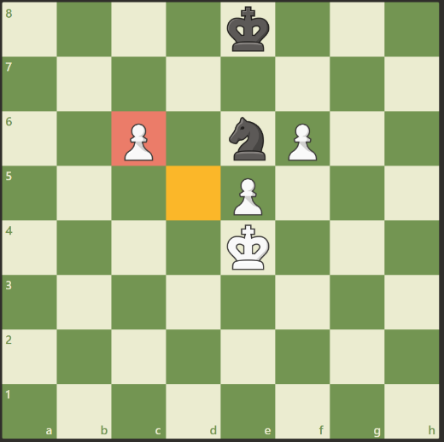
 |  |  |  | 0 | 1 | 2 | 3 | 4 | 5 | 6 | 7 |  |  | F4 |  | C10 |  |  | 3 | 5
Black side |  | 7 | 8 | 0 | 0 | 0 | 0 | -1 | 0 | 0 | 0 |  |  | F5 |  |  | C2 |  | 4 | 5
-1 |  | 6 | 7 | 0 | 0 | 0 | 0 | 0 | 0 | 0 | 0 |  |  | F6 |  |  | C10 |  | 5 | 5
 |  | 5 | 6 | 0 | 0 | 1 | 0 | -1 | 1 | 0 | 0 |  |  | F7 |  |  |  | C2 | 6 | 5
 |  | 4 | 5 | 0 | 0 | 0 | 0 | 1 | 0 | 0 | 0 |  |  | F8 |  |  |  | C10 | 7 | 5
 |  | 3 | 4 | 0 | 0 | 0 | 0 | 1 | 0 | 0 | 0 |  |  | G1 | C1 |  |  |  | 0 | 6
 |  | 2 | 3 | 0 | 0 | 0 | 0 | 0 | 0 | 0 | 0 |  |  | G2 | C9 |  |  |  | 1 | 6
White side |  | 1 | 2 | 0 | 0 | 0 | 0 | 0 | 0 | 0 | 0 |  |  | G3 |  | C1 |  |  | 2 | 6
1 |  | 0 | 1 | 0 | 0 | 0 | 0 | 0 | 0 | 0 | 0 |  |  | G4 |  | C9 |  |  | 3 | 6
 |  |  |  | a | b | c | d | e | f | g | h |  |  | G5 |  |  | C1 |  | 4 | 6
 |  |  |  |  |  |  |  |  |  |  |  |  |  | G6 |  |  | C9 |  | 5 | 6
 |  |  |  |  |  |  |  |  |  |  |  |  |  | G7 |  |  |  | C1 | 6 | 6
 | Hall sensor allows to differenciate black/white/no piece on the board instead of reed relay (binary) |  |  |  |  |  |  |  |  |  |  |  |  | G8 |  |  |  | C9 | 7 | 6
 | Add acquisition channel to 49e to increase accuracy? |  |  |  |  |  |  |  |  |  |  |  |  | H1 | C0 |  |  |  | 0 | 7
 |  |  |  |  |  |  |  |  |  |  |  |  |  | H2 | C8 |  |  |  | 1 | 7
 |  |  |  |  |  |  |  |  |  |  |  |  |  | H3 |  | C0 |  |  | 2 | 7
 |  |  |  |  |  |  |  |  |  |  |  |  |  | H4 |  | C8 |  |  | 3 | 7
 |  |  |  |  |  |  |  |  |  |  |  |  |  | H5 |  |  | C0 |  | 4 | 7
 |  |  |  |  |  |  |  |  |  |  |  |  |  | H6 |  |  | C8 |  | 5 | 7
 |  |  |  |  |  |  |  |  |  |  |  |  |  | H7 |  |  |  | C0 | 6 | 7
 |  |  |  |  |  |  |  |  |  |  |  |  |  | H8 |  |  |  | C8 | 7 | 7

Hall sensor Calcul
Need to calibrate Hall sensor |  |  |  | Test Results |  |  |  |  |  |  |  |  |  |  |  | Power supply = 5,00V |  |  | Test Results |  |  |  |  |  |  |  |  |  |  |  | Power supply = 6,00V
 |  |  |  |  | Hall measure 1 (bit) |  |  |  |  |  |  |  |  |  |  | ADC 2^10 bit (1024) |  |  |  | Hall measure 1 (bit) |  |  |  |  |  |  |  |  |  |  | ADC 2^10 bit (1024)
 |  |  |  |  |  |  | 0 | 1 | 2 | 3 | 4 | 5 | 6 | 7 |  | Hall no piece min = | 486 |  |  |  |  | 0 | 1 | 2 | 3 | 4 | 5 | 6 | 7 |  | Hall no piece min = | 580
 |  |  | Black side |  | 7 | 8 |  |  |  |  |  |  |  |  |  | Hall no piece max = | 584 | Black side |  | 7 | 8 |  |  |  |  |  |  |  |  |  | Hall no piece max = | 660
 | Vcc | 6 V | -1 |  | 6 | 7 |  |  |  |  |  |  |  |  |  |  |  | -1 |  | 6 | 7
 | Sensitivity | 1.68 mV/G |  |  | 5 | 6 |  |  |  |  |  |  |  |  |  |  |  |  |  | 5 | 6
SS49e Theoretical
 |  |  |  |  | 4 | 5 |  |  |  |  |  |  |  |  |  |  |  |  |  | 4 | 5
 |  |  |  |  | 3 | 4 |  |  |  |  |  |  |  |  |  |  |  |  |  | 3 | 4
 |  |  |  |  | 2 | 3 |  |  |  |  |  |  |  |  |  |  |  |  |  | 2 | 3
 | SS49e Theoretical |  | White side |  | 1 | 2 |  |  |  |  |  |  |  |  |  |  |  | White side |  | 1 | 2
 | Gauss | Voltage | 1 |  | 0 | 1 |  |  |  |  |  |  |  |  | 0,9V |  |  | 1 |  | 0 | 1 |  |  |  |  |  |  |  |  | 0,9V
 | -1200 G | 0.984 V |  |  |  |  | a | b | c | d | e | f | g | h |  |  |  |  |  |  |  | a | b | c | d | e | f | g | h
 | 1200 G | 5.016 V

 | a | 0.00168 |  |  | Hall measure 2 (bit) |  |  |  |  |  |  |  |  |  |  |  |  |  |  | Hall measure 2 (bit) |  |  |  |  |  |  |  |  |  |  | Augmenter l'alimentation permet d'améliorer la précision de mesure d'après la datasheet. Essayer 6V ou 6,5V
 | b | 3 |  |  |  |  | 0 | 1 | 2 | 3 | 4 | 5 | 6 | 7 |  |  |  |  |  |  |  | 0 | 1 | 2 | 3 | 4 | 5 | 6 | 7
 |  |  | Black side |  | 7 | 8 | 531 | 514 | 533 | 507 | 509 | 521 | 515 | 549 |  |  |  | Black side |  | 7 | 8 | 627 | 643 | 642 | 622 | 633 | 653 | 643 | 648
 | V | 1 | -1 |  | 6 | 7 | 524 | 545 | 528 | 515 | 507 | 525 | 555 | 517 |  |  |  | -1 |  | 6 | 7 | 626 | 649 | 631 | 639 | 631 | 638 | 610 | 643
 | G | 3.00168 |  |  | 5 | 6 | 549 | 540 | 495 | 531 | 523 | 570 | 525 | 553 |  |  |  |  |  | 5 | 6 | 640 | 637 | 648 | 634 | 636 | 646 | 632 | 646
 |  |  |  |  | 4 | 5 | 533 | 532 | 535 | 526 | 557 | 525 | 542 | 538 |  |  |  |  |  | 4 | 5 | 611 | 632 | 641 | 660 | 617 | 629 | 653 | 624
 |  |  |  |  | 3 | 4 | 501 | 546 | 532 | 584 | 511 | 526 | 556 | 510 |  |  |  |  |  | 3 | 4 | 607 | 609 | 605 | 602 | 611 | 602 | 586 | 614
 |  |  |  |  | 2 | 3 | 524 | 529 | 548 | 552 | 522 | 560 | 521 | 556 |  |  |  |  |  | 2 | 3 | 599 | 614 | 595 | 596 | 600 | 618 | 580 | 601
 |  |  | White side |  | 1 | 2 | 528 | 530 | 507 | 518 | 505 | 519 | 486 | 551 |  |  |  | White side |  | 1 | 2 | 625 | 619 | 630 | 619 | 602 | 614 | 616 | 617
 |  |  | 1 |  | 0 | 1 | 512 | 516 | 548 | 515 | 546 | 526 | 546 | 524 | 2,48V |  |  | 1 |  | 0 | 1 | 599 | 611 | 608 | 599 | 611 | 613 | 615 | 618 | 2,48V
 |  |  |  |  |  |  | a | b | c | d | e | f | g | h |  |  |  |  |  |  |  | a | b | c | d | e | f | g | h

 |  |  |  |  | Hall measure 3 (bit) |  |  |  |  |  |  |  |  |  |  |  |  |  |  | Hall measure 3 (bit)
 |  |  |  |  |  |  | 0 | 1 | 2 | 3 | 4 | 5 | 6 | 7 |  |  |  |  |  |  |  | 0 | 1 | 2 | 3 | 4 | 5 | 6 | 7
 |  |  | Black side |  | 7 | 8 |  |  |  |  |  |  |  |  |  |  |  | Black side |  | 7 | 8
 |  |  | -1 |  | 6 | 7 |  |  |  |  |  |  |  |  |  |  |  | -1 |  | 6 | 7
 |  |  |  |  | 5 | 6 |  |  |  |  |  |  |  |  |  |  |  |  |  | 5 | 6
 |  |  |  |  | 4 | 5 |  |  |  |  |  |  |  |  |  |  |  |  |  | 4 | 5
 |  |  |  |  | 3 | 4 |  |  |  |  |  |  |  |  |  |  |  |  |  | 3 | 4
 |  |  |  |  | 2 | 3 |  |  |  |  |  |  |  |  |  |  |  |  |  | 2 | 3
 |  |  | White side |  | 1 | 2 |  |  |  |  |  |  |  |  |  |  |  | White side |  | 1 | 2
 |  |  | 1 |  | 0 | 1 |  |  |  |  |  |  |  |  | 4,29V |  |  | 1 |  | 0 | 1 |  |  |  |  |  |  |  |  | 4,29V
 |  |  |  |  |  |  | a | b | c | d | e | f | g | h |  |  |  |  |  |  |  | a | b | c | d | e | f | g | h

StepMot
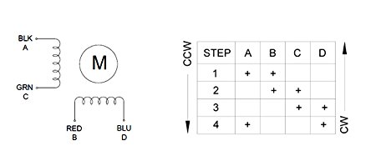
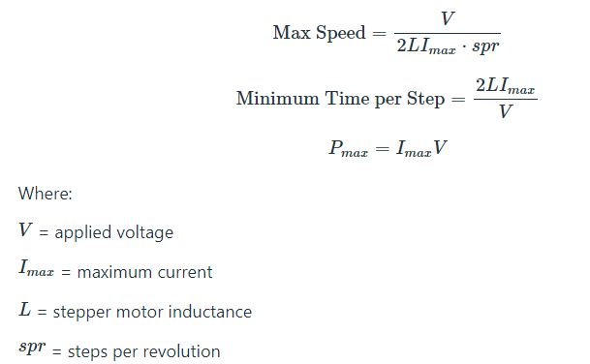
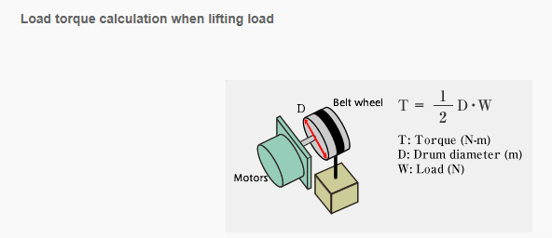
 |  |  |  |  | NEMA 17 26Ncm
 |  |  |  |  | Vcc | 12 V
 |  |  |  |  | Torque max | 26 Ncm
 |  |  |  |  | microstep | 8.00
 |  |  |  |  | Imax | 0.4 A
 |  |  |  |  | L | 37 mH | TBC
 |  |  |  |  | spr | 200 step
 |  |  |  |  | Load | 1000 g
 |  |  |  |  | Load | 9.81 N
 |  |  |  |  | D pulley | 0.6 cm

 |  |  |  |  | Speed max | 2.027027027 rev/s
 | A | B | C | D | T per Step min | 2.4666666667 ms
Red |  | X |  |  | Pmax | 4.8 W
Blue |  |  |  | X | Torque mot | 2.943 Ncm

Black | X
Green |  |  | X

Torque Vs Microstep
 |  |  |  |  | Microstep | Torque
 |  |  |  |  | 1 | 26 Ncm
 |  |  |  |  | 2 | 18.384776311 Ncm
 |  |  |  |  | 4 | 9.9497692415 Ncm
 |  |  |  |  | 8 | 5.0723483724 Ncm
 |  |  |  |  | 16 | 2.5484456486 Ncm
 |  |  |  |  | 32 | 1.2757595325 Ncm
 |  |  |  |  | 64 | 0.6380719416 Ncm
 |  |  |  |  | 128 | 0.31905999543 Ncm
 |  |  |  |  | 256 | 0.15953300088 Ncm

StepMot Driver
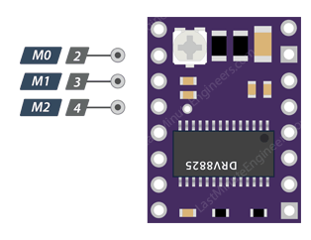
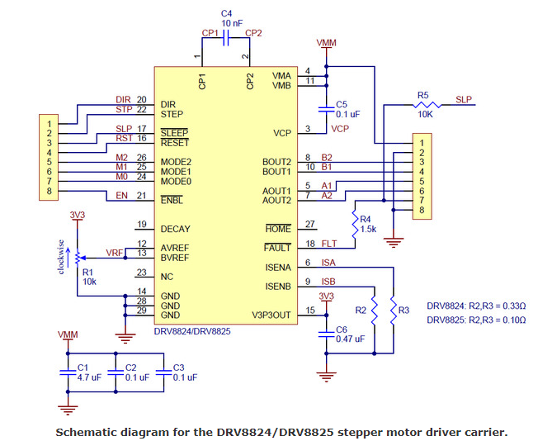
DRV8825
M0 | M1 | M2 | Microstep Resolution | DRV8825 Ilim |  |  |  | Typ | Max
Low | Low | Low | Full step | I MOT | 0.8 A |  | Fpwm | 30 kHz | 250 kHz
High | Low | Low | Half step | I limit | 1 A | Imax 8825 = 2,2A
Low | High | Low | 1/4 step | vref | 2 V
High | High | Low | 1/8 step
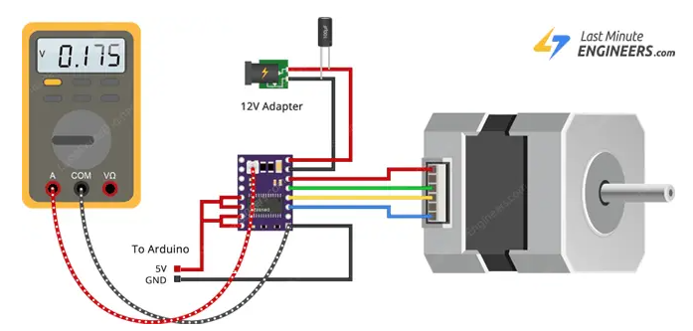
Low | Low | High | 1/16 step
High | Low | High | 1/32 step
Low | High | High | 1/32 step
High | High | High | 1/32 step

Magnet
https://www.femm.info/wiki/HomePage

Il est dessiné en 2D, vue Y-Z
Le problème est de type planaire.
Matériau IASI 304 Custom pour le blindage magnétique.
Épaisseur du blindage magnétique : 4 mm.
Aimants N35. Diamètre de l’aimant : 8 mm x 3 mm.
Diamètre intérieur du moyeu du blindage magnétique : 10 mm.
Électro-aimant à lévitation, 840 spires. Fil de 0,45 mm, noyau magnétique de 2,41 mm.
Orientation de l’aimant : vers le haut ou vers le bas.

 | B-H courbe pour AISI 304 Custom
 | H (Amp/m) | B (Tesla)
 | 0 | 0
 | 10 | 0.001
 | 100 | 0.01
 | 500 | 0.1
 | 1000 | 0.2
 | 2000 | 0.4
 | 5000 | 0.6
 | 10000 | 0.8
 | 20000 | 1
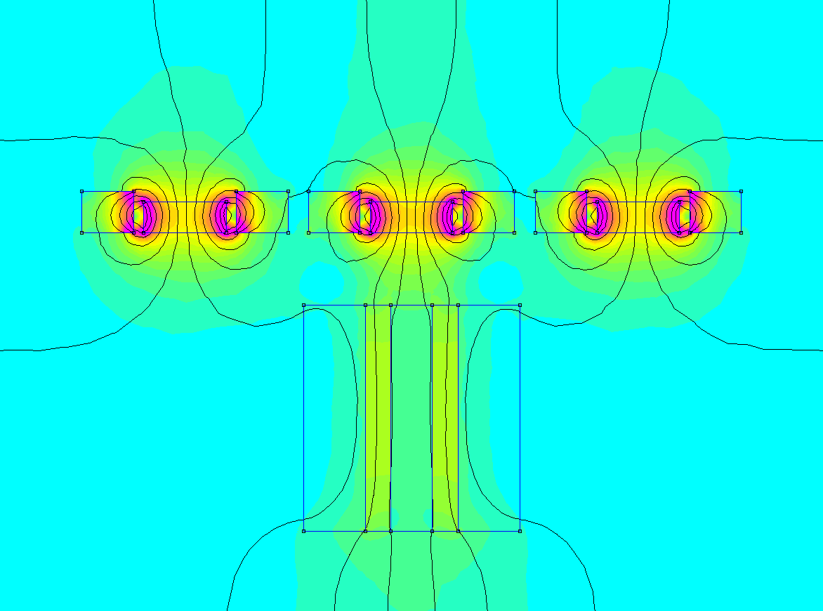
 | 50000 | 1.1
 | 100000 | 1.2
 | 200000 | 1.3
 | 500000 | 1.4
 | 1000000 | 1.5

Square size
 | Displacement Resolution
 | Pulley Ext. Diam | 12.1 mm | By Manufacturer
 | Pulley Int Diam | 5 mm |  |  |  | A | B | C | D | E | F | G | H
 | Pulley witdh | 6 mm |  | - | - | 1 | 2 | 3 | 4 | 5 | 6 | 7 | 8
 |  |  |  | - | - | A | B | C | D | E | F | G | H
 | Belt pitch | 2 mm |  | 8 | 8
 | Belt teeth | 20 teeth |  | 7 | 7
 | Motor step | 200 step |  | 6 | 6
 | Motor µstep | 8 step |  | 5 | 5
 | Square size | 37 mm |  | 4 | 4
 | Linear Resolution | 40 µsteps per mm |  | 3 | 3
 | Square size | 1480 µsteps per square |  | 2 | 2
 | Coeff square size | 185 steps per square | Added in code | 1 | 1

$$x=\sqrt{2}$$
Diagonal Move
 | distance d Unit | 1 |  | Test results with arduino code (XY)
Only for square table | Coeff diagonal move | 1.4142135624 |  | 14:46:55.226 -> Steps on H_A = 1510
 | distance d square | 37 mm |  | 14:46:55.294 -> Distance H_A = 302.00mm |  |  |  | Measured | 300 mm
 | Diagonal move Square | 52.325901808 mm |  | 14:46:55.294 -> Steps on F8_F1 = 1310
 |  |  |  | 14:46:55.327 -> Distance F8_F1 = 262.00mm |  |  |  | Measured | 261 mm
 | Size Table XY | 300 mm | measured
 | Size Table XY | 262 mm | measured | En prenant en compte l'imprécision du test, les résultats sont acceptables
$$distance of square d$$
Only for square table | Diagonal | 370.52395334 mm |  | On garde le coeff 185 (les caluls sont corrects)

 |  |  |  | Test results with arduino code (diagonal)
 |  |  |  | 18:32:09.646 -> Steps on HA-18 = 1882
 |  |  |  | 18:32:09.646 -> Distance HA_18 = 376.40mm |  |  |  | Measured | 372mm
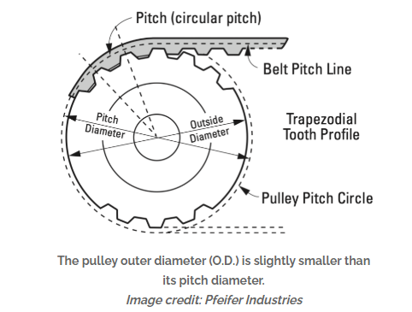
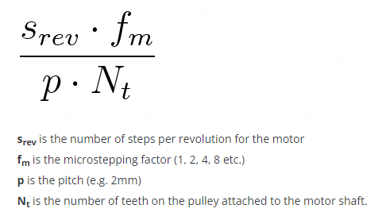
 |  |  |  | 18:24:26.638 -> Steps on HA_81 = 1968
 |  |  |  | 18:24:26.638 -> Distance HA_81 = 393.60mm |  |  |  | Measured | 390mm
 |  |  |  | 18:32:09.684 -> Steps on AH_81 = 1884
 |  |  |  | 18:14:44.558 -> Distance AH_81 = 376.80mm |  |  |  | Measured | 372mm
 |  |  |  | 18:24:26.705 -> Steps on HA_18 = 1963
 |  |  |  | 18:24:26.739 -> Distance HA_18 = 392.60mm |  |  |  | Measured | 390mm

 |  |  |  | En prenant en compte l'imprécision du test, les résultats sont acceptables
 |  |  |  | On garde le coeff 1,41 (les caluls sont corrects)

 |  |  |  |  |  | 380.2

 | https://www.norwegiancreations.com/2015/07/tutorial-calibrating-stepper-motor-machines-with-belts-and-pulleys/

 |  | 1.4142135624

Electromagnet1
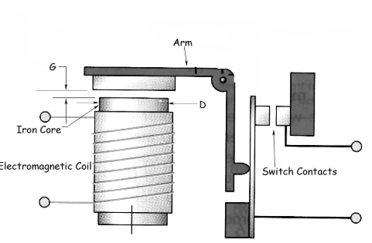
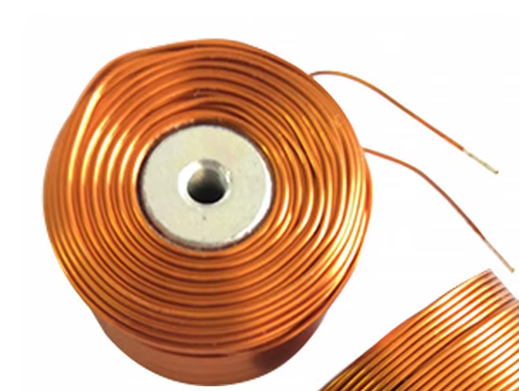
https://www.kjmagnetics.com/magnetic-field-calculator.asp
https://www.production-solution.com/coil-calculator.htm

Force aimant nécessaire |  |  | Données Electro aimant
Poids 4 rondelles | 0.007 kg |  | Dw | Wire.Diameter | 0.45 mm
diamètre noyau | 0.008 m |  | N | Number of Turns | 840
hauteur noyau | 0.003 m |  | Lb | Bobbin Length | 22 mm
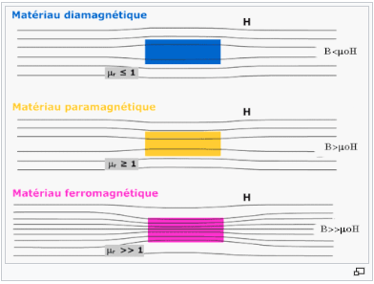
Induction rémanente | 1.2 T | ISO 60404-8-1 | Db | Core Diameter | 8 mm
Poids pièce echec | 0.012 Kg |  | k | Permeability on Air | 1.2566370614E-06 m
Densité neodyme | 7500 Kg/m3 |  | I | Current Designed | 2 A
coeff frottement plexiglas | 0.2 Kg/m3 |  | g | Gap | 7 mm
acceleration aimant | 1 m/s² |  | TpW | Turns per Layer (Turns per Winding) | 48.888888889 | TpW= Lb/Dw;
Volume noyau | 1.5079644737E-07 m3 |  | W | Number of Layers: Windings | 17.181818182 | W=N/TpW;
masse aimant | 0.0011309733553 kg |  | A | Cross Section Area | 194.3782726 mm² | A= PI*Rw*Rw;
Force min | 0.19748484862 N |  | Rw | Average Radius of Coil | 7.8659090909 mm | Rw= (W*Dw+ Db)/2;
Force frottement | 0.039496969723 N |  | Dc | Outer Diameter of Coil | 23.463636364 mm | Dc= (2*W*Dw+Db);
Force inertie | 0.020130973355 N |  | Dm | Diameter to middle of the Coil | 15.731818182 mm | Dm=(Dc-Db)/2+Db;
 |  |  | LpT | Average Length Turn | 49.422964428 mm | LpT= 2*PI*Rw;
Force mécanique totale | 0.25711279169 N |  | L | Length | 41.515290119 m | L= LpT*N/KILO;
 |  |  | RpM | Resistance Per Meter | 0.10744865185 Ohm/m | RpM=0,033*((0.812/2)*(0.812/2))/((Dw/2)*(Dw/2));
 |  |  | A0 | Cross section for force calculation | 50.265482457 mm² | A0= PI*Math.pow((Db/2),2)
 |  |  | Ww | Wire Weight | 0.058666878371 kg | Ww= (L/(51.05/(((Dw/2)*(Dw/2))*PI)))*.45359237;
 |  |  | R | Total Resistance | 4.4607619545 Ohm | R= RpM*L;
 |  |  | H | Inductance in Micro Henries | 6005.2651785 µH | H=(Dm*.001*Dm*.001*N*N)/(Lb*.001+.45*Dm*.001);
 |  |  | F | Force | 1.8191654832 N | F= (N*I)*(N*I)*K*A0/(2*g*g);
 |  |  | V | Voltage | 8.9215239091 V | V=I.R
 |  |  | P | Power | 17.843047818 W | P=V.I

Electromagnet2
https://www.youtube.com/watch?v=vHP-zq23uvE&t=15s

 |  |  | I = V/ R | B =N*I*µ0 * Core Effective Permeability / Core Lenght | F =B^2 * Core Area / (2 * µ0 ) | P = I^2xR
N [Number of Turns] | Length [m] | Resistance [Ohm] | Current [Ampere] | B [Tesla] | Force [Newton] | Power [Watt] | Weight [ Grams] | Core Effective permeability | Vacuum permeability | B MIN |  | Courant | Section
1 | 0.0251 | 0.0053 | 0.80 | 0.000119 | 0.000000 | 0.003398 | 0.00 | 2.61H/m | 1.2566370614E-06H/m | 2T |  | 0 | 0.0000
5 | 0.1257 | 0.0265 | 0.80 | 0.000596 | 0.000007 | 0.016991 | 0.00 |  |  |  |  | 0.1 | 0.0500
10 | 0.2513 | 0.0531 | 0.80 | 0.001193 | 0.000028 | 0.033982 | 0.00 | Voltage | Current Limit | Resistivity |  | 0.2 | 0.1000
20 | 0.5027 | 0.1062 | 0.80 | 0.002385 | 0.000114 | 0.067963 | 0.01 | 20V | 0.8A | 0.0336 |  | 0.3 | 0.1500
30 | 0.7540 | 0.1593 | 0.80 | 0.003578 | 0.000256 | 0.101945 | 0.03 |  |  |  | Ohm*mm^2/m | 0.4 | 0.2000
40 | 1.0053 | 0.2124 | 0.80 | 0.004771 | 0.000455 | 0.135927 | 0.05 | Wire Radius | Core Radius | Core Lenght |  | 0.5 | 0.2500
50 | 1.2566 | 0.2655 | 0.80 | 0.005963 | 0.000711 | 0.169908 | 0.07 | 0.225mm | 4mm | 22mm |  | 0.6 | 0.3000
60 | 1.5080 | 0.3186 | 0.80 | 0.007156 | 0.001024 | 0.203890 | 0.10 |  |  |  |  | 0.7 | 0.3500
70 | 1.7593 | 0.3717 | 0.80 | 0.008349 | 0.001394 | 0.237871 | 0.14 | Wire Area [mm2] | Current density | Wire Max Current |  | 0.8 | 0.4000
80 | 2.0106 | 0.4248 | 0.80 | 0.009541 | 0.001821 | 0.271853 | 0.18 | 0.15904312809mm² | 2A/mm² | 0.31808625618A |  | 0.9 | 0.4500
Turn number Effect
90 | 2.2619 | 0.4779 | 0.80 | 0.010734 | 0.002304 | 0.305835 | 0.23 |  |  |  |  | 1 | 0.5000
100 | 2.5133 | 0.5310 | 0.80 | 0.011927 | 0.002845 | 0.339816 | 0.28 |  |  |  |  | 1.1 | 0.5500
150 | 3.7699 | 0.7964 | 0.80 | 0.017890 | 0.006401 | 0.509724 | 0.64 |  |  |  |  | 1.2 | 0.6000
Courant Vs section
200 | 5.0265 | 1.0619 | 0.80 | 0.023853 | 0.011380 | 0.679633 | 1.14 |  |  |  |  | 1.3 | 0.6500
250 | 6.2832 | 1.3274 | 0.80 | 0.029817 | 0.017781 | 0.849541 | 1.78 |  |  |  |  | 1.4 | 0.7000
300 | 7.5398 | 1.5929 | 0.80 | 0.035780 | 0.025604 | 1.019449 | 2.56 |  |  |  |  | 1.5 | 0.7500
350 | 8.7965 | 1.8584 | 0.80 | 0.041743 | 0.034850 | 1.189357 | 3.48 |  |  |  |  | 1.6 | 0.8000
400 | 10.0531 | 2.1239 | 0.80 | 0.047707 | 0.045518 | 1.359265 | 4.55 |  |  |  |  | 1.7 | 0.8500
450 | 11.3097 | 2.3893 | 0.80 | 0.053670 | 0.057609 | 1.529173 | 5.76 |  |  |  |  | 1.8 | 0.9000
500 | 12.5664 | 2.6548 | 0.80 | 0.059633 | 0.071122 | 1.699081 | 7.11 |  |  |  |  | 1.9 | 0.9500
600 | 15.0796 | 3.1858 | 0.80 | 0.071560 | 0.102416 | 2.038898 | 10.24 |  |  |  |  | 2 | 1.0000
700 | 17.5929 | 3.7167 | 0.80 | 0.083486 | 0.139400 | 2.378714 | 13.94 |  |  |  |  | 2.1 | 1.0500
840 | 21.1115 | 4.4601 | 0.80 | 0.100184 | 0.200735 | 2.854457 | 20.07 |  |  |  |  | 2.2 | 1.1000
900 | 22.6195 | 4.7787 | 0.80 | 0.107340 | 0.230436 | 3.058347 | 23.04 |  |  |  |  | 2.3 | 1.1500
1000 | 25.1327 | 5.3096 | 0.80 | 0.119266 | 0.284489 | 3.398163 | 28.45 |  |  |  |  | 2.4 | 1.2000
1100 | 27.6460 | 5.8406 | 0.80 | 0.131193 | 0.344232 | 3.737979 | 34.42 |  |  |  |  | 2.5 | 1.2500
1200 | 30.1593 | 6.3716 | 0.80 | 0.143120 | 0.409664 | 4.077796 | 40.97 |  |  |  |  | 2.6 | 1.3000
1300 | 32.6726 | 6.9025 | 0.80 | 0.155046 | 0.480786 | 4.417612 | 48.08 |  |  |  |  | 2.7 | 1.3500
1400 | 35.1858 | 7.4335 | 0.80 | 0.166973 | 0.557598 | 4.757428 | 55.76 |  |  |  |  | 2.8 | 1.4000
1500 | 37.6991 | 7.9644 | 0.80 | 0.178899 | 0.640100 | 5.097244 | 64.01 |  |  |  |  | 2.9 | 1.4500
1600 | 40.2124 | 8.4954 | 0.80 | 0.190826 | 0.728292 | 5.437061 | 72.83 |  |  |  |  | 3 | 1.5000
1700 | 42.7257 | 9.0264 | 0.80 | 0.202753 | 0.822173 | 5.776877 | 82.22 |  |  |  |  | 3.1 | 1.5500
1800 | 45.2389 | 9.5573 | 0.80 | 0.214679 | 0.921744 | 6.116693 | 92.17 |  |  |  |  | 3.2 | 1.6000
1900 | 47.7522 | 10.0883 | 0.80 | 0.226606 | 1.027005 | 6.456510 | 102.70 |  |  |  |  | 3.3 | 1.6500
2000 | 50.2655 | 10.6193 | 0.80 | 0.238533 | 1.137956 | 6.796326 | 113.80 |  |  |  |  | 3.4 | 1.7000
2100 | 52.7788 | 11.1502 | 0.80 | 0.250459 | 1.254596 | 7.136142 | 125.46 |  |  |  |  | 3.5 | 1.7500
2200 | 55.2920 | 11.6812 | 0.80 | 0.262386 | 1.376926 | 7.475959 | 137.69 |  |  |  |  | 3.6 | 1.8000
2300 | 57.8053 | 12.2121 | 0.80 | 0.274312 | 1.504946 | 7.815775 | 150.49 |  |  |  |  | 3.7 | 1.8500
2400 | 60.3186 | 12.7431 | 0.80 | 0.286239 | 1.638656 | 8.155591 | 163.87 |  |  |  |  | 3.8 | 1.9000
2500 | 62.8319 | 13.2741 | 0.80 | 0.298166 | 1.778056 | 8.495407 | 177.81 |  |  |  |  | 3.9 | 1.9500
2600 | 65.3451 | 13.8050 | 0.80 | 0.310092 | 1.923145 | 8.835224 | 192.31 |  |  |  |  | 4 | 2.0000
2700 | 67.8584 | 14.3360 | 0.80 | 0.322019 | 2.073924 | 9.175040 | 207.39
2800 | 70.3717 | 14.8670 | 0.80 | 0.333946 | 2.230393 | 9.514856 | 223.04
2900 | 72.8849 | 15.3979 | 0.80 | 0.345872 | 2.392552 | 9.854673 | 239.26
3000 | 75.3982 | 15.9289 | 0.80 | 0.357799 | 2.560400 | 10.194489 | 256.04
3100 | 77.9115 | 16.4599 | 0.80 | 0.369725 | 2.733938 | 10.534305 | 273.39
3200 | 80.4248 | 16.9908 | 0.80 | 0.381652 | 2.913167 | 10.874121 | 291.32
3300 | 82.9380 | 17.5218 | 0.80 | 0.393579 | 3.098084 | 11.213938 | 309.81
3400 | 85.4513 | 18.0527 | 0.80 | 0.405505 | 3.288692 | 11.553754 | 328.87
3500 | 87.9646 | 18.5837 | 0.80 | 0.417432 | 3.484989 | 11.893570 | 348.50
3600 | 90.4779 | 19.1147 | 0.80 | 0.429359 | 3.686976 | 12.233387 | 368.70
3700 | 92.9911 | 19.6456 | 0.80 | 0.441285 | 3.894653 | 12.573203 | 389.47
3800 | 95.5044 | 20.1766 | 0.80 | 0.453212 | 4.108020 | 12.913019 | 410.80
3900 | 98.0177 | 20.7076 | 0.80 | 0.465138 | 4.327076 | 13.252836 | 432.71
4000 | 100.5310 | 21.2385 | 0.80 | 0.477065 | 4.551823 | 13.592652 | 455.18
4100 | 103.0442 | 21.7695 | 0.80 | 0.488992 | 4.782259 | 13.932468 | 478.23
4200 | 105.5575 | 22.3004 | 0.80 | 0.500918 | 5.018384 | 14.272284 | 501.84
4300 | 108.0708 | 22.8314 | 0.80 | 0.512845 | 5.260200 | 14.612101 | 526.02
4400 | 110.5841 | 23.3624 | 0.80 | 0.524772 | 5.507705 | 14.951917 | 550.77
4500 | 113.0973 | 23.8933 | 0.80 | 0.536698 | 5.760901 | 15.291733 | 576.09
4600 | 115.6106 | 24.4243 | 0.80 | 0.548625 | 6.019785 | 15.631550 | 601.98
4700 | 118.1239 | 24.9553 | 0.80 | 0.560552 | 6.284360 | 15.971366 | 628.44
4800 | 120.6372 | 25.4862 | 0.78 | 0.561556 | 6.306914 | 15.694754 | 630.69
4900 | 123.1504 | 26.0172 | 0.77 | 0.561556 | 6.306914 | 15.374453 | 630.69
5000 | 125.6637 | 26.5481 | 0.75 | 0.561556 | 6.306914 | 15.066964 | 630.69
5100 | 128.1770 | 27.0791 | 0.74 | 0.561556 | 6.306914 | 14.771534 | 630.69
5200 | 130.6903 | 27.6101 | 0.72 | 0.561556 | 6.306914 | 14.487466 | 630.69
5300 | 133.2035 | 28.1410 | 0.71 | 0.561556 | 6.306914 | 14.214117 | 630.69
5400 | 135.7168 | 28.6720 | 0.70 | 0.561556 | 6.306914 | 13.950893 | 630.69
5500 | 138.2301 | 29.2030 | 0.68 | 0.561556 | 6.306914 | 13.697240 | 630.69
5600 | 140.7434 | 29.7339 | 0.67 | 0.561556 | 6.306914 | 13.452647 | 630.69
5700 | 143.2566 | 30.2649 | 0.66 | 0.561556 | 6.306914 | 13.216635 | 630.69
5800 | 145.7699 | 30.7959 | 0.65 | 0.561556 | 6.306914 | 12.988762 | 630.69
5900 | 148.2832 | 31.3268 | 0.64 | 0.561556 | 6.306914 | 12.768614 | 630.69
6000 | 150.7964 | 31.8578 | 0.63 | 0.561556 | 6.306914 | 12.555804 | 630.69
6100 | 153.3097 | 32.3887 | 0.62 | 0.561556 | 6.306914 | 12.349971 | 630.69
6200 | 155.8230 | 32.9197 | 0.61 | 0.561556 | 6.306914 | 12.150778 | 630.69
6300 | 158.3363 | 33.4507 | 0.60 | 0.561556 | 6.306914 | 11.957908 | 630.69
6400 | 160.8495 | 33.9816 | 0.59 | 0.561556 | 6.306914 | 11.771066 | 630.69
6500 | 163.3628 | 34.5126 | 0.58 | 0.561556 | 6.306914 | 11.589973 | 630.69
6600 | 165.8761 | 35.0436 | 0.57 | 0.561556 | 6.306914 | 11.414367 | 630.69
6700 | 168.3894 | 35.5745 | 0.56 | 0.561556 | 6.306914 | 11.244003 | 630.69
6800 | 170.9026 | 36.1055 | 0.55 | 0.561556 | 6.306914 | 11.078650 | 630.69
6900 | 173.4159 | 36.6364 | 0.55 | 0.561556 | 6.306914 | 10.918090 | 630.69
7000 | 175.9292 | 37.1674 | 0.54 | 0.561556 | 6.306914 | 10.762117 | 630.69
7100 | 178.4425 | 37.6984 | 0.53 | 0.561556 | 6.306914 | 10.610538 | 630.69
7200 | 180.9557 | 38.2293 | 0.52 | 0.561556 | 6.306914 | 10.463170 | 630.69
7300 | 183.4690 | 38.7603 | 0.52 | 0.561556 | 6.306914 | 10.319839 | 630.69
7400 | 185.9823 | 39.2913 | 0.51 | 0.561556 | 6.306914 | 10.180381 | 630.69
7500 | 188.4956 | 39.8222 | 0.50 | 0.561556 | 6.306914 | 10.044643 | 630.69
7600 | 191.0088 | 40.3532 | 0.50 | 0.561556 | 6.306914 | 9.912477 | 630.69
7700 | 193.5221 | 40.8841 | 0.49 | 0.561556 | 6.306914 | 9.783743 | 630.69
7800 | 196.0354 | 41.4151 | 0.48 | 0.561556 | 6.306914 | 9.658310 | 630.69
7900 | 198.5487 | 41.9461 | 0.48 | 0.561556 | 6.306914 | 9.536053 | 630.69
8000 | 201.0619 | 42.4770 | 0.47 | 0.561556 | 6.306914 | 9.416853 | 630.69
8100 | 203.5752 | 43.0080 | 0.47 | 0.561556 | 6.306914 | 9.300595 | 630.69
8200 | 206.0885 | 43.5390 | 0.46 | 0.561556 | 6.306914 | 9.187173 | 630.69
8300 | 208.6018 | 44.0699 | 0.45 | 0.561556 | 6.306914 | 9.076485 | 630.69
8400 | 211.1150 | 44.6009 | 0.45 | 0.561556 | 6.306914 | 8.968431 | 630.69
8500 | 213.6283 | 45.1319 | 0.44 | 0.561556 | 6.306914 | 8.862920 | 630.69
8600 | 216.1416 | 45.6628 | 0.44 | 0.561556 | 6.306914 | 8.759863 | 630.69
8700 | 218.6548 | 46.1938 | 0.43 | 0.561556 | 6.306914 | 8.659175 | 630.69
8800 | 221.1681 | 46.7247 | 0.43 | 0.561556 | 6.306914 | 8.560775 | 630.69
8900 | 223.6814 | 47.2557 | 0.42 | 0.561556 | 6.306914 | 8.464587 | 630.69
9000 | 226.1947 | 47.7867 | 0.42 | 0.561556 | 6.306914 | 8.370536 | 630.69
9100 | 228.7079 | 48.3176 | 0.41 | 0.561556 | 6.306914 | 8.278552 | 630.69
9200 | 231.2212 | 48.8486 | 0.41 | 0.561556 | 6.306914 | 8.188568 | 630.69
9300 | 233.7345 | 49.3796 | 0.41 | 0.561556 | 6.306914 | 8.100518 | 630.69
9400 | 236.2478 | 49.9105 | 0.40 | 0.561556 | 6.306914 | 8.014343 | 630.69
9500 | 238.7610 | 50.4415 | 0.40 | 0.561556 | 6.306914 | 7.929981 | 630.69
9600 | 241.2743 | 50.9724 | 0.39 | 0.561556 | 6.306914 | 7.847377 | 630.69
9700 | 243.7876 | 51.5034 | 0.39 | 0.561556 | 6.306914 | 7.766476 | 630.69
9800 | 246.3009 | 52.0344 | 0.38 | 0.561556 | 6.306914 | 7.687227 | 630.69
9900 | 248.8141 | 52.5653 | 0.38 | 0.561556 | 6.306914 | 7.609578 | 630.69
10000 | 251.3274 | 53.0963 | 0.38 | 0.561556 | 6.306914 | 7.533482 | 630.69
10100 | 253.8407 | 53.6273 | 0.37 | 0.561556 | 6.306914 | 7.458893 | 630.69
10200 | 256.3540 | 54.1582 | 0.37 | 0.561556 | 6.306914 | 7.385767 | 630.69
10300 | 258.8672 | 54.6892 | 0.37 | 0.561556 | 6.306914 | 7.314060 | 630.69
10400 | 261.3805 | 55.2201 | 0.36 | 0.561556 | 6.306914 | 7.243733 | 630.69
10500 | 263.8938 | 55.7511 | 0.36 | 0.561556 | 6.306914 | 7.174745 | 630.69
10600 | 266.4071 | 56.2821 | 0.36 | 0.561556 | 6.306914 | 7.107059 | 630.69
10700 | 268.9203 | 56.8130 | 0.35 | 0.561556 | 6.306914 | 7.040638 | 630.69
10800 | 271.4336 | 57.3440 | 0.35 | 0.561556 | 6.306914 | 6.975446 | 630.69
10900 | 273.9469 | 57.8750 | 0.35 | 0.561556 | 6.306914 | 6.911452 | 630.69
11000 | 276.4602 | 58.4059 | 0.34 | 0.561556 | 6.306914 | 6.848620 | 630.69
11100 | 278.9734 | 58.9369 | 0.34 | 0.561556 | 6.306914 | 6.786921 | 630.69
11200 | 281.4867 | 59.4679 | 0.34 | 0.561556 | 6.306914 | 6.726323 | 630.69
11300 | 284.0000 | 59.9988 | 0.33 | 0.561556 | 6.306914 | 6.666798 | 630.69
11400 | 286.5133 | 60.5298 | 0.33 | 0.561556 | 6.306914 | 6.608318 | 630.69
11500 | 289.0265 | 61.0607 | 0.33 | 0.561556 | 6.306914 | 6.550854 | 630.69
11600 | 291.5398 | 61.5917 | 0.32 | 0.561556 | 6.306914 | 6.494381 | 630.69
11700 | 294.0531 | 62.1227 | 0.32 | 0.561556 | 6.306914 | 6.438874 | 630.69
11800 | 296.5663 | 62.6536 | 0.32 | 0.561556 | 6.306914 | 6.384307 | 630.69
11900 | 299.0796 | 63.1846 | 0.32 | 0.561556 | 6.306914 | 6.330657 | 630.69
12000 | 301.5929 | 63.7156 | 0.31 | 0.561556 | 6.306914 | 6.277902 | 630.69
12100 | 304.1062 | 64.2465 | 0.31 | 0.561556 | 6.306914 | 6.226018 | 630.69
12200 | 306.6194 | 64.7775 | 0.31 | 0.561556 | 6.306914 | 6.174985 | 630.69
12300 | 309.1327 | 65.3084 | 0.31 | 0.561556 | 6.306914 | 6.124782 | 630.69
12400 | 311.6460 | 65.8394 | 0.30 | 0.561556 | 6.306914 | 6.075389 | 630.69
12500 | 314.1593 | 66.3704 | 0.30 | 0.561556 | 6.306914 | 6.026786 | 630.69
12600 | 316.6725 | 66.9013 | 0.30 | 0.561556 | 6.306914 | 5.978954 | 630.69
12700 | 319.1858 | 67.4323 | 0.30 | 0.561556 | 6.306914 | 5.931876 | 630.69
12800 | 321.6991 | 67.9633 | 0.29 | 0.561556 | 6.306914 | 5.885533 | 630.69
12900 | 324.2124 | 68.4942 | 0.29 | 0.561556 | 6.306914 | 5.839909 | 630.69
13000 | 326.7256 | 69.0252 | 0.29 | 0.561556 | 6.306914 | 5.794986 | 630.69
13100 | 329.2389 | 69.5561 | 0.29 | 0.561556 | 6.306914 | 5.750750 | 630.69
13200 | 331.7522 | 70.0871 | 0.29 | 0.561556 | 6.306914 | 5.707183 | 630.69
13300 | 334.2655 | 70.6181 | 0.28 | 0.561556 | 6.306914 | 5.664272 | 630.69
13400 | 336.7787 | 71.1490 | 0.28 | 0.561556 | 6.306914 | 5.622002 | 630.69
13500 | 339.2920 | 71.6800 | 0.28 | 0.561556 | 6.306914 | 5.580357 | 630.69
13600 | 341.8053 | 72.2110 | 0.28 | 0.561556 | 6.306914 | 5.539325 | 630.69
13700 | 344.3186 | 72.7419 | 0.27 | 0.561556 | 6.306914 | 5.498892 | 630.69
13800 | 346.8318 | 73.2729 | 0.27 | 0.561556 | 6.306914 | 5.459045 | 630.69
13900 | 349.3451 | 73.8039 | 0.27 | 0.561556 | 6.306914 | 5.419771 | 630.69
14000 | 351.8584 | 74.3348 | 0.27 | 0.561556 | 6.306914 | 5.381059 | 630.69
14100 | 354.3717 | 74.8658 | 0.27 | 0.561556 | 6.306914 | 5.342895 | 630.69
14200 | 356.8849 | 75.3967 | 0.27 | 0.561556 | 6.306914 | 5.305269 | 630.69
14300 | 359.3982 | 75.9277 | 0.26 | 0.561556 | 6.306914 | 5.268169 | 630.69
14400 | 361.9115 | 76.4587 | 0.26 | 0.561556 | 6.306914 | 5.231585 | 630.69
14500 | 364.4247 | 76.9896 | 0.26 | 0.561556 | 6.306914 | 5.195505 | 630.69
14600 | 366.9380 | 77.5206 | 0.26 | 0.561556 | 6.306914 | 5.159919 | 630.69
14700 | 369.4513 | 78.0516 | 0.26 | 0.561556 | 6.306914 | 5.124818 | 630.69
14800 | 371.9646 | 78.5825 | 0.25 | 0.561556 | 6.306914 | 5.090191 | 630.69
14900 | 374.4778 | 79.1135 | 0.25 | 0.561556 | 6.306914 | 5.056028 | 630.69
15000 | 376.9911 | 79.6444 | 0.25 | 0.561556 | 6.306914 | 5.022321 | 630.69
15100 | 379.5044 | 80.1754 | 0.25 | 0.561556 | 6.306914 | 4.989061 | 630.69
15200 | 382.0177 | 80.7064 | 0.25 | 0.561556 | 6.306914 | 4.956238 | 630.69
15300 | 384.5309 | 81.2373 | 0.25 | 0.561556 | 6.306914 | 4.923845 | 630.69
15400 | 387.0442 | 81.7683 | 0.24 | 0.561556 | 6.306914 | 4.891872 | 630.69
15500 | 389.5575 | 82.2993 | 0.24 | 0.561556 | 6.306914 | 4.860311 | 630.69
15600 | 392.0708 | 82.8302 | 0.24 | 0.561556 | 6.306914 | 4.829155 | 630.69
15700 | 394.5840 | 83.3612 | 0.24 | 0.561556 | 6.306914 | 4.798396 | 630.69
15800 | 397.0973 | 83.8921 | 0.24 | 0.561556 | 6.306914 | 4.768027 | 630.69
15900 | 399.6106 | 84.4231 | 0.24 | 0.561556 | 6.306914 | 4.738039 | 630.69
16000 | 402.1239 | 84.9541 | 0.24 | 0.561556 | 6.306914 | 4.708426 | 630.69
16100 | 404.6371 | 85.4850 | 0.23 | 0.561556 | 6.306914 | 4.679181 | 630.69
16200 | 407.1504 | 86.0160 | 0.23 | 0.561556 | 6.306914 | 4.650298 | 630.69
16300 | 409.6637 | 86.5470 | 0.23 | 0.561556 | 6.306914 | 4.621768 | 630.69
16400 | 412.1770 | 87.0779 | 0.23 | 0.561556 | 6.306914 | 4.593587 | 630.69
16500 | 414.6902 | 87.6089 | 0.23 | 0.561556 | 6.306914 | 4.565747 | 630.69
16600 | 417.2035 | 88.1399 | 0.23 | 0.561556 | 6.306914 | 4.538242 | 630.69
16700 | 419.7168 | 88.6708 | 0.23 | 0.561556 | 6.306914 | 4.511067 | 630.69
16800 | 422.2301 | 89.2018 | 0.22 | 0.561556 | 6.306914 | 4.484216 | 630.69
16900 | 424.7433 | 89.7327 | 0.22 | 0.561556 | 6.306914 | 4.457682 | 630.69
17000 | 427.2566 | 90.2637 | 0.22 | 0.561556 | 6.306914 | 4.431460 | 630.69
17100 | 429.7699 | 90.7947 | 0.22 | 0.561556 | 6.306914 | 4.405545 | 630.69
17200 | 432.2831 | 91.3256 | 0.22 | 0.561556 | 6.306914 | 4.379931 | 630.69
17300 | 434.7964 | 91.8566 | 0.22 | 0.561556 | 6.306914 | 4.354614 | 630.69
17400 | 437.3097 | 92.3876 | 0.22 | 0.561556 | 6.306914 | 4.329587 | 630.69
17500 | 439.8230 | 92.9185 | 0.22 | 0.561556 | 6.306914 | 4.304847 | 630.69
17600 | 442.3362 | 93.4495 | 0.21 | 0.561556 | 6.306914 | 4.280388 | 630.69
17700 | 444.8495 | 93.9804 | 0.21 | 0.561556 | 6.306914 | 4.256205 | 630.69
17800 | 447.3628 | 94.5114 | 0.21 | 0.561556 | 6.306914 | 4.232293 | 630.69
17900 | 449.8761 | 95.0424 | 0.21 | 0.561556 | 6.306914 | 4.208649 | 630.69
18000 | 452.3893 | 95.5733 | 0.21 | 0.561556 | 6.306914 | 4.185268 | 630.69
18100 | 454.9026 | 96.1043 | 0.21 | 0.561556 | 6.306914 | 4.162145 | 630.69
18200 | 457.4159 | 96.6353 | 0.21 | 0.561556 | 6.306914 | 4.139276 | 630.69
18300 | 459.9292 | 97.1662 | 0.21 | 0.561556 | 6.306914 | 4.116657 | 630.69
18400 | 462.4424 | 97.6972 | 0.20 | 0.561556 | 6.306914 | 4.094284 | 630.69
18500 | 464.9557 | 98.2281 | 0.20 | 0.561556 | 6.306914 | 4.072153 | 630.69
18600 | 467.4690 | 98.7591 | 0.20 | 0.561556 | 6.306914 | 4.050259 | 630.69
18700 | 469.9823 | 99.2901 | 0.20 | 0.561556 | 6.306914 | 4.028600 | 630.69
18800 | 472.4955 | 99.8210 | 0.20 | 0.561556 | 6.306914 | 4.007171 | 630.69
18900 | 475.0088 | 100.3520 | 0.20 | 0.561556 | 6.306914 | 3.985969 | 630.69
19000 | 477.5221 | 100.8830 | 0.20 | 0.561556 | 6.306914 | 3.964991 | 630.69
19100 | 480.0354 | 101.4139 | 0.20 | 0.561556 | 6.306914 | 3.944231 | 630.69
19200 | 482.5486 | 101.9449 | 0.20 | 0.561556 | 6.306914 | 3.923689 | 630.69
19300 | 485.0619 | 102.4759 | 0.20 | 0.561556 | 6.306914 | 3.903359 | 630.69
19400 | 487.5752 | 103.0068 | 0.19 | 0.561556 | 6.306914 | 3.883238 | 630.69
19500 | 490.0885 | 103.5378 | 0.19 | 0.561556 | 6.306914 | 3.863324 | 630.69
19600 | 492.6017 | 104.0687 | 0.19 | 0.561556 | 6.306914 | 3.843613 | 630.69
19700 | 495.1150 | 104.5997 | 0.19 | 0.561556 | 6.306914 | 3.824103 | 630.69
19800 | 497.6283 | 105.1307 | 0.19 | 0.561556 | 6.306914 | 3.804789 | 630.69
19900 | 500.1416 | 105.6616 | 0.19 | 0.561556 | 6.306914 | 3.785669 | 630.69
20000 | 502.6548 | 106.1926 | 0.19 | 0.561556 | 6.306914 | 3.766741 | 630.69
20100 | 505.1681 | 106.7236 | 0.19 | 0.561556 | 6.306914 | 3.748001 | 630.69
20200 | 507.6814 | 107.2545 | 0.19 | 0.561556 | 6.306914 | 3.729447 | 630.69
20300 | 510.1946 | 107.7855 | 0.19 | 0.561556 | 6.306914 | 3.711075 | 630.69
20400 | 512.7079 | 108.3164 | 0.18 | 0.561556 | 6.306914 | 3.692883 | 630.69
20500 | 515.2212 | 108.8474 | 0.18 | 0.561556 | 6.306914 | 3.674869 | 630.69
20600 | 517.7345 | 109.3784 | 0.18 | 0.561556 | 6.306914 | 3.657030 | 630.69
20700 | 520.2477 | 109.9093 | 0.18 | 0.561556 | 6.306914 | 3.639363 | 630.69
20800 | 522.7610 | 110.4403 | 0.18 | 0.561556 | 6.306914 | 3.621866 | 630.69
20900 | 525.2743 | 110.9713 | 0.18 | 0.561556 | 6.306914 | 3.604537 | 630.69
21000 | 527.7876 | 111.5022 | 0.18 | 0.561556 | 6.306914 | 3.587372 | 630.69
21100 | 530.3008 | 112.0332 | 0.18 | 0.561556 | 6.306914 | 3.570371 | 630.69

Electromagnet Driver
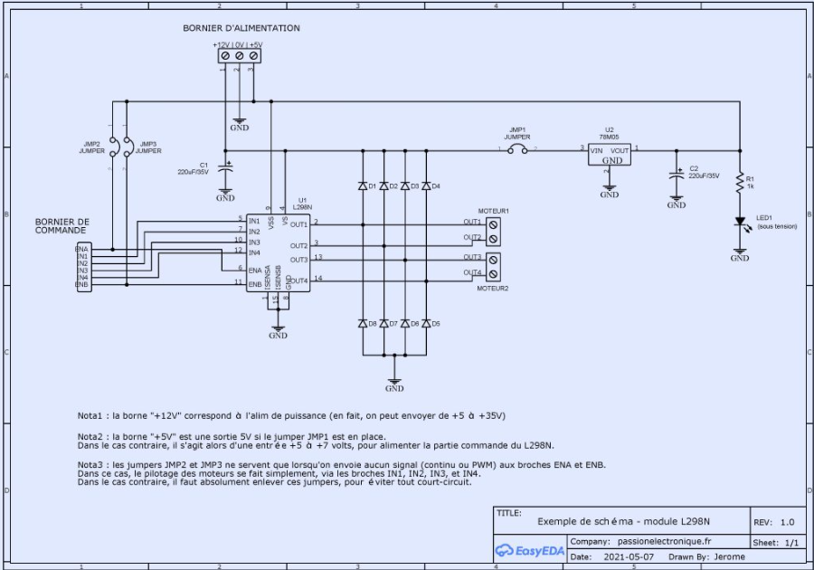
L298N
ENA | IN1 | IN2 | Output |  | Typ | Max
L | X | X | Free wheel output | Fpwm | 25 kHz | 40 kHz
H | L | L | output locked
 | L | H | Drive |  | Max
 | H | L | Rear | Imax L298 | 2 A
 | H | H | output locked | I magnet | 0.25 A

RAMP CONT 1,4
