Nueng
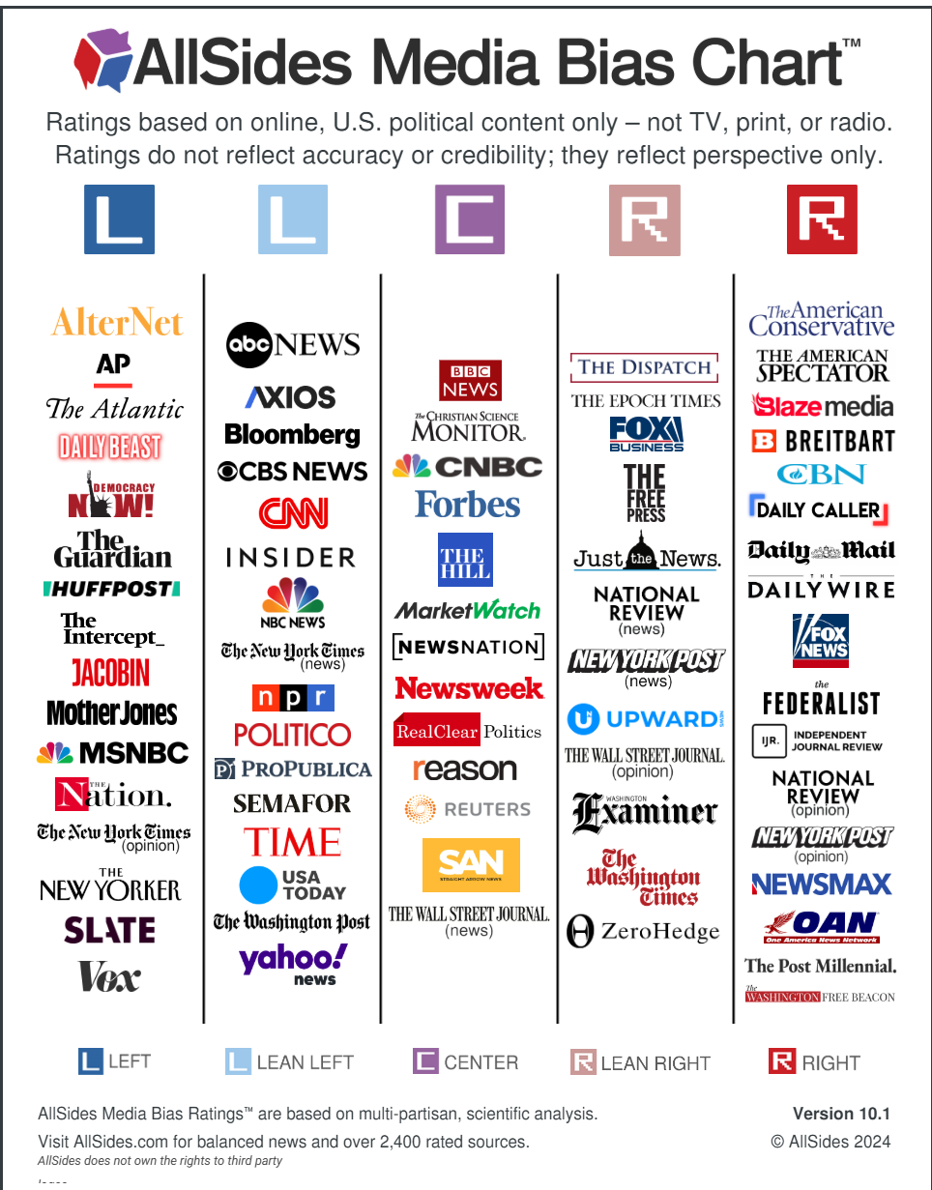
Source | URL | General Bias Consensus | Source Leaning | Model | Model Predicted Label | Benchmark Label | All Sides Rating | Topic
RealClearPolitics | https://www.realclearpolitics.com/2024/03/26/harris_always_a_half-step_further_than_biden_on_israel_620490.html | Center | 1.5 | Logistic Regression | 0 | 1 | -1.5 | Candidates
RealClearPolitics | https://www.realclearpolitics.com/2024/03/26/harris_always_a_half-step_further_than_biden_on_israel_620490.html | Center | 1.5 | SGDC Classifier | 2 | 1 | -1.5 | Candidates
RealClearPolitics | https://www.realclearpolitics.com/video/2024/07/30/realclearpolitics_new_polls_show_trump-harris_race_much_closer_than_trump-biden.html | Center | 1.5 | Logistic Regression | 2 | 1 | -1.5 | Candidates
RealClearPolitics | https://www.realclearpolitics.com/video/2024/07/30/realclearpolitics_new_polls_show_trump-harris_race_much_closer_than_trump-biden.html | Center | 1.5 | SGDC Classifier | 2 | 1 | -1.5 | Candidates
RealClearPolitics | https://www.realclearpolitics.com/articles/2024/09/12/did_harris_really_get_the_debate_she_needed_151608.html | Center | 1.5 | Logistic Regression | 0 | 1 | 0.5 | Candidates
RealClearPolitics | https://www.realclearpolitics.com/articles/2024/09/12/did_harris_really_get_the_debate_she_needed_151608.html | Center | 1.5 | SGDC Classifier | 2 | 1 | 0.5 | Candidates
RealClearPolitics | https://www.realclearpolitics.com/articles/2024/09/12/who_holds_the_future_of_america_--_harris_or_trump_151603.html | Center | 1.5 | Logistic Regression | 2 | 2 | 3.5 | Candidates
RealClearPolitics | https://www.realclearpolitics.com/articles/2024/09/12/who_holds_the_future_of_america_--_harris_or_trump_151603.html | Center | 1.5 | SGDC Classifier | 2 | 2 | 3.5 | Candidates
RealClearPolitics | https://www.realclearpolitics.com/articles/2024/10/02/weird_no_more_tim_walz_jd_vance_humanize_one_another__151721.html | Center | 1.5 | Logistic Regression | 0 | 1 | 1.5 | Candidates
RealClearPolitics | https://www.realclearpolitics.com/articles/2024/10/02/weird_no_more_tim_walz_jd_vance_humanize_one_another__151721.html | Center | 1.5 | SGDC Classifier | 2 | 1 | 1.5 | Candidates
RealClearPolitics | https://www.realclearpolitics.com/video/2024/04/30/ukrainian-american_rep_victoria_spartz_dont_give_cash_directly_to_ukraine_government_i_dont_trust_them_even_a_little_bit.html | Center | 1.5 | Logistic Regression | 0 | 1 | 1.5 | Economy & Foreign Policy
RealClearPolitics | https://www.realclearpolitics.com/video/2024/04/30/ukrainian-american_rep_victoria_spartz_dont_give_cash_directly_to_ukraine_government_i_dont_trust_them_even_a_little_bit.html | Center | 1.5 | SGDC Classifier | 2 | 1 | 1.5 | Economy & Foreign Policy
RealClearPolitics | https://www.realclearpolitics.com/video/2024/06/21/scott_bessent_modern_monetary_theory_is_neither_modern_nor_monetary_nor_theory.html | Center | 1.5 | Logistic Regression | 2 | 1 | 1.5 | Economy & Foreign Policy
RealClearPolitics | https://www.realclearpolitics.com/video/2024/06/21/scott_bessent_modern_monetary_theory_is_neither_modern_nor_monetary_nor_theory.html | Center | 1.5 | SGDC Classifier | 2 | 1 | 1.5 | Economy & Foreign Policy
RealClearPolitics | https://www.realclearpolitics.com/articles/2024/09/24/un-american_gop_bristles_zelenskys_criticism_trump_vance_151672.html | Center | 1.5 | Logistic Regression | 2 | 1 | 1.5 | Economy & Foreign Policy
RealClearPolitics | https://www.realclearpolitics.com/articles/2024/09/24/un-american_gop_bristles_zelenskys_criticism_trump_vance_151672.html | Center | 1.5 | SGDC Classifier | 2 | 1 | 1.5 | Economy & Foreign Policy
RealClearPolitics | https://www.realclearpolitics.com/articles/2024/11/03/failed_concepts_hobble_israel_and_america_151888.html | Center | 1.5 | Logistic Regression | 0 | 2 | 3 | Economy & Foreign Policy
RealClearPolitics | https://www.realclearpolitics.com/articles/2024/11/03/failed_concepts_hobble_israel_and_america_151888.html | Center | 1.5 | SGDC Classifier | 2 | 2 | 3 | Economy & Foreign Policy
RealClearPolitics | https://www.realclearpolitics.com/video/2024/09/18/students_for_life_demonstrate_late-term_abortions_are_available.html | Center | 1.5 | Logistic Regression | 2 | 1 | 1.5 | Society & Culture
RealClearPolitics | https://www.realclearpolitics.com/video/2024/09/18/students_for_life_demonstrate_late-term_abortions_are_available.html | Center | 1.5 | SGDC Classifier | 2 | 1 | 1.5 | Society & Culture
RealClearPolitics | https://www.realclearpolitics.com/articles/2024/11/19/heres_why_asian_americans_shifted_right_151965.html | Center | 1.5 | Logistic Regression | 0 | 2 | 2 | Society & Culture
RealClearPolitics | https://www.realclearpolitics.com/articles/2024/11/19/heres_why_asian_americans_shifted_right_151965.html | Center | 1.5 | SGDC Classifier | 2 | 2 | 2 | Society & Culture
RealClearPolitics | https://www.realclearpolitics.com/articles/2024/10/09/free_speech_in_the_crosshairs_151755.html | Center | 1.5 | Logistic Regression | 2 | 2 | 3.5 | Society & Culture
RealClearPolitics | https://www.realclearpolitics.com/articles/2024/10/09/free_speech_in_the_crosshairs_151755.html | Center | 1.5 | SGDC Classifier | 2 | 2 | 3.5 | Society & Culture
RealClearPolitics | https://www.realclearpolitics.com/articles/2024/10/18/are_minorities_voting_increasingly_like_normies_151801.html | Center | 1.5 | Logistic Regression | 0 | 1 | 0.5 | Society & Culture
RealClearPolitics | https://www.realclearpolitics.com/articles/2024/10/18/are_minorities_voting_increasingly_like_normies_151801.html | Center | 1.5 | SGDC Classifier | 2 | 1 | 0.5 | Society & Culture
Christian Science Monitor | https://www.csmonitor.com/USA/Justice/2024/0125/Donald-Trump-the-Supreme-Court-and-the-14th-Amendment | Center | 1 | Logistic Regression | 1 | 1 | -0.5 | Candidates
Christian Science Monitor | https://www.csmonitor.com/USA/Justice/2024/0125/Donald-Trump-the-Supreme-Court-and-the-14th-Amendment | Center | 1 | SGDC Classifier | 1 | 1 | -0.5 | Candidates
Christian Science Monitor | https://www.csmonitor.com/USA/Politics/2024/0807/tim-walz-vp-george-floyd-riots | Center | 1 | Logistic Regression | 1 | 1 | 0.5 | Candidates
Christian Science Monitor | https://www.csmonitor.com/USA/Politics/2024/0807/tim-walz-vp-george-floyd-riots | Center | 1 | SGDC Classifier | 1 | 1 | 0.5 | Candidates
Christian Science Monitor | https://www.csmonitor.com/USA/Politics/2024/1002/vp-debate-vance-walz | Center | 1 | Logistic Regression | 0 | 1 | 0.5 | Candidates
Christian Science Monitor | https://www.csmonitor.com/USA/Politics/2024/1002/vp-debate-vance-walz | Center | 1 | SGDC Classifier | 1 | 1 | 0.5 | Candidates
Christian Science Monitor | https://www.csmonitor.com/USA/Politics/2024/1001/dock-strike-workers-inflation-election | Center | 1 | Logistic Regression | 2 | 1 | 0.5 | Economy & Foreign Policy
Christian Science Monitor | https://www.csmonitor.com/USA/Politics/2024/1001/dock-strike-workers-inflation-election | Center | 1 | SGDC Classifier | 1 | 1 | 0.5 | Economy & Foreign Policy
Christian Science Monitor | https://www.csmonitor.com/USA/Military/2024/1018/harris-trump-military-russia-china-iran | Center | 1 | Logistic Regression | 1 | 1 | 0.5 | Economy & Foreign Policy
Christian Science Monitor | https://www.csmonitor.com/USA/Military/2024/1018/harris-trump-military-russia-china-iran | Center | 1 | SGDC Classifier | 1 | 1 | -0.5 | Economy & Foreign Policy
Christian Science Monitor | https://www.csmonitor.com/World/Middle-East/2024/1125/israel-trump-settlers-west-bank-annexation | Center | 1 | Logistic Regression | 1 | 1 | -0.5 | Economy & Foreign Policy
Christian Science Monitor | https://www.csmonitor.com/World/Middle-East/2024/1125/israel-trump-settlers-west-bank-annexation | Center | 1 | SGDC Classifier | 1 | 1 | 0.5 | Economy & Foreign Policy
Christian Science Monitor | https://www.csmonitor.com/USA/Politics/2024/1016/harris-trump-abortion-ivf-medication-voters | Center | 1 | Logistic Regression | 1 | 1 | -1.5 | Society & Culture
Christian Science Monitor | https://www.csmonitor.com/USA/Politics/2024/1016/harris-trump-abortion-ivf-medication-voters | Center | 1 | SGDC Classifier | 1 | 1 | -1.5 | Society & Culture
Christian Science Monitor | https://www.csmonitor.com/World/Americas/2024/1101/election-border-migrants-Mexico-Trump-Harris | Center | 1 | Logistic Regression | 1 | 1 | -1.5 | Society & Culture
Christian Science Monitor | https://www.csmonitor.com/World/Americas/2024/1101/election-border-migrants-Mexico-Trump-Harris | Center | 1 | SGDC Classifier | 1 | 1 | -1.5 | Society & Culture
Christian Science Monitor | https://www.csmonitor.com/USA/Politics/2024/1106/latino-voters-donald-trump | Center | 1 | Logistic Regression | 1 | 1 | 0.5 | Society & Culture
Christian Science Monitor | https://www.csmonitor.com/USA/Politics/2024/1106/latino-voters-donald-trump | Center | 1 | SGDC Classifier | 1 | 1 | 0.5 | Society & Culture
NYT | https://www.nytimes.com/2024/03/28/climate/endangered-species-rules-regulations.html | Left | 0.5 | Logistic Regression | 0 | 0 | -2 | Candidates
NYT | https://www.nytimes.com/2024/03/28/climate/endangered-species-rules-regulations.html | Left | 0.5 | SGDC Classifier | 0 | 0 | -2 | Candidates
NYT | https://www.nytimes.com/2024/06/28/opinion/biden-election-debate-trump.html | Left | 0.5 | Logistic Regression | 0 | 0 | -7 | Candidates
NYT | https://www.nytimes.com/2024/06/28/opinion/biden-election-debate-trump.html | Left | 0.5 | SGDC Classifier | 0 | 0 | -7 | Candidates
NYT | https://www.nytimes.com/2024/07/24/us/politics/kamala-harris-democrats-nomination.html | Left | 0.5 | Logistic Regression | 0 | 0 | -2 | Candidates
NYT | https://www.nytimes.com/2024/07/24/us/politics/kamala-harris-democrats-nomination.html | Left | 0.5 | SGDC Classifier | 0 | 0 | -2 | Candidates
NYT | https://www.nytimes.com/2024/09/11/us/politics/undecided-voters-react-debate.html | Left | 0.5 | Logistic Regression | 1 | 1 | -1.5 | Candidates
NYT | https://www.nytimes.com/2024/09/11/us/politics/undecided-voters-react-debate.html | Left | 0.5 | SGDC Classifier | 0 | 1 | -1.5 | Candidates
NYT | https://www.nytimes.com/2024/10/03/opinion/masha-gessen-vp-debate.html | Left | 0.5 | Logistic Regression | 0 | 0 | -7 | Candidates
NYT | https://www.nytimes.com/2024/10/03/opinion/masha-gessen-vp-debate.html | Left | 0.5 | SGDC Classifier | 0 | 0 | -7 | Candidates
NYT | https://www.nytimes.com/2024/09/30/podcasts/the-daily/harris-trumps-foreign-policy.html | Left | 0.5 | Logistic Regression | 0 | 1 | -1.5 | Economy & Foreign Policy
NYT | https://www.nytimes.com/2024/09/30/podcasts/the-daily/harris-trumps-foreign-policy.html | Left | 0.5 | SGDC Classifier | 0 | 1 | -1.5 | Economy & Foreign Policy
NYT | https://www.nytimes.com/2024/10/30/business/economy/economy-gdp-report.html | Left | 0.5 | Logistic Regression | 1 | 1 | 0 | Economy & Foreign Policy
NYT | https://www.nytimes.com/2024/10/30/business/economy/economy-gdp-report.html | Left | 0.5 | SGDC Classifier | 1 | 1 | 0 | Economy & Foreign Policy
NYT | https://www.nytimes.com/2024/11/03/world/europe/trump-harris-ukraine-election.html | Left | 0.5 | Logistic Regression | 0 | 0 | -2 | Economy & Foreign Policy
NYT | https://www.nytimes.com/2024/11/03/world/europe/trump-harris-ukraine-election.html | Left | 0.5 | SGDC Classifier | 0 | 0 | -2 | Economy & Foreign Policy
NYT | https://www.nytimes.com/2024/11/25/business/economy/trump-tariffs-canada-mexico-china.html | Left | 0.5 | Logistic Regression | 1 | 1 | 1.5 | Economy & Foreign Policy
NYT | https://www.nytimes.com/2024/11/25/business/economy/trump-tariffs-canada-mexico-china.html | Left | 0.5 | SGDC Classifier | 1 | 1 | 1.5 | Economy & Foreign Policy
NYT | https://www.nytimes.com/2024/05/08/us/politics/abortion-bans-latina-democrats.html | Left | 0.5 | Logistic Regression | 0 | 1 | -1.5 | Society & Culture
NYT | https://www.nytimes.com/2024/05/08/us/politics/abortion-bans-latina-democrats.html | Left | 0.5 | SGDC Classifier | 1 | 1 | -1.5 | Society & Culture
NYT | https://www.nytimes.com/2024/10/08/us/politics/trump-republican-transgender-ads.html | Left | 0.5 | Logistic Regression | 0 | 2 | 2 | Society & Culture
NYT | https://www.nytimes.com/2024/10/08/us/politics/trump-republican-transgender-ads.html | Left | 0.5 | SGDC Classifier | 0 | 2 | 2 | Society & Culture
NYT | https://www.nytimes.com/2024/11/27/briefing/donald-trump-immigration-plans.html | Left | 0.5 | Logistic Regression | 0 | 0 | -2 | Society & Culture
NYT | https://www.nytimes.com/2024/11/27/briefing/donald-trump-immigration-plans.html | Left | 0.5 | SGDC Classifier | 0 | 0 | -2 | Society & Culture
NBC | https://www.nbcnews.com/politics/white-house/biden-undergo-annual-physical-exam-wednesday-rcna140880 | Left | 0.5 | Logistic Regression | 1 | 1 | -0.5 | Candidates
NBC | https://www.nbcnews.com/politics/white-house/biden-undergo-annual-physical-exam-wednesday-rcna140880 | Left | 0.5 | SGDC Classifier | 1 | 1 | -0.5 | Candidates
NBC | https://www.nbcnews.com/politics/2024-election/biden-debate-performance-democrats-panic-rcna157279 | Left | 0.5 | Logistic Regression | 0 | 0 | -3.5 | Candidates
NBC | https://www.nbcnews.com/politics/2024-election/biden-debate-performance-democrats-panic-rcna157279 | Left | 0.5 | SGDC Classifier | 0 | 0 | -3.5 | Candidates
NBC | https://www.nbcnews.com/politics/2024-election/kamala-harris-trump-2024-polls-biden-rcna162934 | Left | 0.5 | Logistic Regression | 0 | 1 | -1.5 | Candidates
NBC | https://www.nbcnews.com/politics/2024-election/kamala-harris-trump-2024-polls-biden-rcna162934 | Left | 0.5 | SGDC Classifier | 1 | 1 | -1.5 | Candidates
NBC | https://www.nbcnews.com/politics/2024-election/trump-says-wont-participate-presidential-debates-harris-rcna170905 | Left | 0.5 | Logistic Regression | 0 | 1 | -1.5 | Candidates
NBC | https://www.nbcnews.com/politics/2024-election/trump-says-wont-participate-presidential-debates-harris-rcna170905 | Left | 0.5 | SGDC Classifier | 0 | 1 | -1.5 | Candidates
NBC | https://www.nbcnews.com/politics/2024-election/night-midwest-nice-walz-vance-agree-disagree-largely-civil-debate-rcna172592 | Left | 0.5 | Logistic Regression | 1 | 1 | 0.5 | Candidates
NBC | https://www.nbcnews.com/politics/2024-election/night-midwest-nice-walz-vance-agree-disagree-largely-civil-debate-rcna172592 | Left | 0.5 | SGDC Classifier | 0 | 1 | 0.5 | Candidates
NBC | https://www.nbcnews.com/politics/2024-election/kamala-harris-business-economy-banking-labor-unions-rcna162577 | Left | 0.5 | Logistic Regression | 1 | 0 | -2 | Economy & Foreign Policy
NBC | https://www.nbcnews.com/politics/2024-election/kamala-harris-business-economy-banking-labor-unions-rcna162577 | Left | 0.5 | SGDC Classifier | 1 | 0 | -2 | Economy & Foreign Policy
NBC | https://www.nbcnews.com/politics/national-security/china-increased-military-flights-taiwan-300-us-general-says-rcna179184 | Left | 0.5 | Logistic Regression | 0 | 1 | 0 | Economy & Foreign Policy
NBC | https://www.nbcnews.com/politics/national-security/china-increased-military-flights-taiwan-300-us-general-says-rcna179184 | Left | 0.5 | SGDC Classifier | 0 | 1 | 0 | Economy & Foreign Policy
NBC | https://www.nbcnews.com/news/world/gaza-aid-entering-israel-us-deadline-rcna176737 | Left | 0.5 | Logistic Regression | 2 | 0 | -2.5 | Economy & Foreign Policy
NBC | https://www.nbcnews.com/news/world/gaza-aid-entering-israel-us-deadline-rcna176737 | Left | 0.5 | SGDC Classifier | 1 | 0 | -2.5 | Economy & Foreign Policy
NBC | https://www.nbcnews.com/politics/2024-election/donald-trump-won-according-nbc-news-exit-poll-rcna178603 | Left | 0.5 | Logistic Regression | 1 | 1 | 0.5 | Society & Culture
NBC | https://www.nbcnews.com/politics/2024-election/donald-trump-won-according-nbc-news-exit-poll-rcna178603 | Left | 0.5 | SGDC Classifier | 0 | 1 | 0.5 | Society & Culture
NBC | https://www.nbcnews.com/news/asian-america/asian-americans-exit-poll-harris-trump-rcna179005 | Left | 0.5 | Logistic Regression | 0 | 1 | -1.5 | Society & Culture
NBC | https://www.nbcnews.com/news/asian-america/asian-americans-exit-poll-harris-trump-rcna179005 | Left | 0.5 | SGDC Classifier | 0 | 1 | -1.5 | Society & Culture
NBC | https://www.nbcnews.com/nbc-out/out-politics-and-policy/transgender-people-prepare-donald-trump-second-term-rcna180906 | Left | 0.5 | Logistic Regression | 1 | 0 | -2.5 | Society & Culture
NBC | https://www.nbcnews.com/nbc-out/out-politics-and-policy/transgender-people-prepare-donald-trump-second-term-rcna180906 | Left | 0.5 | SGDC Classifier | 1 | 0 | -2.5 | Society & Culture
Breitbart | https://www.breitbart.com/news/one-attack-two-interpretations-biden-and-trump-both-make-the-jan-6-riot-a-political-rallying-cry/ | Right | 2 | Logistic Regression | 2 | 1 | -1 | Candidates
Breitbart | https://www.breitbart.com/news/one-attack-two-interpretations-biden-and-trump-both-make-the-jan-6-riot-a-political-rallying-cry/ | Right | 2 | SGDC Classifier | 2 | 1 | -1 | Candidates
Breitbart | https://www.breitbart.com/politics/2024/06/29/tuberville-on-biden-debate-disaster-the-american-people-need-to-understand-the-deep-state-is-running-this-country/ | Right | 2 | Logistic Regression | 2 | 2 | 3.5 | Candidates
Breitbart | https://www.breitbart.com/politics/2024/06/29/tuberville-on-biden-debate-disaster-the-american-people-need-to-understand-the-deep-state-is-running-this-country/ | Right | 2 | SGDC Classifier | 2 | 2 | 3.5 | Candidates
Breitbart | https://www.breitbart.com/politics/2024/09/10/21-kamala-harris-false-claims-hoaxes-that-debate-moderators-did-not-fact-check/ | Right | 2 | Logistic Regression | 2 | 2 | 4 | Candidates
Breitbart | https://www.breitbart.com/politics/2024/09/10/21-kamala-harris-false-claims-hoaxes-that-debate-moderators-did-not-fact-check/ | Right | 2 | SGDC Classifier | 2 | 2 | 4 | Candidates
...

