Figure S1
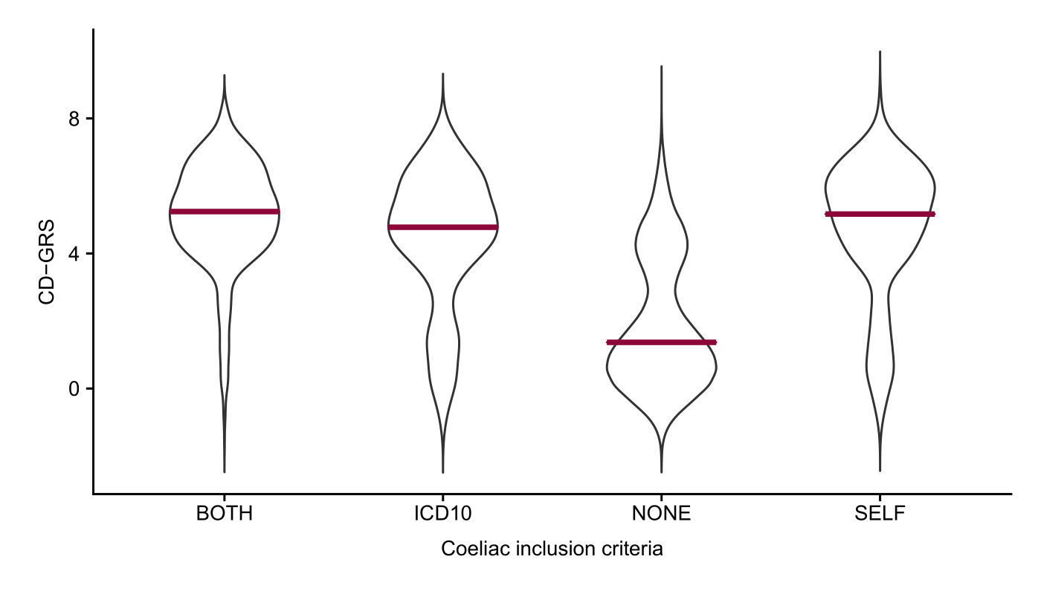
Figure S1
Distributions of coeliac disease GRS (CD-GRS) by UK Biobank coeliac disease definition (either self-reported, ICD10 hospital code or both)

Figure S3
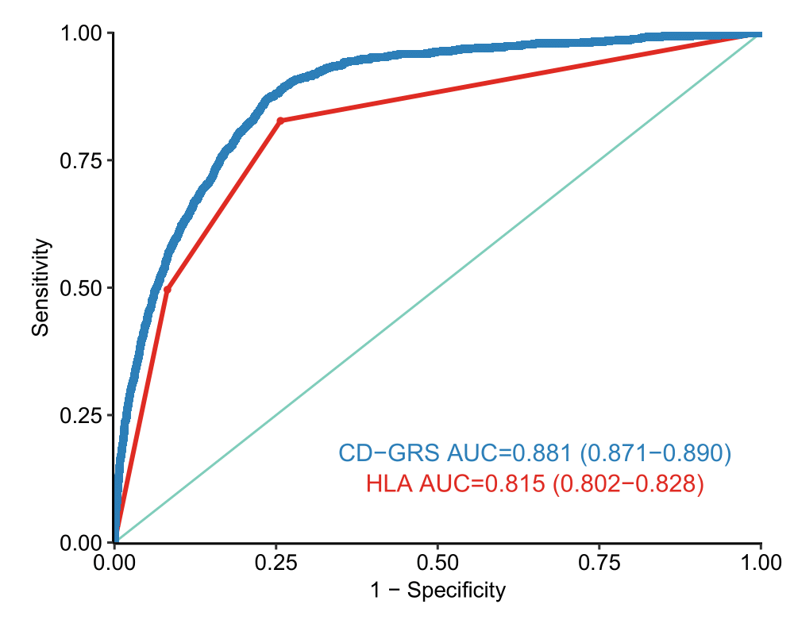
Figure S3
ROC curve comparing stratification into 3 HLA risk categories vs coeliac disease GRS in UK Biobank.

