Demo Bid - DDD
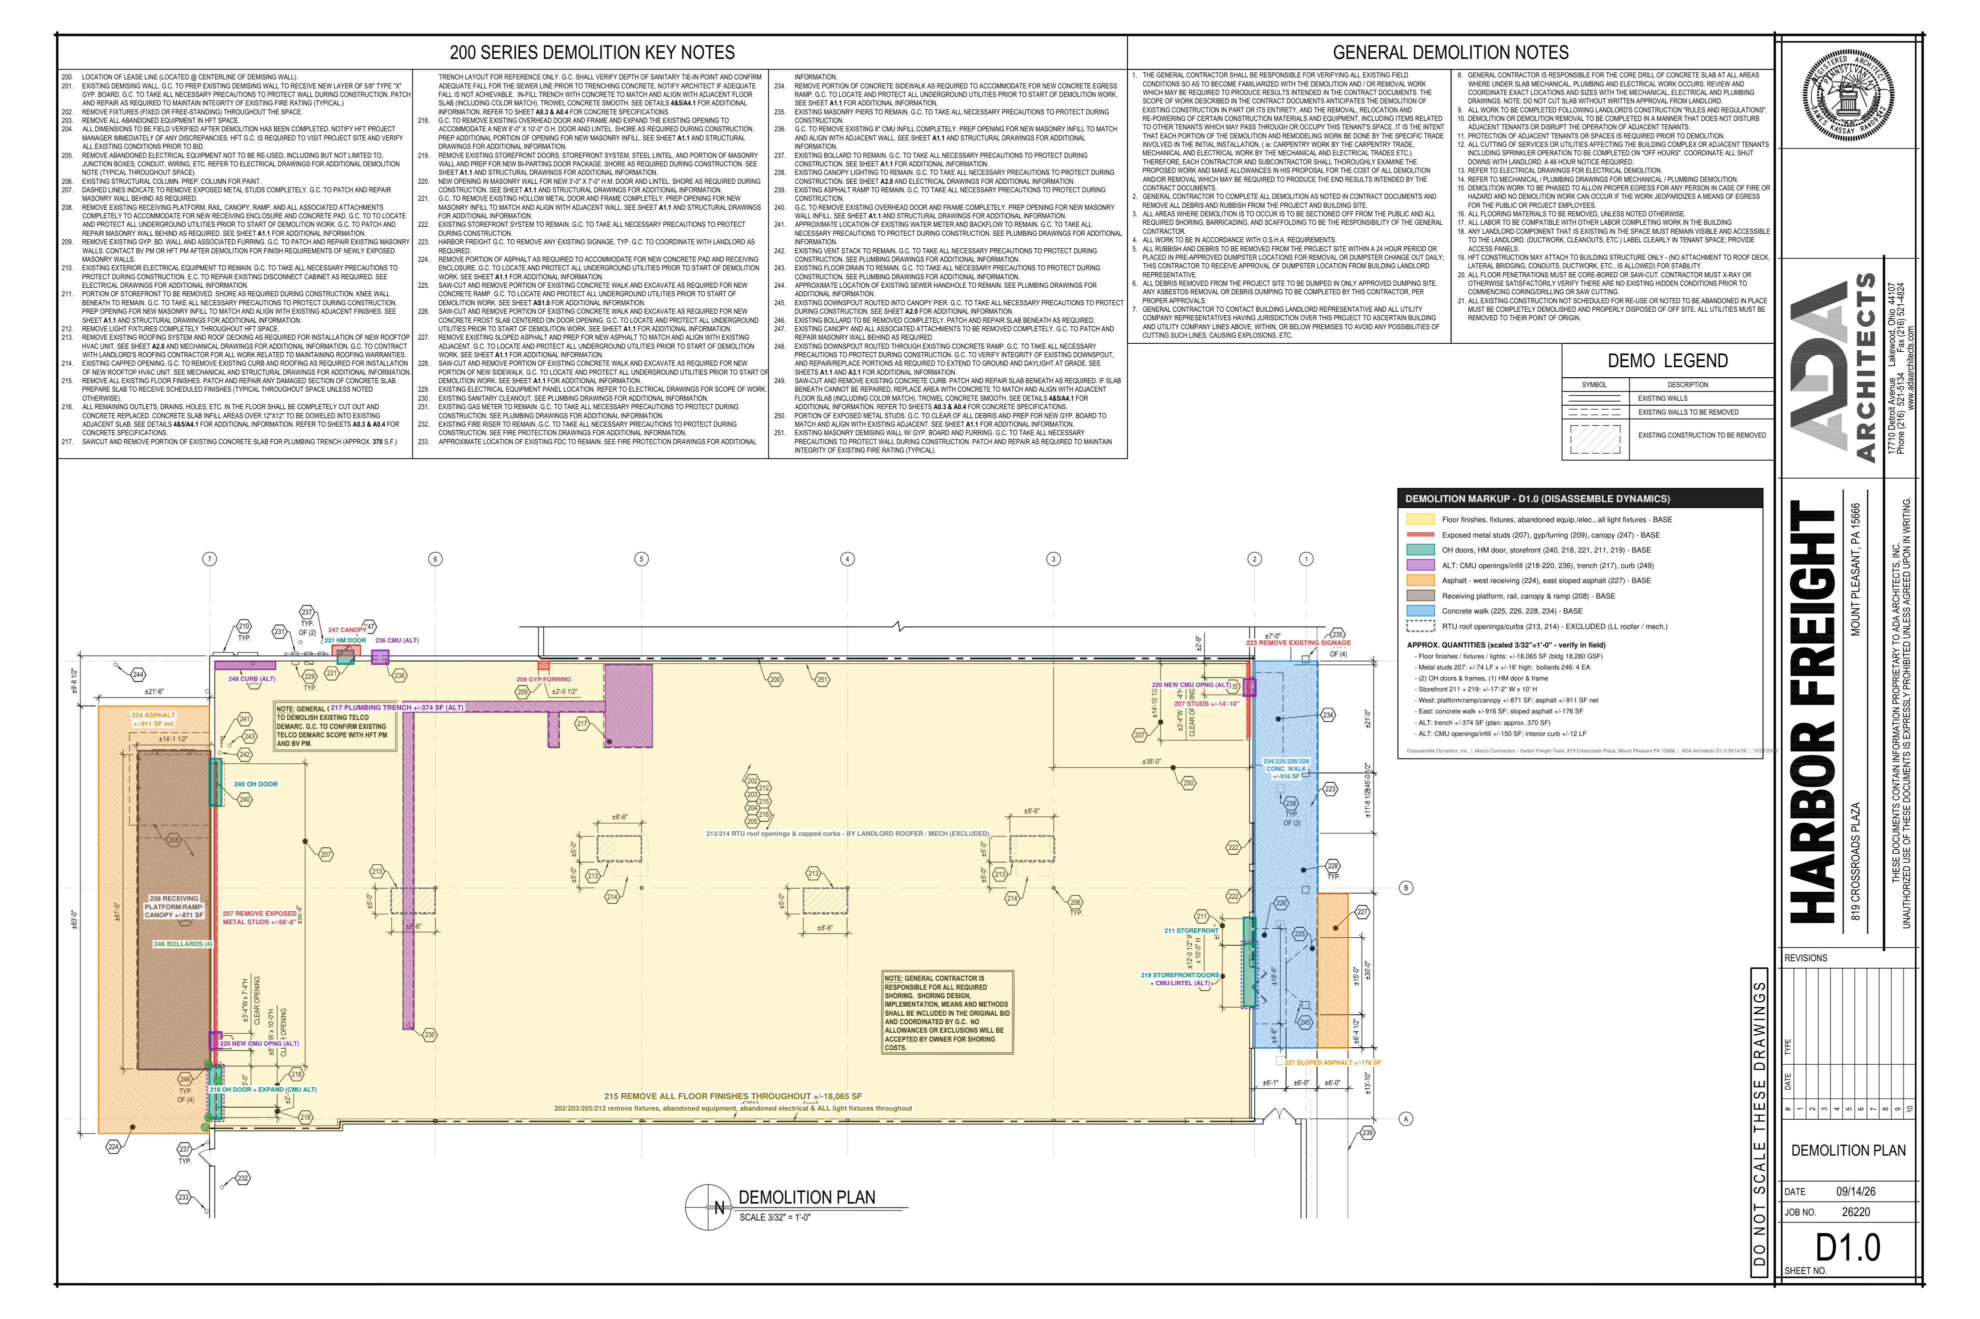
DISASSEMBLE DYNAMICS, INC. - DEMOLITION BID BREAKOUT
Harbor Freight Tools - 819 Crossroads Plaza, Mount Pleasant PA 15666 | GC: Marco Contractors (job key hft8841) | ADA Architects D1.0 dated 09/14/26
Quantities scaled from D1.0 (3/32" = 1'-0") and plan dimensions - see markup tabs. Verify in field. |  |  |  |  |  |  |  |  |  |  |  | DEMOLITION MARKUPS - D1.0 FULL SHEET, ENLARGED WEST, ENLARGED EAST

# | Description | Ref | Qty | Unit | MH / Unit | MH | Labor $ | Equip / Rental $ | Disposal $ | Other $ | Direct $
BASE BID - INTERIOR DEMOLITION
D1 | Remove all existing floor finishes throughout (DDD-owned scraper) | Note 215; Gen. Note 16 | 18,060 | SF | 0.010 | 180.6 | $4,515 | - | - | - | $4,515
D2 | Remove fixtures (fixed or free-standing) and abandoned equipment throughout | Notes 202, 203 | 18,060 | SF | 0.003 | 54.2 | $1,355 | - | - | - | $1,355
D3 | Remove light fixtures completely throughout HFT space (high-bay / strip at +/-16'-18') | Note 212 | 150 | EA | 0.500 | 75.0 | $1,875 | - | - | - | $1,875
D4 | Remove abandoned electrical (j-boxes, conduit, wire) and unused wires/hangers back to nearest J-box | Note 205; A2.0 | 18,060 | SF | 0.004 | 72.2 | $1,806 | - | - | - | $1,806
D5 | Remove exposed metal studs completely (+/-58'-8" west wall, +/-14'-10" east), +/-16' high | Note 207 | 74 | LF | 0.250 | 18.5 | $463 | - | - | - | $463
D6 | Remove existing gyp. bd. wall and associated furring (+/-2' section, north wall) | Note 209 | 1 | EA | 3.000 | 3.0 | $75 | - | - | - | $75
D7 | Remove existing overhead doors & frames (west wall) | Notes 218, 240 | 2 | EA | 6.000 | 12.0 | $300 | - | - | - | $300
D8 | Remove existing hollow metal door & frame (north wall) | Note 221 | 1 | EA | 2.000 | 2.0 | $50 | - | - | - | $50
D9 | Remove storefront doors & system at new bi-parting entry (+/-12'-0") and storefront portion (+/-5'-2"), knee wall to remain | Notes 211, 219 | 17 | LF | 1.000 | 17.0 | $425 | - | - | - | $425
D10 | Remove existing canopy and attachments at north door | Note 247 | 1 | EA | 4.000 | 4.0 | $100 | - | - | - | $100
D11 | Remove existing exterior signage (coordinate with landlord) | Note 223 | 1 | LS | 8.000 | 8.0 | $200 | - | - | - | $200
D12 | Load-out, protection of items to remain (telco demarc, fire riser, gas meter, elec. equipment), broom clean | Gen. Notes 2, 11 | 1 | LS | 40.000 | 40.0 | $1,000 | - | - | - | $1,000
D13 | 26' scissor lift for lights / studs / signage | - | 8 | DAY | 0.000 | - | - | $1,650 | - | - | $1,650
D14 | Consumables - blades, debris carts, bags, poly, PPE | - | 1 | LS | 0.000 | - | - | - | - | $1,200 | $1,200
D15 | C&D disposal - 30 yd dumpsters | Gen. Note 5 | 6 | PULL | 0.000 | - | - | - | $3,900 | - | $3,900
 | INTERIOR BASE BID - man-hours / crew-days |  |  |  |  | 486.5 | 11
 | Direct cost |  |  |  |  |  |  |  |  |  | $18,913
 | Lodging & per diem (crew-days x nights factor x lodging + crew x per diem x crew-days) |  |  |  |  |  |  |  |  |  | $6,721
 | Contingency |  |  |  |  |  |  |  |  |  | $946
 | Profit ($/crew-day x crew-days) |  |  |  |  |  |  |  |  |  | $11,000
 | INTERIOR BASE BID TOTAL |  |  |  |  |  |  |  |  |  | $37,580

BASE BID - EXTERIOR / SITE DEMOLITION
S1 | Remove existing receiving platform, rail, canopy, ramp and all attachments (west) | Note 208 | 871 | SF | 0.060 | 52.3 | $1,307 | - | - | - | $1,307
S2 | Remove asphalt for new concrete pad and receiving enclosure (west, net of platform) | Note 224 | 911 | SF | 0.010 | 9.1 | $228 | - | - | - | $228
S3 | Remove existing sloped asphalt (east) | Note 227 | 176 | SF | 0.012 | 2.1 | $53 | - | - | - | $53
S4 | Remove concrete walk for new egress ramp, accessible ramp, frost slab and sidewalk (east) | Notes 225, 226, 228, 234 | 916 | SF | 0.030 | 27.5 | $687 | - | - | - | $687
S5 | Remove existing bollards completely | Note 246 | 4 | EA | 2.000 | 8.0 | $200 | - | - | - | $200
S6 | Skid steer w/ breaker (4 days) + mini-excavator (3 days) incl. delivery | - | 1 | LS | 0.000 | - | - | $3,600 | - | - | $3,600
S7 | Concrete / asphalt disposal - 20 yd dumpsters (+/-45 tons) | - | 4 | PULL | 0.000 | - | - | - | $2,200 | - | $2,200
 | SITE BASE BID - man-hours / crew-days |  |  |  |  | 99.0 | 3
 | Direct cost |  |  |  |  |  |  |  |  |  | $8,274
 | Lodging & per diem (crew-days x nights factor x lodging + crew x per diem x crew-days) |  |  |  |  |  |  |  |  |  | $1,833
 | Contingency |  |  |  |  |  |  |  |  |  | $414
 | Profit ($/crew-day x crew-days) |  |  |  |  |  |  |  |  |  | $3,000
 | SITE BASE BID TOTAL |  |  |  |  |  |  |  |  |  | $13,521

ALTERNATE #1 - CMU OPENINGS & INFILL REMOVAL
A1.1 | Cut & remove CMU: expand OH door opening to 8'x10' (218), masonry at bi-parting entry (219), (2) new 3'-4"x7'-4" HM openings (220), remove 8" CMU infill (236) | Notes 218, 219, 220, 236 | 150 | SF | 0.500 | 75.0 | $1,875 | - | - | - | $1,875
A1.2 | Wall saw / chainsaw rental & blades | - | 3 | DAY | 0.000 | - | - | $1,350 | - | - | $1,350
A1.3 | CMU disposal - 20 yd dumpster | - | 1 | PULL | 0.000 | - | - | - | $550 | - | $550
 | ALT #1 - man-hours / crew-days |  |  |  |  | 75.0 | 2
 | Direct cost |  |  |  |  |  |  |  |  |  | $3,775
 | Lodging & per diem (crew-days x nights factor x lodging + crew x per diem x crew-days) |  |  |  |  |  |  |  |  |  | $1,222
 | Contingency |  |  |  |  |  |  |  |  |  | $189
 | Profit ($/crew-day x crew-days) |  |  |  |  |  |  |  |  |  | $2,000
 | ALT #1 TOTAL |  |  |  |  |  |  |  |  |  | $7,186
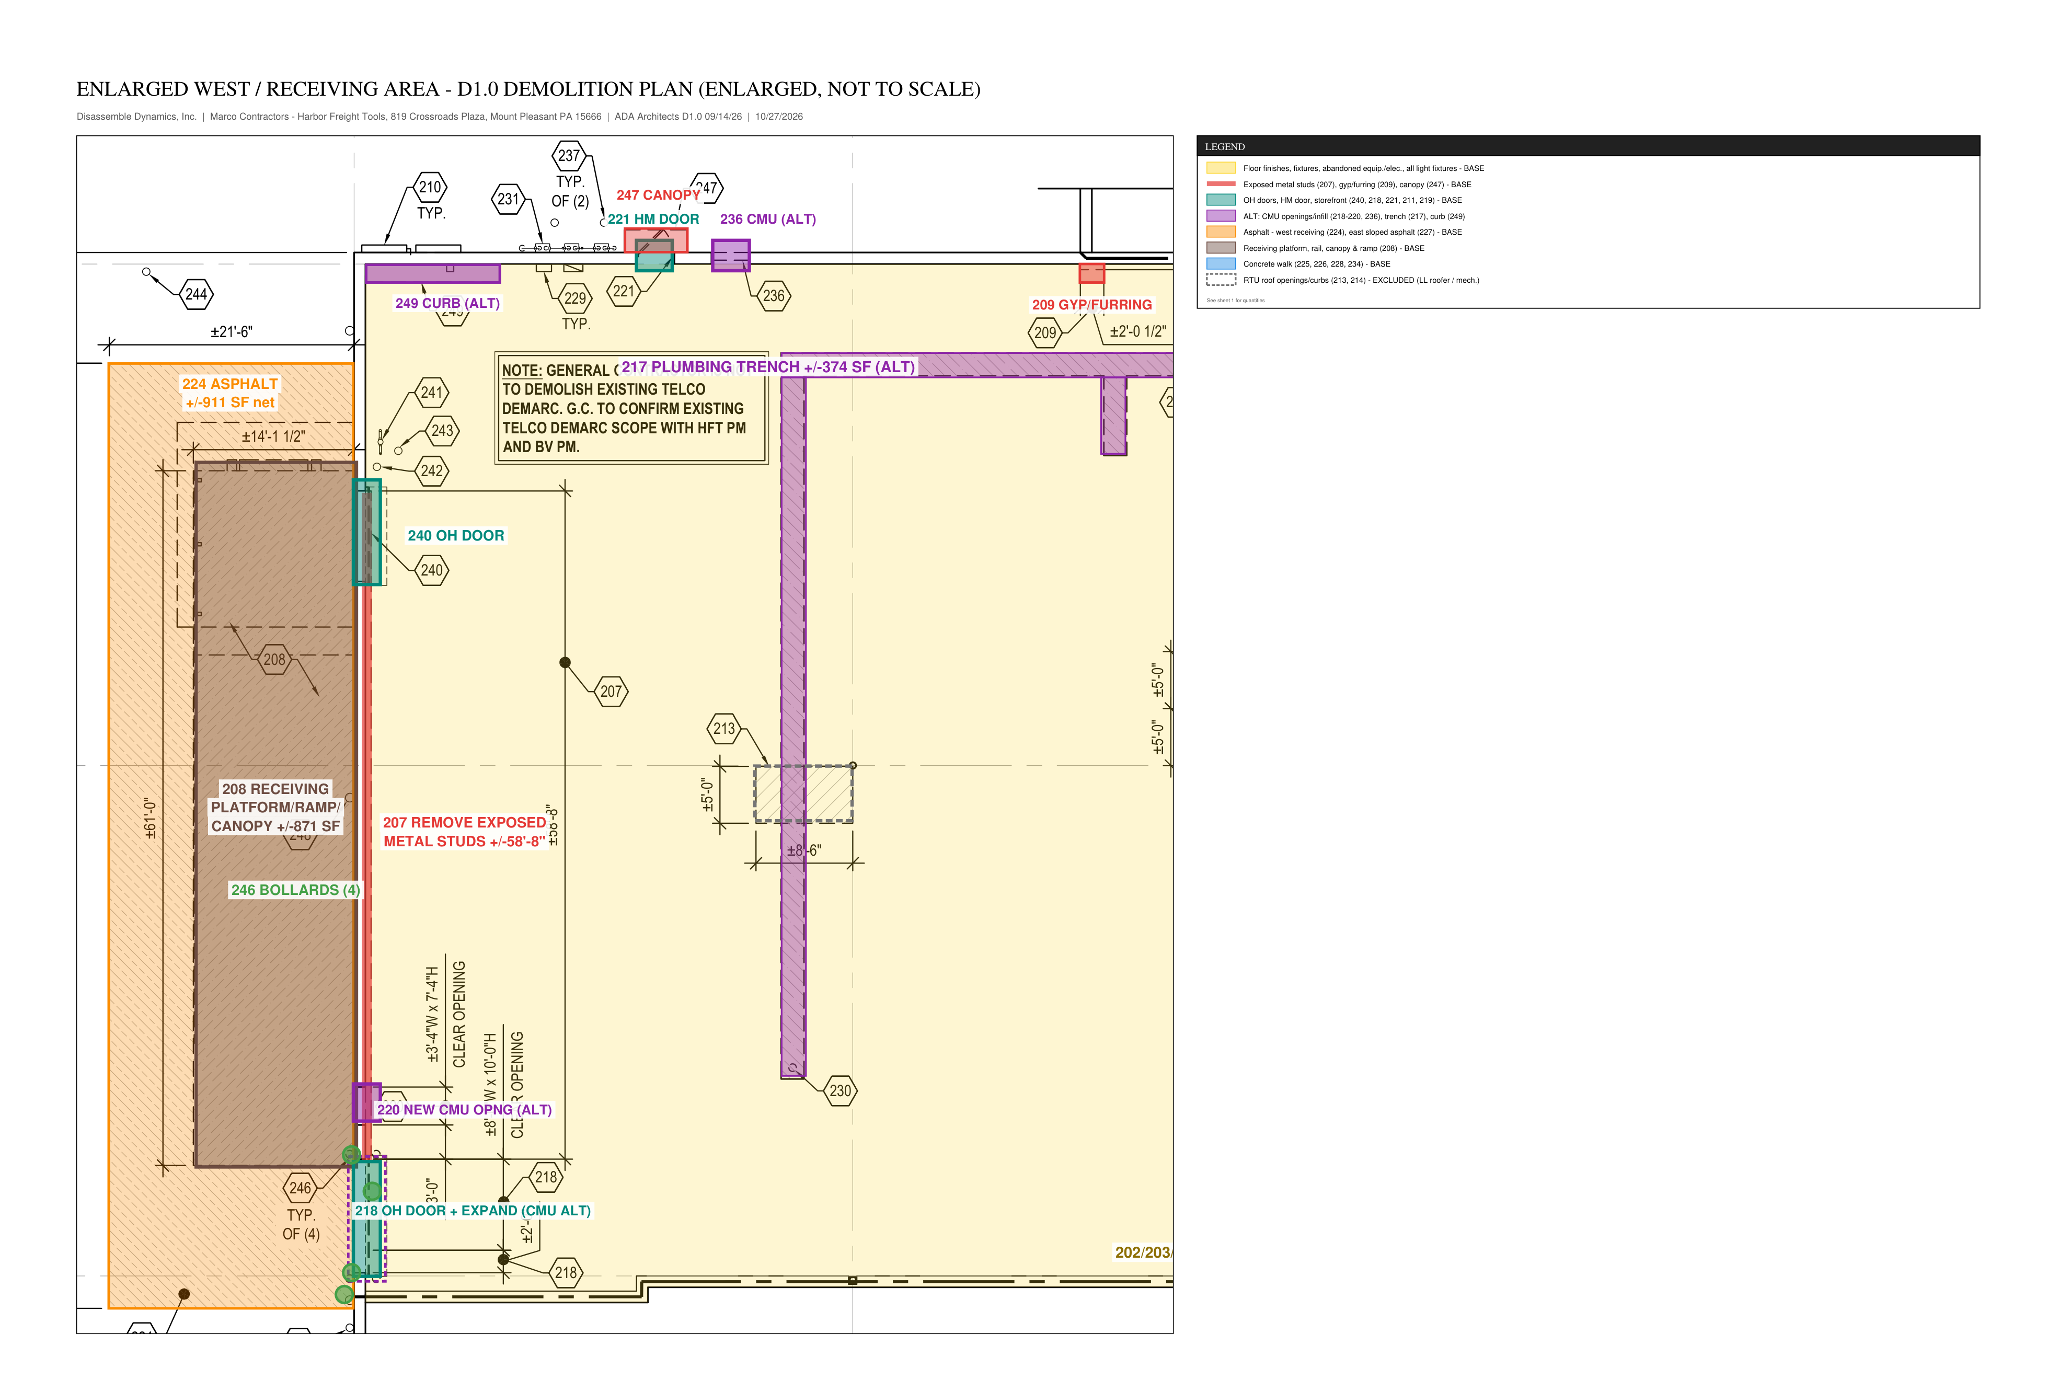
ALTERNATE #2 - PLUMBING TRENCH SAWCUT & SLAB REMOVAL
A2.1 | Sawcut slab for plumbing trench | Note 217 | 270 | LF | 0.050 | 13.5 | $338 | $900 | - | - | $1,238
A2.2 | Break & remove trench slab (approx. 370 SF per plan; +/-374 SF scaled) - excavation by plumber | Note 217 | 374 | SF | 0.050 | 18.7 | $468 | - | - | - | $468
A2.3 | Concrete disposal - 20 yd dumpster | - | 1 | PULL | 0.000 | - | - | - | $550 | - | $550
 | ALT #2 - man-hours / crew-days |  |  |  |  | 32.2 | 1
 | Direct cost |  |  |  |  |  |  |  |  |  | $2,255
 | Lodging & per diem (crew-days x nights factor x lodging + crew x per diem x crew-days) |  |  |  |  |  |  |  |  |  | $611
 | Contingency |  |  |  |  |  |  |  |  |  | $113
 | Profit ($/crew-day x crew-days) |  |  |  |  |  |  |  |  |  | $1,000
 | ALT #2 TOTAL |  |  |  |  |  |  |  |  |  | $3,979

ALTERNATE #3 - SAWCUTTING AT SITE REMOVAL LIMITS
A3.1 | Sawcut asphalt / concrete walk at removal limits | Notes 224-228, 234 | 280 | LF | 0.050 | 14.0 | $350 | $450 | - | - | $800
 | ALT #3 - man-hours / crew-days |  |  |  |  | 14.0 | 1
 | Direct cost |  |  |  |  |  |  |  |  |  | $800
 | Lodging & per diem (crew-days x nights factor x lodging + crew x per diem x crew-days) |  |  |  |  |  |  |  |  |  | $611
 | Contingency |  |  |  |  |  |  |  |  |  | $40
 | Profit ($/crew-day x crew-days) |  |  |  |  |  |  |  |  |  | $1,000
 | ALT #3 TOTAL |  |  |  |  |  |  |  |  |  | $2,451

ALTERNATE #4 - FLOOR CUT-OUTS & INTERIOR CURB
A4.1 | Cut out remaining floor outlets, drains, holes (allowance 10 EA) - concrete infill by others | Note 216 | 10 | EA | 1.500 | 15.0 | $375 | $250 | - | - | $625
A4.2 | Sawcut and remove interior concrete curb | Note 249 | 12 | LF | 0.500 | 6.0 | $150 | - | - | - | $150
 | ALT #4 - man-hours / crew-days |  |  |  |  | 21.0 | 1
 | Direct cost |  |  |  |  |  |  |  |  |  | $775
 | Lodging & per diem (crew-days x nights factor x lodging + crew x per diem x crew-days) |  |  |  |  |  |  |  |  |  | $611
 | Contingency |  |  |  |  |  |  |  |  |  | $39
 | Profit ($/crew-day x crew-days) |  |  |  |  |  |  |  |  |  | $1,000
 | ALT #4 TOTAL |  |  |  |  |  |  |  |  |  | $2,425

ALTERNATE #5 - MASTIC REMOVAL / GRINDING AFTER FLOORING REMOVAL
A5.1 | Grind / remove mastic after flooring removal (HFT vendor polishing by others) | Note 215 | 18,060 | SF | 0.015 | 270.9 | $6,773 | $3,200 | - | - | $9,973
 | ALT #5 - man-hours / crew-days |  |  |  |  | 270.9 | 6
 | Direct cost |  |  |  |  |  |  |  |  |  | $9,973
 | Lodging & per diem (crew-days x nights factor x lodging + crew x per diem x crew-days) |  |  |  |  |  |  |  |  |  | $3,666
 | Contingency |  |  |  |  |  |  |  |  |  | $499
 | Profit ($/crew-day x crew-days) |  |  |  |  |  |  |  |  |  | $6,000
 | ALT #5 TOTAL |  |  |  |  |  |  |  |  |  | $20,137

DEMOLITION BID SUMMARY
 | INTERIOR BASE BID |  |  |  |  |  | 11 |  |  |  | $37,580
 | SITE BASE BID |  |  |  |  |  | 3 |  |  |  | $13,521
 | ALT #1 |  |  |  |  |  | 2 |  |  |  | $7,186
 | ALT #2 |  |  |  |  |  | 1 |  |  |  | $3,979
 | ALT #3 |  |  |  |  |  | 1 |  |  |  | $2,451
 | ALT #4 |  |  |  |  |  | 1 |  |  |  | $2,425
 | ALT #5 |  |  |  |  |  | 6 |  |  |  | $20,137
 | Base bid (interior + site) |  |  |  |  |  |  |  |  |  | $51,100
 | Base bid + all alternates |  |  |  |  |  |  |  |  |  | $87,278
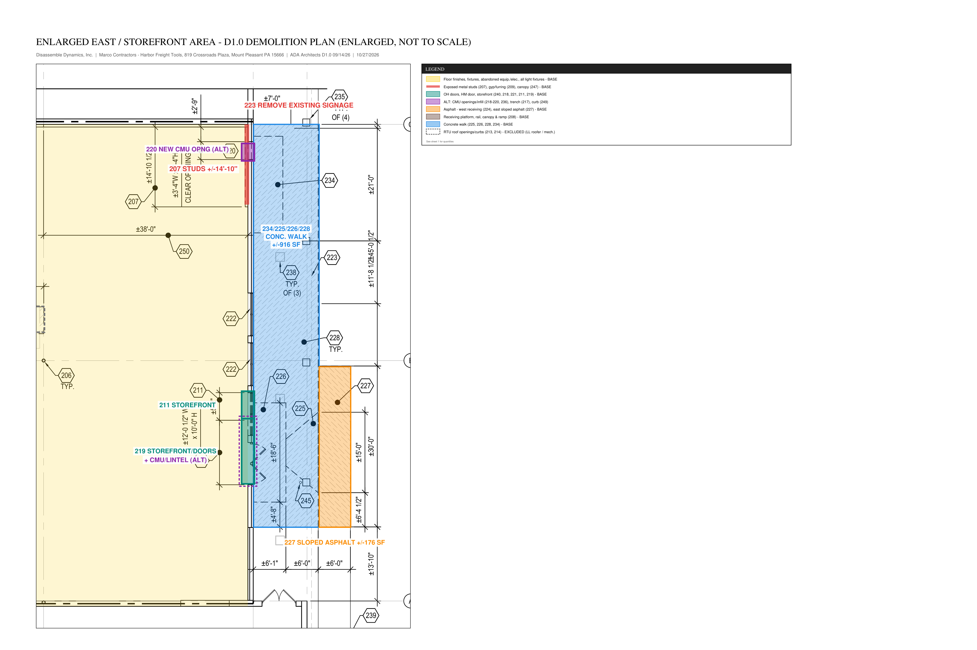
EXPENSE BREAKDOWN BY COST TYPE
 | Section | Labor MH | Labor $ | Equipment $ | Disposal $ | Other / Consumables $ | Lodging & Per Diem $ | Contingency $ | Profit $ | Total $
 | INTERIOR BASE BID | 486.5 | $12,163 | $1,650 | $3,900 | $1,200 | $6,721 | $946 | $11,000 | $37,580
 | SITE BASE BID | 99.0 | $2,474 | $3,600 | $2,200 | - | $1,833 | $414 | $3,000 | $13,521
 | ALT #1 | 75.0 | $1,875 | $1,350 | $550 | - | $1,222 | $189 | $2,000 | $7,186
 | ALT #2 | 32.2 | $805 | $900 | $550 | - | $611 | $113 | $1,000 | $3,979
 | ALT #3 | 14.0 | $350 | $450 | - | - | $611 | $40 | $1,000 | $2,451
 | ALT #4 | 21.0 | $525 | $250 | - | - | $611 | $39 | $1,000 | $2,425
 | ALT #5 | 270.9 | $6,773 | $3,200 | - | - | $3,666 | $499 | $6,000 | $20,137
 | Base bid (interior + site) | 585.5 | $14,637 | $5,250 | $6,100 | $1,200 | $8,554 | $1,359 | $14,000 | $51,100
 | Base bid + all alternates | 998.6 | $24,965 | $11,400 | $7,200 | $1,200 | $15,275 | $2,238 | $25,000 | $87,278
 | % of base bid |  | 28.6% | 10.3% | 11.9% | 2.3% | 16.7% | 2.7% | 27.4% | 100.0%

 | Unit check - base bid $ per building SF (18,280 GSF) |  |  |  |  |  |  |  |  |  | $2.80

