Demo Bid - DDD
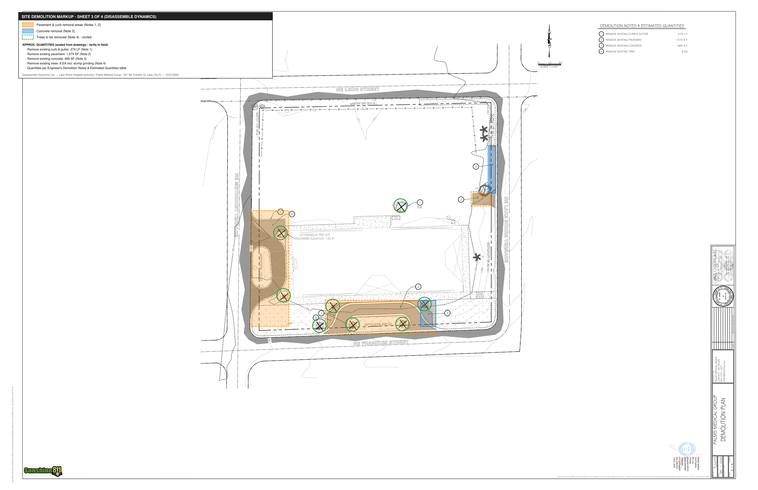
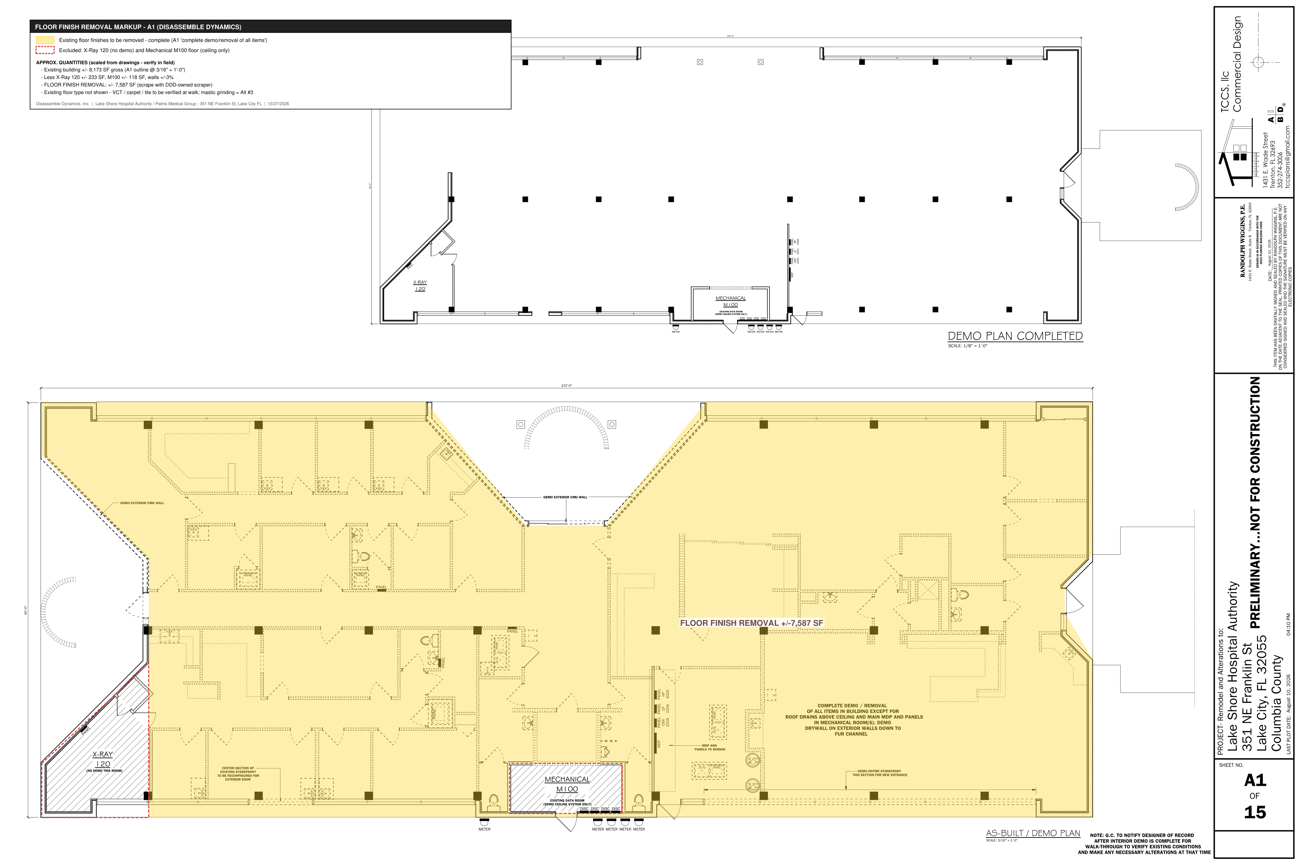
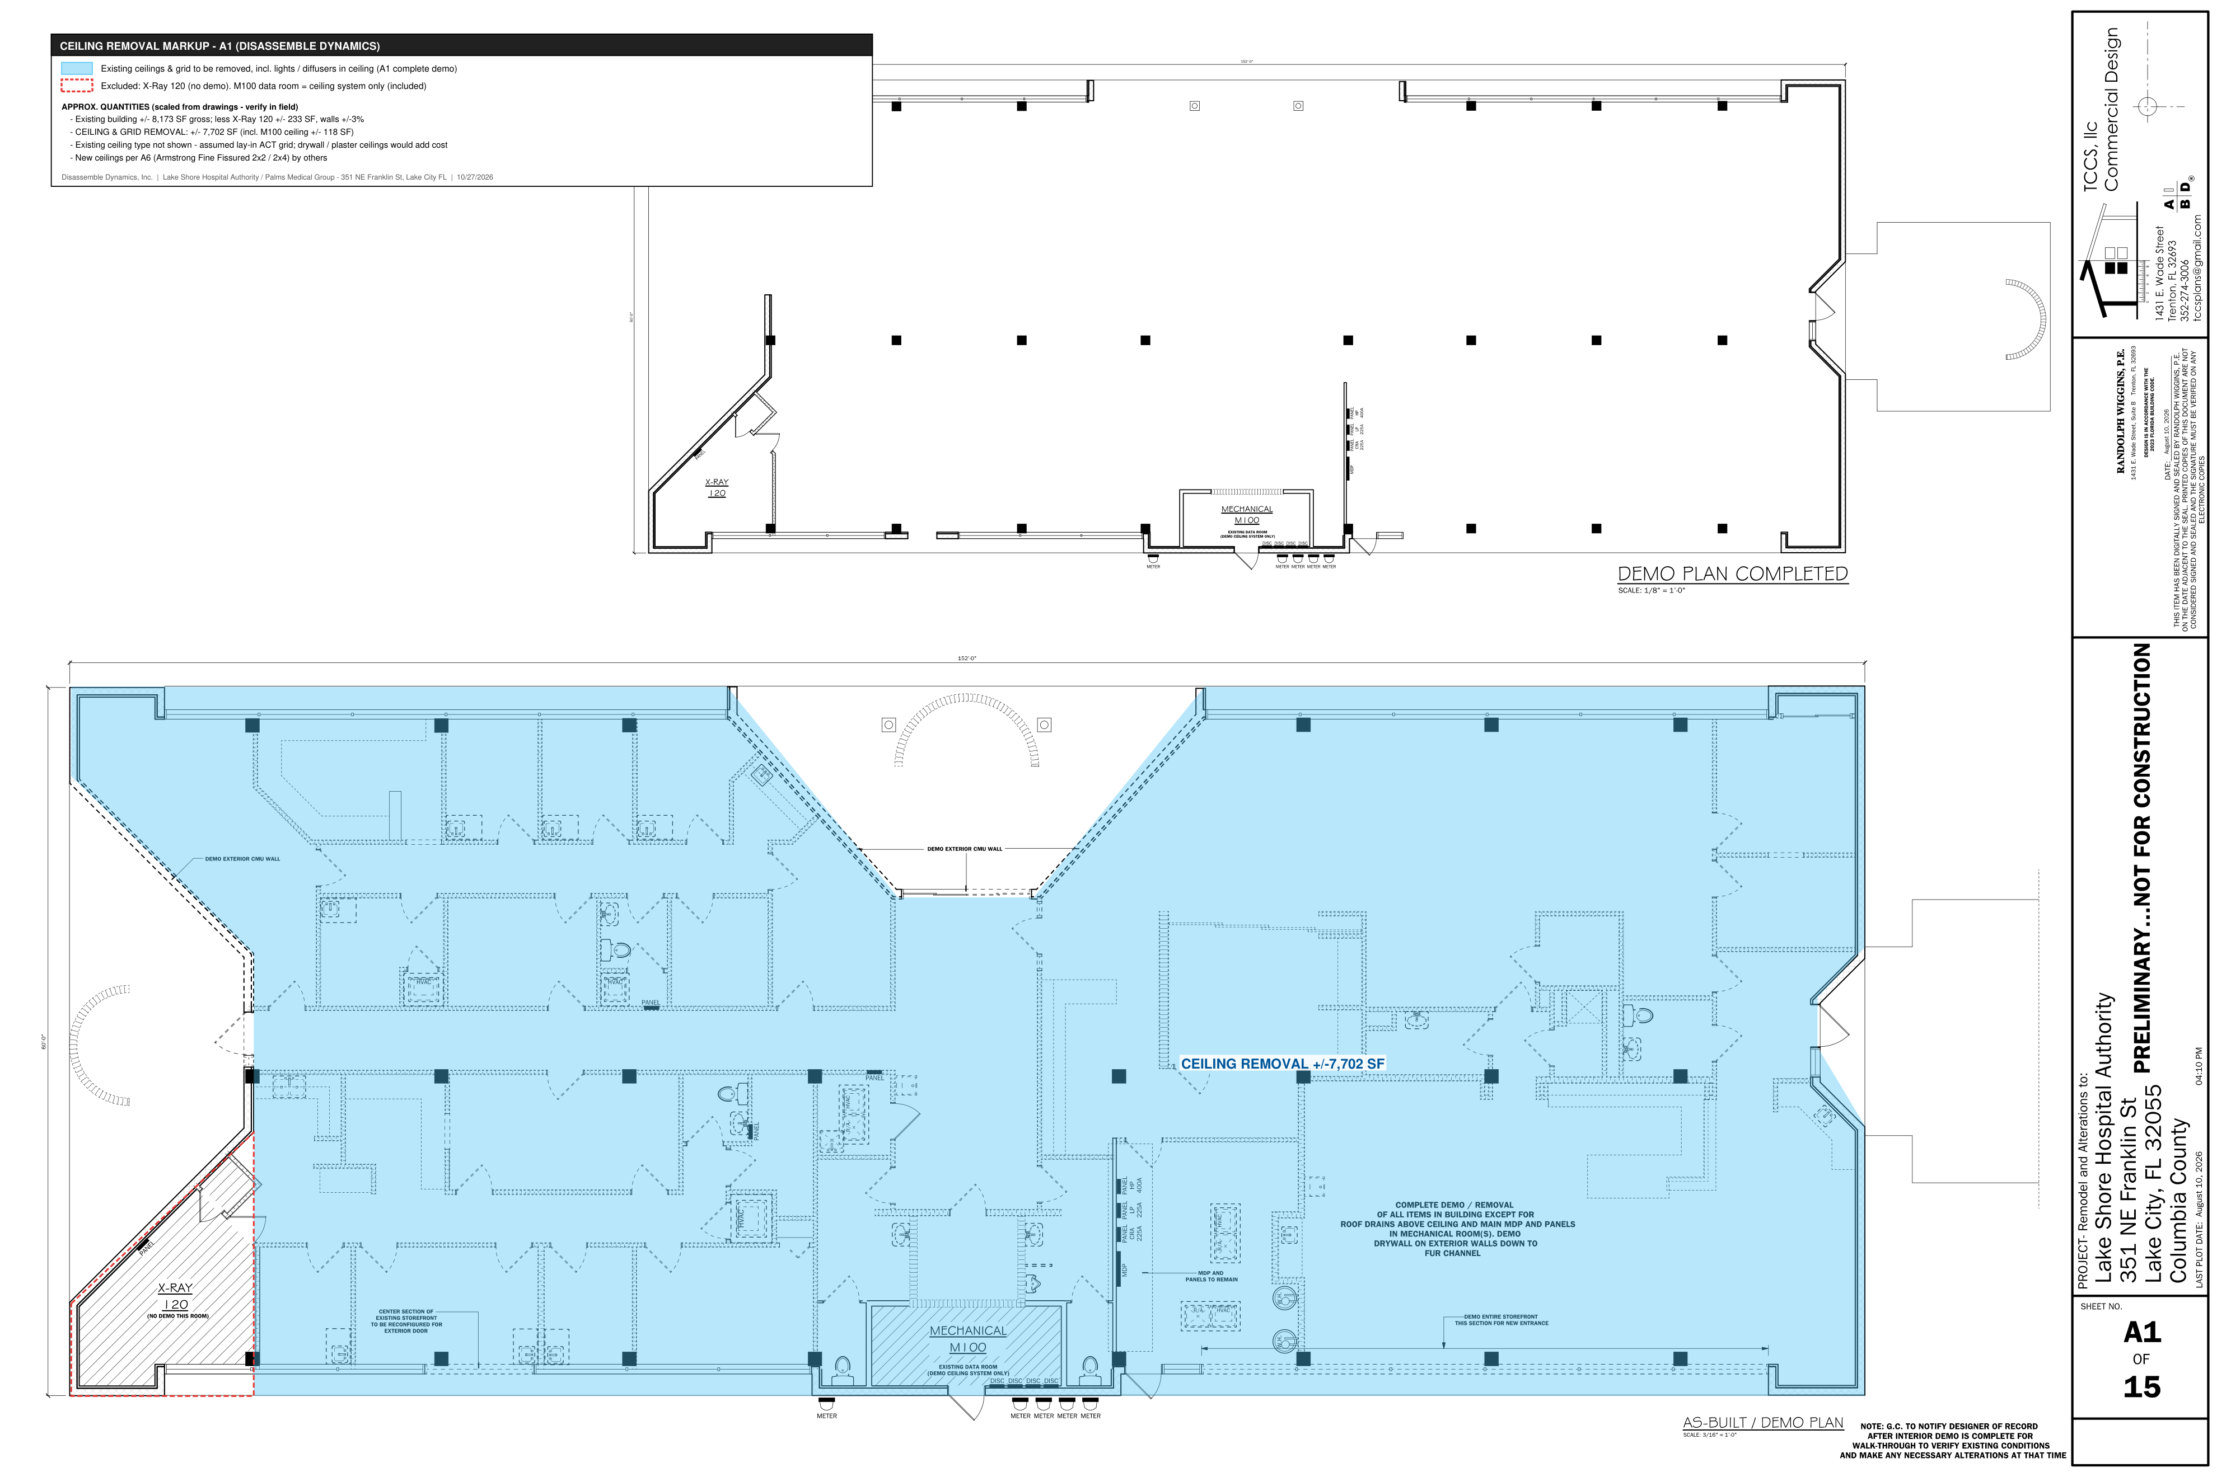
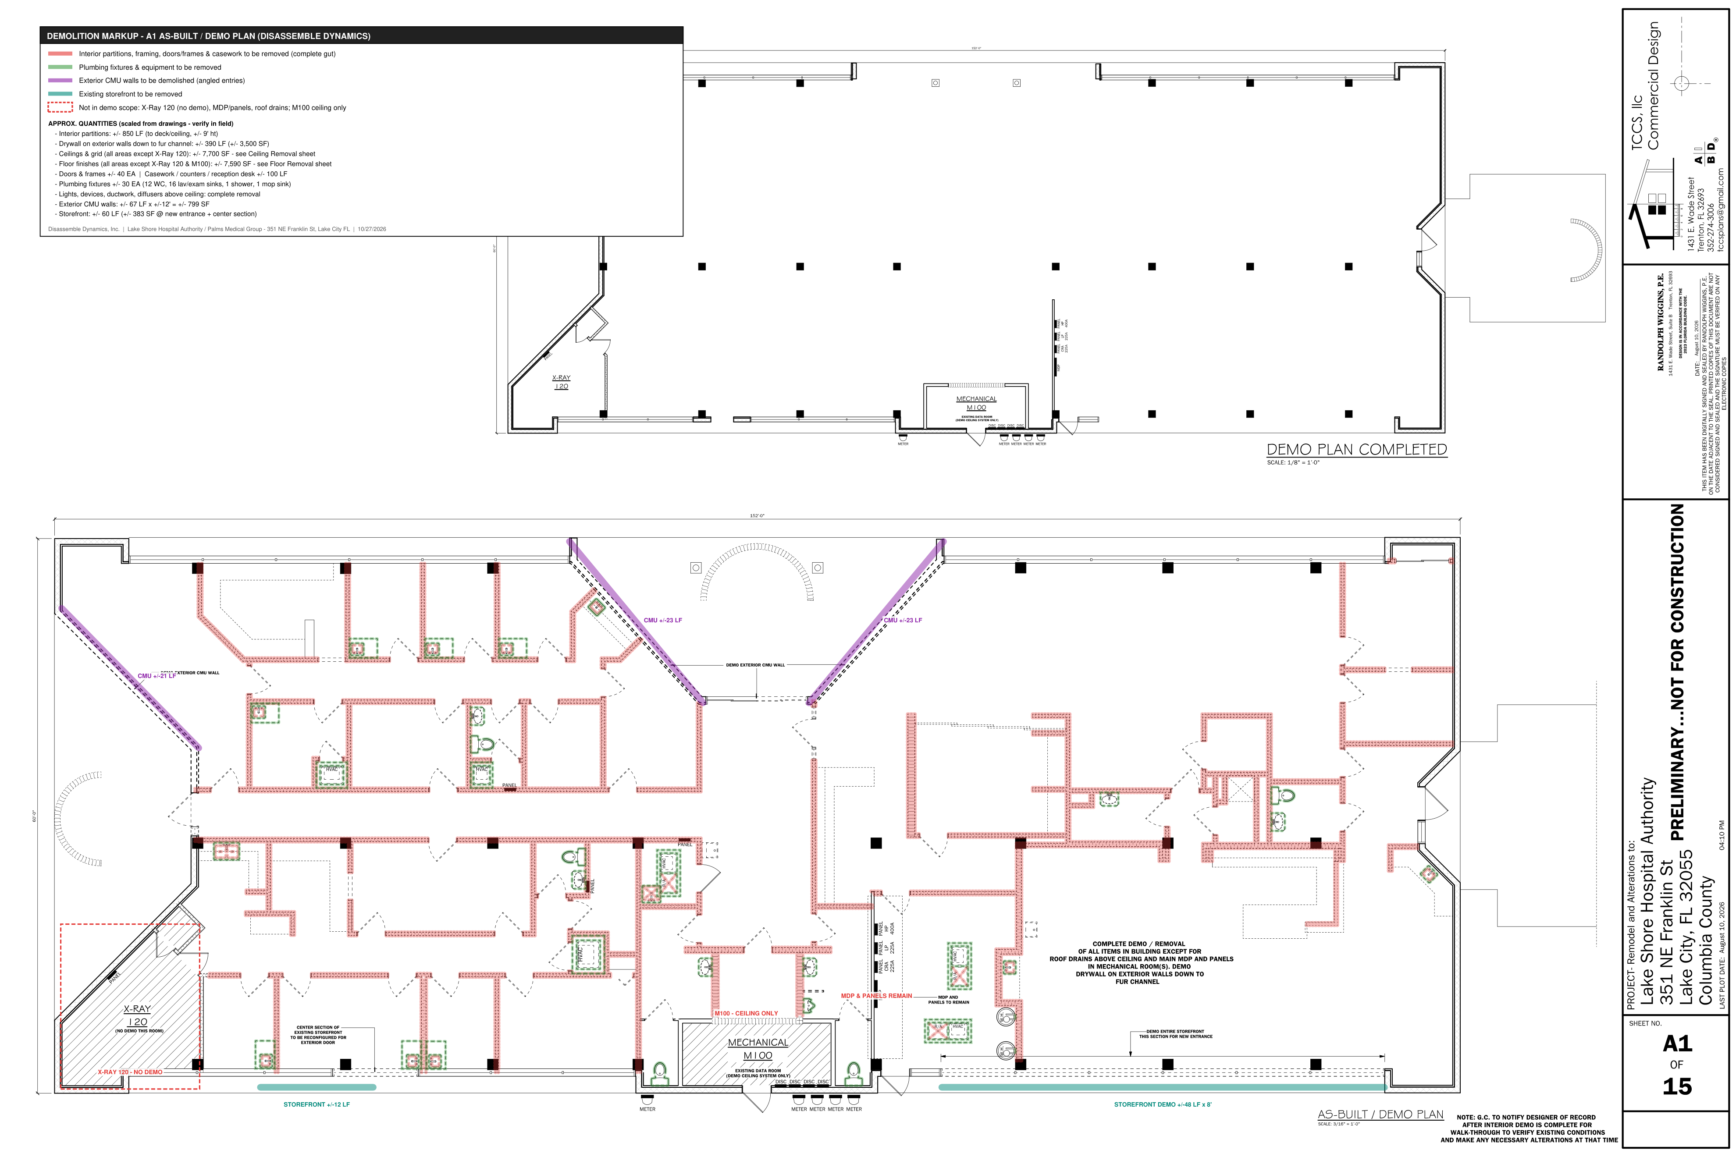
DISASSEMBLE DYNAMICS, INC. - DEMOLITION BID BREAKOUT
Remodel & Alterations - Lake Shore Hospital Authority / Palms Medical Group, 351 NE Franklin St, Lake City FL (TCCS plans 08/10/2026; site plan 02/02/2026)
Quantities scaled from A1 / A1.1 / A5 and taken from civil Demolition Notes & Estimated Quantities - verify in field. |  |  |  |  |  |  |  |  |  |  |  | DEMOLITION MARKUPS - A1 DEMO PLAN, A1.1 STOREFRONT, SITE DEMO, FLOOR REMOVAL, CEILING REMOVAL

# | Description | Ref | Qty | Unit | MH / Unit | MH | Labor $ | Equip / Rental $ | Disposal $ | Other $ | Direct $
BASE BID - INTERIOR SELECTIVE DEMOLITION (COMPLETE GUT)
D1 | Remove interior partitions (stud & drywall) to deck, incl. framing | A1 complete demo note | 850 | LF | 0.250 | 212.5 | $5,313 | - | - | - | $5,313
D2 | Remove drywall on exterior walls down to fur channel | A1 complete demo note | 3,500 | SF | 0.012 | 42.0 | $1,050 | - | - | - | $1,050
D3 | Remove ceilings & grid throughout (incl. M100 data room ceiling only) | A1; M100 note; Ceiling Removal markup | 7,700 | SF | 0.012 | 92.4 | $2,310 | - | - | - | $2,310
D4 | Remove existing floor finishes (DDD-owned scraper) | A1; Floor Removal markup | 7,590 | SF | 0.012 | 91.1 | $2,277 | - | - | - | $2,277
D5 | Remove doors, frames & hardware | A1 | 40 | EA | 1.000 | 40.0 | $1,000 | - | - | - | $1,000
D6 | Remove casework, countertops & reception desk | A1 | 100 | LF | 0.300 | 30.0 | $750 | - | - | - | $750
D7 | Remove plumbing fixtures (WC, lav/exam sinks, shower, mop sink) - after cap by plumber | A1 | 30 | EA | 1.500 | 45.0 | $1,125 | - | - | - | $1,125
D8 | Remove light fixtures, devices, conduit & wire back to nearest J-box (MDP & panels remain) | A1 complete demo note | 7,700 | SF | 0.008 | 61.6 | $1,540 | - | - | - | $1,540
D9 | Remove HVAC ductwork, diffusers, grilles & hangers (roof drains remain) | A1 complete demo note | 7,700 | SF | 0.008 | 61.6 | $1,540 | - | - | - | $1,540
D10 | Remove existing storefront & glazing (new entrance + center section) | A1, A1.1 | 60 | LF | 0.500 | 30.0 | $750 | - | - | - | $750
D11 | Load-out, protection of X-ray 120 & MDP, broom clean | A1 | 1 | LS | 40.000 | 40.0 | $1,000 | - | - | - | $1,000
D12 | Small equipment rental - debris carts & rolling scaffolds (2) for ceiling / high work | - | 16 | DAY | 0.000 | - | - | $800 | - | - | $800
D13 | Consumables - saw blades, debris bags, poly, floor protection, PPE | - | 1 | LS | 0.000 | - | - | - | - | $900 | $900
D14 | C&D disposal - 30 yd dumpsters | - | 8 | PULL | 0.000 | - | - | - | $3,600 | - | $3,600
 | INTERIOR BASE BID - man-hours / crew-days |  |  |  |  | 746.2 | 16
 | Direct cost |  |  |  |  |  |  |  |  |  | $23,955
 | Contingency |  |  |  |  |  |  |  |  |  | $1,198
 | Profit ($/crew-day x crew-days) |  |  |  |  |  |  |  |  |  | $16,000
 | INTERIOR BASE BID TOTAL |  |  |  |  |  |  |  |  |  | $41,152

BASE BID - SITE DEMOLITION
S1 | Remove existing asphalt pavement | Site Demo Note 2 | 1,574 | SF | 0.010 | 15.7 | $394 | - | - | - | $394
S2 | Remove existing concrete | Site Demo Note 3 | 489 | SF | 0.030 | 14.7 | $367 | - | - | - | $367
S3 | Remove existing curb & gutter | Site Demo Note 1 | 274 | LF | 0.080 | 21.9 | $548 | - | - | - | $548
S4 | Remove existing trees incl. stump grinding & haul-off | Site Demo Note 4 | 8 | EA | 6.000 | 48.0 | $1,200 | - | - | - | $1,200
S5 | Skid steer w/ breaker (3 days) + mini-ex (2 days) + stump grinder (2 days) | - | 1 | LS | 0.000 | - | - | $2,850 | - | - | $2,850
S6 | Concrete / asphalt disposal - 20 yd dumpsters (+/-72 tons) | - | 3 | PULL | 0.000 | - | - | - | $1,350 | - | $1,350
S7 | Tree / vegetative debris haul-off | - | 2 | LOAD | 0.000 | - | - | - | $900 | - | $900
 | SITE BASE BID - man-hours / crew-days |  |  |  |  | 100.3 | 3
 | Direct cost |  |  |  |  |  |  |  |  |  | $7,608
 | Contingency |  |  |  |  |  |  |  |  |  | $380
 | Profit ($/crew-day x crew-days) |  |  |  |  |  |  |  |  |  | $3,000
 | SITE BASE BID TOTAL |  |  |  |  |  |  |  |  |  | $10,989

ALTERNATE #1 - EXTERIOR CMU WALL REMOVAL (ANGLED ENTRIES)
A1.1 | Remove exterior CMU walls at angled entries (+/-67 LF x +/-12') | A1 'Demo exterior CMU wall' | 804 | SF | 0.150 | 120.6 | $3,015 | - | - | - | $3,015
A1.2 | Wall saw / chainsaw rental & blades | - | 2 | DAY | 0.000 | - | - | $900 | - | - | $900
A1.3 | CMU disposal - 20 yd dumpsters | - | 2 | PULL | 0.000 | - | - | - | $900 | - | $900
 | ALT #1 - man-hours / crew-days |  |  |  |  | 120.6 | 3
 | Direct cost |  |  |  |  |  |  |  |  |  | $4,815
 | Contingency |  |  |  |  |  |  |  |  |  | $241
 | Profit ($/crew-day x crew-days) |  |  |  |  |  |  |  |  |  | $3,000
 | ALT #1 TOTAL |  |  |  |  |  |  |  |  |  | $8,056

ALTERNATE #2 - SAWCUTTING AT SITE DEMO LIMITS
A2.1 | Sawcut asphalt / concrete / curb at removal limits | Site Demo | 200 | LF | 0.050 | 10.0 | $250 | $250 | - | - | $500
 | ALT #2 - man-hours / crew-days |  |  |  |  | 10.0 | 1
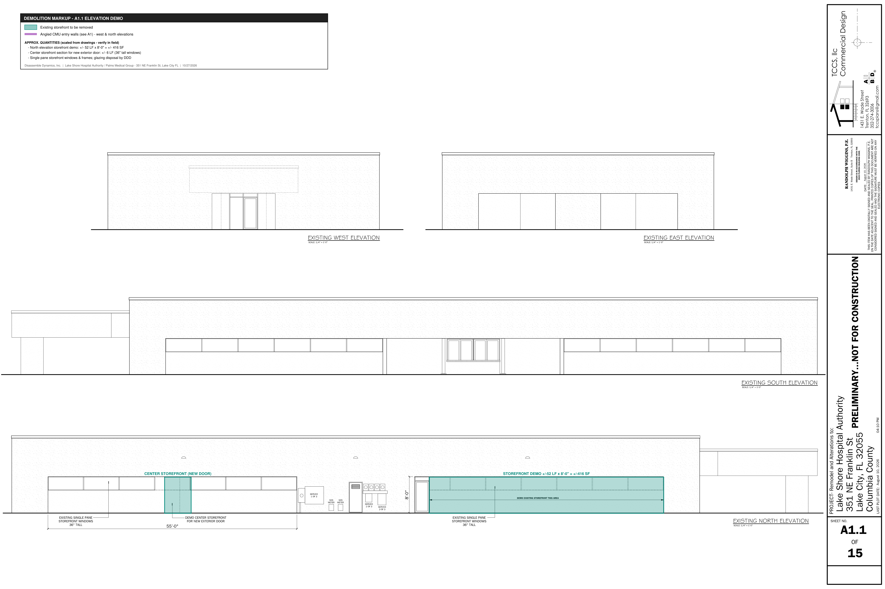
 | Direct cost |  |  |  |  |  |  |  |  |  | $500
 | Contingency |  |  |  |  |  |  |  |  |  | $25
 | Profit ($/crew-day x crew-days) |  |  |  |  |  |  |  |  |  | $1,000
 | ALT #2 TOTAL |  |  |  |  |  |  |  |  |  | $1,525

ALTERNATE #3 - MASTIC REMOVAL / GRINDING OF EXISTING FLOOR
A3.1 | Grind / remove mastic after flooring removal | A1 | 7,590 | SF | 0.020 | 151.8 | $3,795 | $1,200 | - | - | $4,995
 | ALT #3 - man-hours / crew-days |  |  |  |  | 151.8 | 4
 | Direct cost |  |  |  |  |  |  |  |  |  | $4,995
 | Contingency |  |  |  |  |  |  |  |  |  | $250
 | Profit ($/crew-day x crew-days) |  |  |  |  |  |  |  |  |  | $4,000
 | ALT #3 TOTAL |  |  |  |  |  |  |  |  |  | $9,245

DEMOLITION BID SUMMARY
 | INTERIOR BASE BID |  |  |  |  |  | 16 |  |  |  | $41,152
 | SITE BASE BID |  |  |  |  |  | 3 |  |  |  | $10,989
 | ALT #1 |  |  |  |  |  | 3 |  |  |  | $8,056
 | ALT #2 |  |  |  |  |  | 1 |  |  |  | $1,525
 | ALT #3 |  |  |  |  |  | 4 |  |  |  | $9,245
 | Base bid (interior + site) |  |  |  |  |  |  |  |  |  | $52,141
 | Base bid + all alternates |  |  |  |  |  |  |  |  |  | $70,966

EXPENSE BREAKDOWN BY COST TYPE
 | Section | Labor MH | Labor $ | Equipment $ | Disposal $ | Other / Consumables $ | Contingency $ | Profit $ | Total $
 | INTERIOR BASE BID | 746.2 | $18,655 | $800 | $3,600 | $900 | $1,198 | $16,000 | $41,152
 | SITE BASE BID | 100.3 | $2,508 | $2,850 | $2,250 | - | $380 | $3,000 | $10,989
 | ALT #1 | 120.6 | $3,015 | $900 | $900 | - | $241 | $3,000 | $8,056
 | ALT #2 | 10.0 | $250 | $250 | - | - | $25 | $1,000 | $1,525
 | ALT #3 | 151.8 | $3,795 | $1,200 | - | - | $250 | $4,000 | $9,245
 | Base bid (interior + site) | 846.5 | $21,163 | $3,650 | $5,850 | $900 | $1,578 | $19,000 | $52,141
 | Base bid + all alternates | 1,128.9 | $28,223 | $6,000 | $6,750 | $900 | $2,094 | $27,000 | $70,966
 | % of base bid |  | 40.6% | 7.0% | 11.2% | 1.7% | 3.0% | 36.4% | 100.0%

 | Unit check - interior base bid $ per building SF (8,616 GSF) |  |  |  |  |  |  |  |  |  | $4.78

Flooring - Wayne's
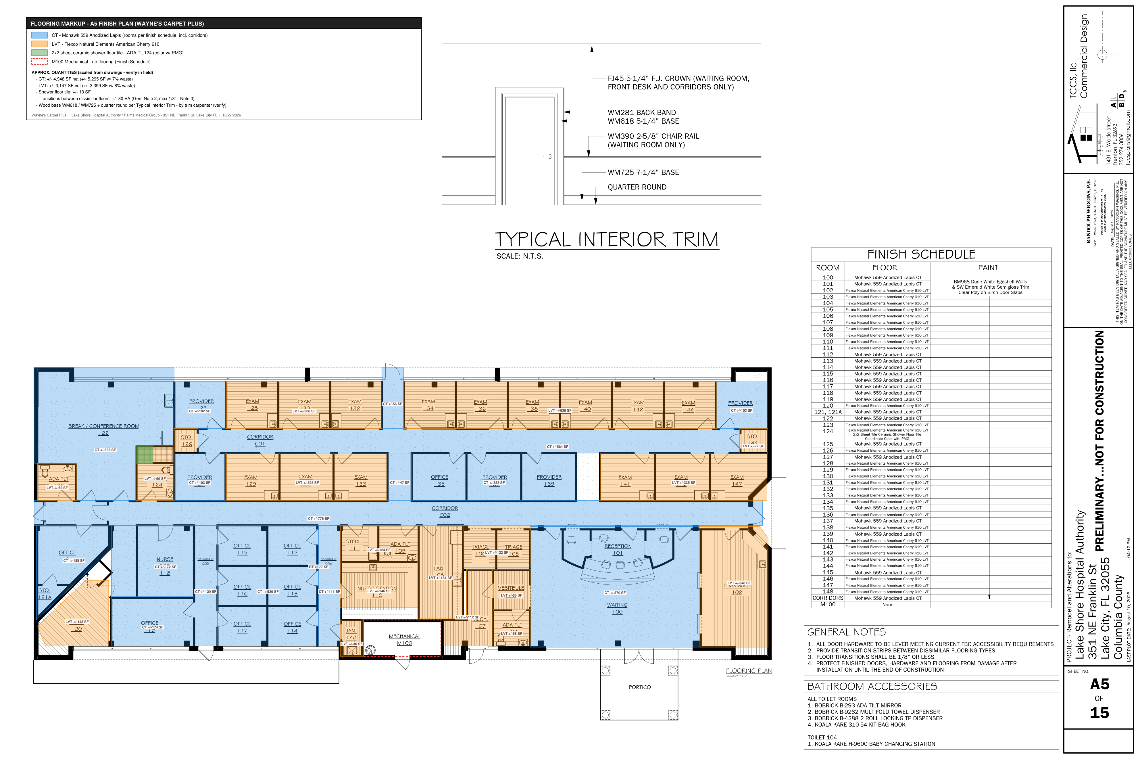
WAYNE'S CARPET PLUS - FLOORING ESTIMATE
Palms Medical Group / Lake Shore Hospital Authority - 351 NE Franklin St, Lake City FL | A5 Finish Plan & Finish Schedule
 |  |  |  |  |  |  |  |  |  |  | FLOORING MARKUP - A5 FINISH PLAN (CT / LVT / shower tile by room)
Item | Description | Net Qty | Unit | Waste | Order Qty | Material $/U | Labor $/U | Material $ | Labor $ | Total $
F1 | Carpet tile - Mohawk 559 Anodized Lapis (CT rooms + corridors) | 4,948 | SF | 7% | 5,295 | $3.45 | $0.85 | $18,268 | $4,206 | $22,474
F2 | LVT - Flexco Natural Elements American Cherry 610 (glue-down) | 3,147 | SF | 8% | 3,399 | $3.75 | $1.40 | $12,746 | $4,406 | $17,152
F3 | 2x2 sheet ceramic shower floor tile - ADA Tlt 124 | 13 | SF |  | 13 | $14.00 | $18.00 | $182 | $234 | $650
F4 | Floor prep - patch / skim after demo (allowance) | 8,095 | SF |  | 8,095 |  | $0.45 | - | $3,643 | $3,643
F5 | Transition strips between dissimilar floors (max 1/8") | 30 | EA |  | 30 |  | $65.00 | - | $1,950 | $1,950
F6 | Freight / delivery | 1 | LS |  | 1 | $450.00 |  | $450 | - | $450

 | Subtotal (material + labor) |  |  |  |  |  |  |  |  | $46,318
 | Overhead & profit |  |  |  |  |  |  |  |  | $11,580
 | FLOORING TOTAL - WAYNE'S CARPET PLUS |  |  |  |  |  |  |  |  | $57,898

 | Price per SF of flooring |  |  |  |  |  |  |  |  | $7.15

 | Room takeoff (from A5 markup)
 | Room / area | SF | Finish
 | 122 Break/Conf | 633 | CT
 | 123 ADA Tlt | 62 | LVT
 | 124 ADA Tlt | 90 | LVT
 | 125 Provider | 102 | CT
 | 126 Sto | 24 | LVT
 | 128/130/132 Exam | 308 | LVT
 | 127 Provider | 103 | CT
 | 129/131/133 Exam | 325 | LVT
 | Corridor C01 | 564 | CT
 | Corridor N entry | 56 | CT
 | Corridor link | 47 | CT
 | Corridor C02 | 776 | CT
 | Corridor C03 | 120 | CT
 | Corridor C04 | 111 | CT
 | 121/121A Office/Sto | 188 | CT
 | 120 X-Ray | 148 | LVT
 | Alcove @ C02 | 77 | CT
 | 118 Nurse Pod | 172 | CT
 | 119 Office | 174 | CT
 | 112-117 Offices | 520 | CT
 | 111 Steril / 109 ADA | 124 | LVT
 | 110 Nurse Sta | 146 | LVT
 | 148 Jan | 36 | LVT
 | 108 Lab | 181 | LVT
 | 105/106 Triage | 122 | LVT
 | 107 Mech | 112 | LVT
 | 103 Vestibule | 65 | LVT
 | 104 ADA Tlt | 58 | LVT
 | 100 Waiting / 101 Recep | 870 | CT
 | 102 Pharmacy | 348 | LVT
 | 134-144 Exam (6) | 636 | LVT
 | 145 Provider | 103 | CT
 | 146 Sto | 27 | LVT
 | 135/137/139 Office/Prov | 333 | CT
 | 141/143/147 Exam | 335 | LVT

