1 OPP Tracker
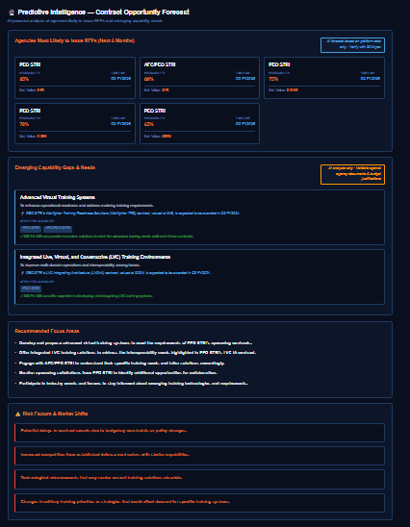
OPP TRACKER — SHAWN NOTES | Status
Original raw notes from this tab have been consolidated. | ✅ COMPLETE
All feedback items captured in: Shawn Notes → FB-015, FB-016
Scoring formula: Shawn Notes → FB-015 + Requirements REQ-026
Budget format / Top 25 / Directions: Requirements REQ-025, Backlog BL-023

2 OODA LOOP
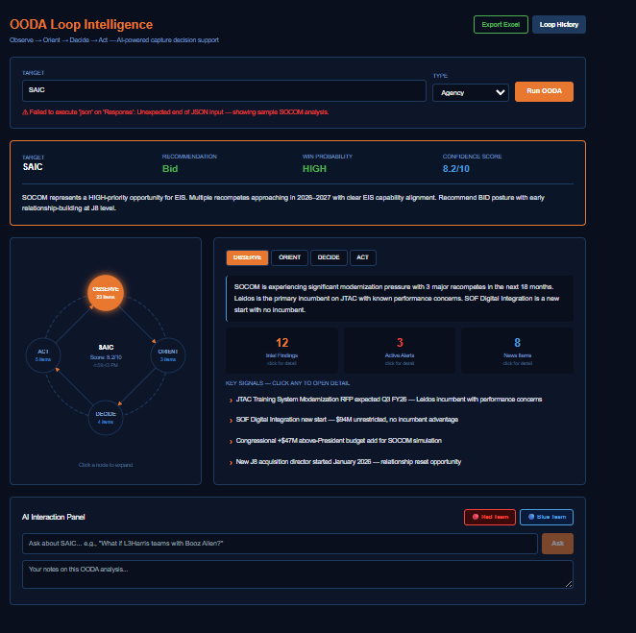
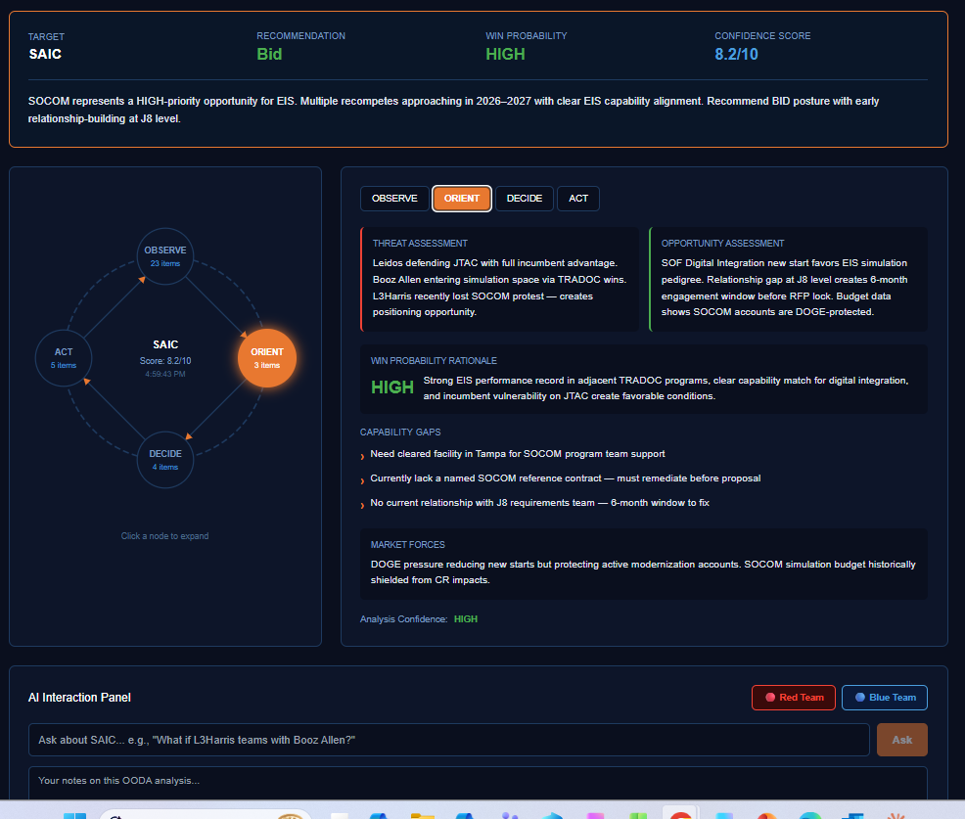
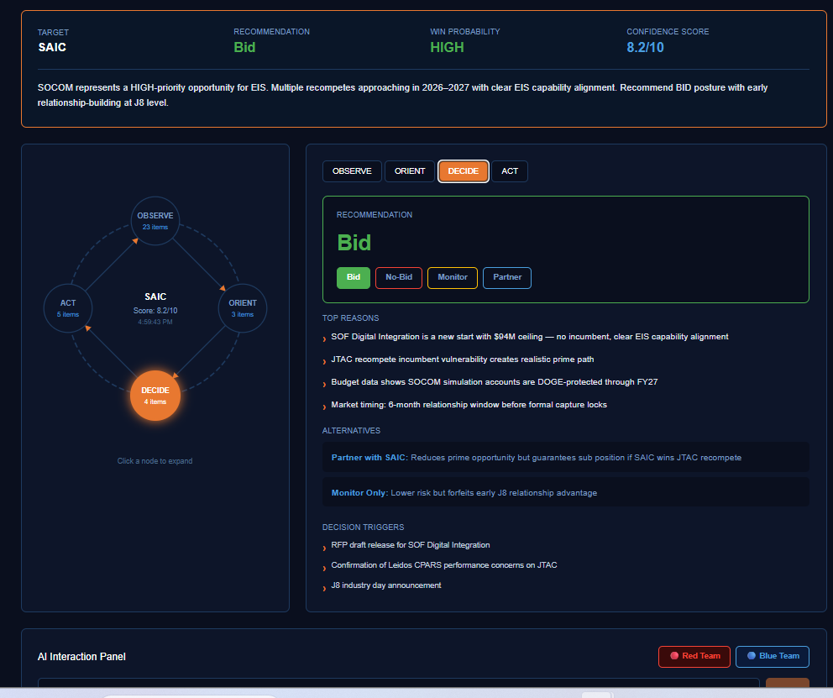
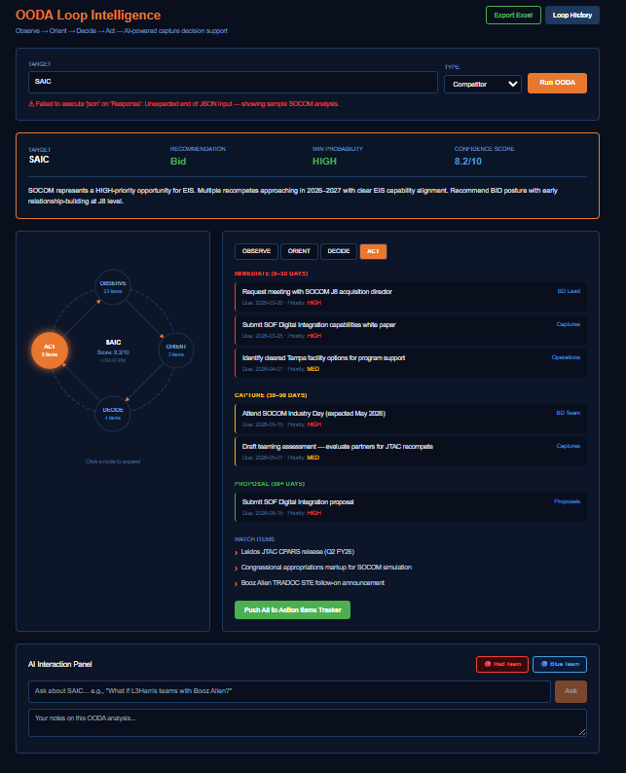
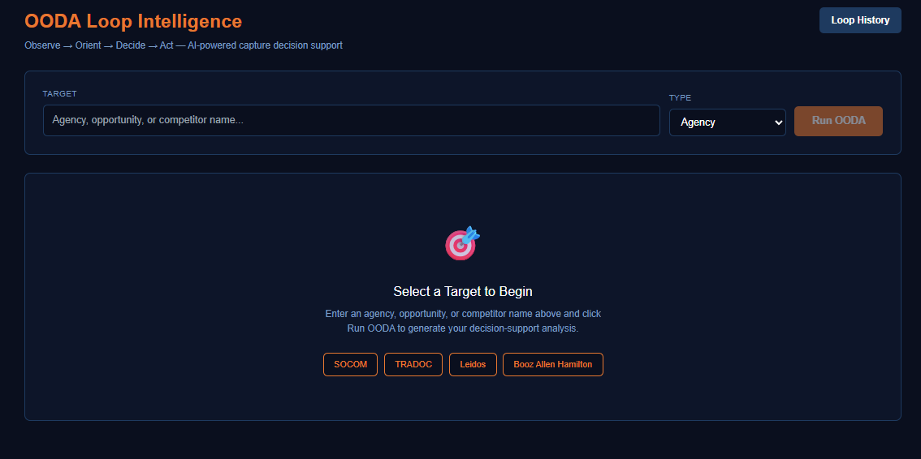
OODA LOOP — SHAWN NOTES | Status
Original raw notes from this tab have been consolidated. | ✅ COMPLETE
All feedback items captured in: Shawn Notes → FB-001 to FB-008
OODA dropdown fix: REQ-011, AI-002. Deployed S-004.

4 Assistant
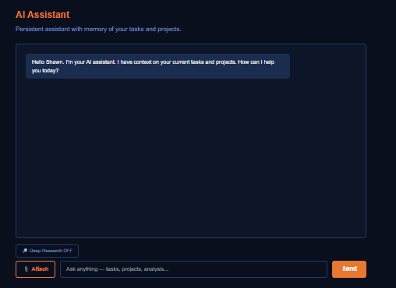
ASSISTANT — SHAWN NOTES | Status
Original notes consolidated into Shawn Notes → FB-012, FB-013 | ✅ COMPLETE
Doc upload + discussion persistence: REQ-020, BL-016

5 SITREP
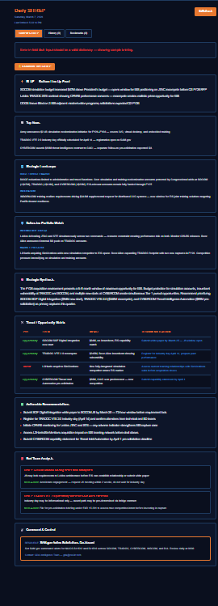
SITREP — SHAWN NOTES | Status
Original notes consolidated into Shawn Notes → FB-014 | ✅ COMPLETE
SITREP integration: REQ-018, AI-014

7 Doc Chat
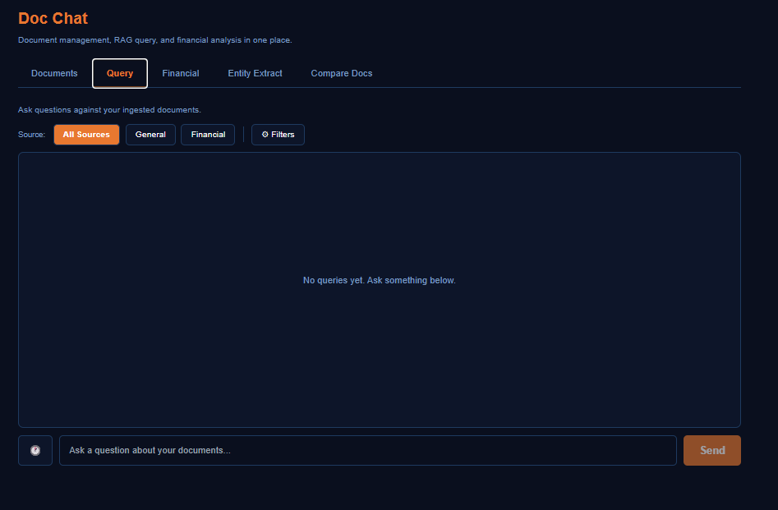
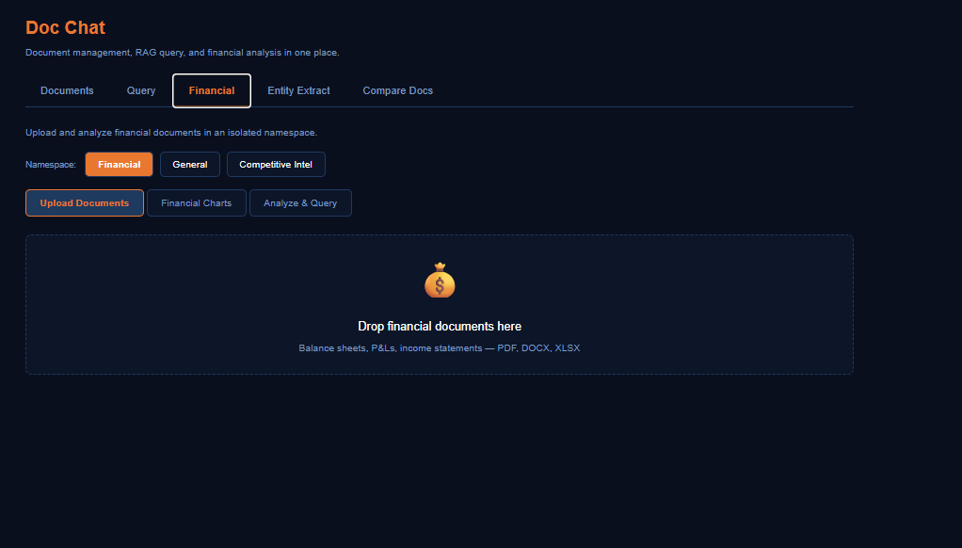
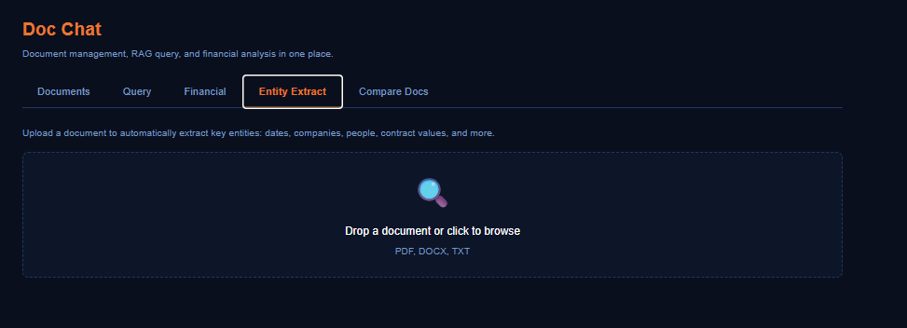
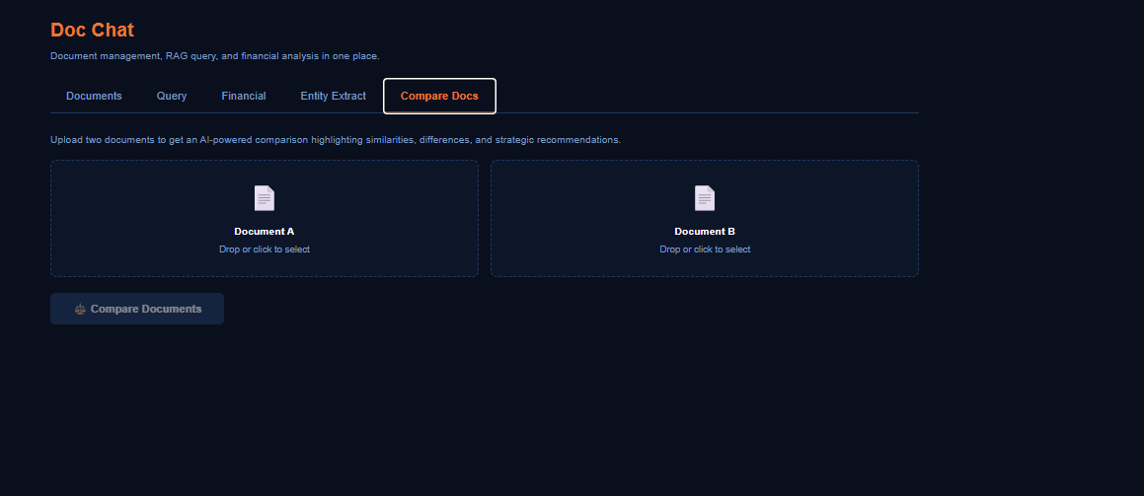
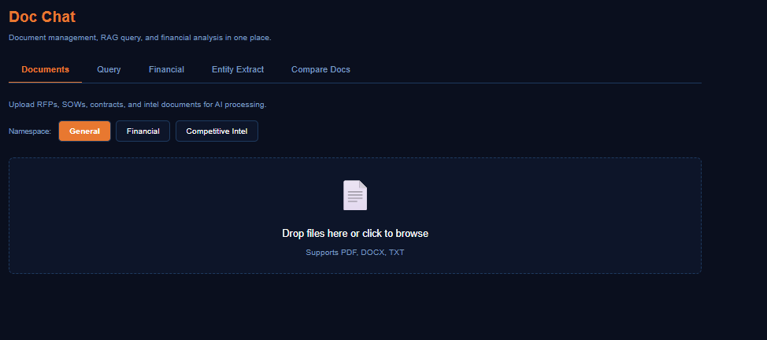
DOC CHAT | Status
Empty tab — Doc Chat is part of AI Agent (see Shawn Note #4) | ✅ CONSOLIDATED

