Sheet1
User |  | Product |  | Review
first_name |  | product_name |  | product_id | FK
last_name |  | item_code |  | user_id | FK
email |  | online_only
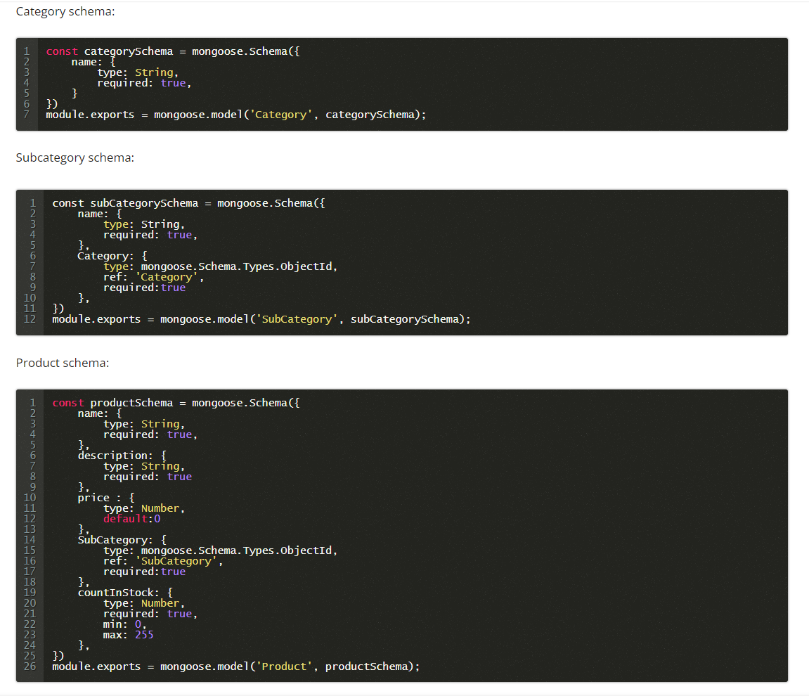
phone_no |  | images | array
password
type
is_active

Address
User Address
address_name
first_name
last_name
Address
unit | optional
city
state
zip_code
phone_no1
phone_no2 | optional
is_default

 |  |  |  |  | 2022-05-27 | Seller APIs
 |  |  |  |  | 2022-05-27 | Product APIs
Issues to be discussed:
Email Preferences
Product Reviews
sellers ??

Project hosting
 |  |  |  |  | Categories | Products | Reviews
products_addon |  |  |  |  | category (shaheryar) | product_name | product_id
 |  |  |  |  |  | category_ids | user_id
delivery charges depends on zip code |  |  |  |  |  |  | comments
 |  |  |  |  |  | online_only (Yes/No) | attachment | Array of images
 |  |  |  |  |  |  | rating | 1 - 5
Sellers | DashBoard | Products CRUD, Relevant Orders etc |  |  |  |  | status | pending, approved, rejected
Admin | DashBoard | Product, Orders, CMS
User

Store / Franchise |  |  |  |  |  |  | Stock Management
title | string |  |  |  |  |  | product_id
banner | string | image |  |  |  |  | variant
email | string
phone_no | string |  |  |  |  |  | sku
address | string |  |  |  |  |  | price
city | string |  |  |  |  |  | qty
state | string
country | string
zip | string
is_deleted | boolean

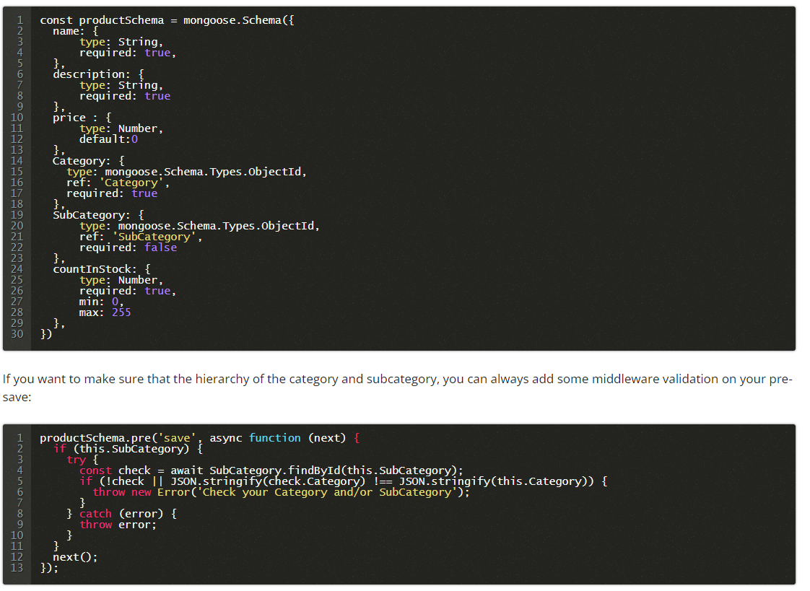

Franchise
stores
zipcode necessary

