Sheet1
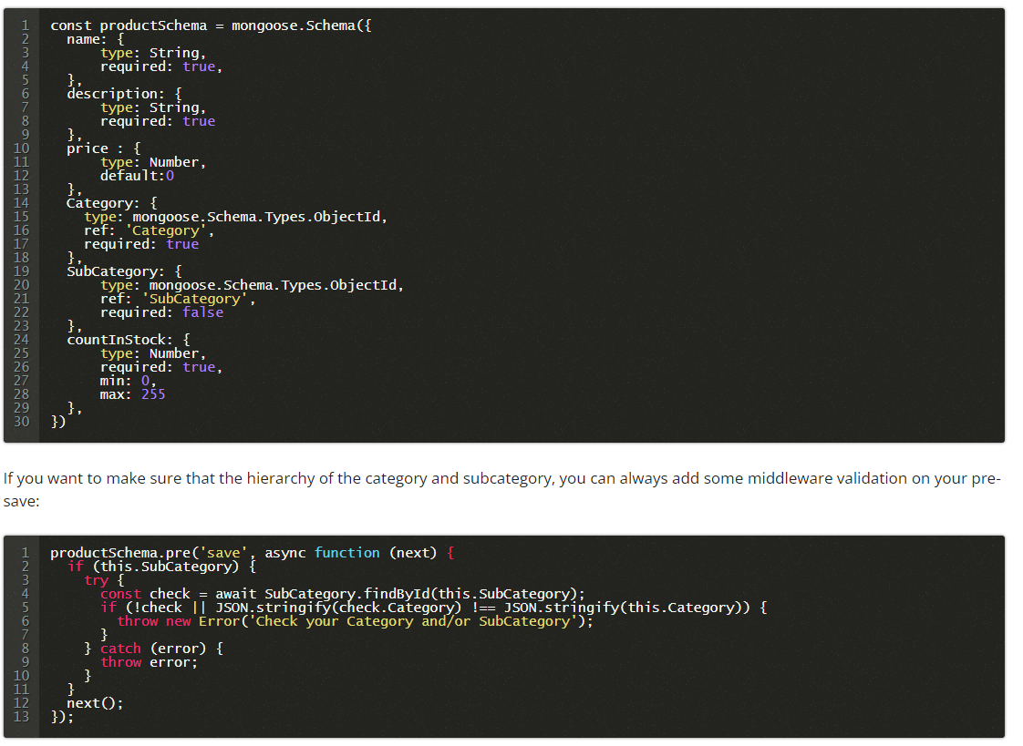
Product
online_only
ratings (Number)

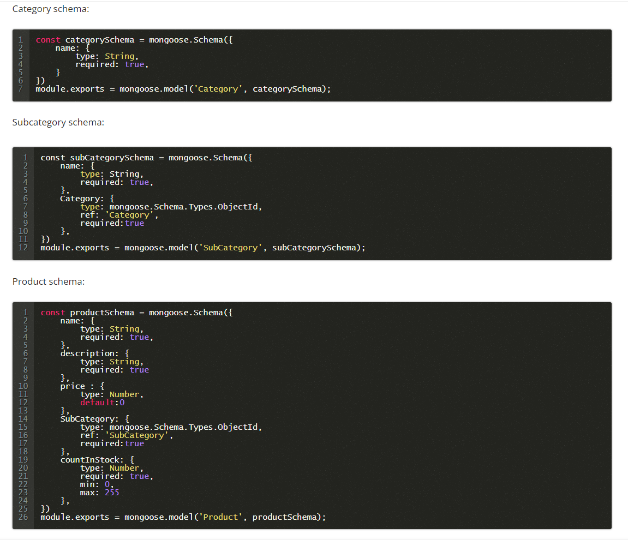
Review
product_id | FK
user_id | FK

Issues to be discussed:
Email Preferences
Product Reviews
sellers ??

Project hosting
 |  |  | Categories | Products | Reviews
products_addon |  |  | category (shaheryar) | product_name | product_id
 |  |  |  | category_ids | user_id
delivery charges depends on zip code |  |  |  |  | comments
 |  |  |  | online_only (Yes/No) | attachment | Array of images
 |  |  |  |  | rating | 1 - 5
Sellers | DashBoard | Products CRUD, Relevant Orders etc |  |  | status | pending, approved, rejected
Admin | DashBoard | Product, Orders, CMS
User

Store / Franchise |  |  |  |  | Stock Management
title | string |  |  |  | product_id
banner | string | image |  |  | variant
email | string
phone_no | string |  |  |  | sku
address | string |  |  |  | price
city | string |  |  |  | qty
state | string
country | string
zip | string
is_deleted | boolean

