Сегодня
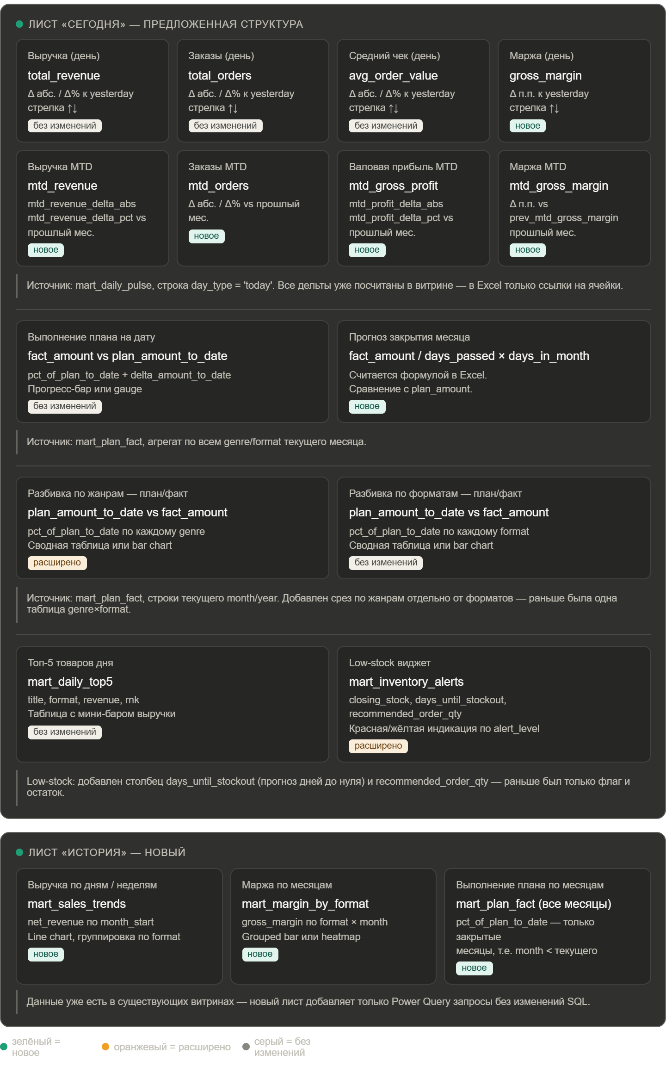
Оперативный отчёт

Дата: | 2026-04-14

Выручка (день) |  | Заказы (день) |  | Средний чек (день) |  | Маржа (день)
456149.43 |  | 434 |  | 1051.04 |  | 0.5602
-55490.91 |  | -33 |  | -44.55 |  | 0.0097
0.89154312969 |  | 0.92933618844 |  | 0.95933697825 |  | 1.0176203451

Выручка MTD |  | Заказы MTD |  | Валовая прибыль MTD |  | Маржа MTD
6781347.19 |  | 4234 |  | 3808747.64 |  | 0.5617
-5731.86 |  | 108 |  | 11320.94 |  | 3808747.0805
0.9991554747 |  | 1.0261754726 |  | 1.0029812136 |  | 1.0039320822

Выполнение плана на дату |  |  | Прогноз закрытия месяца
Факт | План |  | 13496053.264
6298158.19 | 14118465.81 |  | -622412.54571
-7820307.62
0.44609366731

Разбивка по жанрам — план/факт |  |  |  | Разбивка по форматам — план/факт
Жанр | Факт | План |  | Формат | Факт | План
Biography | 570899.41 | 1180062.5 |  | Audiobook | 3385419.52 | 7128427.38
Business | 387079.23 | 857437.08 |  | eBook | 327 | 3658.98
Children | 835334.01 | 1863203.44 |  | Hardcover | 2673599.34 | 6395943.55
Fantasy | 740545.76 | 1708479.68 |  | Paperback | 238812.33 | 590435.9
Fiction | 589200.25 | 1335500.68 |  | Общий итог | 6298158.19 | 14118465.81
History | 479000.99 | 1072567.98
Mystery | 597056.37 | 1385769.67
Poetry | 667693.18 | 1571101.24
Romance | 728848.48 | 1714514.23
Science | 702500.51 | 1429829.31
Общий итог | 6298158.19 | 14118465.81

Топ-5 товаров дня |  |  |  |  |  | Low-stock виджет
product_id | title | format | revenue | rnk |  | product_id | title | format | genre | publisher | closing_stock | is_low_stock | stock_date | avg_daily_sales_30d | days_until_stockout | recommended_order_qty | alert_level
952 | Annual Subscription | Subscription | 19950 | 1
789 | Падаль конструкция (History) | Hardcover | 9796 | 2
888 | Пастух ночь тысяча (Science) | Audiobook | 8838.08 | 3
749 | Нож скользить (Science) | Hardcover | 8365 | 4
755 | Роскошный добиться (Mystery) | Hardcover | 7413 | 5

Выручка по дням

