Blade Lock Canon
SHADOW CLASH — BLADE LOCK CANON PRODUCTION MATRIX
Authority: uploaded 'sword clashing HANDOUT + ONI.md' • exact fighter/card names • LEFT-facing side profile • fixed high X in frames 1–8 • no effects
FIGHTER | CANON VISUAL | CARD FILE | BIND WEAPON | GRIP / BIND RULE | OTHER WEAPON LOCK | CONTACT | FACING | HIGH CONTACT | SIZE LOCK | 01 CATCH | 02 SETTLE | 03 STRAIN | 04 STRAIN | 05 STRAIN | 06 STRAIN | 07 STRAIN | 08 STRAIN | 09 WIN | 10 LOSE | FRAME COUNT | CHECK
KAEL | 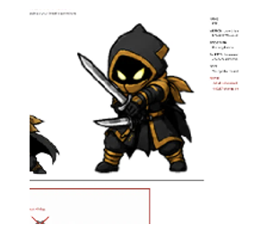 | kael-CARD.png | Long katana | Katana is the bind weapon; short blade remains visible in frame | Short blade stays in frame; do not drop it | Blade-to-blade high X | PURE SIDE PROFILE — LEFT | 85–95% body height; steep ~45°; forward LEFT; fixed frames 1–8 | Soles-to-crown identical all 10; target within 1% | Impact: weapons meet; weight arrives forward; arms braced; head up. | Absorb catch; elbows compress; rear foot digs in; shoulders drop. | Held push; lean in/up; bent elbows; fixed contact point. | Same bind breathing; tiny body/weapon shift only. | Same bind breathing; subtle weight shift only. | Same bind breathing; subtle compression only. | Same bind breathing; tiny tremble/weight shift only. | Same bind breathing; final loop variation; contact still fixed. | Break bind open; front foot steps through; weapon drives forward/up. | Thrown off; torso rocks back; weapon knocked wide; still on both feet. | 10 | OK
EXECUTIONER | 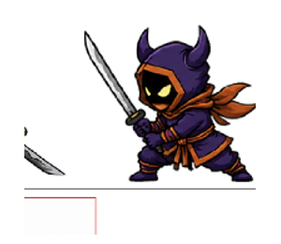 | executioner-CARD.png | Nodachi | Two hands for blade-lock bind | Idle may be one-handed; bind is explicitly two-handed | Blade-to-blade high X | PURE SIDE PROFILE — LEFT | 85–95% body height; steep ~45°; forward LEFT; fixed frames 1–8 | Soles-to-crown identical all 10; target within 1% | Impact: weapons meet; weight arrives forward; arms braced; head up. | Absorb catch; elbows compress; rear foot digs in; shoulders drop. | Held push; lean in/up; bent elbows; fixed contact point. | Same bind breathing; tiny body/weapon shift only. | Same bind breathing; subtle weight shift only. | Same bind breathing; subtle compression only. | Same bind breathing; tiny tremble/weight shift only. | Same bind breathing; final loop variation; contact still fixed. | Break bind open; front foot steps through; weapon drives forward/up. | Thrown off; torso rocks back; weapon knocked wide; still on both feet. | 10 | OK
TSUBASA | 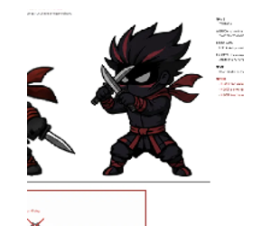 | tsubasa-CARD.png | Two tanto | Both tanto in reverse grip | Both tanto remain in use; no substitute sword | Both tanto brace into the high X | PURE SIDE PROFILE — LEFT | 85–95% body height; steep ~45°; forward LEFT; fixed frames 1–8 | Soles-to-crown identical all 10; target within 1% | Impact: weapons meet; weight arrives forward; arms braced; head up. | Absorb catch; elbows compress; rear foot digs in; shoulders drop. | Held push; lean in/up; bent elbows; fixed contact point. | Same bind breathing; tiny body/weapon shift only. | Same bind breathing; subtle weight shift only. | Same bind breathing; subtle compression only. | Same bind breathing; tiny tremble/weight shift only. | Same bind breathing; final loop variation; contact still fixed. | Break bind open; front foot steps through; weapon drives forward/up. | Thrown off; torso rocks back; weapon knocked wide; still on both feet. | 10 | OK
EMBER | 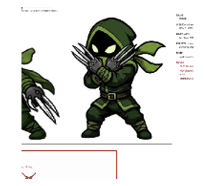 | ember-CARD.png | Iron claws | Claws trap the opponent's edge | No added sword or blade | Claw trap at the high contact point | PURE SIDE PROFILE — LEFT | 85–95% body height; steep ~45°; forward LEFT; fixed frames 1–8 | Soles-to-crown identical all 10; target within 1% | Impact: weapons meet; weight arrives forward; arms braced; head up. | Absorb catch; elbows compress; rear foot digs in; shoulders drop. | Held push; lean in/up; bent elbows; fixed contact point. | Same bind breathing; tiny body/weapon shift only. | Same bind breathing; subtle weight shift only. | Same bind breathing; subtle compression only. | Same bind breathing; tiny tremble/weight shift only. | Same bind breathing; final loop variation; contact still fixed. | Break bind open; front foot steps through; weapon drives forward/up. | Thrown off; torso rocks back; weapon knocked wide; still on both feet. | 10 | OK
MIZU | 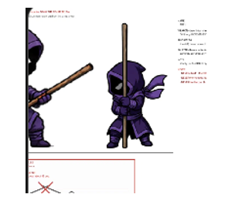 | mizu-CARD.png | Wooden bo staff | Both hands on the staff | Bo staff only; no bladed weapon | Staff braces into the high X | PURE SIDE PROFILE — LEFT | 85–95% body height; steep ~45°; forward LEFT; fixed frames 1–8 | Soles-to-crown identical all 10; target within 1% | Impact: weapons meet; weight arrives forward; arms braced; head up. | Absorb catch; elbows compress; rear foot digs in; shoulders drop. | Held push; lean in/up; bent elbows; fixed contact point. | Same bind breathing; tiny body/weapon shift only. | Same bind breathing; subtle weight shift only. | Same bind breathing; subtle compression only. | Same bind breathing; tiny tremble/weight shift only. | Same bind breathing; final loop variation; contact still fixed. | Break bind open; front foot steps through; weapon drives forward/up. | Thrown off; torso rocks back; weapon knocked wide; still on both feet. | 10 | OK
SHIN | 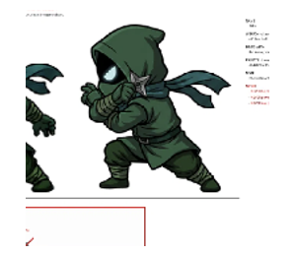 | shin-CARD.png | Kunai | Kunai held in hand for the bind | Do not replace with sword or other weapon | Kunai meets the opponent at the high X | PURE SIDE PROFILE — LEFT | 85–95% body height; steep ~45°; forward LEFT; fixed frames 1–8 | Soles-to-crown identical all 10; target within 1% | Impact: weapons meet; weight arrives forward; arms braced; head up. | Absorb catch; elbows compress; rear foot digs in; shoulders drop. | Held push; lean in/up; bent elbows; fixed contact point. | Same bind breathing; tiny body/weapon shift only. | Same bind breathing; subtle weight shift only. | Same bind breathing; subtle compression only. | Same bind breathing; tiny tremble/weight shift only. | Same bind breathing; final loop variation; contact still fixed. | Break bind open; front foot steps through; weapon drives forward/up. | Thrown off; torso rocks back; weapon knocked wide; still on both feet. | 10 | OK
EXILE | 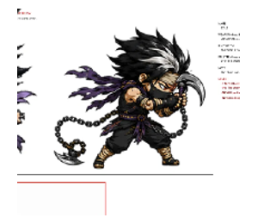 | exile-CARD.png | Sickle only | One sickle is the bind weapon | Never use the chain in blade-lock frames | Sickle catches/braces at the high X | PURE SIDE PROFILE — LEFT | 85–95% body height; steep ~45°; forward LEFT; fixed frames 1–8 | Soles-to-crown identical all 10; target within 1% | Impact: weapons meet; weight arrives forward; arms braced; head up. | Absorb catch; elbows compress; rear foot digs in; shoulders drop. | Held push; lean in/up; bent elbows; fixed contact point. | Same bind breathing; tiny body/weapon shift only. | Same bind breathing; subtle weight shift only. | Same bind breathing; subtle compression only. | Same bind breathing; tiny tremble/weight shift only. | Same bind breathing; final loop variation; contact still fixed. | Break bind open; front foot steps through; weapon drives forward/up. | Thrown off; torso rocks back; weapon knocked wide; still on both feet. | 10 | OK
ONI | 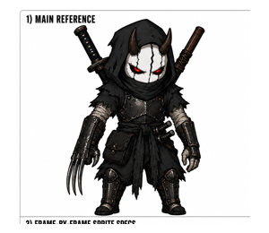 | oni-CARD.png | Right-hand iron claw only | Right claw traps the opponent's edge; left hand stays wrapped and clawless | Both swords remain on his back; no kanabo; no second claw | Claw trap at the same high contact point | PURE SIDE PROFILE — LEFT | 85–95% body height; steep ~45°; forward LEFT; fixed frames 1–8 | Soles-to-crown identical all 10; target within 1% | Impact: weapons meet; weight arrives forward; arms braced; head up. | Absorb catch; elbows compress; rear foot digs in; shoulders drop. | Held push; lean in/up; bent elbows; fixed contact point. | Same bind breathing; tiny body/weapon shift only. | Same bind breathing; subtle weight shift only. | Same bind breathing; subtle compression only. | Same bind breathing; tiny tremble/weight shift only. | Same bind breathing; final loop variation; contact still fixed. | Break bind open; front foot steps through; weapon drives forward/up. | Thrown off; torso rocks back; weapon knocked wide; still on both feet. | 10 | OK

HARD LOCKS — no redesign • no pixel art • no sparks/glow/speed lines/debris • strain is a compressed bind, not a thrust • cells 9–10 are the only arm-extension frames • Mokurai never binds

