Sheet1
UAT for Flow | Eunoia
Date | 15-Apr-20

Tester Category | Women Empowerment |  |  | *) Categories your test subject here

Elements | Screenshot | Actions | Tested | Notes on Layout | Notes on Color
Menu Bar (navigation) |  | 1. Click Eunoia will direct to homepage | 1. OK | No issue | No issue

 |  | 2. Click About Us will direct to About Us page | 2. OK

 |  | 3. Hover Our Program will show dropdown menu (Violence Against Women, Gender Equality, Economic Empowerment) | 3. OK

 |  | 4. Click text in the dropdown menu in Our Program will direct to the following article | 4. OK

 |  | 5. Hover Our Story will show dropdown menu (Beauty, Work, Wellness) | 5. OK

 |  | 6. Click text in the dropdown menu in Our Story will direct to the following article | 6. Ok

 |  | 7. Hover Magnifiying glass will show search bar | 7. OK
Search Bar |  | 1. Click Search to type | 1. OK | Issue, files don't appear in search results | No issue

Headline Button |  | 1. Click button will direct to following informations | 1. OK | No issue | No issue

Our Mission (Learn More) |  | 1. Click Learn More will direct to more information about Our Mission in About Us page | 1. OK | No issue | No issue

Overview Articles | 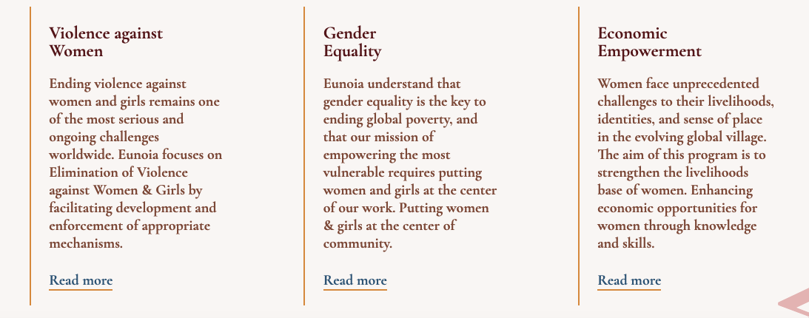 | 1. Click Read More will direct to the following article | 1. OK | No issue | No issue

Article Title |   | 1. Click Article will direct to the following article in Our Story Page | 1. OK | No issue | No issue

Article's Button |  | 1. Click the arrow to show other articles | 1. OK | No issue | No issue

Contact Us Button |  | 1. Click Contact Us will direct to Contact Us page | 1. OK | No issue | No issue

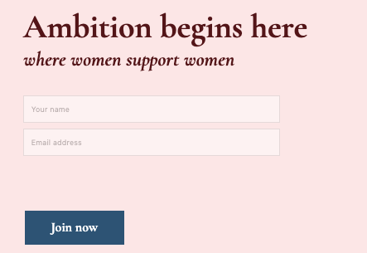
Subscribtion |  | 1. Click Your Name to input name | 1. OK | No issue | No issue

 |  | 2. Click Email Address to input email address | 2. OK

 |  | 3. Click Join Now to popped out Thankyou message | 3. OK

 |  | 4. Click close to close pop up feature | 4. OK

Social Media |  | 1. Click each icon will direct to the following social media | 1. Not Working | Issue, icon cannot direct to social media | No issue

Footer |  | 1. Click each underlined text will direct to the following article | 1. OK | No issue | No issue

Information Form | 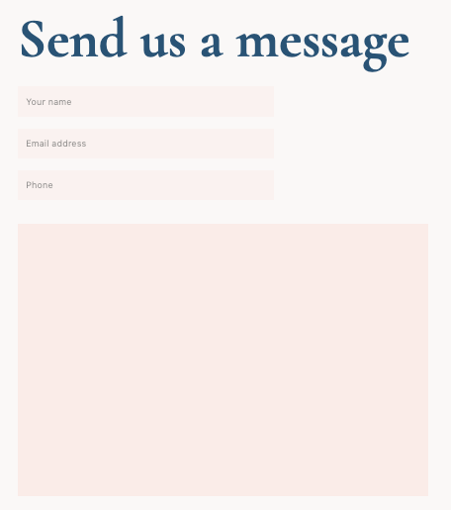 | 1. Click each box to type and input informations | 1. OK | No issue | No issue

Submit and Donate Button |  | 1. Click button will popped out Thankyou and Success message | 1. OK | No issue | No issue

Money Button | 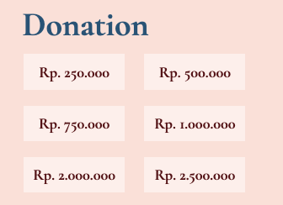 | 1. Choose the amount of money you prefered | 1. OK | No issue | No issue

