Table 12
09 SEPTEMBER
08 AUGUST

06 JUNE
07 JULY

02 FEBRUARY
05 MAY

04 APRIL
10 OCTOBER
03 MARCH

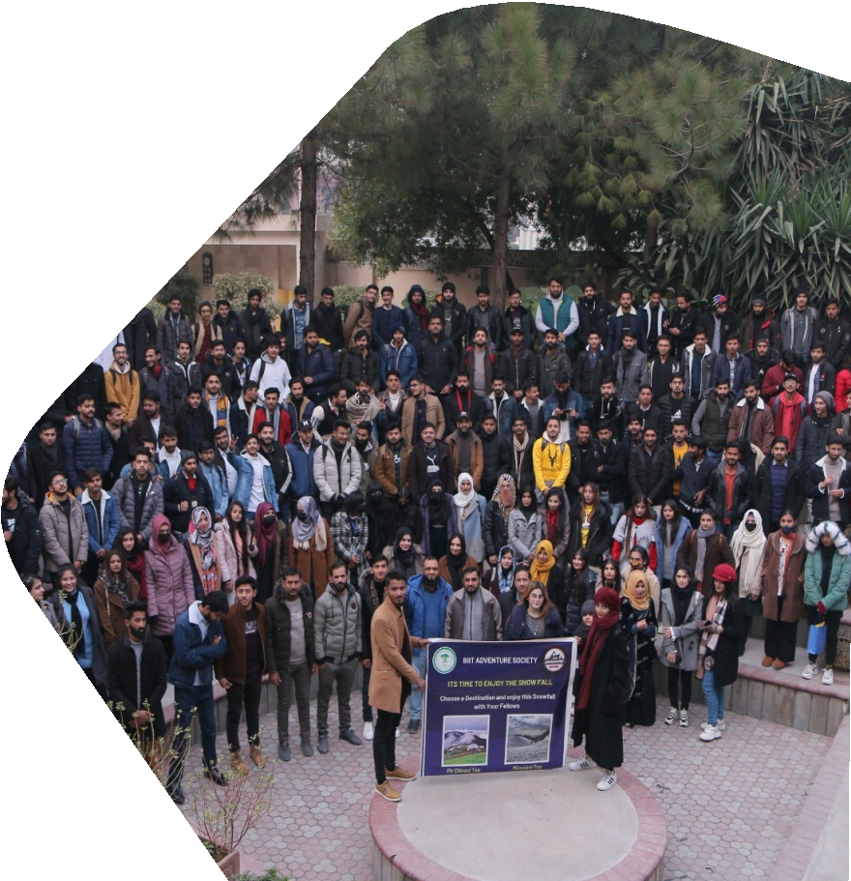  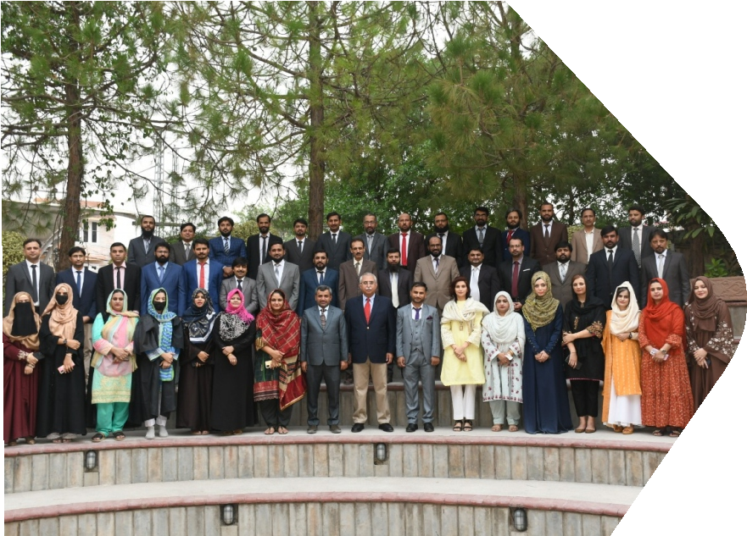

01 JANUARY
12 DECEMBER
 |  |  | 1 | 2 | 3 | 4
5 Eid-ul- Adha | 6 | 7 | 8 | 9 | 10 | 1
12 | 13 | 14 | 15 | 16 | 17 | 18
 | Final Exams Of Spring 2023
19 | 20 | 21 | 22 | 23 | 24 | 25
Final Exams Of Spring 2023
11 NOVEMBER
26 | 27 | 28 | 29 | 30

