Sheet1
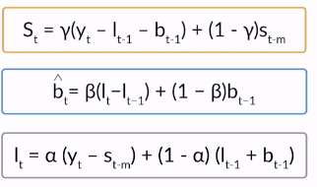
alpha | 0.5
beta | 0.1
gamma | 0.2

Quarters | Actual | lt | bt | st | Forecast
1 | 30 |  |  | -85.00
2 | 50 |  |  | -65.00
3 | 180 |  |  | 65.00
4 | 200 | 115.00 |  | 85.00
5 | 250 | 225.00 | 11.00 | -41.00 | 30.00
6 | 300 | 300.50 | 17.45 | -39.20 | 171.00
7 | 310 | 281.48 | 13.80 | 50.41 | 382.95
 |  | 105.14 | -5.21 | 8.94 | 380.28
 |  | 70.46 | -8.16 | -52.79 | 58.93
 |  | 50.75 | -9.31 | -43.82 | 23.11
 |  | -4.49 | -13.91 | 32.04 | 91.85
 |  | -13.67 | -13.43 | 10.83 | -9.45

